Top6_signature_symptoms
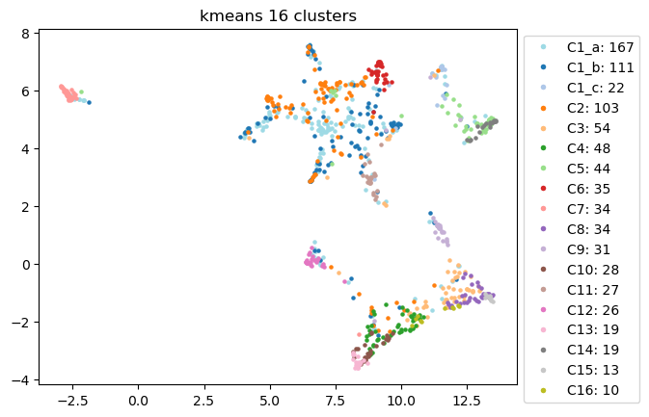
Signature Symptoms | C1a | C1b | C1c | C2 | C3 | C4 | C5 | C6 | C7 | C8 | C9 | C10 | C11 | C12 | C13 | C14 | C15 | C16
#1 | cough | fatigue or tiredness | loss of smell | chest pain or discomfort | tingling, numbness, burning, stabbing or "pins... | vomiting | loss of smell | cough | fainting or blackouts | unexplained menstrual irregularity | sexual dysfunction or loss of libido | vomiting | diarrhea | exaggerated symptoms or worse hangover from al... | vomiting | loss of smell | unexplained menstrual irregularity | difficulty swallowing
#2 | shortness of breath | difficulty with concentration or reading or "b... | loss of taste | heart palpitations, pulse skips, heart block | skin lesions (rash or lumpy lesions) | fever or chills | loss of taste | memory problems or forgetfulness | loss of taste | tingling and numbness in the mouth and/or face | unexplained hair loss | fever or chills | disorientation: getting lost; going to wrong p... | difficulty hearing | fever or chills | urinary incontinence or difficulty urinating | tingling and numbness in the mouth and/or face | tingling and numbness in the mouth and/or face
#3 | fatigue or tiredness | headache | fatigue or tiredness | shortness of breath | tingling and numbness in the mouth and/or face | urinary incontinence or difficulty urinating | urinary incontinence or difficulty urinating | chest pain or discomfort | cough | swelling | swelling | urinary incontinence or difficulty urinating | mood swings, irritability, depression | tinnitus (ringing in the ears) | urinary incontinence or difficulty urinating | loss of taste | skin lesions (rash or lumpy lesions) | abdominal pain
#4 | chest pain or discomfort | shortness of breath | difficulty with concentration or reading or "b... | fatigue or tiredness | fatigue or tiredness | abdominal pain | exaggerated symptoms or worse hangover from al... | shortness of breath | loss of smell | skin lesions (rash or lumpy lesions) | urinary incontinence or difficulty urinating | abdominal pain | headache | disorientation: getting lost; going to wrong p... | difficulty swallowing | unexplained menstrual irregularity | swelling | swelling
#5 | loss of taste | difficulty sleeping (too much, too little, ear... | memory problems or forgetfulness | headache | headache | swelling | unexplained menstrual irregularity | disorientation: getting lost; going to wrong p... | sore throat | abdominal pain | bloating | difficulty swallowing | confusion, difficulty thinking | problems seeing (double or blurry vision) | abdominal pain | exaggerated symptoms or worse hangover from al... | abdominal pain | nausea
#6 | loss of smell | mood swings, irritability, depression | diarrhea | breathing faster than normal | swelling | nausea | unexplained hair loss | heart palpitations, pulse skips, heart block | difficulty hearing | tingling, numbness, burning, stabbing or "pins... | tingling, numbness, burning, stabbing or "pins... | nausea | difficulty sleeping (too much, too little, ear... | mood swings, irritability, depression | nausea | difficulty hearing | difficulty swallowing | skin lesions (rash or lumpy lesions)

Top3_organ_systems
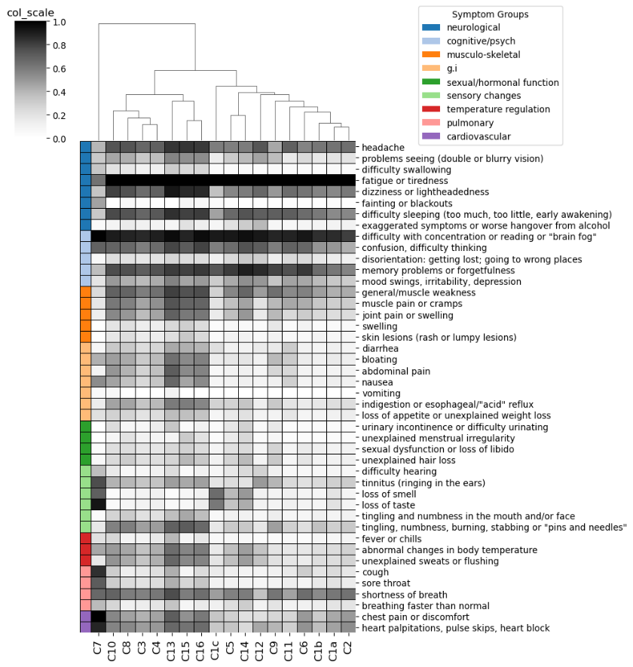
Cluster_ID | Endotype_ID | Top3_organ_systems
C7 | E5 | ['neurological', 'sensory changes', 'pulmonary']
C10 | E8 | ['g.i', 'temperature regulation', 'sexual/hormonal function']
C8 | E6 | ['sexual/hormonal function', 'sensory changes', 'musculo-skeletal']
C3 | E2 | ['sensory changes', 'musculo-skeletal', 'neurological']
C4 | E3 | ['g.i', 'temperature regulation', 'sexual/hormonal function']
C13 | E11 | ['g.i', 'temperature regulation', 'sexual/hormonal function']
C15 | E12 | ['sexual/hormonal function', 'sensory changes', 'musculo-skeletal']
C16 | E13 | ['neurological', 'sensory changes', 'g.i']
C1c | E14 | ['sensory changes', 'neurological', 'cognitive/psych']
C5 | E4 | ['sensory changes', 'sexual/hormonal function', 'neurological']
C14 | E4 | ['sensory changes', 'sexual/hormonal function', 'neurological']
C12 | E10 | ['neurological', 'sensory changes', 'cognitive/psych']
C9 | E7 | ['sexual/hormonal function', 'musculo-skeletal', 'g.i']
C11 | E9 | ['g.i', 'cognitive/psych', 'neurological']
C6 | E1 | ['pulmonary', 'cognitive/psych', 'cardiovascular']
C1b | E1 | ['neurological', 'cognitive/psych', 'pulmonary']
C1a | E0 | ['pulmonary', 'neurological', 'cardiovascular']
C2 | E0 | ['cardiovascular', 'pulmonary', 'neurological']

Severity_scores
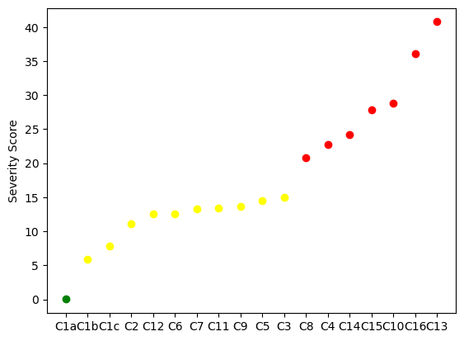
Cluster_ID | ML_predicted_severity_score | Severity_group_defined_by_elbow | Color_in_plot
C1a | 0.007214 | mild | green
C1b | 5.933915 | moderate | yellow
C1c | 7.857215 | moderate | yellow
C2 | 11.075022 | moderate | yellow
C12 | 12.559919 | moderate | yellow
C6 | 12.607118 | moderate | yellow
C7 | 13.29736 | moderate | yellow
C11 | 13.346221 | moderate | yellow
C9 | 13.670015 | moderate | yellow
C5 | 14.541146 | moderate | yellow
C3 | 14.980161 | moderate | yellow
C8 | 20.787167 | severe | red
C4 | 22.748648 | severe | red
C14 | 24.207936 | severe | red
C15 | 27.882835 | severe | red
C10 | 28.834737 | severe | red
C16 | 36.135523 | severe | red
C13 | 40.755801 | severe | red

