Top6_signature_symptoms
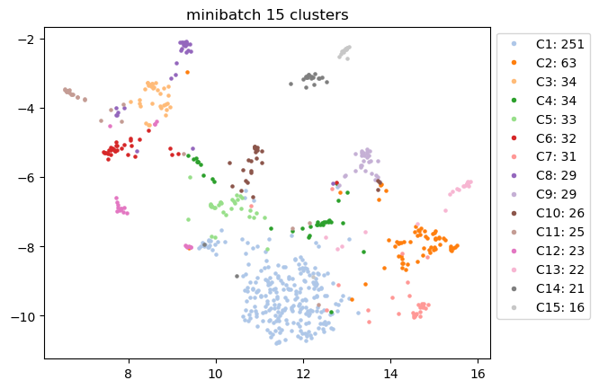
Signature Symptoms | C1 | C2 | C3 | C4 | C5 | C6 | C7 | C8 | C9 | C10 | C11 | C12 | C13 | C14 | C15
#1 | cramps | runny | numb | back | sore | painsex | cough | numb | vomit | heartrace | faint | cramps | temp | odor | smell
#2 | cough | cough | balan | runny | short | numb | short | vision | abdom | loss | rash | rash | fever | smell | pain
#3 | runny | sore | fever | muscle | head ... | balan | chest | dizz | const | head ... | dizz | back | chills | fatig | muscle
#4 | odor | odor | chills | sore | sleep | vomit | smell | balan | diarr | sleep | back | vision | runny | concen | loss
#5 | sore | smell | chest | cough | fatig | dizz | sore | nausea | nausea | nausea | balan | concen | cough | cough | short
#6 | smell | fatig | vision | head ... | heartrace | back | heartrace | heartrace | loss | chest | pain | numb | loss | head ... | concen

Top3_organ_systems
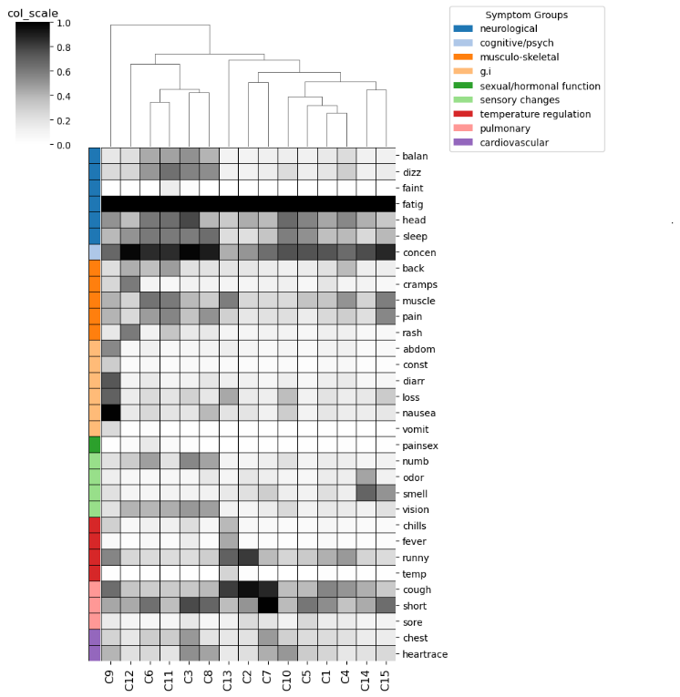
Cluster_ID | Endotype_ID | Top3_organ_systems
C9 | E7 | ['g.i']
C12 | E10 | ['musculo-skeletal', 'sensory changes', 'cognitive/psych']
C6 | E5 | ['sexual/hormonal function', 'sensory changes', 'neurological']
C11 | E9 | ['neurological', 'musculo-skeletal']
C3 | E2 | ['sensory changes', 'neurological', 'temperature regulation']
C8 | E2 | ['sensory changes', 'neurological', 'g.i']
C13 | E11 | ['temperature regulation', 'pulmonary', 'g.i']
C2 | E1 | ['temperature regulation', 'pulmonary', 'sensory changes']
C7 | E6 | ['pulmonary', 'cardiovascular', 'sensory changes']
C10 | E8 | ['cardiovascular', 'g.i', 'neurological']
C5 | E4 | ['pulmonary', 'neurological', 'cardiovascular']
C1 | E0 | ['musculo-skeletal', 'pulmonary', 'temperature regulation']
C4 | E3 | ['musculo-skeletal', 'temperature regulation', 'pulmonary']
C14 | E12 | ['sensory changes', 'neurological', 'cognitive/psych']
C15 | E13 | ['sensory changes', 'musculo-skeletal', 'g.i']

Severity_scores
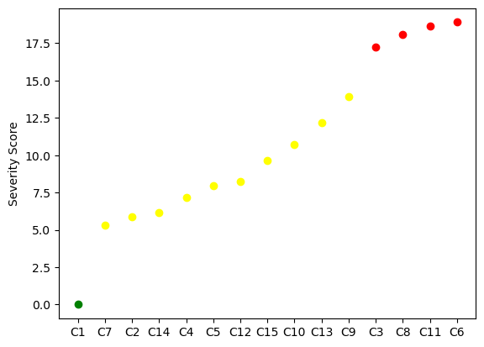
Cluster_ID | ML_predicted_severity_score | Severity_group_defined_by_elbow | Color_in_plot
C1 | 0 | Mild | green
C7 | 5.301489 | Moderate | yellow
C2 | 5.855775 | Moderate | yellow
C14 | 6.163947 | Moderate | yellow
C4 | 7.155718 | Moderate | yellow
C5 | 7.961321 | Moderate | yellow
C12 | 8.264181 | Moderate | yellow
C15 | 9.633212 | Moderate | yellow
C10 | 10.7348 | Moderate | yellow
C13 | 12.151816 | Moderate | yellow
C9 | 13.932228 | Moderate | yellow
C3 | 17.243568 | Severe | red
C8 | 18.077075 | Severe | red
C11 | 18.619841 | Severe | red
C6 | 18.898101 | Severe | red

