Telangana State Symbols
Telangana State Symbols
State Emblem | 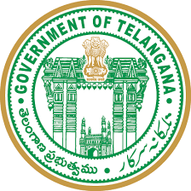
Motto | सत्यमेव जयते Satyameva Jayate (Truth alone triumphs)
Animal | Spotted deer (Axis axis)
Bird | Indian roller (Coracias benghalensis)
Flower | Tangidi Puvvu (Senna auriculata)
Tree | Jammi Chettu (Prosopis cineraria)
Song | Jaya Jaya He Telangana (Victory to Mother Telangana!)
Fish | Korameenu (Channa striata)
Fruit | Mango (Mangifera indica)
Foundation day | 2020-06-02
For more Details Visit :www.downloadexcelfiles.com

