DASHBOARD
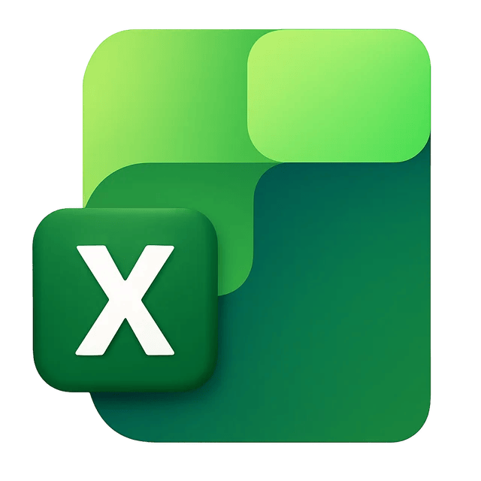

DASHBOARD

DATASET

Most Popular Payment Mode
 | Total
Cash on Delivery | 3059
Credit Card | 3024
Debit Card | 3020
Net Banking | 2960
UPI | 2937
ANALYSIS
Sales by State
 | Total
Delhi | 6,969,026
Gujarat | 7,141,494
Karnataka | 7,142,955
Maharashtra | 6,952,475
Rajasthan | 7,230,100
Tamil Nadu | 6,982,897
Uttar Pradesh | 6,965,893
Monthly Sales Trend
 | Total
January | 4,228,063
February | 3,713,944
March | 4,340,540
April | 4,110,614
May | 4,264,813
June | 3,806,678
July | 4,353,344
August | 4,187,607
September | 4,101,761
October | 4,020,267
November | 4,106,937
December | 4,150,272

TOTAL SALES
₹ 4,93,84,840.00

Top 10 Products by Sales
 | Total
Air Fryer | 2,012,414
Face Wash | 2,004,712
Headphones | 2,063,692
Jeans | 2,081,730
Makeup Kit | 2,023,811
Skin Cream | 2,089,872
Smartphone | 2,148,078
Tablet | 2,205,091
Vacuum Cleaner | 2,052,444
Yoga Mat | 2,029,162
TOTAL PROFIT
₹ 73,77,771.09
Sales by Product Category
 | Total
Beauty | 9,761,759
Clothing | 9,852,771
Electronics | 10,234,029
Home & Kitchen | 9,813,312
Sports | 9,722,969
Profit by Product Category
 | Total
Beauty | 1459496.16
Clothing | 1468307.01
Electronics | 1551194.98
Home & Kitchen | 1446453.17
Sports | 1452319.77

TOTAL UNIT SOLDS
45191

