Bug Report
BUG REPORT
Bug ID | B01/1/B1/BUG1 ETC | Auto
Module | Flights
Requirements/Submodule/Feature | One Way
Test Case Name | TC7
Release/Server | QA
Status | New/Open/tO-DO | Auto
Reporter | Bhakti | Auto
Date | NA | Auto
Assign To | Developer
CC | TL/PM | NA
Severity | S2
Priority | P2
Platform | Web,MOBILE
Build No. | 1 | NA
Test Data | Port Blier
Attachment | 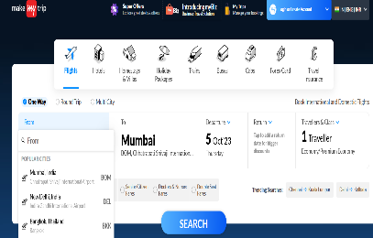
Navigation Steps | 1.Enter URL on browser 2.Go to flights menu and click 3.Click on FROM field
Expected Result | "FROM" field should be autofilled as like if user enters any letters,then suggested relevant city should appear
Actual Result | FROM field not showing data for port blair

