Descriptive Statistics
Togo Qty Statistics
PartnerDesc | CmdCode | Qty mean | Qty median | Qty std | Qty min | Qty max
Belgium | 7108 | 205 | 205 |  | 205 | 205
Belgium | 710812 | 205 | 205 |  | 205 | 205
Lebanon | 7108 | 3743 | 3743 | 1346.3313114 | 2791 | 4695
Lebanon | 710812 | 3743 | 3743 | 1346.3313114 | 2791 | 4695
Other Asia, nes | 7108 | 1 | 1 |  | 1 | 1
Other Asia, nes | 710813 | 1 | 1 |  | 1 | 1
United Arab Emirates | 7108 | 5587.25 | 3543 | 7262.741786 | 1 | 15262
United Arab Emirates | 710812 | 11173 | 11173 | 5782.7192565 | 7084 | 15262
United Arab Emirates | 710813 | 1.5 | 1.5 | 0.70710678119 | 1 | 2
World | 7108 | 6008.2 | 2 | 8935.8256306 | 1 | 19957
World | 710812 | 15018.5 | 15018.5 | 6984.0936778 | 10080 | 19957
World | 710813 | 1.3333333333 | 1 | 0.57735026919 | 1 | 2

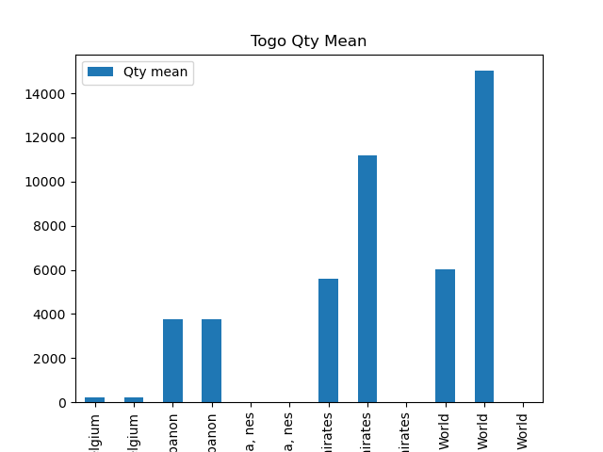

Togo AltQty Statistics
PartnerDesc | CmdCode | AltQty mean | AltQty median | AltQty std | AltQty min | AltQty max
Belgium | 7108 | 205 | 205 |  | 205 | 205
Belgium | 710812 | 205 | 205 |  | 205 | 205
Lebanon | 7108 | 3743 | 3743 | 1346.3313114 | 2791 | 4695
Lebanon | 710812 | 3743 | 3743 | 1346.3313114 | 2791 | 4695
Other Asia, nes | 7108 | 1 | 1 |  | 1 | 1
Other Asia, nes | 710813 | 1 | 1 |  | 1 | 1
United Arab Emirates | 7108 | 5587.25 | 3543 | 7262.741786 | 1 | 15262
United Arab Emirates | 710812 | 11173 | 11173 | 5782.7192565 | 7084 | 15262
United Arab Emirates | 710813 | 1.5 | 1.5 | 0.70710678119 | 1 | 2
World | 7108 | 6008.2 | 2 | 8935.8256306 | 1 | 19957
World | 710812 | 15018.5 | 15018.5 | 6984.0936778 | 10080 | 19957
World | 710813 | 1.3333333333 | 1 | 0.57735026919 | 1 | 2

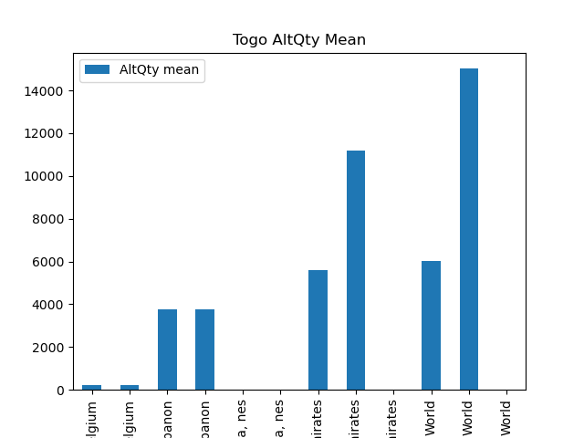

Togo NetWgt Statistics
PartnerDesc | CmdCode | NetWgt mean | NetWgt median | NetWgt std | NetWgt min | NetWgt max
Belgium | 7108 | 205 | 205 |  | 205 | 205
Belgium | 710812 | 205 | 205 |  | 205 | 205
Lebanon | 7108 | 3743 | 3743 | 1346.3313114 | 2791 | 4695
Lebanon | 710812 | 3743 | 3743 | 1346.3313114 | 2791 | 4695
Other Asia, nes | 7108 | 1 | 1 |  | 1 | 1
Other Asia, nes | 710813 | 1 | 1 |  | 1 | 1
United Arab Emirates | 7108 | 5587.25 | 3543 | 7262.741786 | 1 | 15262
United Arab Emirates | 710812 | 11173 | 11173 | 5782.7192565 | 7084 | 15262
United Arab Emirates | 710813 | 1.5 | 1.5 | 0.70710678119 | 1 | 2
World | 7108 | 6008.2 | 2 | 8935.8256306 | 1 | 19957
World | 710812 | 15018.5 | 15018.5 | 6984.0936778 | 10080 | 19957
World | 710813 | 1.3333333333 | 1 | 0.57735026919 | 1 | 2



Togo PrimaryValue (millions) Statistics
PartnerDesc | CmdCode | PrimaryValue (millions) mean | PrimaryValue (millions) median | PrimaryValue (millions) std | PrimaryValue (millions) min | PrimaryValue (millions) max
Belgium | 7108 | 0.372002634 | 0.372002634 |  | 0.372002634 | 0.372002634
Belgium | 710812 | 0.372002634 | 0.372002634 |  | 0.372002634 | 0.372002634
Lebanon | 7108 | 6.5880328705 | 6.5880328705 | 2.1596518548 | 5.060928399 | 8.115137342
Lebanon | 710812 | 6.5880328705 | 6.5880328705 | 2.1596518548 | 5.060928399 | 8.115137342
Other Asia, nes | 7108 | 0.00173835 | 0.00173835 |  | 0.00173835 | 0.00173835
Other Asia, nes | 710813 | 0.00173835 | 0.00173835 |  | 0.00173835 | 0.00173835
United Arab Emirates | 7108 | 9.8054843888 | 6.426445584 | 12.593558346 | 0.001709232 | 26.367337155
United Arab Emirates | 710812 | 19.609140476 | 19.609140476 | 9.5575334006 | 12.850943797 | 26.367337155
United Arab Emirates | 710813 | 0.0018283015 | 0.0018283015 | 0.00016838970176 | 0.001709232 | 0.001947371
World | 7108 | 10.554348856 | 0.001947371 | 15.543244007 | 0.001709232 | 34.482474497
World | 710812 | 26.383174663 | 26.383174663 | 11.454139671 | 18.283874829 | 34.482474497
World | 710813 | 0.0017983176667 | 0.00173835 | 0.00012990241189 | 0.001709232 | 0.001947371

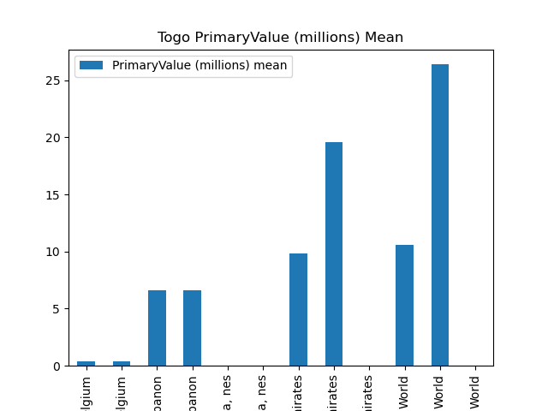

Zimbabwe Qty Statistics
PartnerDesc | CmdCode | Qty mean | Qty median | Qty std | Qty min | Qty max
Areas, nes | 7108 | 42.5 | 42.5 |  | 42.5 | 42.5
Areas, nes | 710813 | 42.5 | 42.5 |  | 42.5 | 42.5
China | 7108 | 0.042 | 0.042 |  | 0.042 | 0.042
China | 710812 | 0.042 | 0.042 |  | 0.042 | 0.042
China, Hong Kong SAR | 7108 | 52.938666667 | 5.086 | 87.324890526 | 0 | 153.73
China, Hong Kong SAR | 710813 | 52.938666667 | 5.086 | 87.324890526 | 0 | 153.73
Mozambique | 7108 | 81.82025 | 78.6295 | 69.574507747 | 0 | 170.022
Mozambique | 710813 | 81.82025 | 78.6295 | 69.574507747 | 0 | 170.022
South Africa | 7108 | 9818.63325 | 11054.975 | 7322.8704669 | 0 | 17164.583
South Africa | 710812 | 0.123 | 0.123 |  | 0.123 | 0.123
South Africa | 710813 | 9818.6025 | 11054.975 | 7322.8293378 | 0 | 17164.46
Uganda | 7108 | 37.6575 | 37.6575 | 53.255747225 | 0 | 75.315
Uganda | 710813 | 37.6575 | 37.6575 | 53.255747225 | 0 | 75.315
Ukraine | 7108 | 0 | 0 |  | 0 | 0
Ukraine | 710813 | 0 | 0 |  | 0 | 0
United Arab Emirates | 7108 | 17287.323429 | 15083.8 | 12683.224797 | 0 | 35531.07
United Arab Emirates | 710813 | 17287.323429 | 15083.8 | 12683.224797 | 0 | 35531.07
World | 7108 | 18838.702714 | 22573.538 | 13699.652932 | 0 | 35706.178
World | 710812 | 0.0825 | 0.0825 | 0.057275649276 | 0.042 | 0.123
World | 710813 | 18838.685143 | 22573.538 | 13699.648351 | 0 | 35706.178

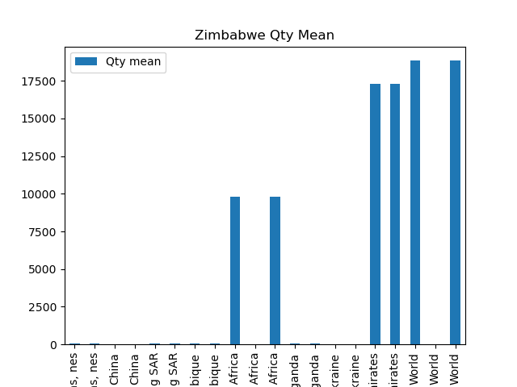

Zimbabwe AltQty Statistics
PartnerDesc | CmdCode | AltQty mean | AltQty median | AltQty std | AltQty min | AltQty max
Areas, nes | 7108 | 0.004 | 0.004 |  | 0.004 | 0.004
Areas, nes | 710813 | 0.004 | 0.004 |  | 0.004 | 0.004
China | 7108 | 0.0421 | 0.0421 |  | 0.0421 | 0.0421
China | 710812 | 0.0421 | 0.0421 |  | 0.0421 | 0.0421
China, Hong Kong SAR | 7108 | 1.7143333333 | 0.04 | 2.9199716323 | 0.017 | 5.086
China, Hong Kong SAR | 710813 | 1.7143333333 | 0.04 | 2.9199716323 | 0.017 | 5.086
Mozambique | 7108 | 39.31465 | 37.465 | 45.4970199 | 0 | 82.3286
Mozambique | 710813 | 53.30086 | 65.305145 | 37.098702817 | 0.26455 | 82.3286
South Africa | 7108 | 0.996 | 1.146 | 0.59585289012 | 0.177 | 1.515
South Africa | 710812 | 0.123 | 0.123 |  | 0.123 | 0.123
South Africa | 710813 | 0.96525 | 1.146 | 0.56237435634 | 0.177 | 1.392
Uganda | 7108 | 37.7665 | 37.7665 | 53.101597947 | 0.218 | 75.315
Uganda | 710813 | 37.7665 | 37.7665 | 53.101597947 | 0.218 | 75.315
Ukraine | 7108 | 0.018 | 0.018 |  | 0.018 | 0.018
Ukraine | 710813 | 0.018 | 0.018 |  | 0.018 | 0.018
United Arab Emirates | 7108 | 10657.396429 | 2.039 | 15316.57715 | 0.546 | 35531.07
United Arab Emirates | 710813 | 10657.396429 | 2.039 | 15316.57715 | 0.546 | 35531.07
World | 7108 | 1480.5345286 | 2.48 | 3879.8616587 | 0 | 10279.0036
World | 710812 | 0.08255 | 0.08255 | 0.057204938598 | 0.0421 | 0.123
World | 710813 | 10699.93392 | 76.766 | 15323.102844 | 1.938 | 35591.83629

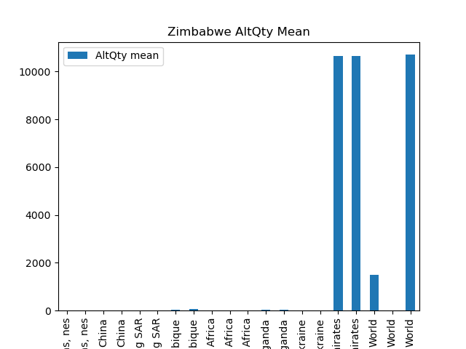

Zimbabwe NetWgt Statistics
PartnerDesc | CmdCode | NetWgt mean | NetWgt median | NetWgt std | NetWgt min | NetWgt max
Areas, nes | 7108 | 42.5 | 42.5 |  | 42.5 | 42.5
Areas, nes | 710813 | 42.5 | 42.5 |  | 42.5 | 42.5
China | 7108
China | 710812
China, Hong Kong SAR | 7108 | 169.90333333 | 153.73 | 173.48633645 | 5.07 | 350.91
China, Hong Kong SAR | 710813 | 169.90333333 | 153.73 | 173.48633645 | 5.07 | 350.91
Mozambique | 7108
Mozambique | 710813
South Africa | 7108 | 10239.73825 | 11054.975 | 6580.8774551 | 1684.42 | 17164.583
South Africa | 710812
South Africa | 710813 | 10239.7075 | 11054.975 | 6580.8343123 | 1684.42 | 17164.46
Uganda | 7108 | 1101.685 | 1101.685 | 1451.6690086 | 75.2 | 2128.17
Uganda | 710813 | 1101.685 | 1101.685 | 1451.6690086 | 75.2 | 2128.17
Ukraine | 7108 | 166.4 | 166.4 |  | 166.4 | 166.4
Ukraine | 710813 | 166.4 | 166.4 |  | 166.4 | 166.4
United Arab Emirates | 7108 | 20118.974286 | 15083.8 | 11124.195171 | 4735.44 | 35668.12
United Arab Emirates | 710813 | 20118.974286 | 15083.8 | 11124.195171 | 4735.44 | 35668.12
World | 7108 | 24530.401 | 23580.18 | 3212.6700399 | 21900.023 | 28111
World | 710812
World | 710813 | 24530.36 | 23580.18 | 3212.7203935 | 21899.9 | 28111

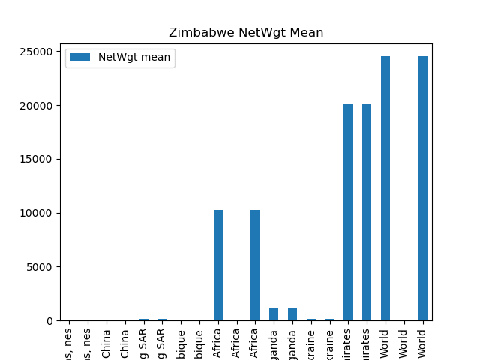

Zimbabwe PrimaryValue (millions) Statistics
PartnerDesc | CmdCode | PrimaryValue (millions) mean | PrimaryValue (millions) median | PrimaryValue (millions) std | PrimaryValue (millions) min | PrimaryValue (millions) max
Areas, nes | 7108 | 1.6818263 | 1.6818263 |  | 1.6818263 | 1.6818263
Areas, nes | 710813 | 1.6818263 | 1.6818263 |  | 1.6818263 | 1.6818263
China | 7108 | 0.00005055 | 0.00005055 |  | 0.00005055 | 0.00005055
China | 710812 | 0.00005055 | 0.00005055 |  | 0.00005055 | 0.00005055
China, Hong Kong SAR | 7108 | 8.4778386633 | 7.45117468 | 8.739528503 | 0.29698701 | 17.6853543
China, Hong Kong SAR | 710813 | 8.4778386633 | 7.45117468 | 8.739528503 | 0.29698701 | 17.6853543
Mozambique | 7108 | 8.0059988825 | 7.4341075 | 4.0297278539 | 4.59805739 | 12.55772314
Mozambique | 710813 | 8.0059988825 | 7.4341075 | 4.0297278539 | 4.59805739 | 12.55772314
South Africa | 7108 | 428.88742624 | 470.06561491 | 257.39063431 | 83.44714392 | 691.97133124
South Africa | 710812 | 0.0001 | 0.0001 |  | 0.0001 | 0.0001
South Africa | 710813 | 428.88740124 | 470.06561491 | 257.39060024 | 83.44714392 | 691.97123124
Uganda | 7108 | 65.67440066 | 65.67440066 | 87.001696175 | 4.15491132 | 127.19389
Uganda | 710813 | 65.67440066 | 65.67440066 | 87.001696175 | 4.15491132 | 127.19389
Ukraine | 7108 | 10.15100356 | 10.15100356 |  | 10.15100356 | 10.15100356
Ukraine | 710813 | 10.15100356 | 10.15100356 |  | 10.15100356 | 10.15100356
United Arab Emirates | 7108 | 1081.1720476 | 739.18224371 | 695.96515823 | 194.05424285 | 1981.8111012
United Arab Emirates | 710813 | 1081.1720476 | 739.18224371 | 695.96515823 | 194.05424285 | 1981.8111012
World | 7108 | 1354.9133188 | 1141.5289966 | 440.60527567 | 886.02557409 | 1992.3466334
World | 710812 | 0.000075275 | 0.000075275 | 3.496643033E-05 | 0.00005055 | 0.0001
World | 710813 | 1354.9132973 | 1141.5289966 | 440.60530053 | 886.02547409 | 1992.3466334

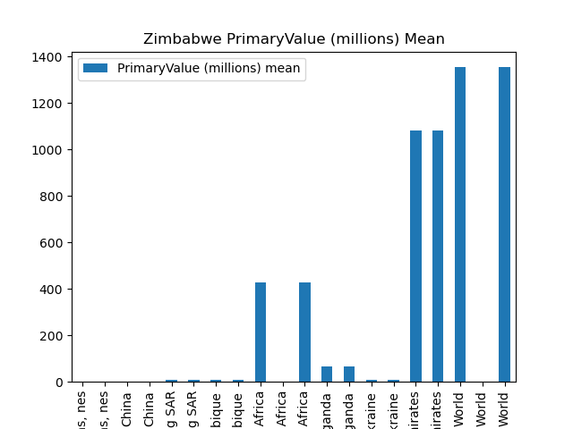

Report Summary: This analysis provides descriptive statistics for the trade data of Togo and Zimbabwe from 2017 to 2023. Each metric (Qty, AltQty, NetWgt, PrimaryValue) is analyzed separately, showing mean, median, standard deviation, minimum, and maximum values. The corresponding plots are included for better visualization.

