BUG001

Bug/Defect

Defect ID | BUG001 | Assigned To | Dev
Status | New | Browser | chrome
Severity |  | Found in Version | 1
Priority |  | Found in Build | 1
Module | Login | Fixed in version
Reported By | Bharat | Fixed in build

Title | Adactin:Login page Images of Url not working[Google play and ios page should be opened]
Description Steps To Re-Produce : 1.Launch Browser 2.Enter url 3.Verify links on image 3.1 Click on url of image get it on Google Play 3.2 Click on url of image get it now for ios Expected Result : 3.1 Google play page shoud be displayed 3.2 apple store page should be displayed Actual Result : 3.1 Google play page shoud is not displayed 3.2 apple store page should is not displayed
Attachements

BUG002
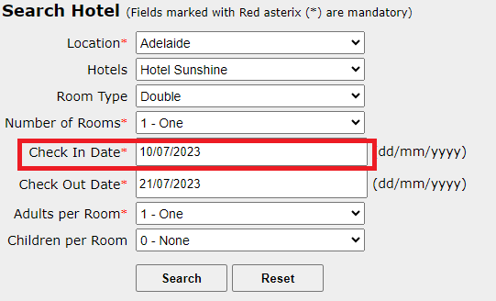

Bug/Defect

Defect ID | BUG002 | Assigned To | Dev
Status | New | Browser | chrome
Severity |  | Found in Version | 1
Priority |  | Found in Build | 1
Module | Search Hotel | Fixed in version
Reported By | Bharat | Fixed in build

Title | Adactin:Search Hotel page Validation of chek in date is not working [Accepting Previous Date]
Description Steps To Re-Produce : 1.Launch Browsr 2.Enter url 3.Enter username 4.Enter password 5.Click on Login button 6.Select Location 7.Select Hotel 8.Select roomtype 9.Select number of rooms 10.Enter previous check-in date 11.Enter check-out date 12.Select adults 13.Select children 14.Click on Search button Expected Result : Error message should be displayed Actual Result : select hotel page is displayed with data

Attachements

BUG003
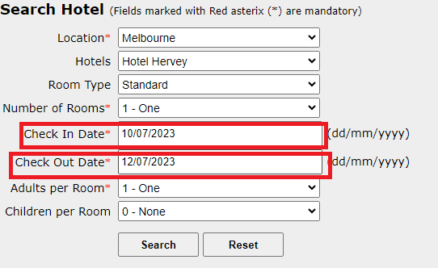
Bug/Defect

Defect ID | BUG003 | Assigned To | Dev
Status | New | Browser | chrome
Severity |  | Found in Version | 1
Priority |  | Found in Build | 1
Module | Search Hotel | Fixed in version
Reported By | Bharat | Fixed in build

Title | Adactin:Search Hotel page Validation of chek in date and check out date is not working [Accepting Previous Dates]
Description Steps To Re-Produce : 1.Launch Browsr 2.Enter url 3.Enter username 4.Enter password 5.Click on Login button 6.Select Location 7.Select Hotel 8.Select roomtype 9.Select number of rooms 10.Enter previous check-in date 11.Enter previoud check-out date 12.Select adults 13.Select children 14.Click on Search button Expected Result : Error message should be displayed Actual Result : select hotel page is displayed with data

Attachements

BUG004
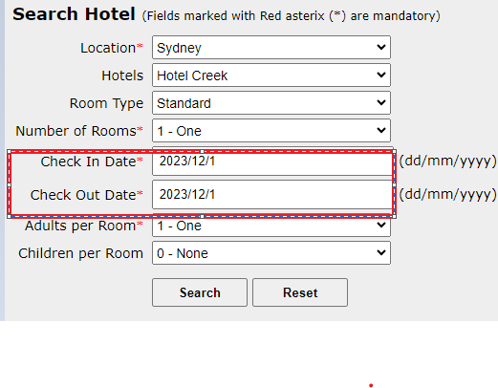
Bug/Defect

Defect ID | BUG004 | Assigned To | Dev
Status | New | Browser | chrome
Severity |  | Found in Version | 1
Priority |  | Found in Build | 1
Module | Search Hotel | Fixed in version
Reported By | Bharat | Fixed in build

Title | Adactin:Search Hotel page Validation format of chek in date and check out date[accepting wrong format]
Description Steps To Re-Produce : 1.Launch Browsr 2.Enter url 3.Enter username 4.Enter password 5.Click on Login button 6.Select Location 7.Select Hotel 8.Select roomtype 9.Select number of rooms 10.Enter check-in date invalid format 11.Enter check-out date invalid format 12.Select adults 13.Select children 14.Click on Search button Expected Result : Error message should be displayed Actual Result : select hotel page is displayed with data

Attachements

BUG005
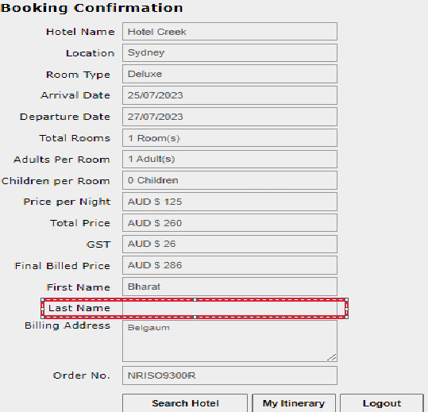
Bug/Defect

Defect ID | BUG005 | Assigned To | Dev
Status | New | Browser | chrome
Severity |  | Found in Version | 1
Priority |  | Found in Build | 1
Module | Booking conformation | Fixed in version
Reported By | Bharat | Fixed in build

Title | Adactin: Booking Conformation page Read only-box is Blank for Last name
Description Steps To Re-Produce : 1.Launch Browser 2.Enter url 3.Enter username 4.Enter password 5.Click on login button 6.Select Location 7.Select Hotel 8.Select roomtype 9.Select no of rooms 10.Enter check-in date 11.Enter check-out date 12.Select adults 13.Select children 14.Click on search button 15.Select required hotel 16.Click on Contiue button 17.Enter firstname 18.Enter lastname 19.Enter billing address 20.Enter credit card number 21.Select creditcard type 22.Select expiry date 23.Enter cvv number 24.click on booknow button 25.read only textboxes for last name is blank Expected Result : Read only data should be displayed for Last name Actual Result : Read only data is not displayed in Lastname

Attachements

BUG006
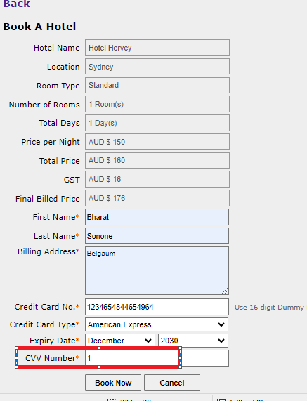
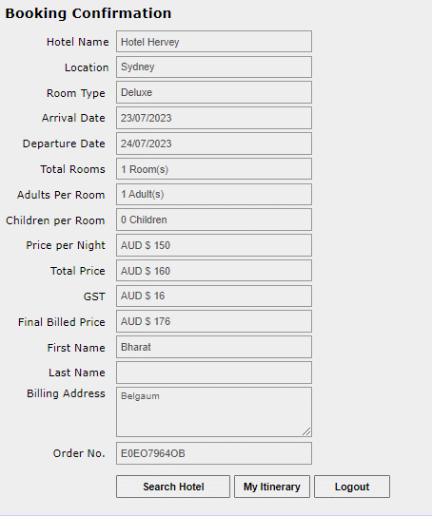
Bug/Defect

Defect ID | BUG006 | Assigned To | Dev
Status | New | Browser | chrome
Severity |  | Found in Version | 1
Priority |  | Found in Build | 1
Module | Book a hotel | Fixed in version
Reported By | Bharat | Fixed in build

Title | Adactin: Book a hotel page validating cvv number[accepting invalid cvv number ]
Description Steps To Re-Produce : 1.Launch Browser 2.Enter url 3.Enter username 4.Enter password 5.Click on login button 6.Select Location 7.Select Hotel 8.Select roomtype 9.Select no of rooms 10.Enter check-in date 11.Enter check-out date 12.Select adults 13.Select children 14.Click on search button 15.Select required hotel 16.Click on Contiue button 17.Enter firstname 18.Enter lastname 19.Enter billing address 20.Enter credit card number 21.Select creditcard type 22.Select expiry date 23.Enter invalid cvv number 24.Click on Book now button Expected Result : Error message should be displayed Actual Result : Order Generation page is displayed

Attachements

BUG007

Bug/Defect

Defect ID | BUG007 | Assigned To | Dev
Status | New | Browser | chrome
Severity |  | Found in Version | 1
Priority |  | Found in Build | 1
Module | Booking Itinerary | Fixed in version
Reported By | Bharat | Fixed in build

Title | Adactin: Booking Itinerary page validation table data[table data is editable]
Description Steps To Re-Produce : 1.Launch Browser 2.Enter url 3.Enter username 4.Enter password 5.Click on Login button 6.Click on Booked Int 7.verify table data Expected Result : table data should be displayed and Uneditable Actual Result : Table data is displayed and Editable

Attachements

BUG008
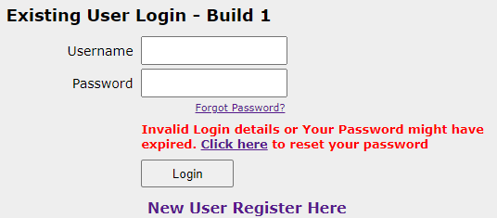
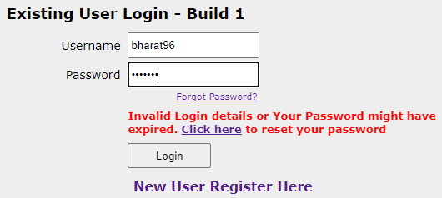
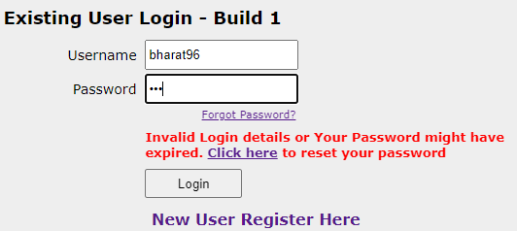
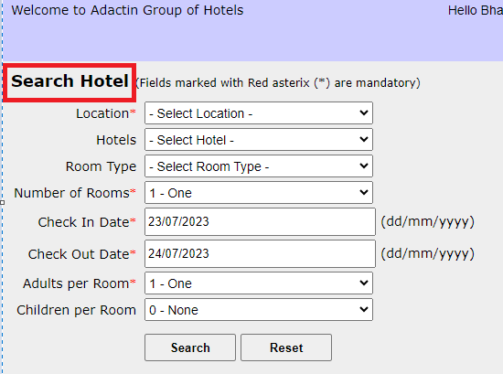
Bug/Defect

Defect ID | BUG008 | Assigned To | Dev
Status | New | Browser | chrome
Severity |  | Found in Version | 1
Priority |  | Found in Build | 1
Module | Login | Fixed in version
Reported By | Bharat | Fixed in build

Title | Adactin:Login page validation Enter Invalid password for three(3) time user account should be locked(Not working)
Description Steps To Re-Produce : 1.Launch Browser 2.Enter url 3.Enter username 4.Enter invalid password for Three-3 times 5.Click on Login button Expected Result : User account should be locked Actual Result : User account is not locked

Attachements

BUG009
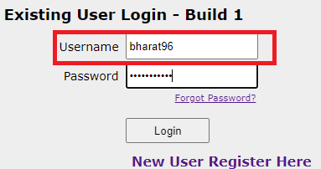
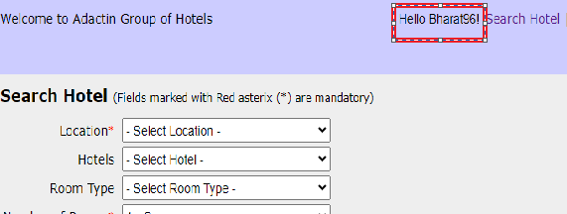
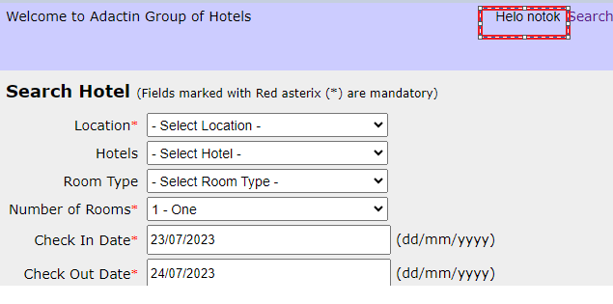
Bug/Defect

Defect ID | BUG009 | Assigned To | Dev
Status | New | Browser | chrome
Severity |  | Found in Version | 1
Priority |  | Found in Build | 1
Module | Search Hotel | Fixed in version
Reported By | Bharat | Fixed in build

Title | Adactin:Search hotel page validation of Hello User name is editable
Description Steps To Re-Produce : 1.Launch Browser 2.Enter url 3.Enter username 4.Enter password 5.Click on login button 6.Verify hello text Expected Result : user entered {username} in login page should be displayed as Hello {username} on search hotelpage Actual Result : user entered {username} in login page id displayed as Hello {username} on search hotelpage is same can be edited

Attachements

BUG011
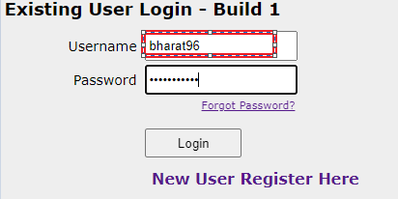
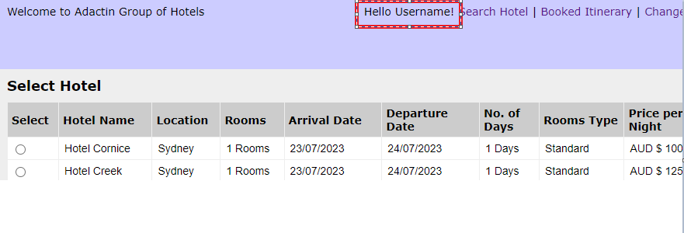
Bug/Defect

Defect ID | BUG011 | Assigned To | Dev
Status | New | Browser | chrome
Severity |  | Found in Version | 1
Priority |  | Found in Build | 1
Module | Select Hotel | Fixed in version
Reported By | Bharat | Fixed in build

Title | Adactin:Select Hotel Page Hello text validation user entered {username} in login page should be displayed as Hello {username} on select hotel page not working
Description Steps To Re-Produce : 1.Launch Browsr 2.Enter url 3.Enter username 4.Enter password 5.Click on Login button 6.Select Location 7.Select Hotel 8.Select roomtype 9.Select number of rooms 10.Enter check-in date 11.Enter check-out date 12.Select adults 13.Select children 14.Click on Search button Expected Result : user entered {username} in login page should be displayed as Hello {username} on select hotel page Actual Result : user entered {username} in login page is not displayed as Hello {username} on select hotel page

Attachements

BUG012
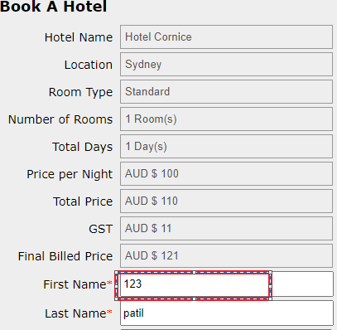
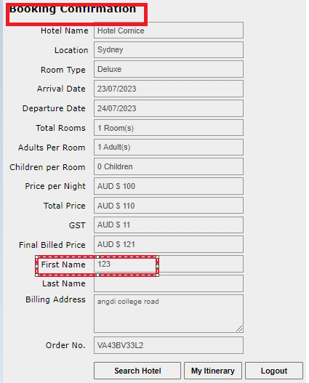
Bug/Defect

Defect ID | BUG012 | Assigned To | Dev
Status | New | Browser | chrome
Severity |  | Found in Version | 1
Priority |  | Found in Build | 1
Module | Book a hotel | Fixed in version
Reported By | Bharat | Fixed in build

Title | Adactin:Book a Hotel Page validation of text box first name (accepting first name as number)
Description Steps To Re-Produce : 1.Launch Browser 2.Enter url 3.Enter username 4.Enter password 5.Click on login button 6.Select Location 7.Select Hotel 8.Select roomtype 9.Select no of rooms 10.Enter check-in date 11.Enter check-out date 12.Select adults 13.Select children 14.Click on search button 15.Select required hotel 16.Click on Contiue button 17.Enter firstname as numbers 18.Enter lastname 19.Enter billing address 20.Enter credit card number 21.Select creditcard type 22.Select expiry date 23.Enter cvv number 24.click on booknow button Expected Result : Error message should be displayed Actual Result : Bookin Confirmation page is displayed

Attachements

BUG013
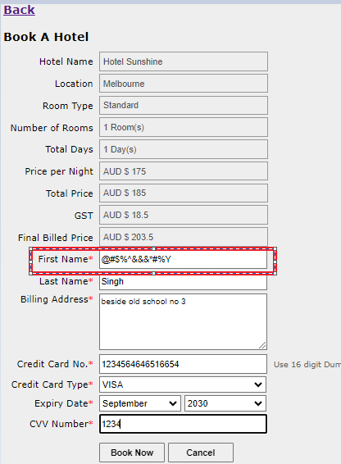
Bug/Defect

Defect ID | BUG013 | Assigned To | Dev
Status | New | Browser | chrome
Severity |  | Found in Version | 1
Priority |  | Found in Build | 1
Module | Book a hotel | Fixed in version
Reported By | Bharat | Fixed in build

Title | Adactin:Book a Hotel Page validation of text box first name (accepting First name as special character)
Description Steps To Re-Produce : 1.Launch Browser 2.Enter url 3.Enter username 4.Enter password 5.Click on login button 6.Select Location 7.Select Hotel 8.Select roomtype 9.Select no of rooms 10.Enter check-in date 11.Enter check-out date 12.Select adults 13.Select children 14.Click on search button 15.Select required hotel 16.Click on Contiue button 17.Enter firstname as special character 18.Enter lastname 19.Enter billing address 20.Enter credit card number 21.Select creditcard type 22.Select expiry date 23.Enter cvv number 24.click on booknow button Expected Result : Error message should be displayed Actual Result : Booking Confirmation page is displayed

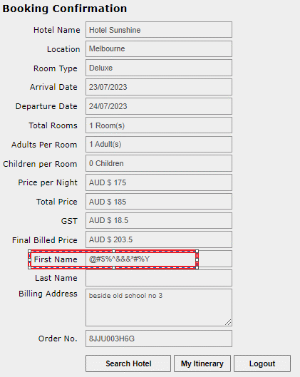
Attachements

BUG014
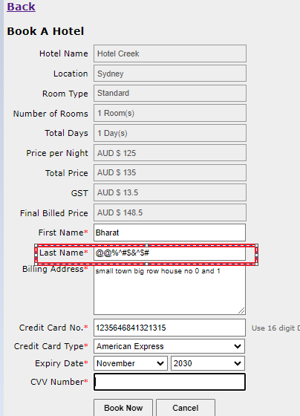
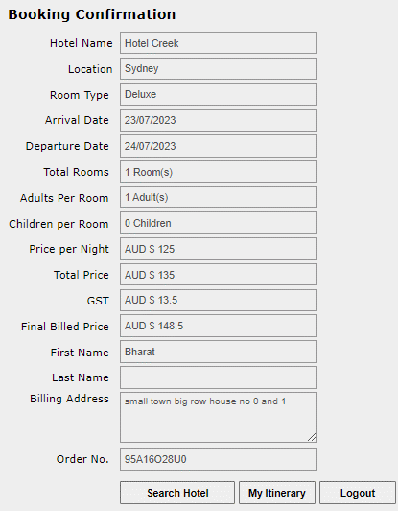
Bug/Defect

Defect ID | BUG014 | Assigned To | Dev
Status | New | Browser | chrome
Severity |  | Found in Version | 1
Priority |  | Found in Build | 1
Module | Book a hotel | Fixed in version
Reported By | Bharat | Fixed in build

Title | Adactin:Book a Hotel Page validation of text box last name (accepting Last name as special character)
Description Steps To Re-Produce : 1.Launch Browser 2.Enter url 3.Enter username 4.Enter password 5.Click on login button 6.Select Location 7.Select Hotel 8.Select roomtype 9.Select no of rooms 10.Enter check-in date 11.Enter check-out date 12.Select adults 13.Select children 14.Click on search button 15.Select required hotel 16.Click on Contiue button 17.Enter firstname 18.Enter lastname as special character 19.Enter billing address 20.Enter credit card number 21.Select creditcard type 22.Select expiry date 23.Enter cvv number 24.click on booknow button Expected Result : Error message should be displayed Actual Result : Booking Confirmation page is displayed

Attachements

BUG015
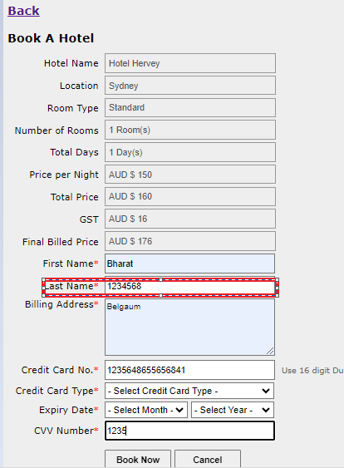
Bug/Defect

Defect ID | BUG015 | Assigned To | Dev
Status | New | Browser | chrome
Severity |  | Found in Version | 1
Priority |  | Found in Build | 1
Module | Book a hotel | Fixed in version
Reported By | Bharat | Fixed in build

Title | Adactin:Book a Hotel Page validation of text box last name (accepting Last name as number)
Description Steps To Re-Produce : 1.Launch Browser 2.Enter url 3.Enter username 4.Enter password 5.Click on login button 6.Select Location 7.Select Hotel 8.Select roomtype 9.Select no of rooms 10.Enter check-in date 11.Enter check-out date 12.Select adults 13.Select children 14.Click on search button 15.Select required hotel 16.Click on Contiue button 17.Enter firstname 18.Enter lastname as number 19.Enter billing address 20.Enter credit card number 21.Select creditcard type 22.Select expiry date 23.Enter cvv number 24.click on booknow button Expected Result : Error message should be displayed Actual Result : Booking Confirmation page is displayed

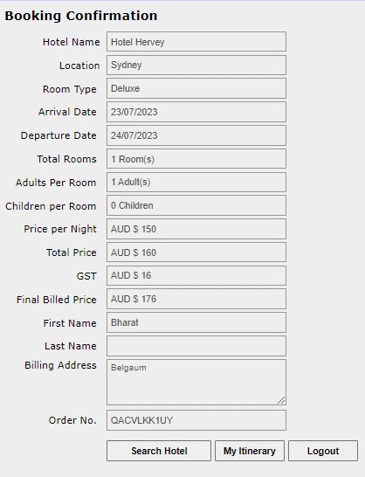
Attachements

BUG016
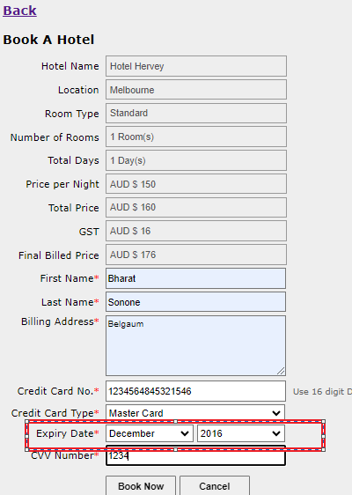
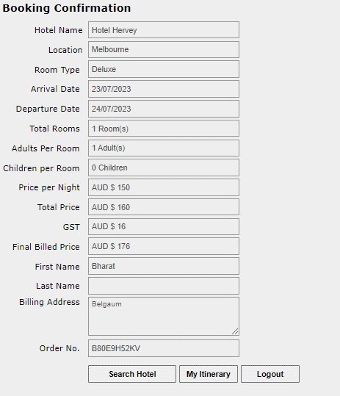
Bug/Defect

Defect ID | BUG016 | Assigned To | Dev
Status | New | Browser | chrome
Severity |  | Found in Version | 1
Priority |  | Found in Build | 1
Module | Book a hotel | Fixed in version
Reported By | Bharat | Fixed in build

Title | Adactin:Book a Hotel Page validation of Expire date (accepting Expire date as previous date)
Description Steps To Re-Produce : 1.Launch Browser 2.Enter url 3.Enter username 4.Enter password 5.Click on login button 6.Select Location 7.Select Hotel 8.Select roomtype 9.Select no of rooms 10.Enter check-in date 11.Enter check-out date 12.Select adults 13.Select children 14.Click on search button 15.Select required hotel 16.Click on Contiue button 17.Enter firstname 18.Enter lastname 19.Enter billing address 20.Enter credit card number 21.Select creditcard type 22.Select expiry date as invalid 23.Enter cvv number 24.click on booknow button Expected Result : Error message should be displayed Actual Result : Booking Confirmation page is displayed

Attachements

BUG017
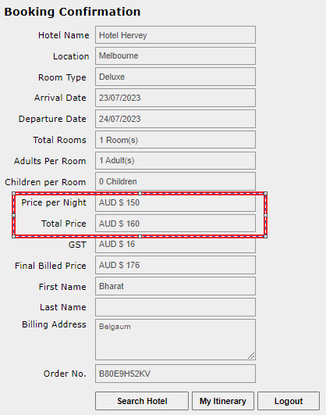
Bug/Defect

Defect ID | BUG017 | Assigned To | Dev
Status | New | Browser | chrome
Severity |  | Found in Version | 1
Priority |  | Found in Build | 1
Module | Booking conformation | Fixed in version
Reported By | Bharat | Fixed in build

Title | Adactin:Booking conformation Page Final billed price should be calculated correct(Automatically adds +10)
Description Steps To Re-Produce : 1.Launch Browser 2.Enter url 3.Enter username 4.Enter password 5.Click on login button 6.Select Location 7.Select Hotel 8.Select roomtype 9.Select no of rooms 10.Enter check-in date 11.Enter check-out date 12.Select adults 13.Select children 14.Click on search button 15.Select required hotel 16.Click on Contiue button 17.Enter firstname 18.Enter lastname 19.Enter billing address 20.Enter credit card number 21.Select creditcard type 22.Select expiry date 23.Enter cvv number 24.click on booknow button 25. Verify total price Expected Result : Error message should be displayed Actual Result : Booking Confirmation page is displayed

Attachements

BUG018
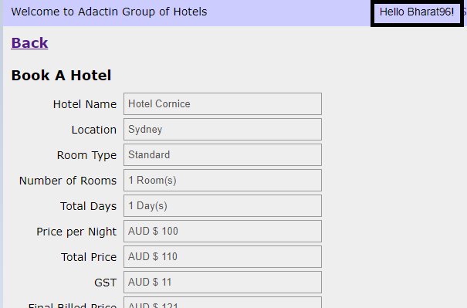
Bug/Defect

Defect ID | BUG018 | Assigned To | Dev
Status | New | Browser | chrome
Severity |  | Found in Version | 1
Priority |  | Found in Build | 1
Module | Book a hotel | Fixed in version
Reported By | Bharat | Fixed in build

Title | Adactin:Book a hotel Verify hello text (can be edited)
Description Steps To Re-Produce : 1.Launch Browser 2.Enter url 3.Enter username 4.Enter password 5.Click on login button 6.Select Location 7.Select Hotel 8.Select roomtype 9.Select no of rooms 10.Enter check-in date 11.Enter check-out date 12.Select adults 13.Select children 14.Click on search button 15.Select required hotel 16.Click on Contiue button 17.Verify Hello text in Book a hotel page Expected Result : user entered {username} in login page should be displayed as Hello {username} on Order generation page should not be edited Actual Result : user entered {username} in login page id displayed as Hello {username} on Book a hotel page is same can be editable

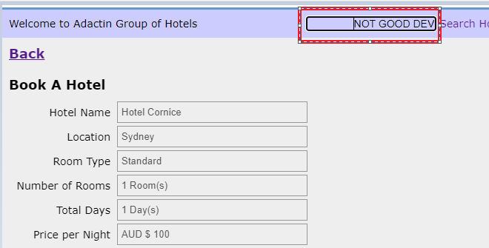
Attachements

BUG019
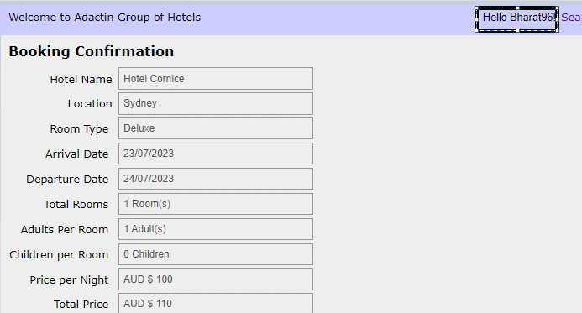
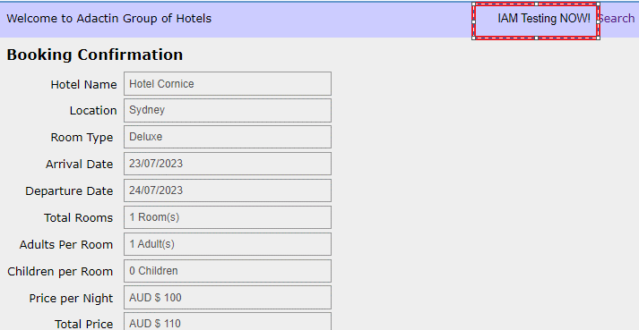
Bug/Defect

Defect ID | BUG01 | Assigned To | Dev
Status | New | Browser | chrome
Severity |  | Found in Version | 1
Priority |  | Found in Build | 1
Module | Order Genration page | Fixed in version
Reported By | Bharat | Fixed in build

Title | Adactin:Order Generation Verify hello text (can be edited)
Description Steps To Re-Produce : 1.Launch Browser 2.Enter url 3.Enter username 4.Enter password 5.Click on login button 6.Select Location 7.Select Hotel 8.Select roomtype 9.Select no of rooms 10.Enter check-in date 11.Enter check-out date 12.Select adults 13.Select children 14.Click on search button 15.Select required hotel 16.Click on Contiue button 14.Click on search button 15.Select required hotel 16.Click on Contiue button 17.Enter firstname 18.Enter lastname 19.Enter billing address 20.Enter credit card number 21.Select creditcard type 22.Select expiry date 23.Enter cvv number 24.click on booknow button 25.Verify Hello text in Order Generation page Expected Result : user entered {username} in login page should be displayed as Hello {username} on Order Generation page should not be edited Actual Result : user entered {username} in login page id displayed as Hello {username} on Book a hotel page is same can be editable

Attachements

BUG020


Bug/Defect

Defect ID | BUG20 | Assigned To | Dev
Status | New | Browser | chrome
Severity |  | Found in Version | 1
Priority |  | Found in Build | 1
Module | Booked Itinerry page | Fixed in version
Reported By | Bharat | Fixed in build

Title | Adactin:Booked Itinerry page Verify hello text (can be edited)
Description Steps To Re-Produce : 1.Launch Browser 2.Enter url 3.Enter username 4.Enter password 5.Click on Login button 6.Click on Booked Intinery page 7.verify Hello Text in Booked Intinery page Expected Result : user entered {username} in login page should be displayed as Hello {username} on Book Itineray page should not be edited Actual Result : user entered {username} in login page id displayed as Hello {username} on Book Itinerary page is same and editable

Attachements

BUG021
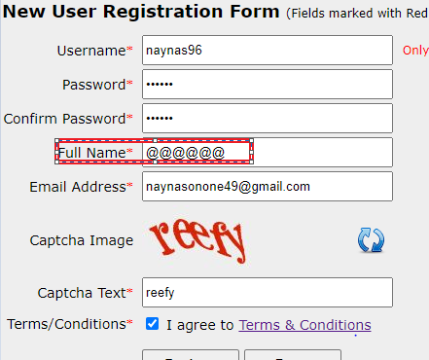

Bug/Defect

Defect ID | BUG21 | Assigned To | Dev
Status | New | Browser | chrome
Severity |  | Found in Version | 1
Priority |  | Found in Build | 1
Module | New user register page | Fixed in version
Reported By | Bharat | Fixed in build

Title | Adactin:New user register page Verify Full name[accepting special character]
Description Steps To Re-Produce : 1.Launch Browser 2.Enter url 3.Click on NewUserReg:Here 4.Verify Textboxes 4.1 username 4.2 password 4.3 confirmpassword 4.4 Enter full name as special character 4.5 email 4.6 captcha 5click on Register button Expected Result : Error message should be displayed Actual Result : conformation email recevied recevid with login details

Attachements

BUG022
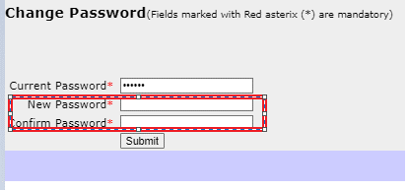
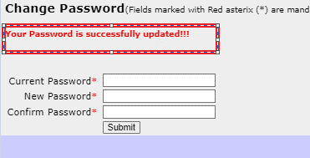
Bug/Defect

Defect ID | BUG22 | Assigned To | Dev
Status | New | Browser | chrome
Severity |  | Found in Version | 1
Priority |  | Found in Build | 1
Module | Change password | Fixed in version
Reported By | Bharat | Fixed in build

Title | Adactin:Change password verifying change passwors[accepting blank password as new password]
Description Steps To Re-Produce : 1.Launch Browser 2.Enter url 3.Enter username 4. click on change password link 5.Enter Current Password 4.Enter New password 5.Enter Confirm Password 6.click on submit Expected Result : Error message should be displayed Actual Result : conformation message recevied as Your Password is successfully updated!!!

Attachements

