Working Sheet
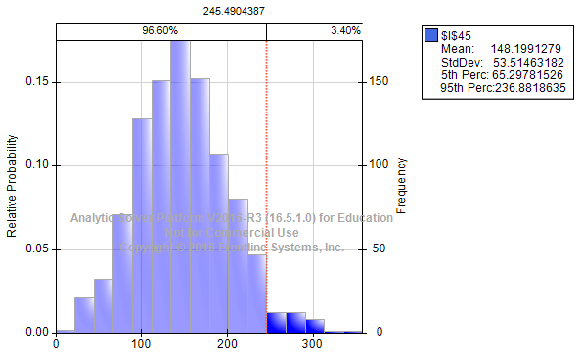
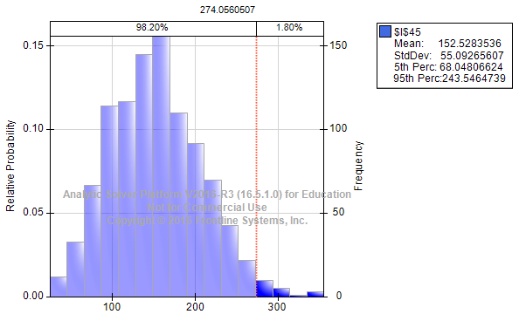
 | Upper bound
No of Homes | 100 |  |  |  |  | Success | Failure
Success (Probability of someone being at home) in Percentage | 80.00% |  |  |  |  | 80% | 20%
Female present (In Success) | 52.00% | (Since the percentage of female percent is 65) |  |  |  | 65% | 35%
Male Present(In Success) | 28.00% | (Since the percentage of male percent is 35) |  |  |  | 35%
Probability of purchase by Female | 15.60% | (Since the percentage of purchase by female is 30) |  |  |  | 30% | 70%
Probability of purchase by male | 5.60% | (Since the percentage of purchase by Male is 20) |  |  |  | 20% | 80%
Value of purchase mean (Female) | $22.00
Value of purchase Standard Deviation (Female) | $5.00
Value of purchase mean (Male) | $28.00
Value of purchase Standard Deviation (Male) | $3.00

Visits | At Home | Female | Male | Female Purchase | Male Purchase | Female Revenue | Male Revenue
1 | 0 | 0 | 0 | 0 | 0 | 0 | 0
2 | 1 | 1 | 0 | 0 | 0 | 0 | 0
3 | 1 | 0 | 1 | 0 | 0 | 0 | 0
4 | 1 | 0 | 1 | 0 | 0 | 0 | 0
5 | 1 | 1 | 0 | 0 | 0 | 0 | 0
6 | 1 | 1 | 0 | 0 | 0 | 0 | 0
7 | 0 | 0 | 0 | 0 | 0 | 0 | 0
8 | 1 | 0 | 1 | 0 | 0 | 0 | 0
9 | 0 | 0 | 0 | 0 | 0 | 0 | 0
10 | 1 | 1 | 0 | 0 | 0 | 0 | 0
11 | 1 | 0 | 1 | 0 | 0 | 0 | 0
12 | 1 | 0 | 1 | 0 | 0 | 0 | 0
13 | 1 | 1 | 0 | 0 | 0 | 0 | 0
14 | 1 | 1 | 0 | 1 | 0 | 15.855219788 | 0
15 | 0 | 0 | 0 | 0 | 0 | 0 | 0
16 | 1 | 1 | 0 | 0 | 0 | 0 | 0
17 | 0 | 0 | 0 | 0 | 0 | 0 | 0
18 | 0 | 0 | 0 | 0 | 0 | 0 | 0
19 | 1 | 1 | 0 | 1 | 0 | 15.960109436 | 0
20 | 1 | 0 | 1 | 0 | 0 | 0 | 0
21 | 1 | 1 | 0 | 0 | 0 | 0 | 0
22 | 1 | 1 | 0 | 0 | 0 | 0 | 0
23 | 1 | 1 | 0 | 0 | 0 | 0 | 0
24 | 1 | 1 | 0 | 1 | 0 | 29.222859279 | 0
25 | 0 | 0 | 0 | 0 | 0 | 0 | 0
26 | 1 | 1 | 0 | 0 | 0 | 0 | 0
27 | 1 | 0 | 1 | 0 | 0 | 0 | 0
28 | 1 | 1 | 0 | 1 | 0 | 23.21994386 | 0
29 | 1 | 0 | 1 | 0 | 1 | 0 | 24.066445332
30 | 1 | 1 | 0 | 0 | 0 | 0 | 0
 |  |  |  |  |  | 84.258132363 | 24.066445332
 |  |  |  |  | Total Revenue |  |  | 108.3245777

Plot for answer A and B |  |  |  |  |  |  | Plot for answer C

