Backward Induction Step 2
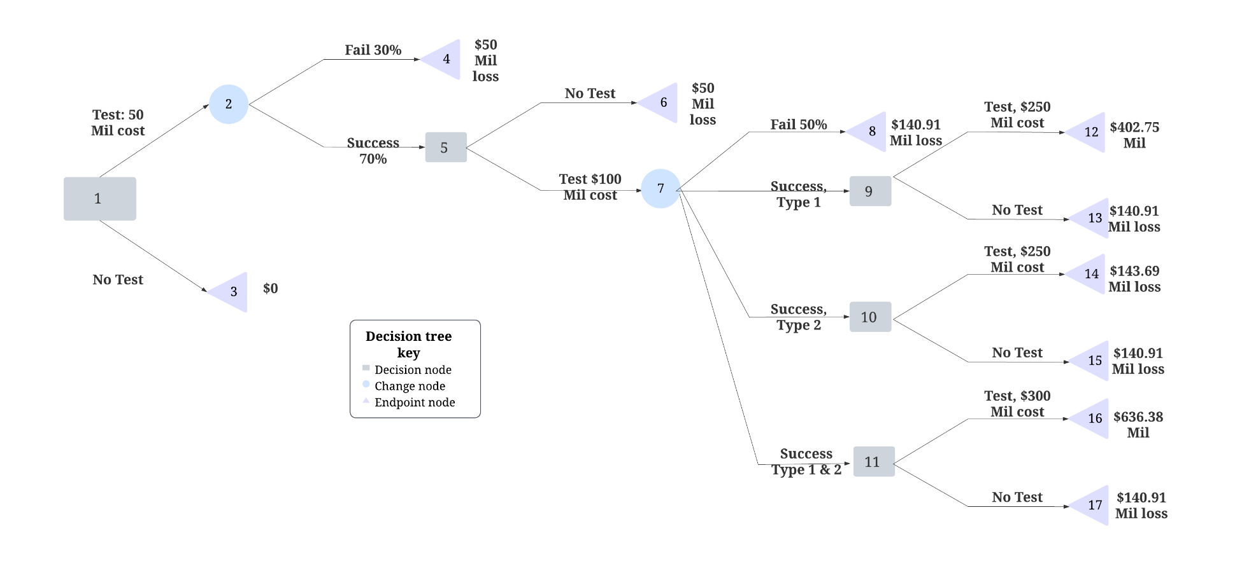

Figure 5: Backward Induction Step 2

 | Decisions/States of Nature | Success | Failure | EV
 | Develop Type 1 | $585.62M | -$328.74M | $402.75M
 | Develop Type 2 | -$97.43M | -$328.74M | -$143.69M
 | Develop Type 1 & 2 | $887.05M | -$366.30M | $636.38M
 | Quit Type 1 | $585.62M | -$328.74M | $402.75M
 | Quit Type 2 | -$97.43M | -$328.74M | -$143.69M
 | Quit Type 1 & 2 | $887.05M | -$366.30M | $636.38M
 | Probabilities | 80% | 20%

The expected values for the successful/unsuccessful pass of drugs Type 1, Type2, and Type 1&2 through the Phase 3 FDA approval are calculated. According to the decision tree (Figure 5), entering Phase 3 yields significantly higher values for Type 1 and Type 1&2 scenarios, so we opt to proceed with testing for these cases. However, for Type 2, the cost of entering Phase 3 exceeds the benefits, leading us to choose to terminate the project for Type 2.

Backward Induction Step 3
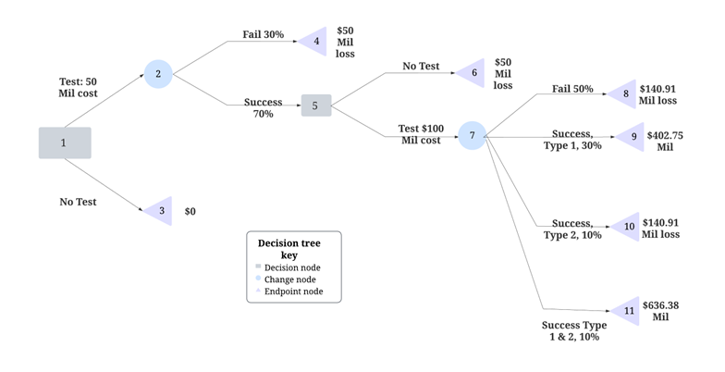

Figure 6: Backward Induction Step 3

 | Decisions/States of nature | Fail | Success, Type 1 | Success, Type 2 | Success Type 1 & 2 | EV
 | Test | -$140.91M | $402.75M | -$140.91M | $636.38M | $99.92M
 | Probabilities | 50% | 30% | 10% | 10%

Opting to proceed to Phase 3 for Type 1 and Type 1&2, while choosing to terminate the project for Type 2, results in the decision tree depicted in Figure 6. Our next step is to determine the expected value of the financial outcome associated with entering Phase 2. We choose the test option yielding $403.748 million for success type 1 and 140.909 million for success type 2, compared to a loss of 143.69 million. For success types 1 and 2, we choose 636,379,434.87 over the node test's loss of 140.909 million

Backward Induction Step 4
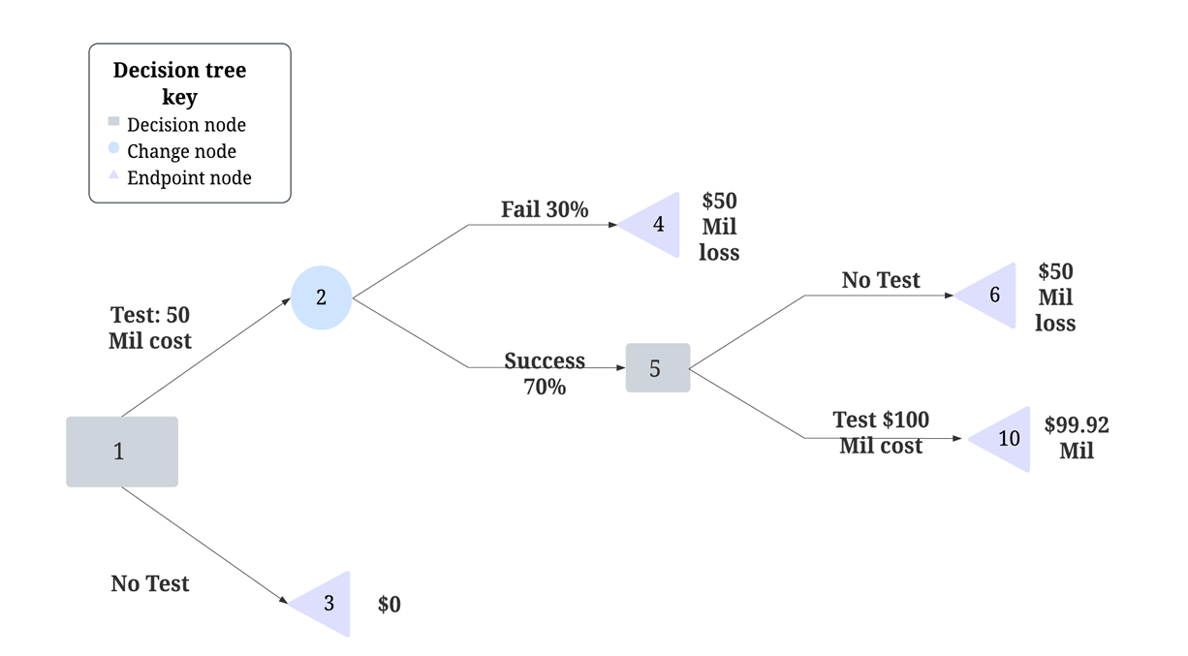

Figure 7: Backward Induction Step 4

Having determined the expected values associated with entering Phase 2, we arrive at a decision node presenting two options: proceeding to Phase 2 or discontinuing the project. Once more, entering Phase 2 proves significantly better than quitting, prompting our decision to proceed with testing.

Backward Induction Step 5
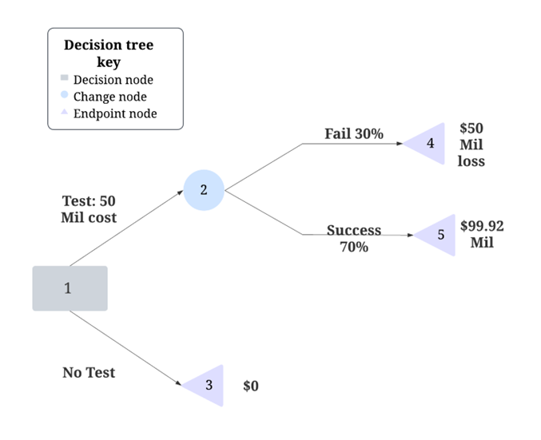

Figure 8: Backward Induction Step 5

Decision/States of Nature | Fail | Success | EV
Test | -$50.00M | $99.92M | $54.94M
Probabilities | 0.3 | 0.7

After deciding to advance to Phase 2, we encounter a chance node where it becomes imperative to determine the expected financial outcome, as depicted in Figure 8 of the decision tree.

Backward Induction Step 6
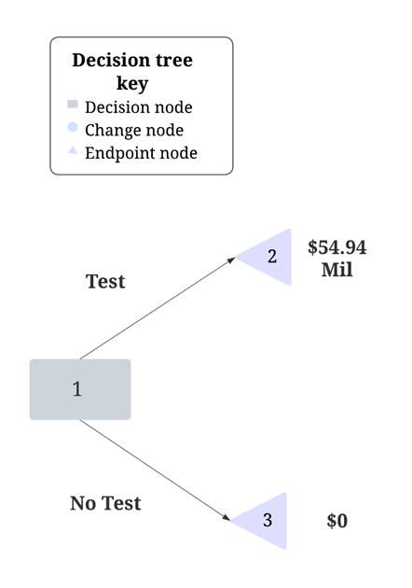

Figure 9: Backward Induction Step 6
In the final Step 6, the decision lies in opting either to proceed with the test or to halt the process. As depicted in Figure 9 of the decision tree, proceeding with the test could yield $54.94MM, while abstaining would result in zero earnings for the company.

