Sheet1
FASHION data | accuracy | Time | steps | Model
AdamOptimizer | 0.8561 | 454389 | 100 | CNN
AdagradDAOptimizer | 0.2411 | 252408 | 100
FASHION data
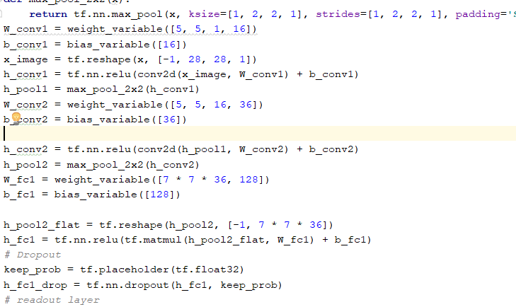
GradientDescentOptimizer | 0.1138 | 24222 | 100
AdagradOptimizer | 0.315 | 24243

