equations
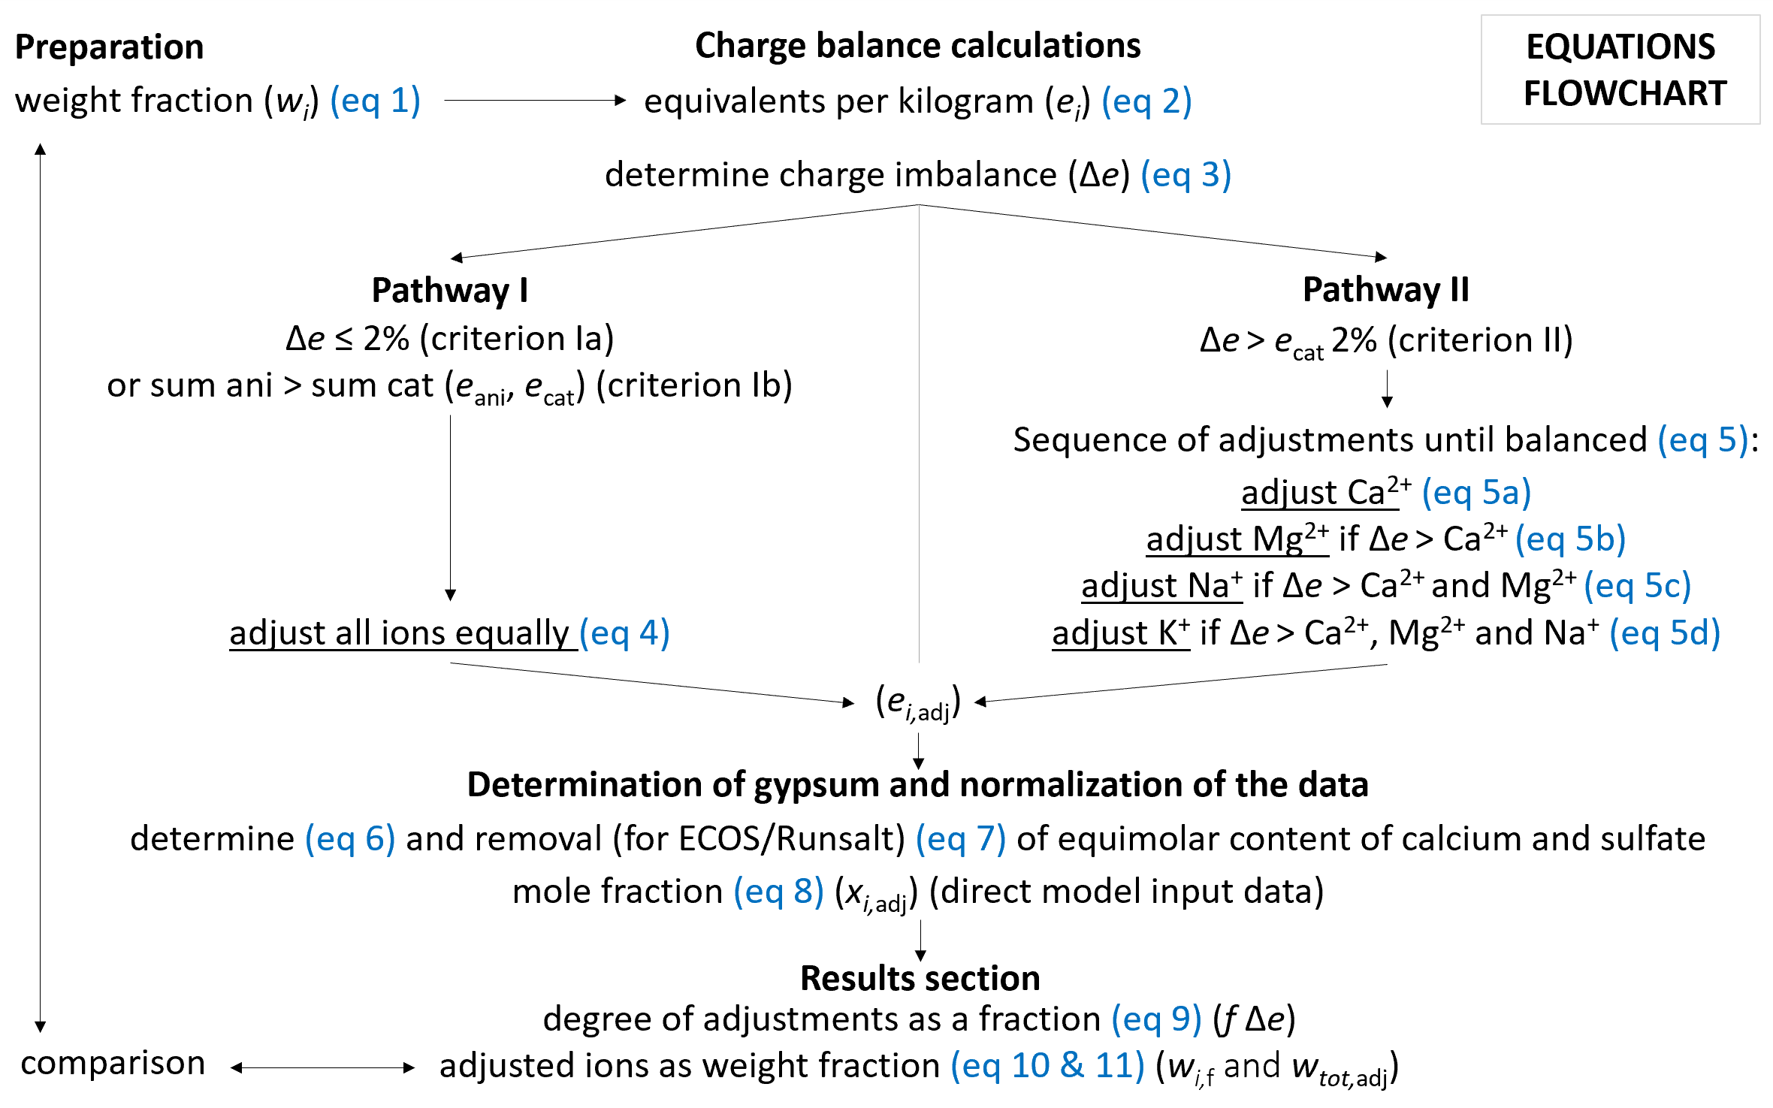
Abbreviations
wi | weight fraction of each individual ion
ci | concentration of the ion (mg/L)
Vw | volume of water (L)
ms | the dry sample mass (mg)
ei | initial amount of substance per ion (Eq/kg)
zi | absolute charge of ion
M | molar mass of ion (kg/mol)
wt.% | weight percent of ion
Δe | charge imbalance
ecat | total sum of amount of all cations
eani | total sum of amount of all anions
ei,adj | adjusted concentration of ion
ei* | the adjusted ion content (limited to 0)
Δe,I | charge imbalance related to specific ion
ei,adj | adjusted ion content
elim,CaSO4 | limited content of Ca and SO4 related to each other in Eq/kg to determine the theoretical gypsum content
eCa,adj,f | final adjusted calcium content
eSO4,adj,f | final adjusted sulfate content
xi,adj | ion values as mole fraction
f Δe | amount of substance in excess as a fraction
wi,f | final corrected amount of substance as weight fraction per individual ion in the dry sample mass
wtot,adj | total ion content adjusted as a fraction compared to the dry sample mass

