Optimizer
Optimizer
 | What is optimizer ? | It is a method of changing the attributes of the neural network such weights and learning rates in order to reduce the losses and provide most accurate results.
 | Role of optimizer | Optimizer update the weight parameters (neurons weights) to minimize the loss function
Gradient Descent with Momentum
 | Problem in standard gradient descent | In Batch Gradient Descent, It takes a whole data at once and it takes high computation. It does have minor variation. In Mini Batch Gradient Descent, It takes subset of the data but in every time in subset, it create high variation.
 | Gradient Descent with Momentum | It considers the past gradients to smooth out the update. It computes an exponentially weighted average of your gradients and then use that gradient to update your weights. It works faster than the standard gradient descent. It is
 | Maths | Basic updatation of W & B
 |  | W = W - learning rate*partial derivative of W
 |  | B = W - learning rate*partial derivative of B
 |  | In momentum, we takes exponentially weighted averages of dW & dB
 |  | V_dW = B x V_dW +(1-B) x dW
 |  | V_dB = B x V_dB +(1-B) x dB
 |  | B is a hyper parameter of momentum and range from 0 to 1.
 |  | updatation of W & B with momentum
 |  | W = W - learning rate*V_dW
 |  | B = W - learning rate*V_dB
Adaptive Gradient or Adagrade
 | What is adagrad ? | It is a optimizer with parameter specific learning rates which are adapted relative to how frequently a parameter gets updated during training. The more updates a parameters receives the smaller the learning rate

 | Why We need Adagrad ? | In NLP or image recognition, It has two feature learning stage dense and sparse Dense is most of the values in matrix is not zero Sparse is most of the values in matrix is zero
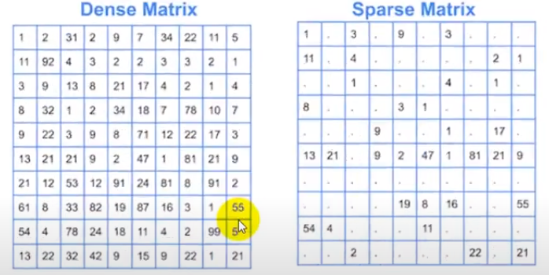

 |  | If We use GD on this data, due to most of the values are zero it will not effect and learning rate will not be positive
 |  | standard updating weights in GD:
 |  | new weight = old weight - learning rate * d_loss/d_weight
 |  | Wt = Wt-1 - learning rate * d_loss/d_weight

 |  | Updating weights in adagrade:
 |  | Wt = Wt-1 - learning rate * d_loss/d_weight
 |  | learning_rate = learning_rate / α_t + ϵ
 |  | ϵ = Epsilon is a positive number which is used if alpha_t becomes zero so epsilon positive minor value retain value of esilon in terms of higher than zero
 |  | α_t = sum((d_loss/d_weight)^2) -------------all iteration
 | Drawback | if any stage alpha become very high, learning rate will become more smaller and system stop learning. To overcome this issue this is another method is adadelta optimizer
RMSProp
 | RMSProp | It is another adaptive learning rate.
 | Root Mean Square prop | This is an improvement of adagrade
 |  | Instead of taking cumulative sum of square of gradient like sum((d_loss/d_weight)^2), We take the exponential moving average of the gradient
 |  | Here the drawback in adagrade has been fixed (drawback of alpha becomes very high and learning rate becomes very smaller in adagrade)
 | Maths | Updating weights in adagrade:
 |  | Wt = Wt-1 - learning rate * d_loss/d_weight
 |  | Updating weights in RMSPRop:
 |  | Wt = Wt-1 - alpha/√St+Epsilon * d_loss/d_weight
 |  | St = Bst +(1-B)*(d_loss/d_weight)^2
Adadelta or Adaptive Delta
 | Adadelta | Like RMSprop, it is an improved version of adagrade
 |  | It is focusing on learning rate component
 |  | Delta referse to the difference between the current weight and the newly updated weight
 | Difference in RMSProp and Adadelta | Adadelta removes the use of the learning rate parameter completely by replacing it with D(D = Exponential moving average of squared delta)
 | maths | Updating weights in Adadelta:
 |  | Wt = Wt-1 - √Dt+Epsilon/√St+Epsilon * d_loss/d_weight
 |  | St = Bst +(1-B)*(d_loss/d_weight)^2
 |  | Dt = B*Dt + (1-B)*(∆Wt)^2
 |  | ∆Wt = Wt - Wt-1-------------------diff old weight and new weights
Adam or Adaptive Moment Estimation
 | Adam | It is a combination of momentum and RMSProp

 | maths | Wt = Wt-1 - alpha/√S_t+Epsilon * V_t
 |  | V_t = Vt/1-Bt1
 |  | S_t = St/1-Bt2
 |  | Vt = B1Vt-1 + (1-b1)*d_loss/d_weight_t
 |  | St = B2St-1 + (1-b2)*(d_loss/d_weight_t)^2
 |  | with V & S initialized to zero

