EXERCISE 05
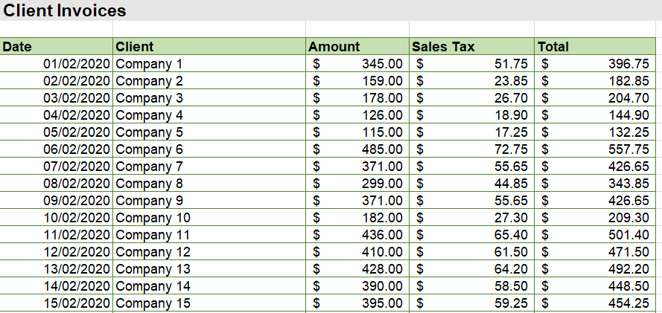
EXERCISE 05

APPLYING NUMBER FORMATS
1. Apply Short Date number formatting to column A.
2. Apply Accounting format to column C.
3. Apply Percentage format to the value in cell I4.
3. Use a formula to complete the Sales Tax in column D. Apply Accounting format.
4. Use a formula to complete the Total in column E. Apply Accounting format
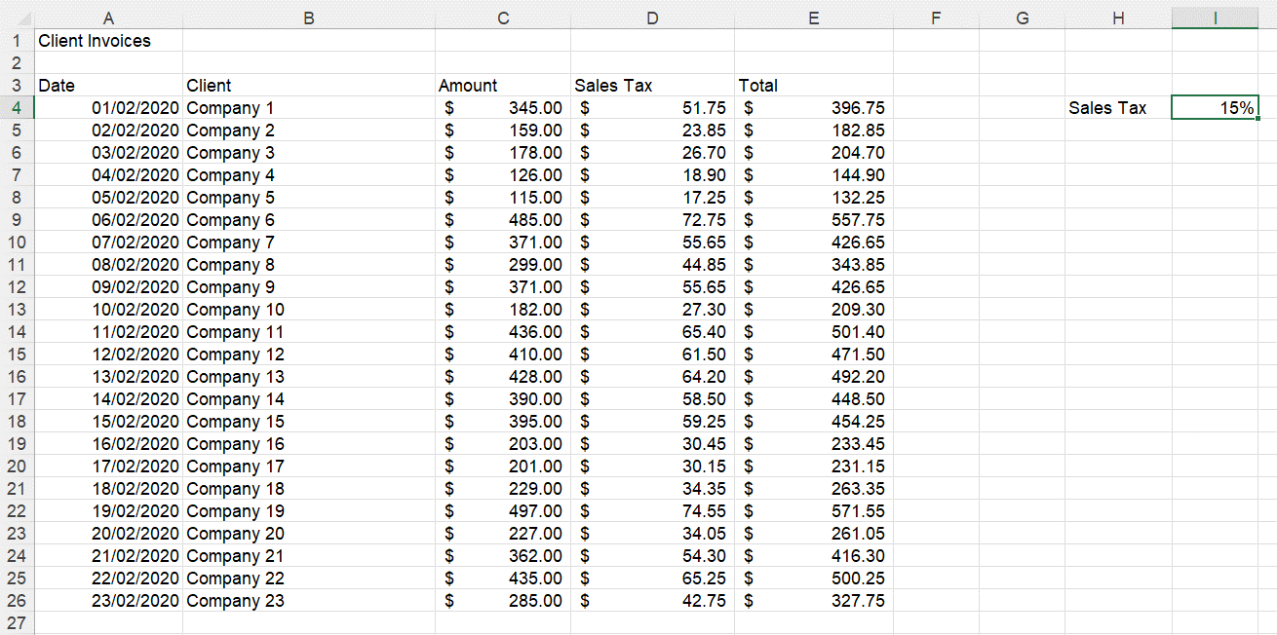

APPLYING FORMATTING
1. Apply formatting to the title (Bold, Light Grey Background Fill, Font size 14pts)
2. Apply formatting to the column headings (Bold, Light Green Background Fill)
3. Apply borders to the data (All Borders, Dark Green)

