Sheet1
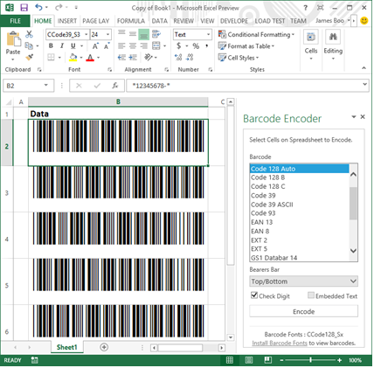
Data
12345678
23456789
34567890
45678901
56789012
67890123
78901234

Tutorial on using the Barcode App for Office 2013
1. In Excel 2013, click on the Insert tab followed by the Apps for Office button.
2. Select the "See All" option. In the Insert App dialog, enter "ConnectCode Barcode" in the Search Text box and press Enter.

3. Internet Explorer will be launched with a list of matching apps. Click on the ConnectCode Barcode Fonts Encoder.

4. You will be shown the details of the app. Click on the Add button in Internet Explorer. You may need to Sign in to your Microsoft Account.

5. A message will prompt you to confirm the addition of the app. Click on the Continue button.
 | You have added the Barcode Encoder app to your account and are now ready to insert it into Excel.
 | The steps so far will only need to be performed once. In the future, you will only need to start from the next step below.
6. Now, go back to Microsoft Excel. In the Insert App dialog, click on the OFFICE STORE link. You will be shown a list of apps that are ready to be inserted into Excel.

7. Select ConnectCode Barcode Encoder app and click on the Insert button.
8. To generate a Code 39 barcode, select the cells B1:B8 in this spreadsheet above. On the Barcode Encoder app, select the Code 39 barcode and click on the Encode button.
9. Finally, select cells B2 to B8, set the Font to CCode39_S3 and the Font Size to 24.
You can proceed to print the barcodes and scan them using a barcode scanner. You can also choose to encode other types of barcodes but remember to use the appropriate fonts.

