Sheet2
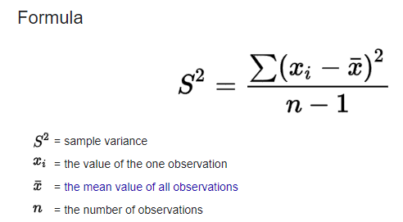
Drug A | Drug B | Drug C
100.07 | 90.54 | 108 | -7.54 | 56.8516 | Anova: Single Factor
90.6 | 105.05 | 107.25 | -17.01 | 289.3401
103.45 | 84.15 | 92.46 | -4.16 | 17.3056 | SUMMARY
95.7 | 83.18 | 105.31 | -11.91 | 141.8481 | Groups | Count | Sum | Average | Variance
110 | 92.35 | 83.27 | 2.39 | 5.7121 | Drug A | 8 | 860.88 | 107.61 | 151.16757143
125.28 | 100 | 100.48 | 17.67 | 312.2289 | Drug B | 8 | 721.05 | 90.13125 | 82.263583929
121.32 | 88.45 | 80.24 | 13.71 | 187.9641 | Drug C | 8 | 774.09 | 96.76125 | 113.82878393
114.46 | 77.33 | 97.08 | 6.85 | 46.9225

 |  |  |  |  | ANOVA
 |  |  |  |  | Source of Variation | SS | df | MS | F | P-value | F crit
 |  |  |  |  | Between Groups | 1245.757275 | 2 | 622.8786375 | 5.3810869067 | 0.012979121723 | 3.4668001115
 |  |  |  |  | Within Groups | 2430.819575 | 21 | 115.7533131

 |  |  |  |  | Total | 3676.57685 | 23
 |  |  | 151.16757143

