Sheet1
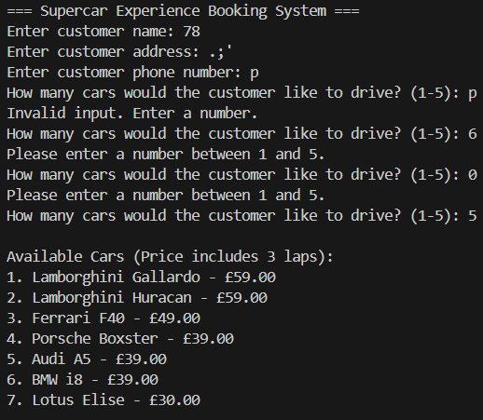
Test number | Purpose of test | Test data | Expected results | Actual results | Comments
1 | Test that customer name validates to a valid name format. | 78 | Name not valid try again. | Accepted input | The customer name should be validated to check that only alphabetic characters are used.
2 | Test that name doesn't take special characters (,.:"£$%^&*/'\`[](){}) as input | ;/)',. | Name not valid try again. | Accepted input | Same solution as above, check only alphabetic characters are used.
3 | Test normal name acceptance | Josh Keeley | Accepted input | Accepted input | This is a good representation of the data being handled correctly
4 | Test that customer address validates to a valid address format, ensuring that there is a space inbetween letters and numbers. | 78l | Enter a valid address | Accepted input | The address should be validated to check that a whitespace character is present between alphabetic and numeric characters.
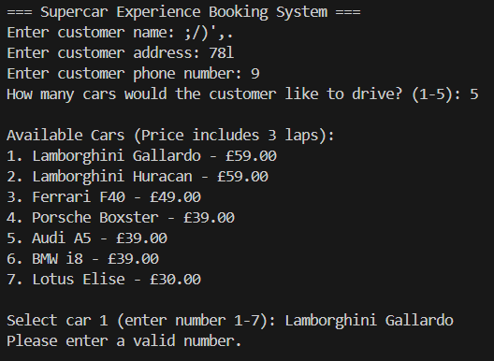
5 | Test that address doesn't take special characters (,.:"£$%^&*/'\`[](){}) as input | .;' | Enter a valid address | Accepted input | The address should be validated to check that only alphabetic and numeric characters are used.
6 | Test normal address acceptance | 8 Oaklands Drive, Ipsum Town, Loremshire, Dolorland, IP6 7OA | Accepted input | Accepted input | This is a good representation of the data being handled correctly
7 | Test that the phone number takes a valid length number (11 or 13 characters) | 9 | Enter a valid phone number | Printed bill | The phone number input should check that the required length of characters is used for a valid phone number
8 | Test that the phone number takes a valid length number (11 or 13 characters) | p | Enter a valid phone number | Accepted input | The phone number input should check that the required length of characters is used for a valid phone number
9 | Test that the phone number takes a valid length number (11 or 13 characters) | £$%^& | Enter a valid phone number | Printed bill | The phone number input should check that the required length of characters is used for a valid phone number | 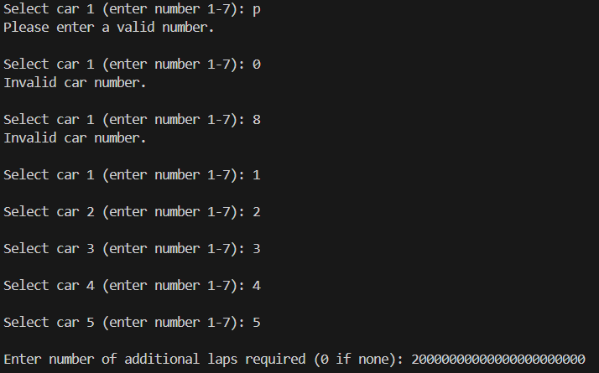
10 | Check that a valid number of cars is taken | p | Invalid input. Enter a number. | Invalid input. Enter a number. | This is good data validation
11 | Check that a valid number of cars is taken | 0 | Please enter a number between 1 and 5. | Please enter a number between 1 and 5. | This is good data validation
12 | Check that a valid number of cars is taken | 6 | Please enter a number between 1 and 5. | Please enter a number between 1 and 5. | This is good data validation
13 | Check that a valid number of cars is taken | 1 | Accepted input | Accepted input | This is a good representation of the data being handled correctly
14 | Check that the selected car can be validate against alphabetic characters | p | Please enter a valid number. | Please enter a valid number. | This is good data validation
15 | Check that the selected car can be validate against numeric values out of range | 0 | Invalid car number. | Invalid car number. | This is good data validation
16 | Check that the selected car can be validate against numeric values out of range | 8 | Invalid car number. | Invalid car number. | This is good data validation
17 | Check if car can be selected using name | Lamborghini Gallardo | Accepted input | Please enter a valid number. | Some users may prefer to use the name of the car to input their choice
18 | Excessive addition laps | 2000000000 | Please pick a reasonable amount of additional laps | Accepted input | A driver would not reasonably drive that many additional laps, so there should be an upper limit
Analysis

While the system works as expected in expected use-cases, in unexpected use-cases, such as invalid phone number inputs, excessive additional laps, and users wishing to enter the name of the car to try instead of number, the system doesn't act as expected, either rejecting or accepting the abnormal data. As a result, the user may require basic training, which would be expected by the client due to employee use only, however the system should still account for unexpected data inputs in order to reduce human error (i.e. missing one digit from the phone number)

