Sheet1
Manual Testing Assesment
Test scenario of Jpetstore application
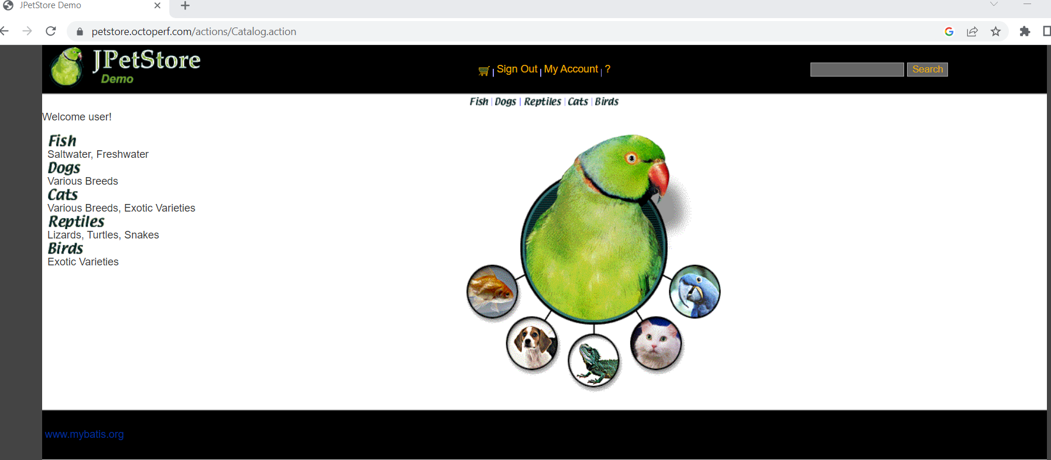
Test scenario_ID | Test scenario
1 | Verify that URL of this application is working or not
2 | Verify that contact us option is working proper or not.
3 | Verify that add to card option is available.
4 | Verify that name logo of the the application is present.
5 | Verify that user can add one or more product in cart.
6 | Verify that pet image icon is available on this application
7 | Verify that sign in option is available.
8 | Verify that All the mandatory fields are present for sign in.
9 | Verify that different categories of pets are available on this application.
10 | Verify that search option is working proper or not.
11 | Verify that after click on the pet icon image pets description should open.
12 | Verify that login option is working proper or not.
13 | Verify the payment method of buying product .
14 | Verify that user can sign in and sign out functionality of application.

