A̳ssets



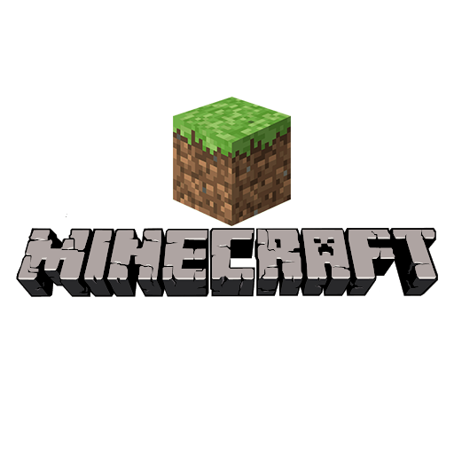
Paleta de Cores

# a6c9ec | Menus | # E8E6E9 | negative zone

Logos |  |  |  | ícones

D̳ashboard
 | Xbox Game Pass Subscriptions Sales

Bem vinda, Bia!
 | Total Subscriptions EA Play Season Pass |  | Total Subscriptions Minecraft Season Pass

 |  | R$ 600.00 |  | R$ 920.00

Total de vendas anual
Subscription Type | Annual

Auto Renewal | Soma de Total Value
No | R$ 217.00
Yes | R$ 1,522.00
Total Geral | R$ 1,739.00

Total de assinaturas do EA Play
Subscription Type | Annual

Plan | Soma de EA Play Season PassPrice
Core | 0
Standard | 0
Ultimate | 600
Total Geral | 600

Total de assinaturas do Minecraft Season Pass
Subscription Type | Annual

Plan | Soma de EA Play Season PassPrice
Core | 0
Standard | 0
Ultimate | 600
Total Geral | 600

