OrgRC
UNIT DESCRIPTION
The OrgRC is a scalable utility unit designed to convert thermal energy into electricity. The organic working fluid is pumped to a waste heat recovery boiler where it is heated and evaporated. It then expands through a turbine before passing through a condenser to return to a liquid state.

UNIT NAME | MINIMUM CAPACITY MULT | MAXIMUM CAPACITY MULT | Compare Fmin and Fmax to define if it scalable of fixed, if fixed Fmin=Fmax=Fmult
OrgRC | 0 | 100000

CONNECTORS DESCRIPTION
The system's primary output is electrical power. It generates a net flow of 34.03 kW of electricity.

The declared connectors within the units can be a mix of external and internal connectors
Fetch the intensive properties from the connectors tab
CONNECTORS
NAME (ALIAS) | TYPE | DIRECTION | FLOW VALUE | FLOW UNIT | TEMPERATURE VALUE | TEMPERATURE UNIT | PRESSURE VALUE | PRESSURE UNIT | VAPOR FRACTION [MASS] | PHASE | COMPOSITION [MOLE/MASS] | REFERENCE STREAM | DESCRIPTION
Electricity | ELECTRICITY | OUT | 34.03 | kW | - | - | - | - | - | - | - | Yes | Net power generation

HEAT STREAMS DESCRIPTION |  |  |  |  |  | -
Thermal flows representing heating (e.g., vaporization) and cooling (e.g., condensation) stages, used to balance cycle energy and optimize waste heat recovery. |  |  |  |  |  | -

HEAT STREAMS
NAME | TYPE | INLET TEMPERATURE VALUE | INLET TEMPERATURE UNIT | OUTLET TEMPERATURE VALUE | OUTLET TEMPERATURE UNIT | INLET ENTHALPY FLOW VALUE | INLET ENTHALPY FLOW UNIT | OUTLET ENTHALPY FLOW VALUE | OUTLET ENTHALPY FLOW UNIT | SPEC HEAT CAP VALUE | SPEC HEAT CAP UNIT | MASS FLOW VALUE | MASS FLOW UNIT | DTMIN CONTR VALUE | DTMIN CONTR UNIT | HEAT TRANSFER COEF VALUE | HEAT TRANSFER COEF UNIT | HEAT CASCADE | REFERENCE STREAM | DESCRIPTION
hex1 | Hot | 115.7 | °C | 241.4 | °C | 81.13 | kW | 0.00 | kW | 7.12 | kJ/kgK | 326.24 | kg/h | 2 | K | 1.00 | kW/m2K | DEFAULT | No | Waste heat recovery boiler
hex2 | Hot | 241.2 | °C | 241.2 | °C | 69.20 | kW | 0.00 | kW | 763.61 | kJ/kg | 326.24 | kg/h | 2 | K | 1.00 | kW/m2K | DEFAULT | No | Vaporization
hex3 | Cold | 178.3 | °C | 115.0 | °C | 0.00 | kW | 12.62 | kW | 2.20 | kJ/kgK | 326.24 | kg/h | 2 | K | 1.00 | kW/m2K | DEFAULT | No | First process heat exchanger
hex4 | Cold | 115.0 | °C | 115.0 | °C | 0.00 | kW | 45.36 | kW | 500.54 | kJ/kg | 326.24 | kg/h | 2 | K | 1.00 | kW/m2K | DEFAULT | No | Condensation
hex5 | Cold | 125.3 | °C | 34.2 | °C | 0.00 | kW | 18.67 | kW | 2.26 | kJ/kgK | 326.24 | kg/h | 2 | K | 1.00 | kW/m2K | DEFAULT | No | Second process heat exchanger
hex6 | Cold | 34.2 | °C | 34.2 | °C | 0.00 | kW | 62.15 | kW | 685.82 | kJ/kg | 326.24 | kg/h | 2 | K | 1.00 | kW/m2K | DEFAULT | No | Condensation
hex7 | Hot | 34.2 | °C | 115.0 | °C | 22.51 | kW | 0.00 | kW | 3.07 | kJ/kgK | 326.24 | kg/h | 2 | K | 1.00 | kW/m2K | DEFAULT | No | Preheater

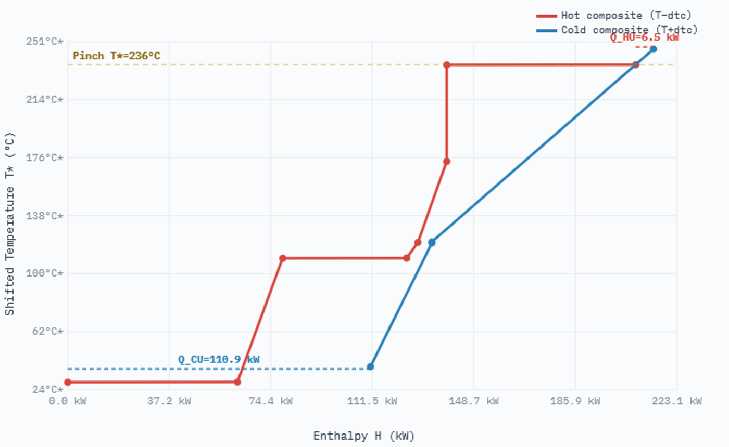
EQUIPMENTS DESCRIPTION |  |  |  |  |  | -
Physical system assets (e.g., the ORC unit) defining financial parameters like lifetime, interest rate, and total investment cost (CAPEX) for economic calculations.

EQUIPMENTS |  |  |  |  |  |  | Obtain investment from equipments cost database, which already provides the application range
NAME | TYPE | SUBTYPE | REFERENCE | PARAMS | VALUE
RankineCycle | Asset | Organic Rankine Cycle | @Florez-Orrego et al | Lifetime | 40 | -
 |  |  |  | Interest rate | 0.06 | %
 |  |  |  | Total investment cost | 34034.3 | Eur
 |  |  |  | CEPCI 2008 | 575.4 | -

OPERATING COST DESCRIPTION
The fixed and variable operating costs includes manpower, fixed cost of operation, taxes etc.

The variable operating cost is calculated by multiplying the specific operating cost [EUR/kWh or EUR/kg] and reference capacity [kW or kg/h]
FIXED OPERATING COST [EUR/y] | VARIABLE OPERATING COST [EUR/h]
0 | 0

DOCUMENTATION
1. System Overview
The Organic Rankine Cycle (ORC) is a variation of the Rankine cycle that utilizes an organic, high-molecular-mass fluid. Because these fluids have lower vaporization temperatures than water, they enable heat recovery from low-temperature sources such as biomass combustion, industrial waste heat, and geothermal reservoirs.
This low-temperature heat is converted into useful mechanical work, which is subsequently transformed into electricity.

2. Working Principle
The cycle follows four primary stages:
• 1-2: Isentropic compression in a pump.
• 2-3: Constant pressure heat addition in a boiler (waste heat recovery).
• 3-4: Isentropic expansion in a turbine (power generation).
• 4-1: Constant pressure heat rejection in a condenser.
In real-world applications, irreversibilities during expansion and pressure drops in heat exchangers reduce the theoretical efficiency.

3. Key Performance Indicators
Net Power Generation (W_bal): 34.03 kW
Total Turbine Power (TURB1 + TURB2): 34.68 kW
Annualized Investment Cost: 2,343.74 Euro/year
Project Life Cycle: 40 years at 6% interest rate.

4. Model Parameters
Temperature inlet of the waste heat recovery boiler: 115.70 °C
Temperature outlet of the waste heat recovery boiler: 241.40 °C
Heating requirement for increasing the toluene temperature up to the saturation value (115.7 to 241.4 C): 81.13 kW
Vaporization enthalpy of toluene at 241.4 C: 69.20 kW
Vaporization temperature of toluene: 241.20 °C
Power generation in the first expansion stage: 22.11 kW
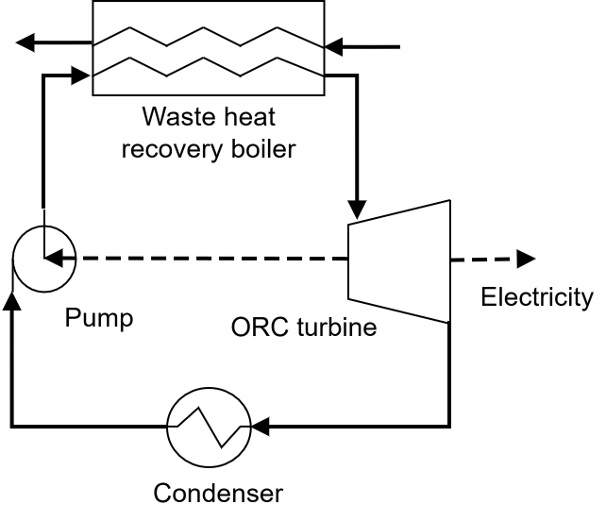
Temperature inlet of the process heat exchanger: 178.30 °C
Temperature outlet of the process heat exchanger: 115.00 °C
Heat supply to process heat exchanger (178.3C to 115C): 12.62 kW
Cp of toluene at 150C: 2.20 kJ/kgK
Condensation enthalpy of toluene at 115 C: 45.36 kW
Condensation temperature of toluene: 115.00 °C
Power generation in the second expansion stage: 12.57 kW
Temperature inlet of the second process heat exchanger: 125.30 °C
Temperature outlet of the second process heat exchanger: 34.18 °C
Heat supply to process heat exchanger (125.3C to 34.18C): 18.67 kW
Condensation enthalpy of toluene at 34.18 C: 62.15 kW
Condensation temperature of toluene: 34.18 °C
Power consumed in the first pump: 0.62 kW
Power consumed in the second pump: 0.03 kW
Temperature inlet of the toluene preheater: 34.22 °C
Temperature outlet of the toluene preheater: 115.00 °C
Heating requirement for increasing the toluene temperature up to 115C: 22.51 kW
Minimum temperature difference contribution: 2.00 °C
Lifetime of an ORC: 40.00 year
Interest rate: 0.06 -
Net power generation: 34.03 kW
Annualized investment cost for 2020: 2,343.74 eur/y

5. References
[1] Pardeep Garg, Matthew S. Orosz, Pramod Kumar,Thermo-economic evaluation of ORCs for various working fluids,Applied Thermal Engineering,Volume 109, Part B,2016,Pages 841-853,ISSN 1359-4311,https://doi.org/10.1016/j.applthermaleng.2016.06.083; [2] Turton et al, 2012; [3] Bruno et al, 1998.

