Carbonation
UNIT DESCRIPTION
Direct aqueous carbonation stage where CO2 is chemically sequestered into activated serpentine within a high-pressure slurry reactor.

UNIT NAME | MINIMUM CAPACITY MULT | MAXIMUM CAPACITY MULT | Compare Fmin and Fmax to define if it scalable of fixed, if fixed Fmin=Fmax=Fmult
carbonation | 0 | -

CONNECTORS DESCRIPTION
Interface for CO2 and mineral feeds, chemical solvents (NaCl/NaHCO3), electrical power for processing, and final solid mineral products.

The declared connectors within the units can be a mix of external and internal connectors
Fetch the intensive properties from the connectors tab
CONNECTORS
NAME (ALIAS) | TYPE | DIRECTION | FLOW VALUE | FLOW UNIT | TEMPERATURE VALUE | TEMPERATURE UNIT | PRESSURE VALUE | PRESSURE UNIT | VAPOR FRACTION [MASS] | PHASE | COMPOSITION [MOLE/MASS] | REFERENCE STREAM | DESCRIPTION
PreT_Serp | MASS | in | 2.86 | t/h | 155 | °C | 1 | bar | -1 | (S) | Serpentine[1.0] | No | Activated/Preheated ore
CO2_Min | MASS | in | 1 | t/h | 144 | °C | 140 | bar | 1 | (V) | CO2[1.0] | Yes | Compressed/heated CO2 for mineralization conditions
MgCO3 | MASS | out | 1.916 | t/h | 25 | °C | 1 | bar | -1 | (S) | MgCO3[1.0] | No | Produced magnesite
SiO2 | MASS | out | 0.91 | t/h | 25 | °C | 1.00 | bar | -1 | (S) | SiO2[1.0] | No | Produced silica
NaCl | MASS | in | 0.4067 | t/h | 25 | °C | 1.00 | bar | -1 | (L) | NaCl[1.0] | No | NaCl for solvent
NaHCO3 | MASS | in | 0.3738 | t/h | 25 | °C | 1.00 | bar | -1 | (L) | NaHCO3[1.0] | No | NaHCO3 for solvent
Elec | ELECTRICITY | in | 53 | - | - | - | - | - | - | - | - | No | Solid liquid separation power consumption, e.g. hydrocyclone

HEAT STREAMS DESCRIPTION
Thermal energy released by the exothermic carbonation reaction and the sensible heat recovered from cooling the mineral products.

HEAT STREAMS
NAME | TYPE | INLET TEMPERATURE VALUE | INLET TEMPERATURE UNIT | OUTLET TEMPERATURE VALUE | OUTLET TEMPERATURE UNIT | INLET ENTHALPY FLOW VALUE | INLET ENTHALPY FLOW UNIT | OUTLET ENTHALPY FLOW VALUE | OUTLET ENTHALPY FLOW UNIT | SPEC HEAT CAP VALUE | SPEC HEAT CAP UNIT | MASS FLOW VALUE | MASS FLOW UNIT | DTMIN CONTR VALUE | DTMIN CONTR UNIT | HEAT TRANSFER COEF VALUE | HEAT TRANSFER COEF UNIT | HEAT CASCADE | REFERENCE STREAM | DESCRIPTION
qt_carbonation | Hot | 155.0 | °C | 155.0 | °C | 1116.31 | kW | 0.00 | kW | 866.54 | kJ/kg | 4.6376428571 | t/h | 5 | K | 1 | kW/m2K | DEFAULT | No | Exothermic heat of reaction
qt_MgCO3_cooling | Hot | 155.0 | °C | 25.0 | °C | 108.60 | kW | 0.00 | kW | 1.57 | kJ/kgK | 1.916 | t/h | 5 | K | 1 | kW/m2K | DEFAULT | No | Cooling of MgCO3 from reactor temperature to 25°C
qt_SiO2_cooling | Hot | 155.0 | °C | 25.0 | °C | 108.60 | kW | 0.00 | kW | 3.30 | kJ/kgK | 0.91 | t/h | 5 | K | 1 | kW/m2K | DEFAULT | No | Cooling of SiO2 from reactor temperature to 25°C

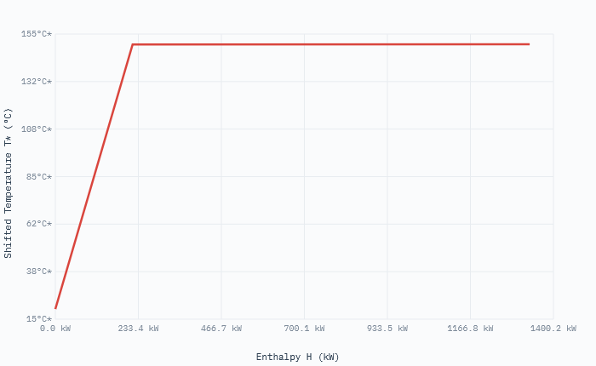
EQUIPMENTS DESCRIPTION
Primary capital assets including the high-pressure stirred-tank reactor, hydrocyclones for separation, and product discharge coolers.

EQUIPMENTS |  |  |  |  |  |  | Obtain investment from equipments cost database, which already provides the application range
NAME | TYPE | SUBTYPE | REFERENCE | PARAMS | VALUE | UNIT
Carbonation_Reactor | Asset | Pressure Vessel (Stirred) | @Huijgen et al. [3] | Specific investment cost | 58400 | eur/tpd
 |  |  |  | Reference CO2 Load | 1 | t/h
 |  |  |  | Annualization factor | 0.078 | -
Post_Processor | Asset | Hydrocyclone / Filter | @Internal | Specific investment cost | 450 | eur/kW
 |  |  |  | Power consumption | 53 | kW
 |  |  |  | Annualization factor | 0.078 | -
Product_Coolers | Asset | Slurry Heat Exchanger | @Peters & Timmerhaus | Specific investment cost | 12000 | eur/unit
 |  |  |  | Cooling Duty (Qo) | 108.6 | kW
 |  |  |  | Annualization factor | 0.078 | -

OPERATING COST DESCRIPTION
The fixed and variable operating costs includes manpower, fixed cost of operation, taxes etc.

The variable operating cost is calculated by multiplying the specific operating cost [EUR/kWh or EUR/kg] and reference capacity [kW or kg/h]
FIXED OPERATING COST [EUR/y] | VARIABLE OPERATING COST [EUR/h]
0 | 0

DOCUMENTATION
1. System Overview
The CCS_Serp_Reaction model simulates a direct aqueous carbonation process. It receives pressurized $CO_2$ and thermally activated Serpentine to produce stable magnesium carbonates and silica.
The process operates in a slurry phase using a sodium chloride ($NaCl$) and sodium bicarbonate ($NaHCO_3$) buffer to enhance mineral dissolution and carbonation rates.

2. Carbonation Unit
The main unit where the exothermic reaction occurs at 155°C. Reaction efficiency is currently modeled at 74%.
Electricity for agitation and solid-liquid separation (post-processing) is estimated at 53 kW.

3. Technical Summary
Reaction Enthalpy: The process is strongly exothermic, releasing 1,116 kW of thermal energy at high temperature (155°C).
Mass Balance: For every 1 ton of CO2 mineralized, approximately 2.86 tons of activated serpentine are required.
Byproducts: The system yields 1.92 t/h of MgCO3 and 0.91 t/h of Silica ($SiO_2$).

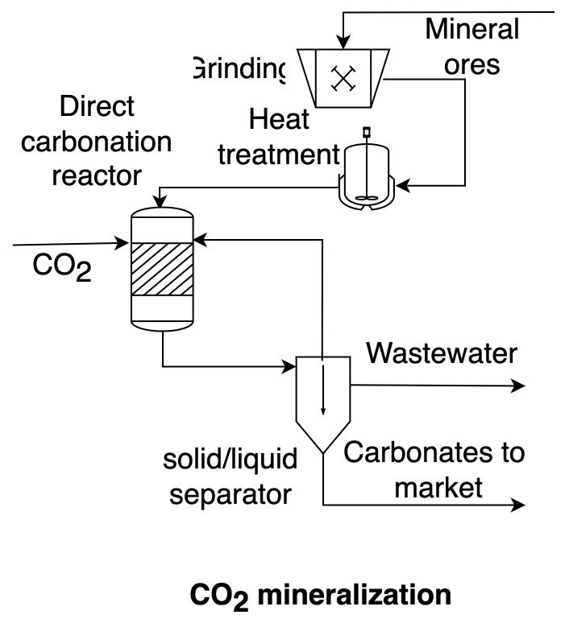
4. Key Model Parameters
Direct carbonation reactor temperature: 155.00 C
Mass flow rate of CO2 to mineralization reactor: 0.86 ton/h
Exothermic heat of carbonation reaction: 1,116.31 kW
Cooling duty for minerals leaving reactor: 108.60 kW
Direct carbonation reactor efficiency: 0.74 %
Serpantine mass requirements for carbonation reaction based on stoichiometric ratio corrected by efficiency: 2.86 t/h
MgCO3 produced: 1.92 t/h
SiO2 produced: 0.91 t/h
NaCl consumed: 0.41 t/h
NaHCO3 consumed: 0.37 t/h
Solid liquid separation power consumption: 53.00 kW
Annualized variable investment cost of direct carbonation reactor: 105,705.20 Eur/y

5. References
[1] R. Castro-Amoedo, J. Granacher, M. Abou Daher and F. Marechal, Energy Environ. Sci., 2023, DOI:10.1039/D3EE01803B ; [2] Ostovari et al. (Bardow) - Rock ‘n’ use of CO2: carbon footprint of carbon capture and utilization by mineralization, Sustainable Energy and Fuels, Issue 9, 2020; Sipila, S. Teir, and R. Zevenhoven, “Carbon dioxide sequestration by mineral carbonationliterature review update 2007 ; [3] W.J.J. Huijgen et al. / Energy Conversion and Management 48 (2007) 1923–1935 [3] W.J.J. Huijgen et al. / Energy Conversion and Management 48 (2007) 1923–1935

