CO2_PreT
UNIT DESCRIPTION
Multistage compression and intercooling system to bring CO2 from ambient conditions to mineralization pressure (140 bar).

UNIT NAME | MINIMUM CAPACITY MULT | MAXIMUM CAPACITY MULT | Compare Fmin and Fmax to define if it scalable of fixed, if fixed Fmin=Fmax=Fmult
CO2_PreT | 0 | 10000

CONNECTORS DESCRIPTION
Interface points for raw CO2 feed, pressurized CO2 delivery to the reactor, and electrical power supply.

The declared connectors within the units can be a mix of external and internal connectors
Fetch the intensive properties from the connectors tab
CONNECTORS
NAME (ALIAS) | TYPE | DIRECTION | FLOW VALUE | FLOW UNIT | TEMPERATURE VALUE | TEMPERATURE UNIT | PRESSURE VALUE | PRESSURE UNIT | VAPOR FRACTION [MASS] | PHASE | COMPOSITION [MOLE/MASS] | REFERENCE STREAM | DESCRIPTION
CO2 | MASS | in | 1.00 | t/h | 25 | °C | 1 | bar | 1 | (V) | CO2[1.0] | Yes | Raw CO2 from source
CO2_Min | MASS | out | 1.00 | t/h | 144 | °C | 140 | bar | 1 | (V) | CO2[1.0] | No | Compressed/heated CO2 for mineralization conditions
Elec | ELECTRICITY | in | 158.19 | kW | - | - | - | - | - | - | - | No | Total power demand

HEAT STREAMS DESCRIPTION
Thermal energy removed from the CO2 gas between compression stages to improve efficiency and manage outlet temperatures.

HEAT STREAMS
NAME | TYPE | INLET TEMPERATURE VALUE | INLET TEMPERATURE UNIT | OUTLET TEMPERATURE VALUE | OUTLET TEMPERATURE UNIT | INLET ENTHALPY FLOW VALUE | INLET ENTHALPY FLOW UNIT | OUTLET ENTHALPY FLOW VALUE | OUTLET ENTHALPY FLOW UNIT | SPEC HEAT CAP VALUE | SPEC HEAT CAP UNIT | MASS FLOW VALUE | MASS FLOW UNIT | DTMIN CONTR VALUE | DTMIN CONTR UNIT | HEAT TRANSFER COEF VALUE | HEAT TRANSFER COEF UNIT | HEAT CASCADE | REFERENCE STREAM | DESCRIPTION
Stage1 | Hot | 114.5 | °C | 95.0 | °C | 0.00 | kW | 5.68 | kW | 1.05 | kJ/kgK | 1.00 | t/h | 5 | K | 1.00 | kW/m2K | DEFAULT | No | Multistage cooling duties (stage 1)
Stage2 | Hot | 234.2 | °C | 110.0 | °C | 0.00 | kW | 38.85 | kW | 1.13 | kJ/kgK | 1.00 | t/h | 5 | K | 1.00 | kW/m2K | DEFAULT | No | Multistage cooling duties (stage 2)
Stage3 | Hot | 253.9 | °C | 130.0 | °C | 0.00 | kW | 41.48 | kW | 1.21 | kJ/kgK | 1.00 | t/h | 5 | K | 1.00 | kW/m2K | DEFAULT | No | Multistage cooling duties (stage 3)
Stage4 | Hot | 280.7 | °C | 144.0 | °C | 0.00 | kW | 49.52 | kW | 1.30 | kJ/kgK | 1.00 | t/h | 5 | K | 1.00 | kW/m2K | DEFAULT | No | Multistage cooling duties (stage 4)

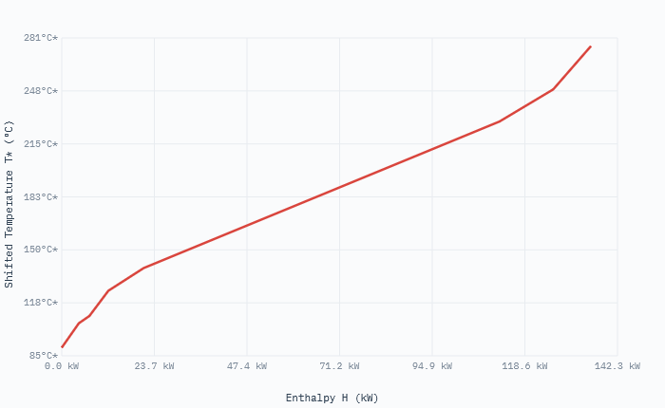
EQUIPMENTS DESCRIPTION
Physical hardware including a multistage compressor train and intercooling heat exchangers (Stages 1-4).

EQUIPMENTS |  |  |  |  |  |  | Obtain investment from equipments cost database, which already provides the application range
NAME | TYPE | SUBTYPE | REFERENCE | PARAMS | VALUE | UNIT
CO2_Compressor | Asset | Multistage Compressor | @Turton et al. | Specific investment cost | 1500 | eur/kW
 |  |  |  | Total power consumption | 382.5 | kW
 |  |  |  | Annualization factor | 0.07 | -
Intercooler_Train | Asset | Shell & Tube Heat Exchanger | @Peters & Timmerhaus | Specific investment cost | 450 | eur/kW
 |  |  |  | Total cooling duty (Q1-Q4) | 327.7 | kW
 |  |  |  | Annualization factor | 0.07 | -

OPERATING COST DESCRIPTION
The fixed and variable operating costs includes manpower, fixed cost of operation, taxes etc.

The variable operating cost is calculated by multiplying the specific operating cost [EUR/kWh or EUR/kg] and reference capacity [kW or kg/h]
FIXED OPERATING COST [EUR/y] | VARIABLE OPERATING COST [EUR/h]
0 | 0

Serp_PreT
UNIT DESCRIPTION
Thermal activation unit (calciner) used to dehydroxylate serpentine at high temperatures (600°C) to maximize chemical reactivity.

UNIT NAME | MINIMUM CAPACITY MULT | MAXIMUM CAPACITY MULT | Compare Fmin and Fmax to define if it scalable of fixed, if fixed Fmin=Fmax=Fmult
Serp_PreT | 0 | 100

CONNECTORS DESCRIPTION
Interfaces for ground mineral feed, activated mineral discharge, and the electrical power for kiln operation and material handling.

The declared connectors within the units can be a mix of external and internal connectors
Fetch the intensive properties from the connectors tab
CONNECTORS
NAME (ALIAS) | TYPE | DIRECTION | FLOW VALUE | FLOW UNIT | TEMPERATURE VALUE | TEMPERATURE UNIT | PRESSURE VALUE | PRESSURE UNIT | VAPOR FRACTION [MASS] | PHASE | COMPOSITION [MOLE/MASS] | REFERENCE STREAM | DESCRIPTION
Grd_Serp | MASS | IN | 0.90 | t/h | 25 | °C | 1 | bar | 0 | (S) | Serpentine[1.0] | No | Ground mineral (10-38 μm)
PreT_Serp | MASS | OUT | 0.90 | t/h | 155 | °C | 1 | bar | 0 | (S) | Serpentine[1.0] | Yes | Activated/Preheated ore
Elec | ELECTRICITY | IN | 9.58 | kW | - | - | - | - | - | - | - | No | Total power demand

HEAT STREAMS DESCRIPTION
There are two cold streams to preheat and activate the serpentine and one hot stream for the cooling of the activated serpentine,

HEAT STREAMS
NAME | TYPE | INLET TEMPERATURE VALUE | INLET TEMPERATURE UNIT | OUTLET TEMPERATURE VALUE | OUTLET TEMPERATURE UNIT | INLET ENTHALPY FLOW VALUE | INLET ENTHALPY FLOW UNIT | OUTLET ENTHALPY FLOW VALUE | OUTLET ENTHALPY FLOW UNIT | SPEC HEAT CAP VALUE | SPEC HEAT CAP UNIT | MASS FLOW VALUE | MASS FLOW UNIT | DTMIN CONTR VALUE | DTMIN CONTR UNIT | HEAT TRANSFER COEF VALUE | HEAT TRANSFER COEF UNIT | HEAT CASCADE | REFERENCE STREAM | DESCRIPTION
Activation_Q | Cold | 25.0 | °C | 600.0 | °C | 0.00 | kW | 484.50 | kWh/t | 3.37 | kJ/kgK | 0.90 | t/h | 5 | °C | 1.00 | kW/m2K | DEFAULT | No | Serpentine activation
PreT_Q | Cold | 29.7 | °C | 155.0 | °C | 0.00 | kW | 109.73 | kWh/t | 3.50 | kJ/kgK | 0.90 | t/h | 5 | °C | 1.00 | kW/m2K | DEFAULT | No | Serpentine preheating before mineralization
Cooling | Hot | 600.0 | °C | 25.0 | °C | 484.50 | kWh/t | 0.00 | kW | 3.37 | kJ/kgK | 0.90 | t/h | 5 | °C | 1.00 | kW/m2K | DEFAULT | No | Serpentine cooling duty

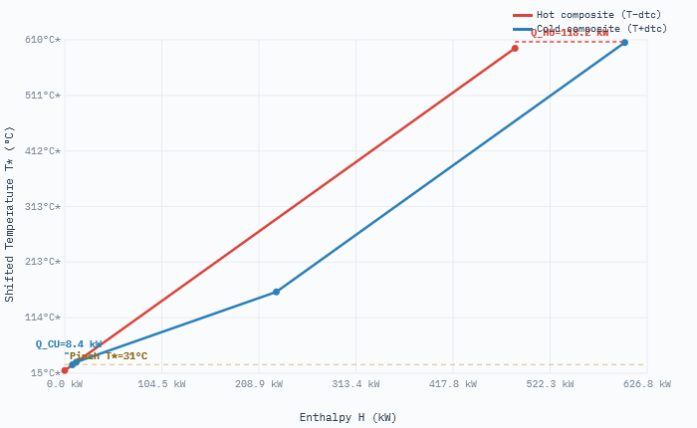
EQUIPMENTS DESCRIPTION
High-temperature processing assets including a rotary kiln for activation and a solid-solid heat recovery system.

EQUIPMENTS |  |  |  |  |  |  | Obtain investment from equipments cost database, which already provides the application range
NAME | TYPE | SUBTYPE | REFERENCE | PARAMS | VALUE | UNIT
Rotary_Kiln | Asset | Indirect Calciner | @Aspen/Turton | Specific investment cost | 2100 | eur/kW
 |  |  |  | Thermal duty (Activation) | 436 | kW
 |  |  |  | Annualization factor | 0.07 | -
Solid_Cooler | Asset | Rotary Cooler | @Peters & Timmerhaus | Specific investment cost | 850 | eur/(t/h)
 |  |  |  | Solids throughput | 0.9 | t/h
 |  |  |  | Annualization factor | 0.07 | -

OPERATING COST DESCRIPTION
The fixed and variable operating costs includes manpower, fixed cost of operation, taxes etc.

The variable operating cost is calculated by multiplying the specific operating cost [EUR/kWh or EUR/kg] and reference capacity [kW or kg/h]
FIXED OPERATING COST [EUR/y] | VARIABLE OPERATING COST [EUR/h]
0 | 0

DOCUMENTATION
1. System Overview
The CCS_Serp_PreT model transforms raw feedstocks into reactive components for high-pressure mineralization via two parallel pathways:
a) Gaseous Pathway: Compression of $CO_2$ to supercritical states | b) Solid Pathway: Mechanical reduction and thermal activation of Serpentine ore.

2. Unit Descriptions
a. CO2_PreT (Compression & Conditioning)
Compresses raw CO2 (2.42 t/h) from 1 bar to 140 bar using a 4-stage intercooled train.
Specific energy consumption is approximately 158 kWh/t CO2, with outlet temperatures optimized for the mineralizer.
b. Grinding (Mechanical Ore Preparation)
Mechanical milling of 1.00 t/h of raw ore to 10–38 µm. Includes magnetic separation removing 0.10 t/h of Magnetite.
c. Serp_PreT (Thermal Activation)
Thermal dehydroxylation in a rotary kiln at 600°C. Activation energy: 485 kW.

3. Economic and Equipment Logic
CAPEX is calculated using an Asset-based approach scaled by capacity (CEPCI 2025 basis).
• CO2_PreT: Scaled by Multistage Compressor Power (kW) | • Grinding: Scaled by Throughput (t/h) | • Serp_PreT: Scaled by Kiln Thermal Duty (kW).

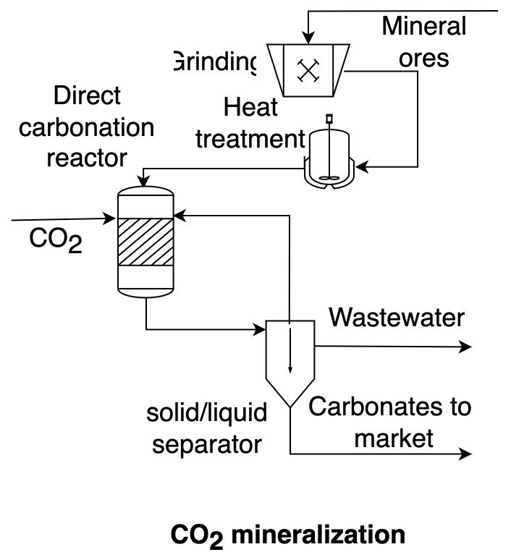
4. Key Model Parameters
Mass flow rate of the CO2 in flue gas mass: 2.42 t/h
Power consumption in the multistage compression system: 382.50 kW
Normalized compression power per ton of CO2 mineralized: 158.19 kW
Serpentine mass flowrate: 1.00 t/h
Grounded serpentine mass flowrate: 0.90 t/h
Magnetite mass flow rate: 0.10 t/h
Electricity power per ton of serpentine: 83.00 kW
Serpentine pretreatment outlet temperature: 600.00 °C
Serpentine activation energy: 484.50 kW
Serpentine cooling duty: 484.50 kW
Serpentine preheating outlet temperature: 155.00 °C
Second investment cost coefficient for multistage cooling: 0.00 eur/year
Second investment cost coefficient for pump (alternative form): 0.00 eur/year

5. References
[1] R. Castro-Amoedo, J. Granacher, M. Abou Daher and F. Marechal, Energy Environ. Sci., 2023, DOI:10.1039/D3EE01803B; [2] Ostovari et al. (Bardow) - Rock ‘n’ use of CO2: carbon footprint of carbon capture and utilization by mineralization, Sustainable Energy and Fuels, Issue 9, 2020; [3] Sipila, S. Teir, and R. Zevenhoven, “Carbon dioxide sequestration by mineral carbonationliterature review update 2007

