MeOHReform
UNIT DESCRIPTION
This unit models the autothermal reforming (ATR) of methanol combined with water gas shift (WGS) reactors and a pressure swing adsorption (PSA) unit to produce a syngas with stoichiometric ratio [(H2−CO2)/(CO+CO2)] = 3 suitable for SNG production via methanation. The unit consumes methanol (12 103 kg/h) and produces syngas (12 709 kg/h) . Total electrical demand is 219 kW.

UNIT NAME | MINIMUM CAPACITY MULT | MAXIMUM CAPACITY MULT | Compare Fmin and Fmax to define if it scalable of fixed, if fixed Fmin=Fmax=Fmult
MeOHReform | 0 | 1000

CONNECTORS DESCRIPTION
Methanol, water and oxygen are fed into the ATR reformer at 1 bar and compressed/pumped to 35 bar internally. The unit outputs syngas to the methanator and separated CO2 at low pressure. Electricity is consumed for O2 compression and feed pumping. No steam connectors are required as the ATR is autothermal. Net water flow accounts for condensate recovery.

The declared connectors within the units can be a mix of external and internal connectors
Fetch the intensive properties from the connectors tab
CONNECTORS
NAME (ALIAS) | TYPE | DIRECTION | FLOW VALUE | FLOW UNIT | TEMPERATURE VALUE | TEMPERATURE UNIT | PRESSURE VALUE | PRESSURE UNIT | VAPOR FRACTION [MASS] | PHASE | COMPOSITION [MOLE/MASS] | REFERENCE STREAM | DESCRIPTION
MeohProd | MASS | IN | 12103.00 | kg/h | 30 | °C | 1 | bar | -1 | (L) | MASSFRAC:CH4O[1] | No | Consumed methanol feedstock into the MeOH reforming unit
water | MASS | IN | 4222.00 | kg/h | 30 | °C | 1 | bar | -1 | (L) | MASSFRAC:H2O[1] | No | Consumed water feedstock into the MeOH reforming unit
oxyvent | MASS | IN | 1760.00 | kg/h | 30 | °C | 1 | bar | -1 | (V) | MASSFRAC:O2[1] | No | Consumed oxygen from ASU or electrolyzer into the MeOH reforming unit
MeohSyngasToSNG | MASS | OUT | 12709.00 | kg/h | 35 | C | 35 | bar | 1 | (V) | MASSFRAC:CO2[0.7691]&CO[0.0718]&H2[0.1564] | Yes | Intermediate syngas from MeOH reforming unit into the methanator
CO2 | EMISSIONS | OUT | 5375.00 | kg/h | 30 | °C | 1 | bar | -1 | (V) | MASSFRAC:CO2[1] | No | CO2 separated in PSA unit and unconverted CO2 from methanation section
Elec | ELECTRICITY | IN | 219.00 | kW | - | - | - | - | - | - | - | No | Consumed electricity for O2 compressors and pumps

HEAT STREAMS DESCRIPTION
Oxygen is intercooled between the four compression stages and then preheated before entering the ATR. The methanol/water mixture is preheated in three stages (liquid sensible, vaporisation, superheating). The syngas leaving the ATR is cooled in two stages after the WGS reactors to condense water before the PSA.

HEAT STREAMS
NAME | TYPE | INLET TEMPERATURE VALUE | INLET TEMPERATURE UNIT | OUTLET TEMPERATURE VALUE | OUTLET TEMPERATURE UNIT | INLET ENTHALPY FLOW VALUE | INLET ENTHALPY FLOW UNIT | OUTLET ENTHALPY FLOW VALUE | OUTLET ENTHALPY FLOW UNIT | SPEC HEAT CAP VALUE | SPEC HEAT CAP UNIT | MASS FLOW VALUE | MASS FLOW UNIT | DTMIN CONTR VALUE | DTMIN CONTR UNIT | HEAT TRANSFER COEF VALUE | HEAT TRANSFER COEF UNIT | HEAT CASCADE | REFERENCE STREAM | DESCRIPTION
qt_h110 | Hot | 156.0 | °C | 35.0 | °C | 55.00 | kW | 0.00 | kW | 0.93 | kJ/kgK | 1760.00 | kg/h | 8 | K | 1.00 | kW/m2K | DEFAULT | No | O2 Comp Stage 1 Intercooling (1 to 3 bar)
qt_h111 | Hot | 163.0 | °C | 35.0 | °C | 59.00 | kW | 0.00 | kW | 0.94 | kJ/kgK | 1760.00 | kg/h | 8 | K | 1.00 | kW/m2K | DEFAULT | No | O2 Comp Stage 2 Intercooling (3 to 10 bar)
qt_h112 | Hot | 163.0 | °C | 35.0 | °C | 61.00 | kW | 0.00 | kW | 0.97 | kJ/kgK | 1760.00 | kg/h | 8 | K | 1.00 | kW/m2K | DEFAULT | No | O2 Comp Stage 3 Intercooling (10 to 30 bar)
qt_h113 | Cold | 50.0 | °C | 350.0 | °C | 0.00 | kW | 145.00 | kW | 0.99 | kJ/kgK | 1760.00 | kg/h | 8 | K | 1.00 | kW/m2K | DEFAULT | No | O2 final preheating to reactor entry
qt_c118 | Cold | 22.0 | °C | 131.0 | °C | 0.00 | kW | 3495.00 | kW | 4.27 | kJ/kgK | 27056.00 | kg/h | 8 | K | 1.00 | kW/m2K | DEFAULT | No | Liquid MeOH/Water mixture preheating
qt_c119 | Cold | 131.0 | °C | 241.0 | °C | 0.00 | kW | 13437.00 | kW | 1787.89 | kJ/kg | 27056.00 | kg/h | 8 | K | 1.00 | kW/m2K | DEFAULT | No | Latent heat of vaporization for MeOH/Water mix
qt_c120 | Cold | 241.0 | °C | 350.0 | °C | 0.00 | kW | 1894.00 | kW | 2.31 | kJ/kgK | 27056.00 | kg/h | 8 | K | 1.00 | kW/m2K | DEFAULT | No | Superheating of MeOH/Water vapor to 350C
qt_h119 | Hot | 365.0 | °C | 179.0 | °C | 3563.00 | kW | 0.00 | kW | 5.43 | kJ/kgK | 12709.00 | kg/h | 8 | K | 1.00 | kW/m2K | DEFAULT | No | High-temp syngas cooling post-WGS
qt_h120 | Hot | 179.0 | °C | 30.0 | °C | 10022.00 | kW | 0.00 | kW | 2838.87 | kJ/kg | 12709.00 | kg/h | 8 | K | 1.00 | kW/m2K | DEFAULT | No | Low-temp syngas cooling and water condensation

EQUIPMENTS DESCRIPTION
The main equipment items cover the four-stage O2 compressor train with intercoolers, the feed pumps (methanol and water), the heat exchanger network (preheating and cooling), and the ATR reformer vessel.

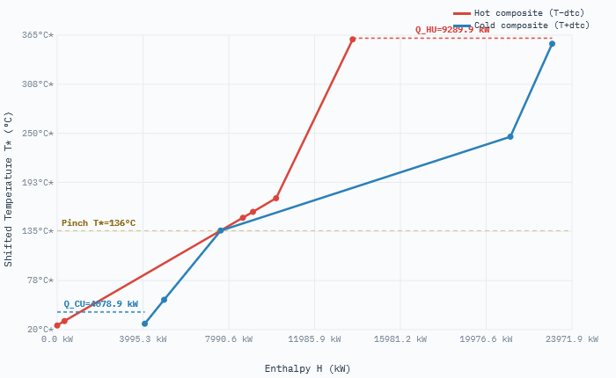
EQUIPMENTS |  |  |  |  |  |  | Obtain investment from equipments cost database, which already provides the application range
NAME | TYPE | SUBTYPE | REFERENCE | PARAMS | VALUE | UNIT
O2CompressorTrain | Compressor | Multi-stage centrifugal | @Towler and Sinnott | Power | 180 | kW
 |  |  |  | Stages | 4 | -
 |  |  |  | Pressure ratio | 35 | -
 |  |  |  | Material | Carbon Steel | -
 |  |  |  | Lifetime | 20 | years
 |  |  |  | Date | 2025 | year
FeedPumps | Pump | Centrifugal | @Towler and Sinnott | Power | 39 | kW
 |  |  |  | Number | 2 | -
 |  |  |  | Material | Stainless Steel | -
 |  |  |  | Lifetime | 20 | years
 |  |  |  | Date | 2025 | year
HeatExchangerNetwork | Heat Exchanger | Shell and tube | @Towler and Sinnott | Duty | 32621 | kW
 |  |  |  | Streams | 9 | -
 |  |  |  | Material | Stainless Steel | -
 |  |  |  | Lifetime | 20 | years
 |  |  |  | Date | 2025 | year
ATRReformer | Reactor | Autothermal fixed-bed | @Domingos et al. | Feedstock | 28815 | kg/h
 |  |  |  | Temperature | 350 | °C
 |  |  |  | Pressure | 35 | bar
 |  |  |  | Material | Stainless Steel | -
 |  |  |  | Lifetime | 20 | years
 |  |  |  | Date | 2025 | year
PSAUnit | Separation | Pressure swing adsorption | @Domingos et al. | CO2 separated | 5375 | kg/h
 |  |  |  | Pressure | 35 | bar
 |  |  |  | Material | Carbon Steel | -
 |  |  |  | Lifetime | 20 | years
 |  |  |  | Date | 2025 | year

OPERATING COST DESCRIPTION
The fixed and variable operating costs includes manpower, fixed cost of operation, taxes etc.

The variable operating cost is calculated by multiplying the specific operating cost [EUR/kWh or EUR/kg] and reference capacity [kW or kg/h]
FIXED OPERATING COST [EUR/y] | VARIABLE OPERATING COST [EUR/h]
0 | 0

SyngasMethanator
UNIT DESCRIPTION
The SyngasMethanator converts syngas from the MeOH reforming unit into substitute natural gas (SNG) via catalytic methanation at 35 bar. The process uses three adiabatic fixed-bed reactors with intercooling to manage the strongly exothermic Sabatier reaction. The unit produces 4 081 kg/h of CH4.

UNIT NAME | MINIMUM CAPACITY MULT | MAXIMUM CAPACITY MULT
SyngasMethanator | 0 | 1000 | Compare Fmin and Fmax to define if it scalable of fixed, if fixed Fmin=Fmax=Fmult

CONNECTORS DESCRIPTION
Syngas is consumed to produce methane. The reaction produces water and CO2.

The declared connectors within the units can be a mix of external and internal connectors
Fetch the intensive properties from the connectors tab
CONNECTORS
NAME (ALIAS) | TYPE | DIRECTION | FLOW VALUE | FLOW UNIT | TEMPERATURE VALUE | TEMPERATURE UNIT | PRESSURE VALUE | PRESSURE UNIT | VAPOR FRACTION [MASS] | PHASE | COMPOSITION [MOLE/MASS] | REFERENCE STREAM | DESCRIPTION
water | MASS | OUT | 7.06 | m3/h | 30 | °C | 1 | bar | -1 | (L) | MASSFRAC:H2O[1] | No | Consumed water feedstock into the MeOH reforming unit
MeohSyngasToSNG | MASS | IN | 12709 | kg/h | 35 | C | 35 | bar | 1 | (V) | MASSFRAC:CO2[0.7691]&CO[0.0718]&H2[0.1564] | No | Intermediate syngas from MeOH reforming unit into the methanator
CO2 | EMISSIONS | OUT | 34 | kg/h | 30 | °C | 1 | bar | -1 | (V) | MASSFRAC:CO2[1] | No | CO2 separated in PSA unit and unconverted CO2 from methanation section
CH4 | ENERGY | OUT | 56680.555556 | kW | 30 | °C | 35 | bar | -1 | (V) | MASSFRAC:CH4[0.99] | Yes | Produced SNG from methanator

HEAT STREAMS DESCRIPTION
Syngas is preheated and goes throught three fixed-bed reactor followed by intercooling.

HEAT STREAMS
NAME | TYPE | INLET TEMPERATURE VALUE | INLET TEMPERATURE UNIT | OUTLET TEMPERATURE VALUE | OUTLET TEMPERATURE UNIT | INLET ENTHALPY FLOW VALUE | INLET ENTHALPY FLOW UNIT | OUTLET ENTHALPY FLOW VALUE | OUTLET ENTHALPY FLOW UNIT | SPEC HEAT CAP VALUE | SPEC HEAT CAP UNIT | MASS FLOW VALUE | MASS FLOW UNIT | DTMIN CONTR VALUE | DTMIN CONTR UNIT | HEAT TRANSFER COEF VALUE | HEAT TRANSFER COEF UNIT | HEAT CASCADE | REFERENCE STREAM | DESCRIPTION
qt_h116 | Hot | 610.0 | °C | 300.0 | °C | 10200.00 | kW | 0.00 | kW | 9.32 | kJ/kgK | 12709.00 | kg/h | 8 | K | 1.00 | kW/m2K | DEFAULT | No | First bed cooling
qt_h117 | Hot | 462.0 | °C | 200.0 | °C | 3889.00 | kW | 0.00 | kW | 4.20 | kJ/kgK | 12709.00 | kg/h | 8 | K | 1.00 | kW/m2K | DEFAULT | No | Second bed cooling
qt_h118 | Hot | 212.0 | °C | 30.0 | °C | 6003.00 | kW | 0.00 | kW | 9.34 | kJ/kgK | 12709.00 | kg/h | 8 | K | 1.00 | kW/m2K | DEFAULT | No | Third bed cooling
qt_c109 | Cold | 30.0 | °C | 250.0 | °C | 0.00 | kW | 2429.0 | kW | 3.13 | kJ/kgK | 12709.00 | kg/h | 8 | K | 1.00 | kW/m2K | DEFAULT | No | Methanator feed preheating

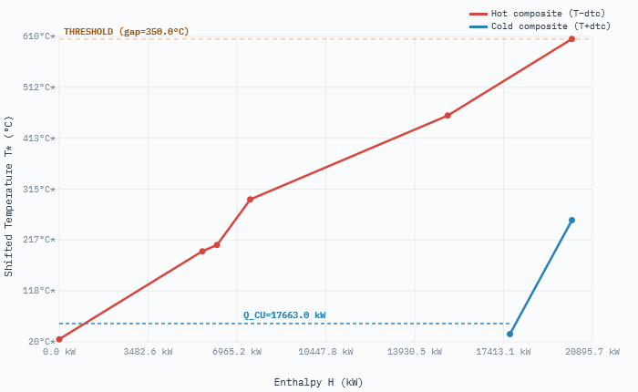
EQUIPMENTS DESCRIPTION
Investment is captured globally via Spec_MethntrCost (300 EUR/kW_CH4) in the VARIABLES sheet. The equipment entries below serve as cross-check references.

EQUIPMENTS |  |  |  |  |  |  | Obtain investment from equipments cost database, which already provides the application range
NAME | TYPE | SUBTYPE | REFERENCE | PARAMS | VALUE | UNITS
MethanatorBeds | Reactor | Adiabatic fixed-bed | Domingos et al. | CH4 output | 56681 | kW
 |  |  |  | Beds | 3 | -
 |  |  |  | Pressure | 35 | bar
 |  |  |  | Temperature (max) | 610 | °C
 |  |  |  | Material | Stainless Steel | -
 |  |  |  | Lifetime | 20 | year
 |  |  |  | Date | 2025 | year
IntercoolerHEN | Heat Exchanger | Shell and tube | Towler and Sinnott | Total duty | 20092 | kW
 |  |  |  | Streams | 4 | -
 |  |  |  | Material | Stainless Steel | -
 |  |  |  | Lifetime | 20 | year
 |  |  |  | Date | 2025 | year
SNG_Dryer | Separation | Molecular sieve | Domingos et al. | SNG flow | 4081 | kg/h
 |  |  |  | Material | Carbon Steel | -
 |  |  |  | Lifetime | 20 | year
 |  |  |  | Date | 2025 | year

OPERATING COST DESCRIPTION
The fixed and variable operating costs includes manpower, fixed cost of operation, taxes etc.

The variable operating cost is calculated by multiplying the specific operating cost [EUR/kWh or EUR/kg] and reference capacity [kW or kg/h]
FIXED OPERATING COST [EUR/y] | VARIABLE OPERATING COST [EUR/h]
0 | 0

DOCUMENTATION
1. MeOH Reforming
This unit models the Autothermal Reforming (ATR) of methanol, integrated with Water Gas Shift (WGS) reactors and a Pressure Swing Adsorption (PSA) unit. The objective is to produce a syngas with a stoichiometric ratio of $M=3$, where $M = \frac{H_2 - CO_2}{CO + CO_2}$.

2. Technical Performance
Methanol Consumption: 12,103 kg/h | Syngas Production: 12,709 kg/h.
Electrical Demand: 219 kW (primarily for O2 compression and feed pumping).
Operating Pressure: Feedstocks enter at 1 bar and are compressed/pumped to 35 bar internally.

3. Syngas Methanator Unit
The SyngasMethanator converts syngas into Substitute Natural Gas (SNG) using three adiabatic fixed-bed reactors in series. The process is governed by the exothermic Sabatier reaction:
$CO + 3H_2 \rightarrow CH_4 + H_2O$ and $CO_2 + 4H_2 \rightarrow CH_4 + 2H_2O$.
SNG Production: 4,081 kg/h (~56,681 kW).
Water Byproduct: 7.06 m³/h recovered from the reaction.

4. Investment and Operating Costs
MeOH Reformer Investment: 1,915,089 EUR/y.
Methanator Investment: 1,130,123 EUR/y (Specific cost: 300 EUR/kW).

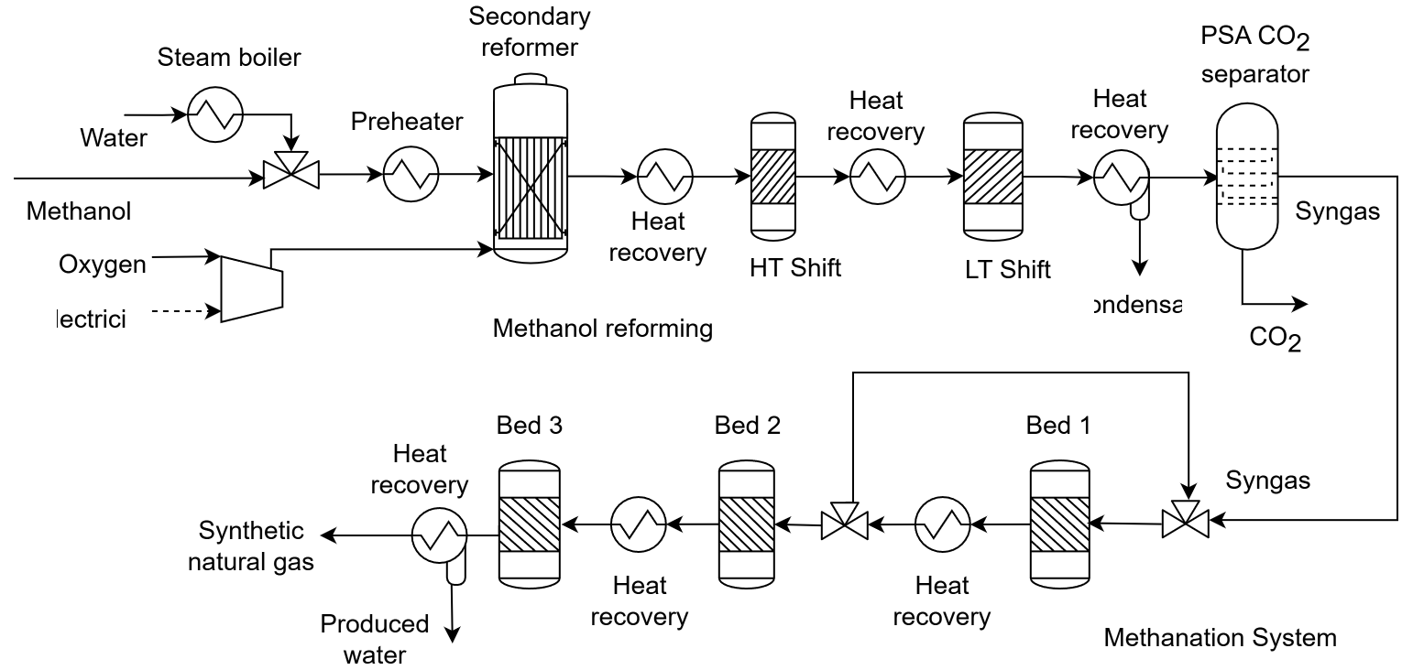
5. Key Model Parameters
Methanol pumped to reformer: 12,103.00 kg/h
Water consumption : 14,953.00 kg/h
Oxygen consumption: 1,760.00 kg/h
Mass flow rate of syngas to methanator : 12,709.00 kg/h
Mass flow of produced methane: 4,081.00 kg/h
Energy flow rate of produced methane: 56,680.56 kW
Total power consumption: 219.00 kW
Low pressure CO2 separated in the PSA unit: 5,375.00 kg/h
Temperature inlet of the first methanator intercooler: 610.00 °C
Investment cost of the reforming section: 1,915,089.16 Eur/y
Investment cost of the methanation section: 1,130,123.03 Eur/y

6. References
[1] Domingos et al. https://www.sciencedirect.com/science/article/pii/S009813542200148X?via%3Dihub; [2] https://www.sciencedirect.com/science/article/pii/S0196890422000413;

