METADATA
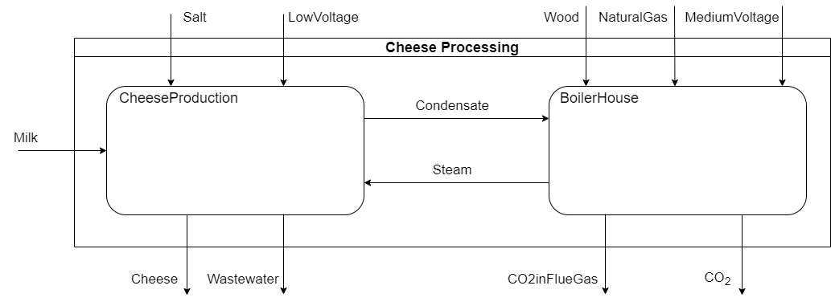
MODEL UID | 123-456-789 | Metadata is important for model documentation and versioning, as well as for authorship and supplementary material indexation
MODEL NAME | CheeseProcessing | A representative name for the model
AUTHORS AND CONTRIBUTORS | Daniel Florez-Orrego, Oktay Boztas | Authors and contributors to the development of the model with their affiliated organizations.
CONTACT INFO | daniel.florezorrego@epfl.ch, oktay.boztas@epfl.ch | Contact information of the authors and contributors
CREATION DATE | 01.06.2025 | The creation date of the model
LAST UPDATED | 18.06.2025 | The date of the last modification to the model
MODEL STATUS | Maintained | Maintained or Archived model
VERSION | 1.0.1 | Keeps a clear version history
CONFIDENTIALITY | Open | The level of sensitivity can be indicated as open, restricted, confidential
SHARING LAYER | 4 | The sharing layer is the extent of detail adopted for the model at certain time
GRADE | GRAY-BOX | Black-box for static or surrogate models, Gray-box for partly adjustable models, and White-box for models with flowsheet
REFERENCE CAPACITY (MAIN PRODUCT/FEEDSTOCK) | 10 kg/h Cheese | The reference capacity of the model can be defined based on the main product
TRL | 9 | Technology readiness level of the model. The minimum TRL corresponds to the minimum level considering the model units
KEYWORDS | Cheese, Food | Keywords can be assigned to enable structured categorization of the models
DESCRIPTION | This model represent a dairy process for cheese production from fresh milk, using a wood and natural gas powered boiler house for utility supply. The boiler house unit also includes an amine-based post-combustion carbon capture system. | Description of the model for discoverability and overview
DOI | https://doi.org/10.0/9887.663A | Digital object identifier of the model
MAIN RELATED PUBLICATION | https://linktomypublication.com | Link to the main related publication(s) to the model
REFERENCES | cheesefactory.bib | References used during the model development can be provided in a .bib file
SOFTWARE | ASPEN | Softwares that are used during the development of the model
SOFTWARE FILE | CheesePlant.bkp | Physycal file of the model (if available), otherwise, N.A.
BLOCK FLOW DIAGRAM ( .png or .svg) | local/path/to/CheeseProcessing.svg | Graphical representation of the block flow diagram of the model
URL | www.gitlab.epfl.ch/cheeseprocessing | Link to the repository where the model is alternatively stored
SUPPLEMENTARY MATERIAL | See SUPPL MATERIAL tab | List of supplementary material of the model

CheeseProduction
UNIT DESCRIPTION
This unit models the production of cheese, at a production capacity of 10 kg/h of cheese, with energy supply by steam at 3 bar.

UNIT NAME | MINIMUM CAPACITY MULT | MAXIMUM CAPACITY MULT | Compare Fmin and Fmax to define if it scalable of fixed, if fixed Fmin=Fmax=Fmult
CheeseProduction | 1 | 1

CONNECTORS DESCRIPTION
Milk is mixed with salt for producing cheese, which yields waste water. The necessary energy is provided by the internal steam production and the condensate is returned to the boiler house

The declared connectors within the units can be a mix of external and internal connectors
Fetch the intensive properties from the connectors tab
CONNECTORS
NAME (ALIAS) | TYPE | DIRECTION | FLOW VALUE | FLOW UNIT | TEMPERATURE VALUE | TEMPERATURE UNIT | PRESSURE VALUE | PRESSURE UNIT | VAPOR FRACTION [MASS] | PHASE | COMPOSITION [MOLE/MASS] | REFERENCE STREAM | DESCRIPTION
MILK | MASS | IN | 100.00 | kg/h | 25 | C | 1 | BAR | -1 | (L) | MASSFRAC:FAT[0.03]&H2O[0.97] | Yes | Infeed milk flow into the cheese production unit
SALT | MASS | IN | 1.00 | kg/h | 25 | C | 1 | BAR | -1 | (S) | MASSFRAC:NACL[1] | No | Consumed salt flow into the cheese production unit
CHEESE | MASS | OUT | 10.00 | kg/h | 25 | C | 1 | BAR | -1 | (S) | MASSFRAC:FAT[0.3]&H2O[0.6]&NACL[0.1] | No | Produced cheese flow from the cheese production unit
WASTEWATER | MASS | OUT | 91.00 | kg/h | 25 | C | 1 | BAR | -1 | (L) | MASSFRAC:H2O[0.99]&FAT[0.01] | No | Produced waste water flow from the cheese production unit
LOWVOLTAGE | ELECTRICITY | IN | 3.00 | kW | - | - | - | - | - | - | - | No | Consumed electricity 13 kV flow into the cheese production unit
STEAM | MASS | IN | 74.69 | kg/h | SAT | C | 3 | BAR | 1 | (V+L) | MASSFRAC:H2O[1] | No | Steam vapor flow into the cheese production unit
CONDENSATE | MASS | OUT | 74.69 | kg/h | SAT | C | 3 | BAR | 0 | (V+L) | MASSFRAC:H2O[1] | No | Condensate flow from the cheese production unit

HEAT STREAMS DESCRIPTION
The milk is pasteurized, evaporated and cooled down. After the cheese is curated.

HEAT STREAMS
NAME | TYPE | INLET TEMPERATURE VALUE | INLET TEMPERATURE UNIT | OUTLET TEMPERATURE VALUE | OUTLET TEMPERATURE UNIT | INLET ENTHALPY FLOW VALUE | INLET ENTHALPY FLOW UNIT | OUTLET ENTHALPY FLOW VALUE | OUTLET ENTHALPY FLOW UNIT | SPEC HEAT CAP VALUE | SPEC HEAT CAP UNIT | MASS FLOW VALUE | MASS FLOW UNIT | DTMIN CONTR VALUE | DTMIN CONTR UNIT | HEAT TRANSFER COEF VALUE | HEAT TRANSFER COEF UNIT | HEAT CASCADE | REFERENCE STREAM | DESCRIPTION
pasteurization_heating | Cold | 25.0 | C | 70.0 | C | 0.00 | kW | 5.00 | kW | 4.00 | kJ/kgK | 100.00 | kg/h | 5 | K | 0.50 | kW/m2K | CHEESEPLANT | No | Milk pasteurization heating demand
pasteurization_quenching | Hot | 70.0 | C | 25.0 | C | 5.00 | kW | 0.00 | kW | 4.00 | kJ/kgK | 100.00 | kg/h | 5 | K | 0.50 | kW/m2K | CHEESEPLANT | No | Milk pasteurization quenching demand
evaporation_preheating | Cold | 25.0 | C | 90.0 | C | 0.00 | kW | 6.77 | kW | 4.12 | kJ/kgK | 91.00 | kg/h | 5 | K | 0.50 | kW/m2K | CHEESEPLANT | No | Milk evaporation preheating demand
evaporation_latentheat | Cold | 90.0 | C | 90.1 | C | 0.00 | kW | 18.00 | kW | 2410.00 | kJ/kgK | 26.89 | kg/h | 2.5 | K | 1.00 | kW/m2K | CHEESEPLANT | No | Evaporation enthalpy of milk concentration
condensation_latent | Hot | 90.1 | C | 90.0 | C | 18.00 | kW | 0.00 | kW | 2410.00 | kJ/kgK | 26.89 | kg/h | 2.5 | K | 1.00 | kW/m2K | CHEESEPLANT | No | Condensation enthalpy of water from milk concentration
condensation_subcooling | Hot | 90.0 | C | 25.0 | C | 2.00 | kW | 0.00 | kW | 4.12 | kJ/kgK | 26.89 | kg/h | 5 | K | 0.50 | kW/m2K | CHEESEPLANT | No | Subcooling of water separated in the milk concentration
wastewater_cooling | Hot | 90.0 | C | 25.0 | C | 4.77 | kW | 0.00 | kW | 4.12 | kJ/kgK | 64.11 | kg/h | 5 | K | 0.50 | kW/m2K | CHEESEPLANT | No | Waste water cooling demand
steam_condensation | Hot | 133.1 | C | 133.0 | C | 50.00 | kW | 0.00 | kW | 2410.00 | kJ/kgK | 74.69 | kg/h | 2.5 | K | 1.00 | kW/m2K | CHEESEPLANT | No | Heating demand provided by the steam condensation
cheese_curation | Cold | 15.0 | C | 25.0 | C | 0.00 | kW | 0.07 | kW | 2.53 | kJ/kgK | 10.00 | kg/h | 8 | K | 0.10 | kW/m2K | DEFAULT | No | Cheese curation heating demand (maintain)

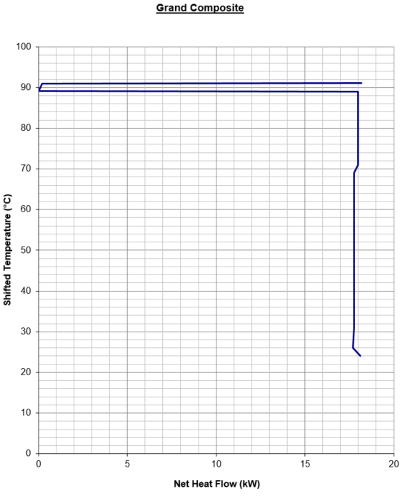
EQUIPMENTS DESCRIPTION
A pumping system, a heat exchanger network and a cheese production subunit (asset) are required equipment for the cost calculation
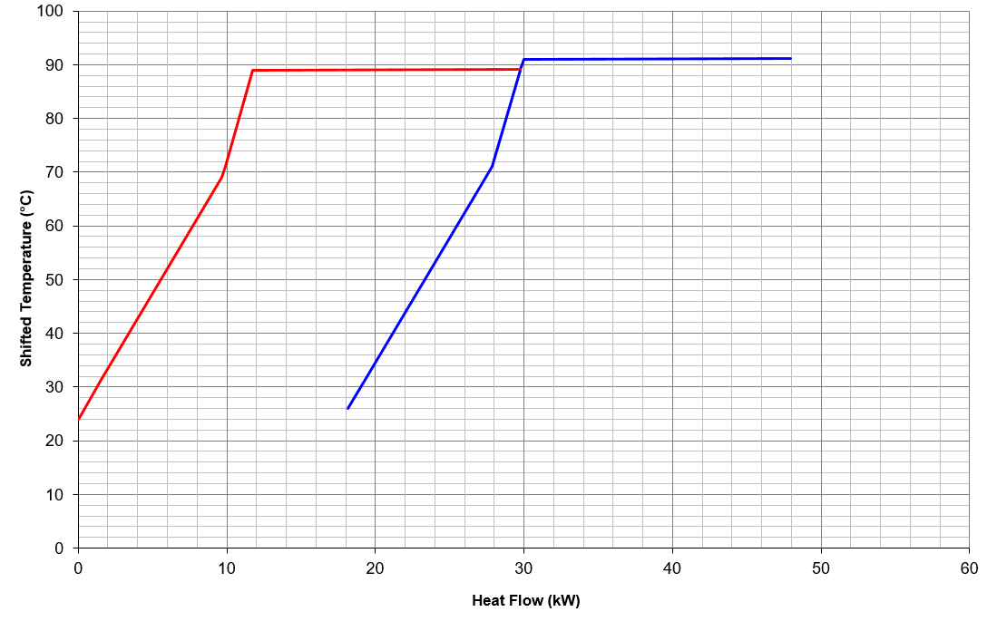
EQUIPMENTS |  |  |  |  |  |  | Obtain investment from equipments cost database, which already provides the application range
NAME | TYPE | SUBTYPE | REFERENCE | PARAMS | VALUE | UNIT
MilkPump | Pump | Single-stage centrifugal | @Towler and Sinnott | Power | 2 | kW
 |  |  |  | Material | Stainles Steel | -
 |  |  |  | Lifetime | 20 | years
 |  |  |  | Date | 2025 | year
MilkEvaporator | Evaporators | Agitated falling film | @Towler and Sinnott | Area | 3000 | m2
 |  |  |  | Pressure | 1 | bar
 |  |  |  | Material | Stainles Steel | -
 |  |  |  | Lifetime | 20 | years
 |  |  |  | Date | 2025 | year
CheeseProdSys | Asset | - | @Florez-Orrego et al | Capital | 75000 | EUR
 |  |  |  | Lifetime | 20 | years
 |  |  |  | Date | 2025 | year

OPERATING COST DESCRIPTION
The fixed and variable operating costs includes manpower, fixed cost of operation, taxes etc.

The variable operating cost is calculated by multiplying the specific operating cost [EUR/kWh or EUR/kg] and reference capacity [kW or kg/h]
FIXED OPERATING COST [EUR/y] | VARIABLE OPERATING COST [EUR/h]
0 | 0

