METADATA
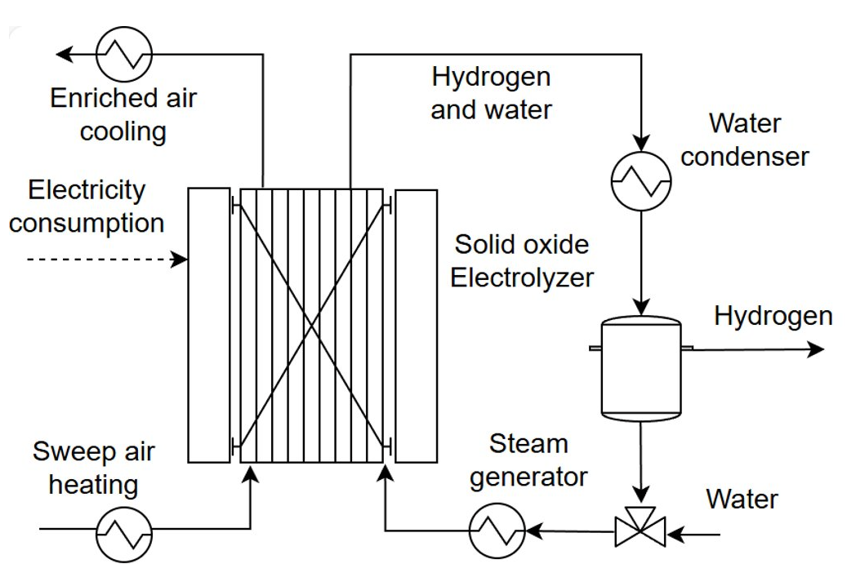
MODEL UID |  | Metadata is important for model documentation and versioning, as well as for authorship and supplementary material indexation
MODEL NAME | SOEC model | A representative name for the model
AUTHORS AND CONTRIBUTORS | Meire Domingos, Daniel Florez-Orrego, EPFL IPESE research group | Authors and contributors to the development of the model with their affiliated organizations.
CONTACT INFO |  | Contact information of the authors and contributors
CREATION DATE | 01.06.2025 | The creation date of the model
LAST UPDATED | 18.06.2025 | The date of the last modification to the model
MODEL STATUS | Maintained | Maintained or Archived model
VERSION | 1.0.1 | Keeps a clear version history
CONFIDENTIALITY | Open | The level of sensitivity can be indicated as open, restricted, confidential
SHARING LAYER | 4 | The sharing layer is the extent of detail adopted for the model at certain time
GRADE | GRAY-BOX | Black-box for static or surrogate models, Gray-box for partly adjustable models, and White-box for models with flowsheet
REFERENCE CAPACITY (MAIN PRODUCT/FEEDSTOCK) | 1kgH2/h | The reference capacity of the model can be defined based on the main product
TRL | 9 | Technology readiness level of the model. The minimum TRL corresponds to the minimum level considering the model units
KEYWORDS | Hydrogen | Keywords can be assigned to enable structured categorization of the models
DESCRIPTION | SOEC model operating at thermoneutral mode (800 °C, 81% steam utilization), with activation, concentration and ohmic overpotentials included in Aspen PLUS | Description of the model for discoverability and overview
DOI | https://doi.org/10.0/9887.663A | Digital object identifier of the model
MAIN RELATED PUBLICATION | Ni, M., Leung, M.K. and Leung, D.Y., 2006. Chemical Engineering & Technology: Industrial Chemistry Plant Equipment Process Engineering Biotechnology, 29(5), pp.636-642 | Link to the main related publication(s) to the model
REFERENCES |  | References used during the model development can be provided in a .bib file
SOFTWARE | None | Softwares that are used during the development of the model
SOFTWARE FILE |  | Physycal file of the model (if available), otherwise, N.A.
BLOCK FLOW DIAGRAM ( .png or .svg) | local\path\to\SOEC_Electrolyser\SOEC_Electrolyser.drawio | Graphical representation of the block flow diagram of the model
URL |  | Link to the repository where the model is alternatively stored
SUPPLEMENTARY MATERIAL | See SUPPL MATERIAL tab | List of supplementary material of the model

