rWGS
UNIT DESCRIPTION
The rWGS unit converts CO2​ and H2​ into a synthesis gas (CO+H2​) via a high-temperature endothermic reaction (750°C).

UNIT NAME | MINIMUM CAPACITY MULT | MAXIMUM CAPACITY MULT | Compare Fmin and Fmax to define if it scalable of fixed, if fixed Fmin=Fmax=Fmult
rWGS | 0 | 100

CONNECTORS DESCRIPTION
The unit interfaces with the CO2​ capture and Hydrogen production layers. It outputs a syngas tailored for downstream chemical synthesis and a water byproduct.

The declared connectors within the units can be a mix of external and internal connectors
Fetch the intensive properties from the connectors tab
CONNECTORS
NAME (ALIAS) | TYPE | DIRECTION | FLOW VALUE | FLOW UNIT | TEMPERATURE VALUE | TEMPERATURE UNIT | PRESSURE VALUE | PRESSURE UNIT | VAPOR FRACTION [MASS] | PHASE | COMPOSITION [MOLE/MASS] | REFERENCE STREAM | DESCRIPTION
Hydrogen | MASS | in | 9421.00 | kg/h | 30 | °C | 1 | bar | -1 | (G) | MASSFRAC:H2[1] | No | Hydrogen inlet
CO2 | MASS | in | 66014.00 | kg/h | 30 | °C | 1 | bar | -1 | (G) | MASSFRAC:C02[1] | No | CO2 inlet
Water | MASS | out | 29.36 | m3/h | 25 | °C | 1 | bar | -1 | (L) | MASSFRAC:H2O[1] | No | Water condensate
Syngas_rWGS | MASS | out | 46069.00 | kg/h | 30 | °C | 1 | bar | -1 | (G) | MOLEFRAC:CH4[4.18%]&H2O[1.10%]&CO[31.57%]&H2[63.14%] | Yes | Syngas as output of the WGS
Electricity | ELECTRICITY | in | 12074.30 | kW | - | - | - | - | - | - | - | No | Electricity consumption for compression

HEAT STREAMS DESCRIPTION
There are 6 intercooling hot streams, 2 hot streams for product cooling and 2 cold streams for preheating and to provide heat to the endothermic reaction.

HEAT STREAMS
NAME | TYPE | INLET TEMPERATURE VALUE | INLET TEMPERATURE UNIT | OUTLET TEMPERATURE VALUE | OUTLET TEMPERATURE UNIT | INLET ENTHALPY FLOW VALUE | INLET ENTHALPY FLOW UNIT | OUTLET ENTHALPY FLOW VALUE | OUTLET ENTHALPY FLOW UNIT | SPEC HEAT CAP VALUE | SPEC HEAT CAP UNIT | MASS FLOW VALUE | MASS FLOW UNIT | DTMIN CONTR VALUE | DTMIN CONTR UNIT | HEAT TRANSFER COEF VALUE | HEAT TRANSFER COEF UNIT | HEAT CASCADE | REFERENCE STREAM | DESCRIPTION
q_rWGS_hot1 | Hot | 165.4 | °C | 30.0 | °C | 5029.0 | kW | 0.00 | kW | 14.19 | kJ/kgK | 9421.00 | kg/h | 8 | K | 1.00 | kW/m2K | DEFAULT | No | Heat duty hydrogen first compression intercooling
q_rWGS_hot2 | Hot | 107.7 | °C | 30.0 | °C | 2880.0 | kW | 0.00 | kW | 14.16 | kJ/kgK | 9421.00 | kg/h | 8 | K | 1.00 | kW/m2K | DEFAULT | No | Heat duty hydrogen second compression intercooling
q_rWGS_hot3 | Hot | 115.7 | °C | 30.0 | °C | 1435.0 | kW | 0.00 | kW | 0.91 | kJ/kgK | 66014.00 | kg/h | 8 | K | 1.00 | kW/m2K | DEFAULT | No | Heat duty CO2 first compression intercooling
q_rWGS_hot4 | Hot | 92.7 | °C | 30.0 | °C | 1053.0 | kW | 0.00 | kW | 0.92 | kJ/kgK | 66014.00 | kg/h | 8 | K | 1.00 | kW/m2K | DEFAULT | No | Heat duty CO2 second compression intercooling
q_rWGS_hot5 | Hot | 750.0 | °C | 99.3 | °C | 48387.0 | kW | 0.00 | kW | 5.81 | kJ/kgK | 46069.00 | kg/h | 8 | K | 1.00 | kW/m2K | DEFAULT | No | Heat duty of rWGS product cooling
q_rWGS_hot6 | Hot | 99.3 | °C | 30.0 | °C | 20310.0 | kW | 0.00 | kW | 22.89 | kJ/kgK | 46069.00 | kg/h | 2 | K | 1.00 | kW/m2K | DEFAULT | No | Heat duty of rWGS product subcooling
q_rWGS_hot7 | Hot | 91.5 | °C | 30.0 | °C | 746.9 | kW | 0.00 | kW | 0.85 | kJ/kgK | 51411.36 | kg/h | 8 | K | 1.00 | kW/m2K | DEFAULT | No | Heat duty of recycling compression intercooling
q_rWGS_hot8 | Hot | 115.9 | °C | 30.0 | °C | 1065.0 | kW | 0.00 | kW | 0.87 | kJ/kgK | 51411.36 | kg/h | 8 | K | 1.00 | kW/m2K | DEFAULT | No | Heat duty of recycling compression intercooling
q_rWGS_cold1 | Cold | 28.9 | °C | 700.0 | °C | 0.0 | kW | 48387.0 | kW | 2.05 | kJ/kgK | 126846.36 | kg/h | 8 | K | 1.00 | kW/m2K | DEFAULT | No | Heat duty of rWGS feed preheating
q_rWGS_cold2 | Cold | 700.0 | °C | 750.0 | °C | 0.0 | kW | 7606.0 | kW | - | - | - | - | 8 | K | 1.00 | kW/m2K | DEFAULT | No | Heat duty of rWGS endothermic reactor
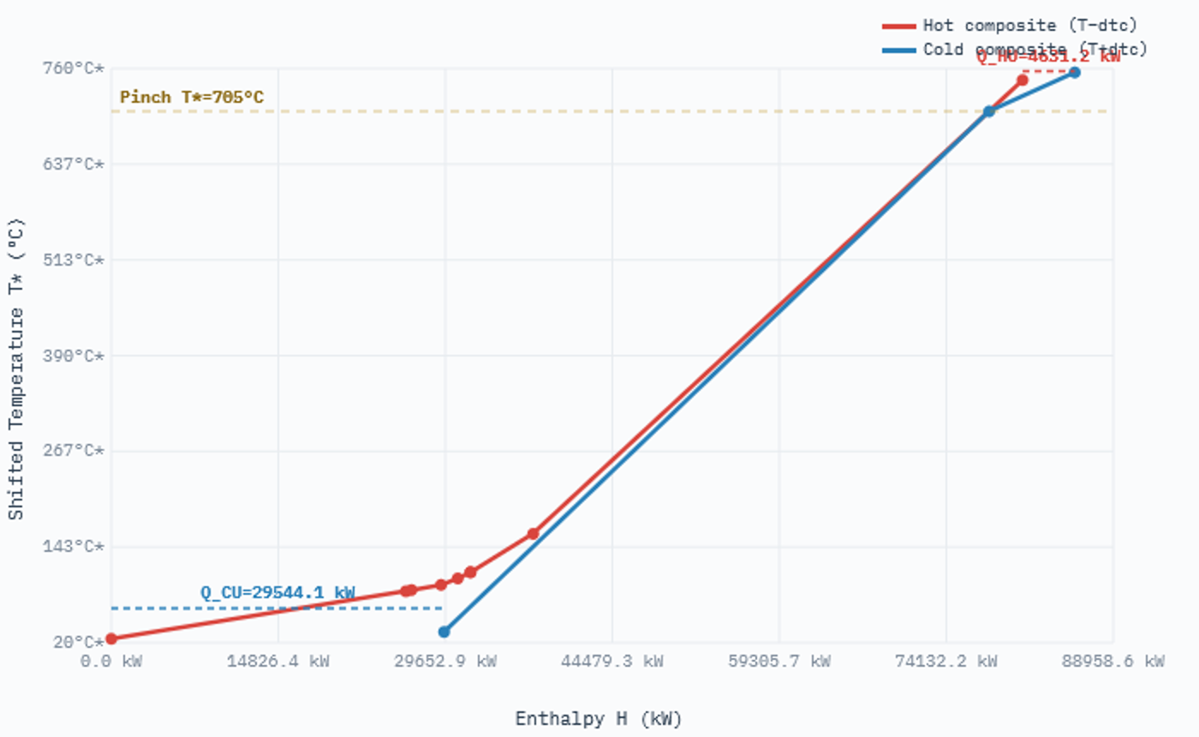
EQUIPMENTS DESCRIPTION
A full refractory reactor (asset) is required for cost calculation.

EQUIPMENTS |  |  |  |  |  |  | Obtain investment from equipments cost database, which already provides the application range
NAME | TYPE | SUBTYPE | REFERENCE | PARAMS | VALUE | UNIT
rWGS_Reactor | Asset | Refractory Reactor | @Florez-Orrego et al | Lifetime | 25 | year
 |  |  |  | Specific investment cost | 200 | eur/kWth
 |  |  |  | CEPCI 2008 | 575.4 | -

OPERATING COST DESCRIPTION
The fixed and variable operating costs includes manpower, fixed cost of operation, taxes etc.

The variable operating cost is calculated by multiplying the specific operating cost [EUR/kWh or EUR/kg] and reference capacity [kW or kg/h]
FIXED OPERATING COST [EUR/y] | VARIABLE OPERATING COST [EUR/h]
0 | 0

DOCUMENTATION
1. System Overview
The Reverse Water-Gas Shift (rWGS) unit converts low-pressure carbon dioxide (CO2) and hydrogen (H2) into synthesis gas (syngas) and a water byproduct.
The core process is a high-temperature endothermic reactor operating at 750°C. To maximize efficiency, the system utilizes a high-capacity recuperative heat exchange network that recovers thermal energy from the hot product gas to preheat incoming reactants.

2. Mass Balance & Connectors
The system processes approximately 75.4 metric tons of feed per hour.
• Inputs: CO2 and H2 at 30°C, 1 bar.
• Outputs: Syngas delivered at 46,069 kg/h and Water at 29.36 m3/h.
• Electricity: 12,074.3 kW required for compression and the recycle loop.

3. Thermal Profile & Heat Streams
Advanced heat recovery significantly reduces external heating requirements. The thermal duty breakdown is as follows:
• Recuperative Preheating: 48,387 kW (29°C to 700°C)
• Reactor Heat Demand: 7,606 kW (700°C to 750°C)
• Total Waste Heat Removal: 20,310 kW (Effluent subcooling to 30°C)

4. Equipment & Economics
CAPEX is calculated based on 'Costing Heat,' which aggregates the reactor duty and 40% of the primary preheating duty to reflect high-alloy material costs.
• Costing Heat Basis: 26,961 kWth
• Total Annualized CAPEX: 437,059 EUR/year (CEPCI 2020 adjusted).

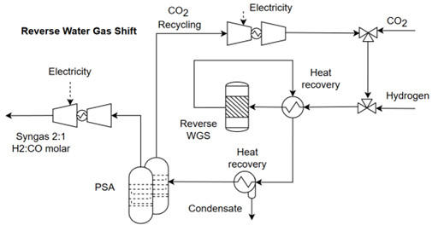
5. Technical Summary Table
Mass flow rate of CO2 consumed at 30C and 1bar: 66,014.00 kg/h
Mass flow rate of H2 consumed at 30C and 1bar: 9,421.00 kg/h
Mass flow rate of syngas produced at 5 bar, molfrac: 46,069.00 kg/h
Water production in the reverse water gas shift reaction: 29.36 m3/h
Power consumption in the compression of the RWGS reactants up to 5 bar: 12,074.30 kW
Preheating from 450 °C to 750 °C corresponds to only 40% of preheating from 30C to 750C: 26,960.80 kWth
Annualization factor: 0.08 -
Investment cost of rWGS (2020): 437,058.93 eur/year

6. References
[1] Hysys Model, and Impact of the reverse water-gas shift operating conditions on the Power-to-Liquid fuel production cost - Adelung, and Fischer–Tropsch Synthesis as the Key for Decentralized Sustainable Kerosene Production - Meurer; [2] Adelung, S., Maier, S., & Dietrich, R. U. (2021). Impact of the reverse water-gas shift operating conditions on the Power-to-Liquid process efficiency. Sustainable Energy Technologies and Assessments, 43, 100897; [3] Samimi, F., Hamedi, N., & Rahimpour, M. R. (2019). Green methanol production process from indirect CO2 conversion: RWGS reactor versus RWGS membrane reactor. Journal of environmental chemical engineering, 7(1), 102813.

