wideNames
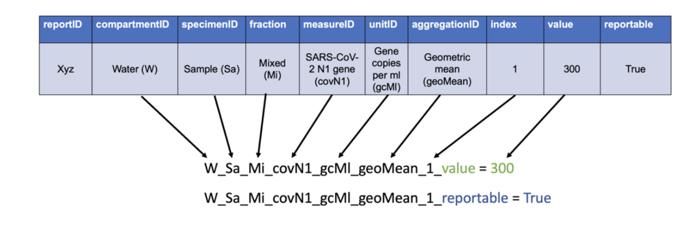
Fully-specificed part (measure) | Fully-specified part (attribute) | label | description | reportTable | component | component_partID | specimen | specimen_partID | fractionAnalyzed | fractionAnalyzed_partID | measureID | measure_partID | partType | unit | unit_partID | aggregation | aggregation_partID | index | measureType | NML | EU--DEEP | MECP | part (fully specified measure)
#REF! |  |  |  |  | Surface compartment | surf | Sample | sa | Liquid fraction | liq | Absolute humidity | covN1 | #REF! | Gene Copies per mL | gcMl | Geometric Mean | gmn | 1 | value |  |  |  | #REF!
#REF! |  |  |  |  | Water compartment | wat | Site | si | Mixed/homogenized sample | mix | Flow rate | floRate | #REF! | CFU per 100 ml | cfu | Single | sin |  | reportable |  |  |  | #REF!
#REF! |  |  |  |  | Water compartment | wat | Sample | sa | Solid fraction | sol | Delta | delta | #REF! | Detected | det | Single | sin |  | qualityFlag |  |  |  | #REF!
 |  |  |  |  |  |  |  |  |  |  |  |  |  |  | days
 |  |  |  |  |  |  |  |  |  |  |  |  |  |  | zymoQuick
 |  |  |  |  |  |  |  |  |  |  |  |  |  |  | zymoQuick
 |  |  |  |  |  |  |  |  |  |  |  |  |  |  | days
 |  |  |  |  |  |  |  |  |  |  |  |  |  |  | days
 |  |  |  |  |  |  |  |  |  |  |  |  |  |  | days
 |  |  |  |  |  |  |  |  |  |  |  |  |  |  | days
 |  |  |  |  |  |  |  |  |  |  |  |  |  |  | days
 |  |  |  |  |  |  |  |  |  |  |  |  |  |  | days
 |  |  |  |  |  |  |  |  |  |  |  |  |  |  | zymoQuick
 |  |  |  |  |  |  |  |  |  |  |  |  |  |  | days
 |  |  |  |  |  |  |  |  |  |  |  |  |  |  | zymoQuick
 |  |  |  |  |  |  |  |  |  |  |  |  |  |  | zymoQuick
 |  |  |  |  |  |  |  |  |  |  |  |  |  |  | days

