wideNames
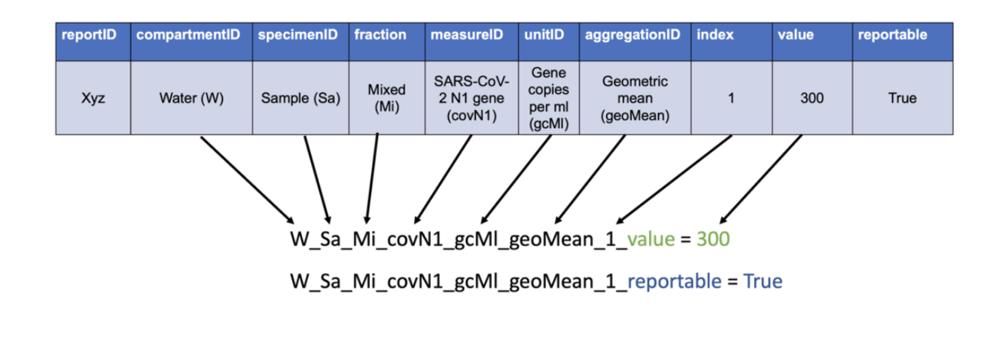
Fully-specificed part (measure) | Fully-specified part (attribute) | label | description | reportTable | component | component_partID | specimen | specimen_partID | fractionAnalyzed | fractionAnalyzed_partID | measureID | measure_partID | partType | unit | unit_partID | aggregation | aggregation_partID | index | measureType | NML | EU--DEEP | MECP | part (fully specified measure)
surf_sa_liq_covN1_gcMl_gmn_1_value |  |  |  |  | Surface compartment | surf | Sample | sa | Liquid fraction | liq | Absolute humidity | covN1 | measure | Gene Copies per mL | gcMl | Geometric Mean | gmn | 1 | value |  |  |  | surf_sa_liq_covN1_gcMl_gmn_1_value
wat_si_mix_floRate_cfu_sin__reportable |  |  |  |  | Water compartment | wat | Site | si | Mixed/homogenized sample | mix | Flow rate | floRate | measure | CFU per 100 ml | cfu | Single | sin |  | reportable |  |  |  | wat_si_mix_floRate_cfu_sin__reportable
wat_sa_sol_delta_det_sin__qualityFlag |  |  |  |  | Water compartment | wat | Sample | sa | Solid fraction | sol | Delta | delta | measure | Detected | det | Single | sin |  | qualityFlag |  |  |  | wat_sa_sol_delta_det_sin__qualityFlag
 |  |  |  |  |  |  |  |  |  |  |  |  |  |  | 0
 |  |  |  |  |  |  |  |  |  |  |  |  |  |  | 0
 |  |  |  |  |  |  |  |  |  |  |  |  |  |  | 0
 |  |  |  |  |  |  |  |  |  |  |  |  |  |  | 0
 |  |  |  |  |  |  |  |  |  |  |  |  |  |  | 0
 |  |  |  |  |  |  |  |  |  |  |  |  |  |  | #N/A
 |  |  |  |  |  |  |  |  |  |  |  |  |  |  | 0
 |  |  |  |  |  |  |  |  |  |  |  |  |  |  | 0
 |  |  |  |  |  |  |  |  |  |  |  |  |  |  | 0
 |  |  |  |  |  |  |  |  |  |  |  |  |  |  | 0
 |  |  |  |  |  |  |  |  |  |  |  |  |  |  | 0
 |  |  |  |  |  |  |  |  |  |  |  |  |  |  | 0
 |  |  |  |  |  |  |  |  |  |  |  |  |  |  | 0
 |  |  |  |  |  |  |  |  |  |  |  |  |  |  | 0

