E&P Sensitivity Rankings
Antero Resources | 0 | California Resources | 0 | Carrizo Oil&Gas | 0 | Centennial Resource | 0 | Chesapeake Energy | 0 | CNX Resources | 0 |  | 0 | Denbury Resources | 0 | Endeavor Energy | 0 | Diamondback Energy | 0 | EP Energy | 0 | Gulfport | 0 | Hilcorp Exploration | 0 | Jagged Peak | 0 | Kosmos Energy | 0 | Laredo Petroleum | 0 | Matador Resources | 0 | Murphy Oil | 0 | Oasis Petroleum | Newfield Exploration | 0 | Paramount Resources | 0 | Parsley Energy | 0 | PDC Energy | 0 | Range Resources | 0 | SM Energy | 0 | Southwestern | 0 | QEP Resources | 0 | Whiting Petroleum | 0 | WPX Energy
0.97 | 0 | 0.57834416578 | 0 | 0.8439863696 | 0 | 1.1331680512 | #DIV/0! | 0.68463784765 | 0 | 1.0562915799 | 0 |  | 0 | 0.61616116704 | #DIV/0! | #DIV/0! | #DIV/0! | 1.1977125618 | #DIV/0! | 0.38632288723 | #DIV/0! | #DIV/0! | #DIV/0! | 1 | 0 | 1.7850832653 | 0 | 0.92580394481 | 0 | 0.9917564568 | 0 | 0.66468444983 | #DIV/0! | #DIV/0! | #DIV/0! | 0.69651246794 | #DIV/0! | #DIV/0! | #DIV/0! | #DIV/0! | 1.2158490552 | #DIV/0! | #DIV/0! | #DIV/0! | 1.1794118916 | #DIV/0! | 0.64224064149 | #DIV/0! | 1.9905055554 | #DIV/0! | 0.89963615999 | #DIV/0! | 1.0358014698 | #DIV/0! | 0.95222872268

PDP Coverage
Assumptions
WTI Crude Oil | 45.453373826
NYMEX Natural Gas | 2.75

Company | Coverage
Antero Resources | 97% |  | 46.84
California Resources | 58% |  | 63.3
Carrizo Oil&Gas | 84% |  | 51.89
Centennial Resource | 113% |  | 42.72
Chesapeake Energy | 68% |  | 68
CNX Resources | 106% |  | 28.97
Denbury Resources | 62% |  | 56.23
Endeavor Energy | #DIV/0!
Diamondback Energy | 120% |  | 40.27
EP Energy | 39% |  | 93.43
Gulfport | #DIV/0!
Hilcorp Exploration | 100%
Jagged Peak | 179%
Kosmos Energy | 93%
Laredo Petroleum | 99%
Matador Resources | 66%
Murphy Oil | #DIV/0!
Oasis Petroleum | 70%
Newfield Exploration | #DIV/0!
Paramount Resources | #DIV/0!
Parsley Energy | 122%
PDC Energy | #DIV/0!
Range Resources | 118%
SM Energy | 64%
Southwestern | 199%
QEP Resources | 90%
Whiting Petroleum | 104%
WPX Energy | 95%

Anadarko Petroleum | 0 | Apache Corp | 0 | Cimarex | 0 | Concho Resources | 0 | ConocoPhillips | 0 | Continental Resources | 0 | Encana | 0 | Devon Energy | 0 | EOG Resources | 0 | 0 | 0 | Husky Energy | 0 | Marathon Oil | 0 | Noble Energy | 0 | Occidental Petroleum | 0 | Pioneer Natural Resources | 0 | 0 | 0 | 0 | 0 | 0 | 0 | 0 | 0 | 0 | 0 | 0 | 0 | 0 | 0 | 0 | 0 | 0 | 0 | 0 | 0 | 0 | 0 | 0 | 0 | 0 | 0 | 0 | 0 | 0
1.35 | 0 | 1.5586709727 | 0 | 2.9782620545 | 0 | 2.0346970138 | 0 | 2.1521243073 | #DIV/0! | 1.4903797423 | 0 | 1.1563545977 | #DIV/0! | 1.9064014155 | #DIV/0! | 3.1645044755 | #DIV/0! | #DIV/0! | #DIV/0! | 1.3656685011 | #DIV/0! | 2.0402046022 | #DIV/0! | #DIV/0! | #DIV/0! | 1.7320555091 | #DIV/0! | 3.3729895635 | 0 | 0 | 0 | 0 | 0 | 0 | 0 | 0 | 0 | 0 | 0 | 0 | 0 | 0 | 0 | 0 | 0 | 0 | 0 | 0 | 0 | 0 | 0 | 0 | 0 | 0 | 0 | 0 | 0 | 0

Company | Coverage
Anadarko Petroleum | 135%
Apache Corp | 156%
Cimarex | 298%
Concho Resources | 203%
ConocoPhillips | 215%
Continental Resources | 149%
Encana | 116%
Devon Energy | 191%
EOG Resources | 316%
Husky Energy | 137%
Marathon Oil | 204%
Noble Energy | #DIV/0!
Occidental Petroleum | 173%
Pioneer Natural Resources | 337%

Midstream Comps
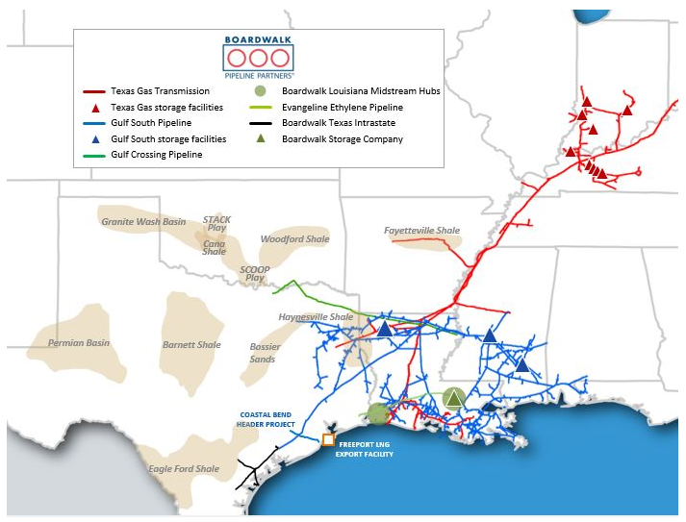
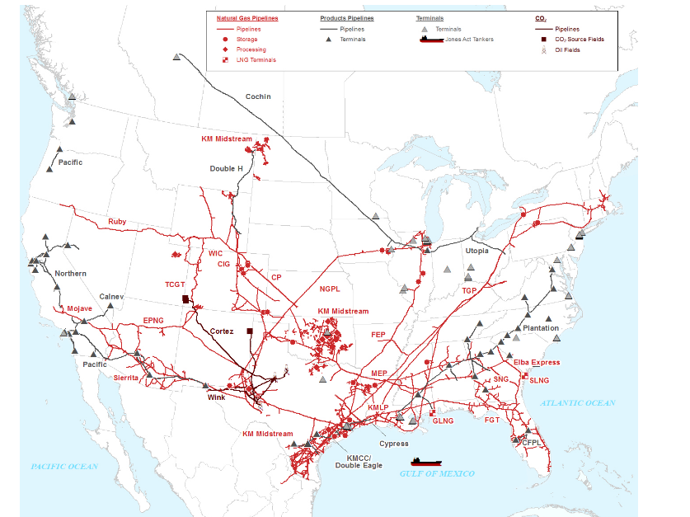
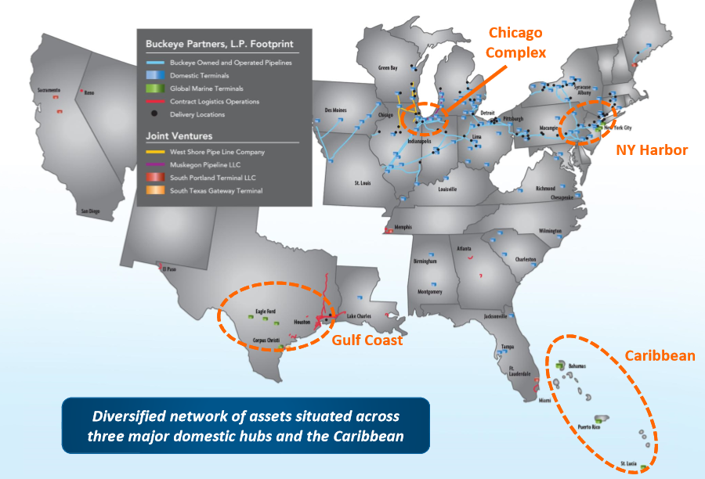
 | Boardwalk | Buckeye | Enable | Enbridge | Enterprise | Energy Transfer | Kinder Morgan | Magellan | Oneok | Plains All American | TransCanada | Williams | Western Midstream |  | Antero Midstream | Blue Racer | Cheniere |  | Crestwood |  | DCP Midtream |  | EnLink |  | Genesis Energy | NGL Partners | Targa Resources | NGLPCO | SemGroup | Sunoco LP | Tallgrass
Ratings | Baa3/BBB-/BBB- | Baa3/BBB-/BBB- | Baa3/BBB-/BBB- | Baa2/BBB+/BBB+ | Baa1/BBB+/BBB+ | Baa3/BBB-/BBB- | Baa2/BBB/BBB- | Baa1/BBB+/BBB+ | Baa3/BBB/BBB- | Ba1/BBB-/BBB- | Baa1/BBB+/A- | Baa3/BBB/BBB- | Ba1/BBB-/BBB- |  | Ba3/BB+/BBB- | B2/B/BB- | Ba2/BB/BB |  | B1/BB- |  | Ba2/BB/BB+ |  | Ba1/BB+/BBB- |  |  |  | Ba3/BB | Ba1/BBB- | B3/B+ | BA1/BB-/BB
Bond | 5.95% '26 | 4.125% '27 | 4.40% '27 | 3.70% '27 | 4.15% '28 | 5.5% '27 | 4.30% '25 | 5.0% '26 | 4.55% ' 28 | 4.50% '26 | 4.25% '28 | 3.75% '27 | 4.75% '28 |  | 5.75% '27 |  |  |  | 5.75% '25 |  | 5.375% '25 |  | 4.85% '26 |  |  |  | 5.375% '27
Price | 108.9 | 91.2 | 97.7 | 101.0 | 105.3 | 108.2 | 104.5 | 108.9 | 104.5 | 102.6 | 104.1 | 100.1 | 99.5 | ax3484406 corp | 101.7 | #N/A Invalid Security | #N/A Invalid Security | aO0405131 corp | 102.5 | at5412909 corp | 104.7 | lw8414374 corp | 99.0 | AL7282349 corp | 103.2 | #N/A Invalid Field | 101.7 | #N/A Invalid Security | #N/A Invalid Security | 101.1 |  | as5051345 corp | 104.1 | an8093246 corp | 100.1 | at9556495 corp | 99.5
Spread | 214.4 | 308.7 | 243.5 | 121.1 | 110.5 | 193.3 | 118.5 | 119.8 | 158.9 | 176.7 | 134.0 | 140.8 | 245.8 | ax3484406 corp | 5.43 | #N/A Invalid Security | #N/A Invalid Security | aO0405131 corp | 5.13 | at5412909 corp | 4.50 | lw8414374 corp | 5.05 | AL7282349 corp | 80.5 | 246.0 | 5.1 | #N/A Invalid Security | #N/A Invalid Security | 262.9 |  | as5051345 corp | 134.0 | an8093246 corp | 140.8 | at9556495 corp | 245.8
Financials | 2018-12-31 | 2018-12-31 | 2018-12-31 | 12/31/2018 ($CAD) | 2018-12-31 | 2018-12-31 | 2018-12-31 | 2018-12-31 | 2018-12-31 | 2018-12-31 | 2018-12-31 | 2018-12-31 | 2018-12-31 |  | 2018-12-31 | 2018-12-31 | 2018-12-31 |  | 2018-12-31 |  | 2018-12-31 |  | 2018-12-31 |  | 2018-12-31 | 2018-12-31 | 2018-12-31 | 2018-12-31 | 2018-12-31 | 2018-12-31 |  |  | 2018-12-31 |  | 2018-12-31 |  | 2018-12-31
Revenue ($mm) | 1,223.7 | 4,108.3 | 3,431.0 | 46,378.0 | 36,534.2 | 54,087.0 | 14,144.0 | 2,826.6 | 12,593.2 | 34,055.0 | 13,679.0 | 8,686.0 | 2,143.3 |  |  |  |  |  | 3,654.1 |  | 9,822.0 |  | 7,699.0 |  |  |  | 10,484.0 |  |  | 16,994.0
EBITDA ($mm) | 759.0 | 886.1 | 1,062.0 | 11,694.0 | 7,259.0 | 9,071.0 | 7,568.0 | 1,395.8 | 2,453.5 | 2,684.0 | 8,563.0 | 4,459.0 | 1,200.1 |  |  |  |  |  | 420.1 |  | 1,092.0 |  | 1,041.8 |  |  |  | 1,366.3 |  |  | 638.0
EBITDA margin | 62.0% | 21.6% | 31.0% | 25.2% | 19.9% | 16.8% | 53.5% | 49.4% | 19.5% | 7.9% | 62.6% | 51.3% | 56.0% |  | #DIV/0! | #DIV/0! | #DIV/0! |  | 11.5% |  | 11.1% |  | 13.5% |  | #DIV/0! |  | 13.0% | #DIV/0! | #DIV/0! | 3.8% |  |  | #DIV/0! |  | #DIV/0! |  | #DIV/0!

Debt | 3,727.5 | 4,714.4 | 4,298.0 | 64,610.0 | 26,420.6 | 46,028.0 | 36,593.0 | 4,550.0 | 9,451.4 | 9,209.0 | 42,287.0 | 22,414.0 | 4,840.0 |  |  |  |  |  | 1,753.3 |  | 5,307.0 |  | 4,461.4 |  |  |  | 6,692.9 |  |  | 3,014.0
Leverage | 4.9x | 5.3x | 4.0x | 5.5x | 3.6x | 5.1x | 4.8x | 3.3x | 3.9x | 3.4x | 4.9x | 5.0x | 4.0x |  | #DIV/0! | #DIV/0! | #DIV/0! |  | 4.2x |  | 4.9x |  | 4.3x |  | #DIV/0! |  | 4.9x | #DIV/0! | #DIV/0! | 4.7x |  |  | #DIV/0! |  | #DIV/0! |  | #DIV/0!
Interest Coverage | 4.3x | 4.7x | 7.0x | 4.3x | 6.6x | 5.3x | 3.9x | 6.3x | 5.2x | 9.0x | 3.8x | 3.8x | 6.5x |  | #DIV/0! | #DIV/0! | #DIV/0! |  | 4.2x |  | 4.1x |  | 5.9x |  | #DIV/0! |  | 7.8x | #DIV/0! | #DIV/0! | 4.4x |  |  | #DIV/0! |  | #DIV/0! |  | #DIV/0!
Liquidity | 923.6 | 879.5 | 856.0 | 9,397.0 | 4,344.8 | 2,658.0 | 6,898.0 | 1,154.0 | 2,510.6 | 3,066.0 | 13,346.0 | 4,494.0 | 1,165.8 |  |  |  |  |  | 524.9 |  | 1,037.0 |  | 1,850.4 |  |  |  | 2,249.3 |  |  | 1,342.0

Market Capitalization | NA | 5,236.0 | 6,513.0 | 94,174.5 | 60,564.7 | 45,338.9 | 44,684.6 | 14,046.8 | 26,771.2 | 17,161.0 | 41,218.8 | 33,217.2 |  |  |  |  |  |  | 3,176.0 |  | 5,617.6 |  | 6,711.7 |  |  |  | 9,882.0 |  |  | 2,585.2
Enterprise Value | NA | 9,948.6 | 10,803.0 | 158,278.5 | 86,640.5 | 90,948.9 | 77,946.6 | 18,436.0 | 36,210.6 | 26,304.0 | 83,059.8 | 55,463.2 | 4,749.6 |  | NA | - |  |  | 4,928.4 | - | 10,923.6 | - | 11,072.7 | - | - |  | 16,342.8 | - | - | 5,543.2 |  |  | - |  | - |  | -
Cash | 3.6 | 1.8 | 8.0 | 506.0 | 344.8 | 418.0 | 3,331.0 | 160.8 | 12.0 | 66.0 | 446.0 | 168.0 | 90.4 |  |  |  |  |  | 0.9 |  | 1.0 |  | 100.4 |  |  |  | 232.1 |  |  | 56.0
EV/EBITDA | NA | 11.2x | 10.2x | 13.5x | 11.9x | 10.0x | 10.3x | 13.2x | 14.8x | 9.8x | 9.7x | 12.4x | 4.0x |  | NA | #DIV/0! |  |  | 11.7x |  | 10.0x |  | 10.6x |  |  |  | 12.0x | #DIV/0! | #DIV/0! | 8.7x |  |  | #DIV/0! |  | #DIV/0! |  | #DIV/0!

LTM FCF
EBITDA | 759.0 | 886.1 | 1,062.0 | 11,694.0 | 7,259.0 | 9,071.0 | 7,568.0 | 1,395.8 | 2,453.5 | 2,684.0 | 8,563.0 | 4,459.0 | 1,200.1 |  | - | - | - |  | 420.1 |  | 1,092.0 |  | 1,041.8 |  | - |  | 1,366.3 | - | - | 638.0 | - |  | - |  | - |  | -
Capex | 486.7 | 467.6 | 728.0 | 8,118.0 | 4,223.2 | 7,407.0 | 2,904.0 | 552.3 | 2,141.5 | 1,634.0 | 9,418.0 | 3,256.0 | 1,193.9 |  |  |  |  |  | 241.1 |  | 949.0 |  | 843.1 |  |  |  | 3,114.8 |  |  | 103.0
Interest | 175.7 | 190.2 | 152.0 | 2,703.0 | 1,096.7 | 1,709.0 | 1,917.0 | 221.0 | 469.6 | 299.0 | 2,265.0 | 1,160.0 | 184.0 |  |  |  |  |  | 99.2 |  | 269.0 |  | 178.0 |  |  |  | 175.0 |  |  | 144.0
Tax | 0.6 | 3.7 | - | 385.0 | 38.9 | 13.0 | 182.0 | 0.1 | 1.9 | 66.0 | 315.0 | (82.0) | 0.5 |  |  |  |  |  | 0.1 |  | 3.0 |  | 1.9 |  |  |  | - |  |  | 28.0
Discretionary FCF | 96.0 | 224.6 | 182.0 | 488.0 | 1,900.2 | (58.0) | 2,565.0 | 622.4 | (159.5) | 685.0 | (3,435.0) | 125.0 | (178.3) |  | - | - | - |  | 79.7 |  | (129.0) |  | 18.8 |  | - |  | (1,923.5) | - | - | 363.0 | - |  | - |  | - |  | -
Dividends | 102.2 | 673.7 | 591.0 | 3,844.0 | 3,726.9 | 1,684.0 | 1,774.0 | 865.4 | 1,335.1 | 1,032.0 | 1,729.0 | 1,977.0 | 893.6 |  |  |  |  |  | 240.8 |  | 704.0 |  | 614.4 |  |  |  | 908.3 |  |  | 383.0
Share Repurchases | - | - | - | 210.0 | - | - | 273.0 | - | - | - | - | - | - |  |  |  |  |  | - |  | - |  | - |  |  |  | 4.0 |  |  | 540.0
FCF | (6.2) | (449.1) | (409.0) | (3,566.0) | (1,826.7) | (1,742.0) | 518.0 | (243.0) | (1,494.6) | (347.0) | (5,164.0) | (1,852.0) | (1,071.9) |  | - | - | - |  | (161.1) |  | (833.0) |  | (595.6) |  |  |  | (2,835.8) | - | - | (560.0) | - |  | - |  | - |  | -

Contracts

Description | Higher Leverage. Contract roll issues. Fixed fee revenue backlog declines. | 56% of EBITDA is pipelines with petrolum product in the northeast and midwest. 44% of EBITDA is from marine terminal in the East Coast, Gulf and Caribbean. Higer Leverage. Backwardated curve. | Strong producer activity on footprint (majority in SCOOP/STACK). Stable single digit growth outlook. Majority of contracts are fee-based. Reasonable leverage. | Leverage target is below ~5.0x (higher leverage). L3 delays highlight regulatory issues. | Integrated asset base. Self fund equity growth investments. 3.5x net debt/leverage target. |  | 4.5x leverage target. Natural gas levered. Strong growth pipeline. 50% owner of Ruby Pipelin ($150mm to KMI) | Leverage expected to rise due to growth projects. | Leverage anticipated to increase by 1.0x in 2019 due to XXX. Significant FCF deficit. | Upgrade from Moody's isn't expected for the next few quarters. | Moody's negative outlook. | Long term 4.2x target.

