E&P Sensitivity Rankings
Cash Costs / Cash Margin
 | Cash Costs | Cash Margin
Antero Resources | 13.58 | 21.96
California Resources | 28.60 | 30.23
Carrizo Oil&Gas | 12.77 | 25.44
Centennial Resources | 11.76 | 14.53
Chesapeake Energy | 13.76 | 23.85
Denbury Resources | 32.87 | 35.20
Diamondback Energy | 9.00 | 25.42
Hilcorp Exploration | 20.75 | 30.60
Jagged Peak | 15.98 | 23.53
Laredo Petroleum | 7.04 | 28.30
Matador Resources | 14.63 | 31.57
Oasis Petroleum | 18.71 | 33.55
Parsley Energy | 10.92 | 21.36
PDC Energy | 10.68 | 20.52
SM Energy | 13.75 | 17.88
QEP Resources | 14.82 | 25.87
Whiting Petroleum | 14.02 | 20.84
Ascent Resources |  | Antero Resources | 0 | California Resources | 0 | Carrizo Oil&Gas | 0 | Centennial Resources | 0 | Chesapeake Energy | 0 | CNX Resources | 0 |  | 0 | Denbury Resources | 0 | Endeavor Energy | 0 | Diamondback Energy | 0 | EP Energy | 0 | Gulfport | 0 | Hilcorp Exploration | 0 | Jagged Peak | 0 | Kosmos Energy | 0 | Laredo Petroleum | 0 | Matador Resources | 0 | Murphy Oil | 0 | Oasis Petroleum | Newfield Exploration | 0 | Paramount Resources | 0 | Parsley Energy | 0 | PDC Energy | 0 | Range Resources | 0 | SM Energy | 0 | Southwestern | 0 | QEP Resources | 0 | Whiting Petroleum | 0 | WPX Energy
1.1715986329 |  | 1.50 | #DIV/0! | 0.93693680755 | #DIV/0! | 0.96295286519 | #DIV/0! | 1.7677868087 | #DIV/0! | 0.88291006877 | #DIV/0! | 1.0368464962 | #DIV/0! |  | #DIV/0! | 1.0664630412 | #DIV/0! | #DIV/0! | #DIV/0! | 1.7524437891 | #DIV/0! | 0.57237227267 | #DIV/0! | #DIV/0! | #DIV/0! | 1.8482659884 | #DIV/0! | 2.3787454418 | #DIV/0! | 1.408151877 | #DIV/0! | 1.3098891328 | #DIV/0! | 1.0960135193 | #DIV/0! | #DIV/0! | #DIV/0! | 1.1782257342 | #DIV/0! | #DIV/0! | #DIV/0! | #DIV/0! | 1.6505459632 | #DIV/0! | 2.5924320691 | 0 | 0.99806182662 | #DIV/0! | 1.0297948835 | #DIV/0! | 1.5336330358 | #DIV/0! | 1.3910934128 | #DIV/0! | 1.5719009874 | #DIV/0! | 1.4459521413
8.4085847493 |  | 6.33 | qJ9576555 corp | 21.11 | AO1652376 corp | 8.77 | aq0125759 corp | 6.20 | AU6889052 corp | 9.71 | ax4642358 corp | 9.24 | AL7282349 corp | 2.91 | AQ2692491 corp | 11.60 | AQ2229047 corp | 4.81 | AO0955093 corp | 3.93 | AF2041107 corp | 153.19 | AO6542499 corp | 11.71 | EK9287666 corp | 5.72 | ax0971496 corp | 6.75 | - | - | EK7884373 corp | 10.34 | av7264519 corp | 5.91 | ao6537143 corp | 5.54 | as4470579 corp | 8.35 | - | ap2883829 corp | 6.44 | al5956845 corp | 4.87 | at3081839 corp | 6.34 | jk4439317 corp | 7.49 | at9394434 corp | 8.51 | ap0996078 corp | 8.59 | ap8909974 corp | 7.64 | as9994474 corp | 8.34 | as5835499 corp | 5.45
9.638377278 |  | 13.58 | - | 28.60 | - | 12.77 | - | 11.76 | - | 13.76 | - | 7.69 | - | 13.14 | - | 32.87 | - | - | - | 9.00 | - | 14.39 | - | - | - | 20.75 | - | 15.98 | - | 25.06 | - | 7.04 | - | 14.63 | - | - | - | 18.71 | - | - | - | - | 10.92 | - | 10.68 | - | 11.52 | - | 13.75 | - | 6.92 | - | 14.82 | - | 14.02 | - | 15.48
4.4745163967 |  | 2.21 | - | 1.02 | - | 3.86 | - | 3.38 | - | 3.25 | - | 3.83 | - | 2.56 | - | 0.55 | - | - | - | 4.86 | - | 0.64 | - | - | - | 2.92 | - | 2.20 | - | 0.94 | - | 1.15 | - | 1.51 | - | - | - | 1.60 | - | - | - | - | 2.68 | - | 1.60 | - | 3.54 | - | 2.69 | - | 5.30 | - | 1.08 | - | 1.68 | - | 2.34
10.12015316 |  | 8.55 | 0 | 21.95854764 | 0 | 30.228752771 | 0 | 25.443375711 | 0 | 14.533292794 | 0 | 12.373272544 | 0 | 27.841453757 | 0 | 23.848326004 | 0 | 0 | 0 | 35.20426381 | 0 | 26.854068001 | 0 | 0 | 0 | 25.415887076 | 0 | 30.6041967 | 0 | 22.977387146 | 0 | 23.52667949 | 0 | 28.296895028 | 0 | 0 | 0 | 31.569996826 | 0 | 0 | 0 | 0 | 33.551017853 | 0 | 21.359776119 | 0 | 8.5926510837 | 0 | 20.51594533 | 0 | 9.1862527716 | 0 | 17.877947043 | 0 | 25.867100531 | 0 | 20.842313993
11.726995269 |  | 16.83 | 0 | 42.334705362 | 0 | 19.913722381 | 0 | 18.933653837 | 0 | 17.366870284 | 0 | 10.499109417 | 0 | 23.543058471 | 0 | 60.917896301 | 0 | 0 | 0 | 15.860246483 | 0 | 38.423166665 | 0 | 0 | 0 | 28.700064311 | 0 | 28.962886389 | 0 | 43.730942555 | 0 | 22.14241487 | 0 | 31.722260798 | 0 | 0 | 0 | 35.091883524 | 0 | 0 | 0 | 0 | 22.230181033 | 0 | 23.162642466 | 0 | 13.521902133 | 0 | 20.106713468 | 0 | 8.5336970662 | 0 | 28.836214287 | 0 | 27.322188723 | 0 | 22.877369946
8.03 | 0 | 5.30 | 0 | 8.2229154558 | 0 | 23.08597331 | 0 | 18.274275236 | 0 | 10.927444097 | 0 | 9.5657569619 | 0 | 17.437644234 | 0 | -4.1972920098 | 0 | 0 | 0 | 28.340089581 | 0 | 2.8254965723 | 0 | 0 | 0 | 17.463661621 | 0 | 17.620807348 | 0 | 4.3060061937 | 0 | 8.4287770557 | 0 | 11.201512666 | 0 | 0 | 0 | 15.183253266 | 0 | 0 | 0 | 0 | 22.24208779 | 0 | 8.8742729567 | 0 | 6.595728754 | 0 | 14.160985848 | 0 | 7.5771676788 | 0 | 3.859437545 | 0 | 12.568567399 | 0 | 13.44041607
2.5024330228 | 0 | 3.03 | #DIV/0! | 5.2915848564 | #DIV/0! | 2.1532742826 | #DIV/0! | 1.9257159111 | #DIV/0! | 3.8702243441 | #DIV/0! | 2.781205386 | #DIV/0! | #DIV/0! | #DIV/0! | 4.1996576158 | #DIV/0! | #DIV/0! | #DIV/0! | 1.2602927113 | #DIV/0! | 7.1335811656 | #DIV/0! | #DIV/0! | #DIV/0! | 1.9864703218 | #DIV/0! | 1.7130827707 | #DIV/0! | #DIV/0! | #DIV/0! | 2.1387167699 | #DIV/0! | 2.4184397354 | #DIV/0! | #DIV/0! | #DIV/0! | 2.7701358271 | #DIV/0! | #DIV/0! | #DIV/0! | #DIV/0! | 1.5397808119 | #DIV/0! | 1.0306654887 | #DIV/0! | 3.337163042 | #DIV/0! | 2.6480004352 | #DIV/0! | 2.1744187658 | #DIV/0! | 2.5714529925 | #DIV/0! | 2.0956386265 | #DIV/0! | 1.9181075066
Full-Cycle Costs
 | Full-cycle Costs
Antero Resources | 42.33
California Resources | 19.91
Carrizo Oil&Gas | 18.93
Centennial Resources | 17.37
Chesapeake Energy | 60.92
Denbury Resources | 15.86
Diamondback Energy | 28.70
Hilcorp Exploration | 28.96
Jagged Peak | 22.14
Laredo Petroleum | 31.72
Matador Resources | 35.09
Oasis Petroleum | 22.23
Parsley Energy | 23.16
PDC Energy | 20.11
SM Energy | 28.84
QEP Resources | 27.32
Whiting Petroleum | 22.88
WPX Energy
23563.006312 | 0 | 24762.416382 | 0 | 108538.46946 | 0 | 77346.79878 | 0 | 34706.154558 | 0 | 56481.376656 | 0 | 26430.789549 | 0 | 37111.103246 | 0 | 116851.31835 | 0 | 0 | 0 | 67151.764036 | 0 | 152942.19006 | 0 | 0 | 0 | 38380.699991 | 0 | 35661.443097 | 0 | 87960.303634 | 0 | 38943.446109 | 0 | 64446.934463 | 0 | 0 | 0 | 85955.386623 | 0 | 0 | 0 | 0 | 49977.371667 | 0 | 26178.84452 | 0 | 28232.21486 | 0 | 54796.371681 | 0 | 19302.197802 | 0 | 67230.954485 | 0 | 59462.657857 | 0 | 43951.231475
19.76 | 0 | 22.128357937 | 0 | 50.557620818 | 0 | 42.999695692 | 0 | 37.207929073 | 0 | 28.294314381 | 0 | 20.064866378 | 0 | 40.980702705 | 0 | 56.720604291 | 0 | 0 | 0 | 44.200336064 | 0 | 41.248663238 | 0 | 0 | 0 | 46.163725931 | 0 | 46.583693737 | 0 | 48.036948749 | 0 | 30.571191925 | 0 | 42.923773463 | 0 | 0 | 0 | 50.27513679 | 0 | 0 | 0 | 0 | 44.472268823 | 0 | 32.036915423 | 0 | 20.117630887 | 0 | 34.267699317 | 0 | 16.110864745 | 0 | 32.695651832 | 0 | 39.890756123 | 0 | 36.317786016
 | 100% PDP Coverage
8.41 | 15.55
6.33 | 46.84
21.11 | 62.62
8.77 | 54.17
6.20 | 42.72
9.71 | 61.08
11.60 | 56.23
3.93 | 40.27
5.72 | 40.45
6.75 | 32.19
10.34 | 45.75
5.91 | 55.87
8.35 | 52.1
4.87 | 41.68
6.34 | 29.72
8.51 | 61.99
7.64 | 47.65
8.34 | 44.51
5.45 | 46.86
 | 80% PDP Coverage
6.33
21.11 | 54.31
8.77 | 45.86
6.20 | 37.25
9.71 | 49.16
11.60 | 50.62
3.93 | 35.02
5.72 | 35.15
6.75 | 28.16
10.34 | 38.58
5.91 | 47.28
8.35 | 45.24
4.87 | 36.05
6.34 | 25.8
8.51 | 52.75
7.64 | 41.56
8.34 | 39.24
5.45 | 40.97
 |  | Assumptions
 | 120% PDP Coverage
6.33
21.11 | 70.93
8.77 | 62.48
6.20 | 47.1
9.71 | 73
11.60 | 61.85
3.93 | 45.51
5.72 | 45.74
6.75 | 36.22
10.34 | 52.92
5.91 | 64.47
8.35 | 58.96
4.87 | 47.31
6.34 | 33.64
8.51 | 71.24
7.64 | 53.75
8.34 | 49.78
5.45 | 52.75
Full-cycle Ratio (Cash Margin/F&D Costs)
 | Full-cycle Ratio
6.33 | 2.21
21.11 | 1.02
8.77 | 3.86
6.20 | 3.38
9.71 | 3.25
11.60 | 0.55
3.93 | 4.86
5.72 | 2.92
6.75 | 2.20
10.34 | 1.15
5.91 | 1.51
8.35 | 1.60
4.87 | 2.68
6.34 | 1.60
8.51 | 2.69
7.64 | 1.08
8.34 | 1.68
5.45 | 2.34
Unlevered Margin
 | Full Cost
6.33 | 8.22
21.11 | 23.09
8.77 | 18.27
6.20 | 10.93
9.71 | -4.20
11.60 | 28.34
3.93 | 17.46
5.72 | 17.62
6.75 | 8.43
10.34 | 11.20
5.91 | 15.18
8.35 | 22.24
4.87 | 8.87
6.34 | 14.16
8.51 | 3.86
7.64 | 12.57
8.34 | 13.44
5.45
 | Debt/2019 EBITDA
6.33 | 3.03
21.11 | 5.29
8.77 | 2.15
6.20 | 1.93
9.71 | 3.87
11.60 | 4.20
3.93 | 1.26
5.72 | 1.99
6.75 | 1.71
10.34 | 2.14
5.91 | 2.42
8.35 | 2.77
4.87 | 1.54
6.34 | 1.03
8.51 | 2.65
7.64 | 2.57
8.34 | 2.10
5.45 | 1.92
 | Debt/LQA Production
6.33 | #N/A
21.11 | 108538.47
8.77 | 77346.80
6.20 | 34706.15
9.71 | 56481.38
11.60 | 116851.32
3.93 | 67151.76
5.72 | 38380.70
6.75 | 35661.44
10.34 | 38943.45
5.91 | 64446.93
8.35 | 85955.39
4.87 | 49977.37
6.34 | 26178.84
8.51 | 54796.37
7.64 | 67230.95
8.34 | 59462.66
5.45 | 43951.23
 |  | WTI Crude Oil | 60
 |  | NYMEX Natural Gas | 2.75 |  |  | 63.829787234
 |  |  |  |  | $2.75 NG
 |  | Company | Coverage | Yield | 100% PDP Coverage | 80% PDP Coverage | 120% PDP Coverage | Cash Costs | Cash Margin | Full-cycle Ratio | Full-cycle Costs | Full Cost | Debt/2019 EBITDA | Debt/LQA Production | Revenue/boe
 |  | Ascent Resources | 117% | 8.41 | 15.55 |  |  | 9.638377278 | 10.12015316 | 4.4745163967 | 11.726995269 | #N/A | 2.5024330228 | #N/A | 19.76
 |  | Antero Resources | 150% | 6.33 | 46.84 |  |  | 13.581852376 | 8.5465055612 | 2.2096961608 | 16.831905509 | #N/A | 3.0305693707 | #N/A | 22.13
 |  | California Resources | 94% | 21.11 | 62.62 | 54.31 | 70.93 | 28.60 | 21.96 | 1.02 | 42.33 | 8.22 | 5.29 | 108538.47 | 50.56
 |  | Carrizo Oil&Gas | 96% | 8.77 | 54.17 | 45.86 | 62.48 | 12.77 | 30.23 | 3.86 | 19.91 | 23.09 | 2.1532742826 | 77346.80 | 43.00
 |  | Centennial Resources | 177% | 6.20 | 42.72 | 37.25 | 47.1 | 11.76 | 25.44 | 3.38 | 18.93 | 18.27 | 1.9257159111 | 34706.15 | 37.21
PDP Coverage ($50 WTI / $2.25 NYMEX)
 | Coverage
Ascent Resources | 117%
Antero Resources | 150%
California Resources | 94%
Carrizo Oil&Gas | 96%
Centennial Resources | 177%
Chesapeake Energy | 88%
Denbury Resources | 107%
Diamondback Energy | 175%
Hilcorp Exploration | 185%
Jagged Peak | 238%
Laredo Petroleum | 131%
Matador Resources | 110%
Oasis Petroleum | 118%
Parsley Energy | 165%
PDC Energy | 259%
SM Energy | 103%
QEP Resources | 139%
Whiting Petroleum | 157%
WPX Energy | 145%
 |  | Chesapeake Energy | 88% | 9.71 | 61.08 | 49.16 | 73 | 13.76 | 14.53 | 3.25 | 17.37 | 10.93 | 3.8702243441 | 56481.38 | 28.29
 |  | Denbury Resources | 107% | 11.60 | 56.23 | 50.62 | 61.85 | 32.87 | 23.85 | 0.55 | 60.92 | -4.20 | 4.1996576158 | 116851.32 | 56.72
 |  | Diamondback Energy | 175% | 3.93 | 40.27 | 35.02 | 45.51 | 9.00 | 35.20 | 4.86 | 15.86 | 28.34 | 1.2602927113 | 67151.76 | 44.20
 |  | Hilcorp Exploration | 185% | 5.72 | 40.45 | 35.15 | 45.74 | 20.75 | 25.42 | 2.92 | 28.70 | 17.46 | 1.9864703218 | 38380.70 | 46.16
 |  | Jagged Peak | 238% | 6.75 | 32.19 | 28.16 | 36.22 | 15.98 | 30.60 | 2.20 | 28.96 | 17.62 | 1.7130827707 | 35661.44 | 46.58
 |  | Laredo Petroleum | 131% | 10.34 | 45.75 | 38.58 | 52.92 | 7.04 | 23.53 | 1.15 | 22.14 | 8.43 | 2.1387167699 | 38943.45 | 30.57
 |  | Matador Resources | 110% | 5.91 | 55.87 | 47.28 | 64.47 | 14.63 | 28.30 | 1.51 | 31.72 | 11.20 | 2.4184397354 | 64446.93 | 42.92
 |  | Oasis Petroleum | 118% | 8.35 | 52.1 | 45.24 | 58.96 | 18.71 | 31.57 | 1.60 | 35.09 | 15.18 | 2.7701358271 | 85955.39 | 50.28
 |  | Parsley Energy | 165% | 4.87 | 41.68 | 36.05 | 47.31 | 10.92 | 33.55 | 2.68 | 22.23 | 22.24 | 1.5397808119 | 49977.37 | 44.47
 |  | PDC Energy | 259% | 6.34 | 29.72 | 25.8 | 33.64 | 10.68 | 21.36 | 1.60 | 23.16 | 8.87 | 1.0306654887 | 26178.84 | 32.04
 |  | SM Energy | 103% | 8.51 | 61.99 | 52.75 | 71.24 | 13.75 | 20.52 | 2.69 | 20.11 | 14.16 | 2.6480004352 | 54796.37 | 34.27
 |  | QEP Resources | 139% | 7.64 | 47.65 | 41.56 | 53.75 | 14.82 | 17.88 | 1.08 | 28.84 | 3.86 | 2.5714529925 | 67230.95 | 32.70
 |  | Whiting Petroleum | 157% | 8.34 | 44.51 | 39.24 | 49.78 | 14.02 | 25.87 | 1.68 | 27.32 | 12.57 | 2.0956386265 | 59462.66 | 39.89
 |  | WPX Energy | 145% | 5.45 | 46.86 | 40.97 | 52.75 | 15.48 | 20.84 | 2.34 | 22.88 | 13.44 | 1.9181075066 | 43951.23 | 36.32

 |  | Anadarko Petroleum | 0 | Apache Corp | 0 | Cimarex | 0 | Concho Resources | 0 | ConocoPhillips | 0 | Continental Resources | 0 | Encana | 0 | Devon Energy | 0 | EOG Resources | 0 | 0 | 0 | Husky Energy | 0 | Marathon Oil | 0 | Noble Energy | 0 | Occidental Petroleum | 0 | Pioneer Natural Resources | 0 | 0 | 0 | 0 | 0 | 0 | 0 | 0 | 0 | 0 | 0 | 0 | 0 | 0 | 0 | 0 | 0 | 0 | 0 | 0 | 0 | 0 | 0 | 0 | 0 | 0 | 0 | 0 | 0 | 0
 |  | 1.93 | 0 | 2.1854747322 | 0 | 3.9695263863 | 0 | 2.7908521888 | 0 | 3.0771085343 | #DIV/0! | 1.8575220674 | 0 | 1.6469815283 | #DIV/0! | 2.6935307926 | #DIV/0! | 4.5478102421 | #DIV/0! | #DIV/0! | #DIV/0! | 1.9917630423 | #DIV/0! | 2.8556978956 | #DIV/0! | #DIV/0! | #DIV/0! | 2.5407145712 | #DIV/0! | 4.8070979424 | 0 | 0 | 0 | 0 | 0 | 0 | 0 | 0 | 0 | 0 | 0 | 0 | 0 | 0 | 0 | 0 | 0 | 0 | 0 | 0 | 0 | 0 | 0 | 0 | 0 | 0 | 0 | 0 | 0 | 0

 |  | Company | Coverage
 |  | Anadarko Petroleum | 193%
 |  | Apache Corp | 219%
PDP Coverage
 |  | Cimarex | 397%
 |  | Concho Resources | 279%
 |  | ConocoPhillips | 308%
 |  | Continental Resources | 186%
 |  | Encana | 165%
 |  | Devon Energy | 269%
 |  | EOG Resources | 455%
 |  | Husky Energy | 199%
 |  | Marathon Oil | 286%
 |  | Noble Energy | #DIV/0!
 |  | Occidental Petroleum | 254%
 |  | Pioneer Natural Resources | 481%
Cash Costs / Cash Margin

Full-cycle Ratio
Debt/2019E EBITDA
 |  |  |  |  | $55 Crude
 |  | Company | Coverage | Yield | 100% PDP Coverage | 80% PDP Coverage | 120% PDP Coverage | Cash Costs | Cash Margin | Full-cycle Ratio | Full-cycle Costs | Full Cost | Debt/2019 EBITDA
 |  | Ascent Resources | 117% | 8.4085847493 | 2.55 | 0 | 0 | 9.638377278 | 10.12015316 | 4.4745163967 | 11.726995269 | #N/A | 2.5024330228
 |  | Antero Resources | 150% | 6.3337402367 | 2.19 | 0 | 0 | 13.581852376 | 8.5465055612 | 2.2096961608 | 16.831905509 | #N/A | 3.0305693707
 |  | Chesapeake Energy | 88% | 9.7067513862 | 3.23 | 0 | 0 | 13.761021587 | 14.533292794 | 3.2513644447 | 17.366870284 | 10.927444097 | 3.8702243441
 |  | CNX Resources | 104% | 9.2421192703 | 2.72 | 0 | 0 | 7.6915938348 | 12.373272544 | 3.8274137 | 10.499109417 | 9.5657569619 | 2.781205386
 |  | Range Resources | 100% | 7.4881478226 | 2.96 | 0 | 0 | 11.524979803 | 8.5926510837 | 3.5372286182 | 13.521902133 | 6.595728754 | 3.337163042
 |  | Southwestern | 153% | 8.5930343455 | 2.15 | 0 | 0 | 6.9246119734 | 9.1862527716 | 5.299729781 | 8.5336970662 | 7.5771676788 | 2.1744187658

Midstream Comps
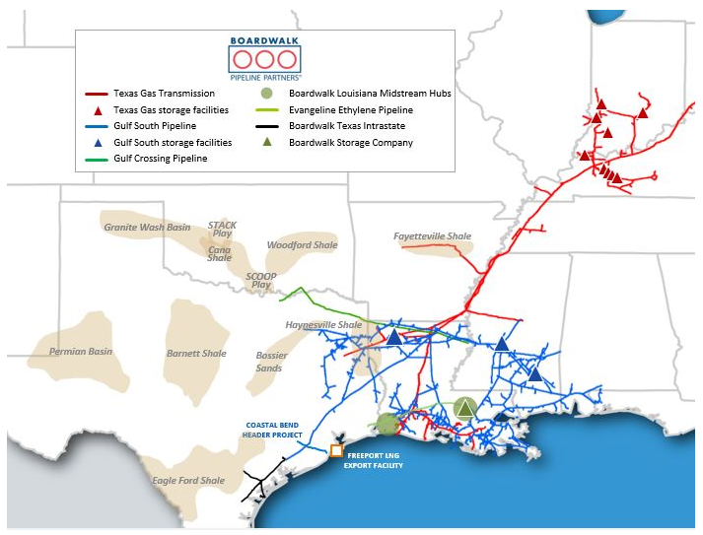
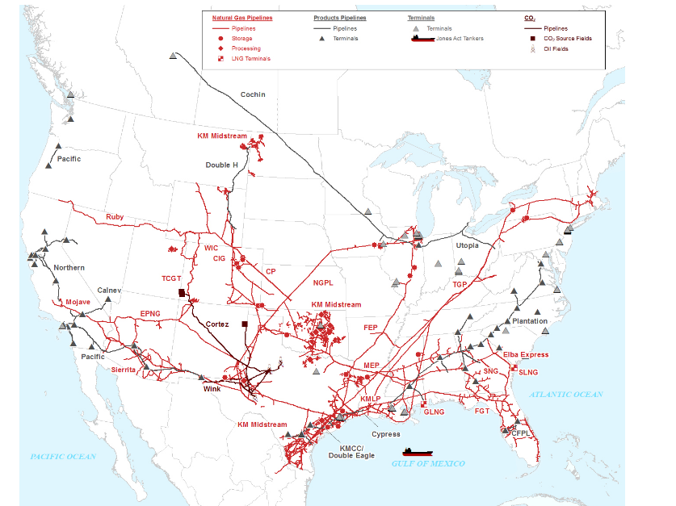
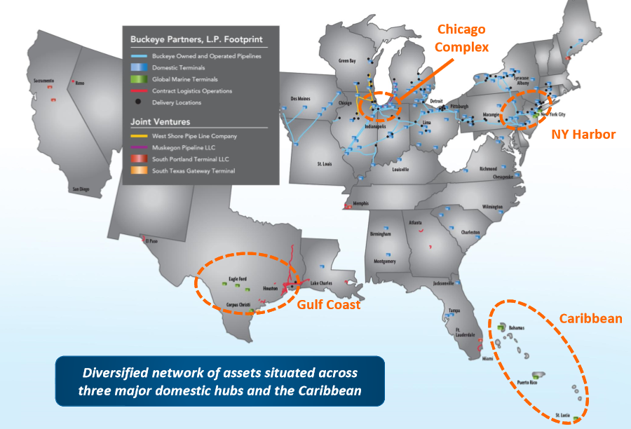
 | Boardwalk | Buckeye | Enable | Enbridge | Enterprise | Energy Transfer | Kinder Morgan | Magellan | NGPL Pipeline | Oneok | Plains All American | TransCanada | Williams | Western Midstream |  | Antero Midstream | Blue Racer | Cheniere |  | Crestwood |  | DCP Midtream |  | EnLink |  | Genesis Energy | NGL Partners | Targa Resources | NGLPCO | SemGroup | Sunoco LP | Tallgrass
Ratings | Baa3/BBB-/BBB- | Baa3/BBB-/BBB- | Baa3/BBB-/BBB- | Baa2/BBB+/BBB+ | Baa1/BBB+/BBB+ | Baa3/BBB-/BBB- | Baa2/BBB/BBB- | Baa1/BBB+/BBB+ | Ba1/BBB- | Baa3/BBB/BBB- | Ba1/BBB-/BBB- | Baa1/BBB+/A- | Baa3/BBB/BBB- | Ba1/BBB-/BBB- |  | Ba3/BB+/BBB- | B2/B/BB- | Ba2/BB/BB |  | B1/BB- |  | Ba2/BB/BB+ |  | Ba1/BB+/BBB- |  |  |  | Ba3/BB | Ba1/BBB- | B3/B+ | BA1/BB-/BB
Bond | 5.95% '26 | 4.125% '27 | 4.40% '27 | 3.70% '27 | 4.15% '28 | 5.5% '27 | 4.30% '25 | 5.0% '26 | 4.875% '27 | 4.55% ' 28 | 4.50% '26 | 4.25% '28 | 3.75% '27 | 4.75% '28 |  | 5.75% '27 |  |  |  | 5.75% '25 |  | 5.375% '25 |  | 4.85% '26 |  |  |  | 5.375% '27
Price | 110.4 | 87.9 | 99.4 | 102.5 | 107.4 | 109.8 | 105.8 | 110.6 | 106.1 | 106.3 | 104.4 | 106.5 | 101.7 | 99.6 | ax3484406 corp | 101.6 | #N/A Invalid Security | #N/A Invalid Security | aO0405131 corp | 101.2 | at5412909 corp | 104.8 | lw8414374 corp | 99.8 | AL7282349 corp | 103.8 | #N/A Invalid Field | 101.7 | #N/A Invalid Security | #N/A Invalid Security | 102.4 |  | as5051345 corp | 106.5 | an8093246 corp | 101.7 | at9556495 corp | 99.6
Spread | 223.2 | 397.2 | 252.3 | 133.8 | 116.7 | 203.3 | 128.4 | 125.8 | 195.1 | 168.7 | 184.2 | 136.6 | 151.4 | 277.1 | ax3484406 corp | 5.42 | #N/A Invalid Security | #N/A Invalid Security | aO0405131 corp | 5.30 | at5412909 corp | 4.40 | lw8414374 corp | 4.90 | AL7282349 corp | 67.7 | 279.1 | 5.1 | #N/A Invalid Security | #N/A Invalid Security | 258.7 |  | as5051345 corp | 136.6 | an8093246 corp | 151.4 | at9556495 corp | 277.1
Buy Rating | 3 | 3 | 2 | 2 | 1 |  | 1 | 3 |  | 3 | 2 | 3 | 2 | 2 |  | 3 | 3 |  |  |  |  | 2 |  |  |  |  |  |  | 3 | 3 | 2 |  |  | 3 |  | 2 |  | 2
Financials | 2018-12-31 | 2018-12-31 | 2018-12-31 | 12/31/2018 ($CAD) | 2018-12-31 | 2018-12-31 | 2018-12-31 | 2018-12-31 | 2018-12-31 | 2018-12-31 | 2018-12-31 | 2018-12-31 | 2018-12-31 | 2018-12-31 |  | 2018-12-31 | 2018-12-31 | 2018-12-31 |  | 2018-12-31 |  | 2018-12-31 |  | 2018-12-31 |  | 2018-12-31 | 2018-12-31 | 2018-12-31 | 2018-12-31 | 2018-12-31 | 2018-12-31 |  |  | 2018-12-31 |  | 2018-12-31 |  | 2018-12-31
Revenue ($mm) | 1,223.7 | 4,108.3 | 3,431.0 | 46,378.0 | 36,534.2 | 54,087.0 | 14,144.0 | 2,826.6 |  | 12,593.2 | 34,055.0 | 13,679.0 | 8,686.0 | 2,143.3 |  |  |  |  |  | 3,654.1 |  | 9,822.0 |  | 7,699.0 |  |  |  | 10,484.0 |  |  | 16,994.0
EBITDA ($mm) | 759.0 | 886.1 | 1,062.0 | 11,694.0 | 7,259.0 | 9,071.0 | 7,568.0 | 1,395.8 |  | 2,453.5 | 2,684.0 | 8,563.0 | 4,459.0 | 1,200.1 |  |  |  |  |  | 420.1 |  | 1,092.0 |  | 1,041.8 |  |  |  | 1,366.3 |  |  | 638.0
EBITDA margin | 62.0% | 21.6% | 31.0% | 25.2% | 19.9% | 16.8% | 53.5% | 49.4% |  | 19.5% | 7.9% | 62.6% | 51.3% | 56.0% |  | #DIV/0! | #DIV/0! | #DIV/0! |  | 11.5% |  | 11.1% |  | 13.5% |  | #DIV/0! |  | 13.0% | #DIV/0! | #DIV/0! | 3.8% |  |  | #DIV/0! |  | #DIV/0! |  | #DIV/0!

Debt | 3,727.5 | 4,714.4 | 4,298.0 | 64,610.0 | 26,420.6 | 46,028.0 | 36,593.0 | 4,550.0 |  | 9,451.4 | 9,209.0 | 42,287.0 | 22,414.0 | 4,840.0 |  |  |  |  |  | 1,753.3 |  | 5,307.0 |  | 4,461.4 |  |  |  | 6,692.9 |  |  | 3,014.0
Leverage | 4.9x | 5.3x | 4.0x | 5.5x | 3.6x | 5.1x | 4.8x | 3.3x |  | 3.9x | 3.4x | 4.9x | 5.0x | 4.0x |  | #DIV/0! | #DIV/0! | #DIV/0! |  | 4.2x |  | 4.9x |  | 4.3x |  | #DIV/0! |  | 4.9x | #DIV/0! | #DIV/0! | 4.7x |  |  | #DIV/0! |  | #DIV/0! |  | #DIV/0!
Interest Coverage | 4.3x | 4.7x | 7.0x | 4.3x | 6.6x | 5.3x | 3.9x | 6.3x |  | 5.2x | 9.0x | 3.8x | 3.8x | 6.5x |  | #DIV/0! | #DIV/0! | #DIV/0! |  | 4.2x |  | 4.1x |  | 5.9x |  | #DIV/0! |  | 7.8x | #DIV/0! | #DIV/0! | 4.4x |  |  | #DIV/0! |  | #DIV/0! |  | #DIV/0!
Liquidity | 923.6 | 879.5 | 856.0 | 9,397.0 | 4,344.8 | 2,658.0 | 6,898.0 | 1,154.0 |  | 2,510.6 | 3,066.0 | 13,346.0 | 4,494.0 | 1,165.8 |  |  |  |  |  | 524.9 |  | 1,037.0 |  | 1,850.4 |  |  |  | 2,249.3 |  |  | 1,342.0

Market Capitalization | NA | 5,236.0 | 6,513.0 | 94,174.5 | 60,564.7 | 45,338.9 | 44,684.6 | 14,046.8 |  | 26,771.2 | 17,161.0 | 41,218.8 | 33,217.2 |  |  |  |  |  |  | 3,176.0 |  | 5,617.6 |  | 6,711.7 |  |  |  | 9,882.0 |  |  | 2,585.2
Enterprise Value | NA | 9,948.6 | 10,803.0 | 158,278.5 | 86,640.5 | 90,948.9 | 77,946.6 | 18,436.0 |  | 36,210.6 | 26,304.0 | 83,059.8 | 55,463.2 | 4,749.6 |  | NA | - |  |  | 4,928.4 | - | 10,923.6 | - | 11,072.7 | - | - |  | 16,342.8 | - | - | 5,543.2 |  |  | - |  | - |  | -
Cash | 3.6 | 1.8 | 8.0 | 506.0 | 344.8 | 418.0 | 3,331.0 | 160.8 |  | 12.0 | 66.0 | 446.0 | 168.0 | 90.4 |  |  |  |  |  | 0.9 |  | 1.0 |  | 100.4 |  |  |  | 232.1 |  |  | 56.0
EV/EBITDA | NA | 11.2x | 10.2x | 13.5x | 11.9x | 10.0x | 10.3x | 13.2x |  | 14.8x | 9.8x | 9.7x | 12.4x | 4.0x |  | NA | #DIV/0! |  |  | 11.7x |  | 10.0x |  | 10.6x |  |  |  | 12.0x | #DIV/0! | #DIV/0! | 8.7x |  |  | #DIV/0! |  | #DIV/0! |  | #DIV/0!

LTM FCF
EBITDA | 759.0 | 886.1 | 1,062.0 | 11,694.0 | 7,259.0 | 9,071.0 | 7,568.0 | 1,395.8 |  | 2,453.5 | 2,684.0 | 8,563.0 | 4,459.0 | 1,200.1 |  | - | - | - |  | 420.1 |  | 1,092.0 |  | 1,041.8 |  | - |  | 1,366.3 | - | - | 638.0 | - |  | - |  | - |  | -
Capex | 486.7 | 467.6 | 728.0 | 8,118.0 | 4,223.2 | 7,407.0 | 2,904.0 | 552.3 |  | 2,141.5 | 1,634.0 | 9,418.0 | 3,256.0 | 1,193.9 |  |  |  |  |  | 241.1 |  | 949.0 |  | 843.1 |  |  |  | 3,114.8 |  |  | 103.0
Interest | 175.7 | 190.2 | 152.0 | 2,703.0 | 1,096.7 | 1,709.0 | 1,917.0 | 221.0 |  | 469.6 | 299.0 | 2,265.0 | 1,160.0 | 184.0 |  |  |  |  |  | 99.2 |  | 269.0 |  | 178.0 |  |  |  | 175.0 |  |  | 144.0
Tax | 0.6 | 3.7 | - | 385.0 | 38.9 | 13.0 | 182.0 | 0.1 |  | 1.9 | 66.0 | 315.0 | (82.0) | 0.5 |  |  |  |  |  | 0.1 |  | 3.0 |  | 1.9 |  |  |  | - |  |  | 28.0
Discretionary FCF | 96.0 | 224.6 | 182.0 | 488.0 | 1,900.2 | (58.0) | 2,565.0 | 622.4 |  | (159.5) | 685.0 | (3,435.0) | 125.0 | (178.3) |  | - | - | - |  | 79.7 |  | (129.0) |  | 18.8 |  | - |  | (1,923.5) | - | - | 363.0 | - |  | - |  | - |  | -
Dividends | 102.2 | 673.7 | 591.0 | 3,844.0 | 3,726.9 | 1,684.0 | 1,774.0 | 865.4 |  | 1,335.1 | 1,032.0 | 1,729.0 | 1,977.0 | 893.6 |  |  |  |  |  | 240.8 |  | 704.0 |  | 614.4 |  |  |  | 908.3 |  |  | 383.0
Share Repurchases | - | - | - | 210.0 | - | - | 273.0 | - |  | - | - | - | - | - |  |  |  |  |  | - |  | - |  | - |  |  |  | 4.0 |  |  | 540.0
FCF | (6.2) | (449.1) | (409.0) | (3,566.0) | (1,826.7) | (1,742.0) | 518.0 | (243.0) |  | (1,494.6) | (347.0) | (5,164.0) | (1,852.0) | (1,071.9) |  | - | - | - |  | (161.1) |  | (833.0) |  | (595.6) |  |  |  | (2,835.8) | - | - | (560.0) | - |  | - |  | - |  | -

Contracts

Description | Higher Leverage. Contract roll issues. Fixed fee revenue backlog declines. | 56% of EBITDA is pipelines with petrolum product in the northeast and midwest. 44% of EBITDA is from marine terminal in the East Coast, Gulf and Caribbean. Higer Leverage. Backwardated curve. | Strong producer activity on footprint (majority in SCOOP/STACK). Stable single digit growth outlook. Majority of contracts are fee-based. Reasonable leverage. | Leverage target is below ~5.0x (higher leverage). L3 delays highlight regulatory issues. | Integrated asset base. Self fund equity growth investments. 3.5x net debt/leverage target. |  | 4.5x leverage target. Natural gas levered. Strong growth pipeline. 50% owner of Ruby Pipelin ($150mm to KMI) | Leverage expected to rise due to growth projects. |  | Leverage anticipated to increase by 1.0x in 2019 due to XXX. Significant FCF deficit. | Upgrade from Moody's isn't expected for the next few quarters. | Moody's negative outlook. | Long term 4.2x target.

