PCA RelativeValue
 |  |  |  |  | Principal Components and Relative Value Trades.
Here we look at actual prices relative to a model. In this case the model is that all yields are explained by the first 2 factors from PCA on the first 300 weeks in the sample.

We put on a spread trade to immunize our exposure to the risk factors. Then we examine the profitability of the trade after 1 week.

Finally, we do attribution analysis to anlayze the sources of our profit/loss.

When we use the first 300 weeks of our data (ending 3/9/95), we find that the first factor explains 93.9% of the variation, and the second 5.5%), we obtain factor loadings for the first two factors as follows:
 |  |  |  |  | Market Yields |  | Market
Yield | Factor 1 Loading |  | Factor 2 Loading |  | 1995-03-09 |  | Prices (Assume full terms)
90-Day | 0.62907599 |  | -0.32140438 |  | 0.0591 |  | 98.554459055
180-Day | 0.61948409 |  | -0.28208913 |  | 0.0624 |  | 96.974398759
5-Year | 0.37678741 |  | 0.41055535 |  | 0.0722 |  | 70.142826595
15-Year | 0.24422947 |  | 0.62243922 |  | 0.0755 |  | 32.901654572
25-Year | 0.13742659 |  | 0.51101644 |  | 0.0782 |  | 14.693753804
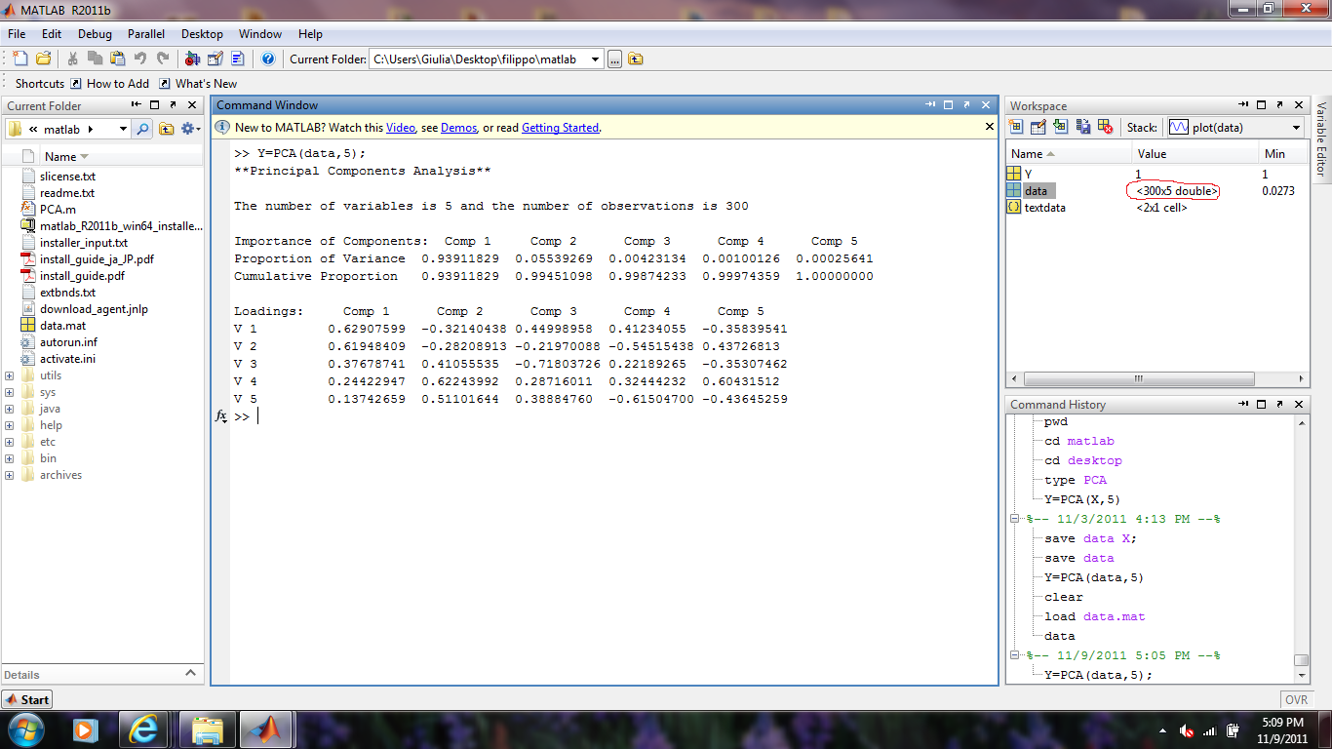

 |  |  |  |  |  |  |  |  |  |  |  |  | Note that we have cut the data at the 300th line

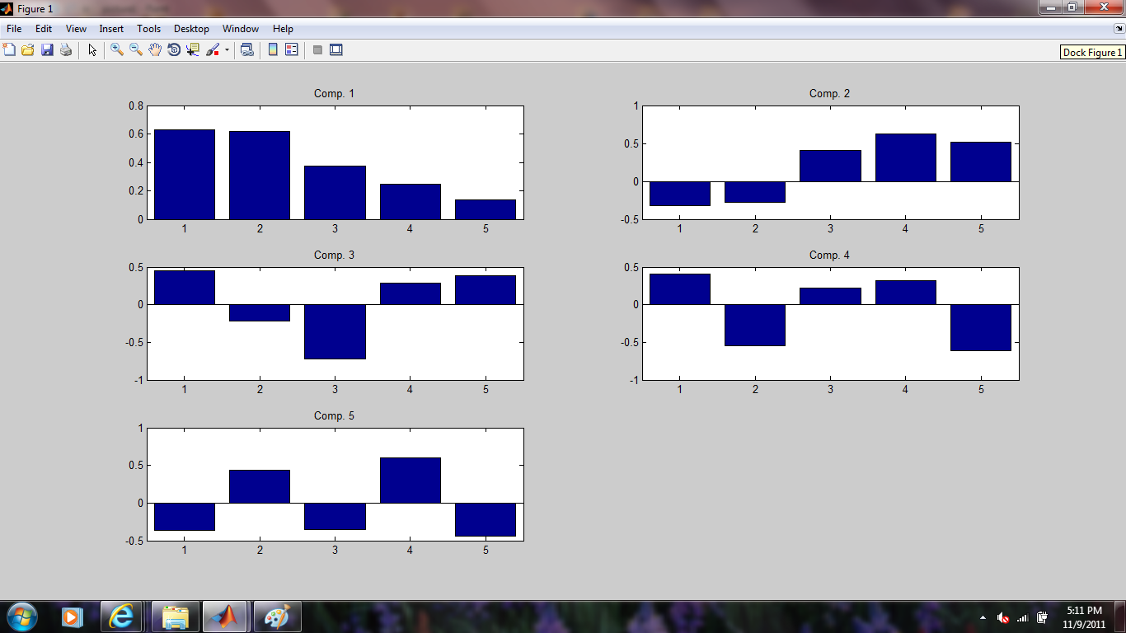

Verify that if we use all 5 factors we reconstruct the data exactly:
 |  |  |  |  |  |  |  | Actual Yields | Means |  |  | Factor Realizations on 3/9/95: |  |  |  |  |  |  |  | Reconstructed Yields:
Yield | Factor 1 Loading |  | Factor 2 Loading |  | 3 | 4 | 5 | 1995-03-09 |  |  |  |  | Factor 1 | Factor 2 |  |  | Factor 3 | Factor 4 | Factor 5 |  | 5 factors | diff | 2 factors | diff
90-Day | 0.62907599 |  | -0.32140438 |  | -0.44998958319 | -0.41234055032 | -0.35839540589 | 0.0591 | 0.051668666667 |  |  |  | 0.010059263987 | -0.00641710772 |  |  | 0.0013392229401 | 0.0011249684514 | -0.00029942138263 |  | 0.0591000 | 0.0000 | 0.0600592 | 0.0010
180-Day | 0.61948409 |  | -0.28208913 |  | 0.21970087888 | 0.54515437629 | 0.43726812639 | 0.0624 | 0.053581666667 |  |  |  |  |  |  |  |  |  |  |  | 0.0624000 | 0.0000 | 0.0616234 | -0.0008
Factor 1 Realization = F1Load*(ActualYield90day-Means90day)+ F2Load*(ActualYield180day-Means180day)+..
5-Year | 0.37678741 |  | 0.41055535 |  | 0.71803726491 | -0.22189265182 | -0.35307462317 | 0.0722 | 0.070226666667 |  |  |  |  |  |  |  |  |  |  |  | 0.0722000 | 0.0000 | 0.0713823 | -0.0008
15-Year | 0.24422947 |  | 0.62243922 |  | -0.28716011181 | -0.32444232008 | 0.60431511906 | 0.0755 | 0.077968 |  |  |  |  |  |  |  |  |  |  |  | 0.0755000 | 0.0000 | 0.0764305 | 0.0009
25-Year | 0.13742659 |  | 0.51101644 |  | -0.38884759897 | 0.61504699705 | -0.43645259311 | 0.0782 | 0.079795 |  |  |  |  |  |  |  |  |  |  |  | 0.0782000 | 0.0000 | 0.0778982 | -0.0003

Factor Realizations on 3/9/95:
 | Factor 1: | 0.010059263987 | Because the loadings that link the yields to the factors are orthogonal, the inverse of the loadings matrix is the transpose
 | Factor 2: | -0.00641710772 | thus, the loadings also link the factors to the yields as we use in these equations.

Implied Yields: |  | Implied Prices |  | Actual Prices |  | Diff
90-Day | 0.060059194646 | 98.531512162 |  | 98.554459055 |  | 0.02295 | If the last 3 factors are truly noise, and the yield structure is linear, normal, and stable over time, then the first 2 factors are all that we need.
180-Day | 0.061623416997 | 97.010927578 |  | 96.974398759 |  | -0.03653 | We don't want to include the mean effect of the factors, so we use the means separately from the factors.
5-Year | 0.071382292785 | 70.420217654 |  | 70.142826595 |  | -0.27739 | If we focus on the 3 STRIPS, it looks as if the 15-Year is trading rich, while the 5- and 25-Year STRIPS are trading cheap.
15-Year | 0.076430509188 | 32.462190979 |  | 32.901654572 |  | 0.43946
25-Year | 0.077898162805 | 14.800855835 |  | 14.693753804 |  | -0.10710 | Our objective is to put on a Relative Value Trade with these 3 STRIPS that has no exposure to the 2 factors, but profits from the
 |  |  |  |  |  |  | perceived mispricing.

To construct a portfolio that is not exposed to movements in the factors we first have to compute the sensitivity of the security prices to the factors:

 | Factor 1: |  |  |  |  |  | Factor 2:
 | + 1 bp | 0.0001 | - 1 bp |  | Derivative |  | + 1 bp | 0.0001 | - 1 bp |  | Derivative
 | yld | price | yld | price | WRT Factor 1 |  | yld | price | yld | price | WRT Factor 2
5-Year | 0.07141997 | 70.407409396 | 0.071344614044 | 70.433028474 | -128.09538687 |  | 0.07142335 | 70.406261637 | 0.07134124 | 70.434176713 | -139.57538141
15-Year | 0.07645493 | 32.450738471 | 0.076406086241 | 32.473647662 | -114.54595534 |  | 0.07649275 | 32.433011545 | 0.07636827 | 32.491397541 | -291.92997904
25-Year | 0.07791191 | 14.795962217 | 0.077884420146 | 14.805751104 | -48.944438717 |  | 0.07794926 | 14.782667409 | 0.07784706 | 14.819067088 | -181.99839663

 |  | $ Position
n1 | 39.794589314 | 2791.3049777
n2 | -100 | -3290.1654572
n3 | 129.88385225 | 1908.4813481
 |  | 1409.6208686

Exposure to factor 1: |  | -2.6356998205E-05 | 0.069469135439
Exposure to factor 2: |  | 6.4461310103E-05 | 0.41552605002

 |  |  | 0.48499518546 | <------ Invoke Solver to minimze this criterion over B78 and B80.

Assumptions on financing:
 | Overnight Repo Rate: |  | Lend: | 0.044
 | Assume constant over |  | Borrow: | 0.0445
 | the holding period.

Size (X) | 100,000.00
 | Reverse In:
 |  | 5-Year | -279,130,497.77
 |  | 25-Year | -190,848,134.81

 | Short:
 |  | 15-Year | 329,016,545.72

 | Net Bond position: |  | -140,962,086.86

 | Now what happens if we close out this position n weeks later? |  |  |  |  |  | n= | 6 |  | Date | 19950420 |  | Excel Formatted Date |  |  | 04/20/1995

 |  |  | Days | 42 | Fraction of year |  | 0.11506849315

 | Market Yields | Ylds minus means
 | 04/20/1995 |  | Prices (Adjusted for term) |  |  | Prices at Original Yields (Adjusted for term)
 | 0.05760 | 0.0059313333 | 99.236703948 |  |  | 99.217190004
 | 0.05940 | 0.0058183333 | 97.771998488 |  |  | 97.662489685
 | 0.06780 | -0.0024266667 | 72.201578638 |  |  | 70.71763981
 | 0.07270 | -0.0052680000 | 34.544193355 |  |  | 33.183429912
 | 0.07700 | -0.0027950000 | 15.256351956 |  |  | 14.824028116

 | Sell long position and pay financing:
 |  |  | 287,323,216.98 | -1,429,301.10 |  | Here I have used 365 days per year consistently with the
 |  |  | 198,155,376.34 | -977,247.02 |  | above part, so my P&L result is slightly different than yours |  |  |  |  |  |  | P&L result by week
 |  |  |  |  |  |  |  |  |  |  |  | week
 | Close Short Position: |  |  |  |  |  |  |  |  |  |  | 1 | -1,131,789.66
 |  |  | -345,441,933.55 | 1,665,815.28 |  |  |  |  |  |  |  | 2 | -85,278.72
 |  |  |  |  |  |  |  |  |  |  |  | 3 | -207,533.03
 | Bonds |  | 140,036,659.77 | -740,732.84 |  |  |  |  |  |  |  | 4 | -1,432,641.72
 |  |  |  |  |  |  |  |  |  |  |  | 6 | -1,666,159.93
 |  |  | 139,295,926.92 |  |  |  |  |  |  |  |  | 12 | 4,375,712.25
 |  |  |  |  |  |  |  |  |  |  |  | 26 | 4,119,227.14
 | P&L: |  | -1,666,159.93 |  |  |  |  |  |  |  |  | 52 | 29,810,666.52

Attribution Analysis:

Factor Realizations on : |  | 04/20/1995
 | Factor 1: | 0.0047505787037
 | Factor 2: | -0.009251226844
 |  |  |  |  |  |  |  |  |  |  |  |  |  |  | Original
"Model" Implied Prices: |  |  |  |  | "Model Implied Yield" |  |  | @ New Factors / no passage of time |  |  |  | Actual / Model |  |  | Actual / Model
Old 5-Year |  | 72.058974358 |  |  | 0.068218484238 |  |  | 5-Year | 71.504900 |  |  | 1.001978994 |  |  | 0.99606092
Old 15-Year |  | 34.21346525 |  |  | 0.073369904898 |  |  | 15-Year | 33.930961 |  |  | 1.0096666065 |  |  | 1.01353771
Old 25-Year |  | 15.731568138 |  |  | 0.075720326824 |  |  | 25-Year | 15.597603 |  |  | 0.96979219253 |  |  | 0.99276379

1) Carry:
To extract the carry we look at the passage of time only. Assume that the yields on all securities remained at the initial levels over the holding period.

Difference between new date market price (at original yields) and initial market price |  |  |  |  |  |  | Net positions |  |  | Size
 | 5y | 0.57 |  |  |  |  | 39.79 |  |  | 100,000.00 |  |  | 2,287,445.58
 | 15y | 0.28 |  |  |  |  | -100.00 |  |  | 100,000.00 |  |  | -2,817,753.40
 | 25y | 0.13 |  |  |  |  | 129.88 |  |  | 100,000.00 |  |  | 1,692,052.96

Return on STRIPS |  | 1,161,745.14
Financing |  | -740,732.84
Total |  | 421,012.30

2) Factor Exposure (Systematic Risk under our model.)
What would the effect on our position be if the factors changed from their original values to the new ones immediately?

Difference between new date implied price (with changed factors) and initial implied price |  |  |  |  |  |  | Net positions |  |  | Size
 | 5y | 1.08 |  |  |  |  | 39.79 |  |  | 100,000.00 |  |  | 4,316,449.40
 | 15y | 1.47 |  |  |  |  | -100.00 |  |  | 100,000.00 |  |  | -14,687,697.84
 | 25y | 0.80 |  |  |  |  | 129.88 |  |  | 100,000.00 |  |  | 10,348,463.24

 | Total | -22,785.19

3) Convergence
What is the effect on the portfolio if the accuracy of the model changed instantaneously from what it was originally to its ending value?

Difference between new date market price (at original yields) and initial market price |  |  |  |  |  |  | Net positions |  |  | Size
 | 5-Year | 0.42 |  |  |  |  | 39.79 |  |  | 100,000.00 |  |  | 1,658,448.46
 | 15-Year | -0.13 |  |  |  |  | -100.00 |  |  | 100,000.00 |  |  | 1,256,643.68
 | 25-Year | -0.34 |  |  |  |  | 129.88 |  |  | 100,000.00 |  |  | -4,416,042.82

 |  | -1,500,950.69

4) Cross Effects |  | -563,436.35
We have the total and the 3 identified effects. What we can't name is 2nd derivative and index number problems.

