Multiple_projections
Forward horizon | 4 | 8 | 12 | 16 |  | Conditional quantiles : | Projection 1 | Projection 2 | Projection 3 | Projection 4
Input data cut off | 2018-06-30 | 2018-06-30 | 2018-06-30 | 2018-06-30 |  | 0.1 | 3.81992 | 3.74515 | 4.01867 | 2.4637
Conditional mode | 6.794 | 7.06 | 7.2673 | 7.9087 |  | 0.25 | 3.66888 | 3.99922 | 4.02137 | 3.90971
Conditional median | 4.1055 | 4.2401 | 4.3946 | 4.3485 |  | 0.5 | 3.9719 | 4.2365 | 4.2849 | 4.22611
Conditional mean | 4.0764 | 4.236 | 4.3604 | 4.7452 |  | 0.75 | 4.45729 | 4.4672 | 4.79353 | 4.8157
GaR5% | 2.4178 | 2.4975 | 2.7177 | 1.4587 |  | 0.9 | 4.62599 | 4.7688 | 4.96372 | 5.19478
GaR10% | 3.0095 | 3.114 | 3.3045 | 2.5583
Growth below 0 probablity | 0.0095 | 0.0096 | 0.0082 | 0.0254
 |  |  |  |  | Tskew_PDF_x | Tskew_PDF_y_PROJ1 | Tskew_CDF_y_PROJ1 | Tskew_PDF_y_PROJ2 | Tskew_CDF_y_PROJ2 | Tskew_PDF_y_PROJ3 | Tskew_CDF_y_PROJ3 | Tskew_PDF_y_PROJ4 | Tskew_CDF_y_PROJ4
 |  |  |  |  | -1.206 | 0.00212 | 0.00571 | 0.00212 | 0.00588 | 0.00179 | 0.00506 | 0.00534 | 0.01645
 |  |  |  |  | -1.156 | 0.00218 | 0.00582 | 0.00218 | 0.00599 | 0.00184 | 0.00515 | 0.00547 | 0.01672
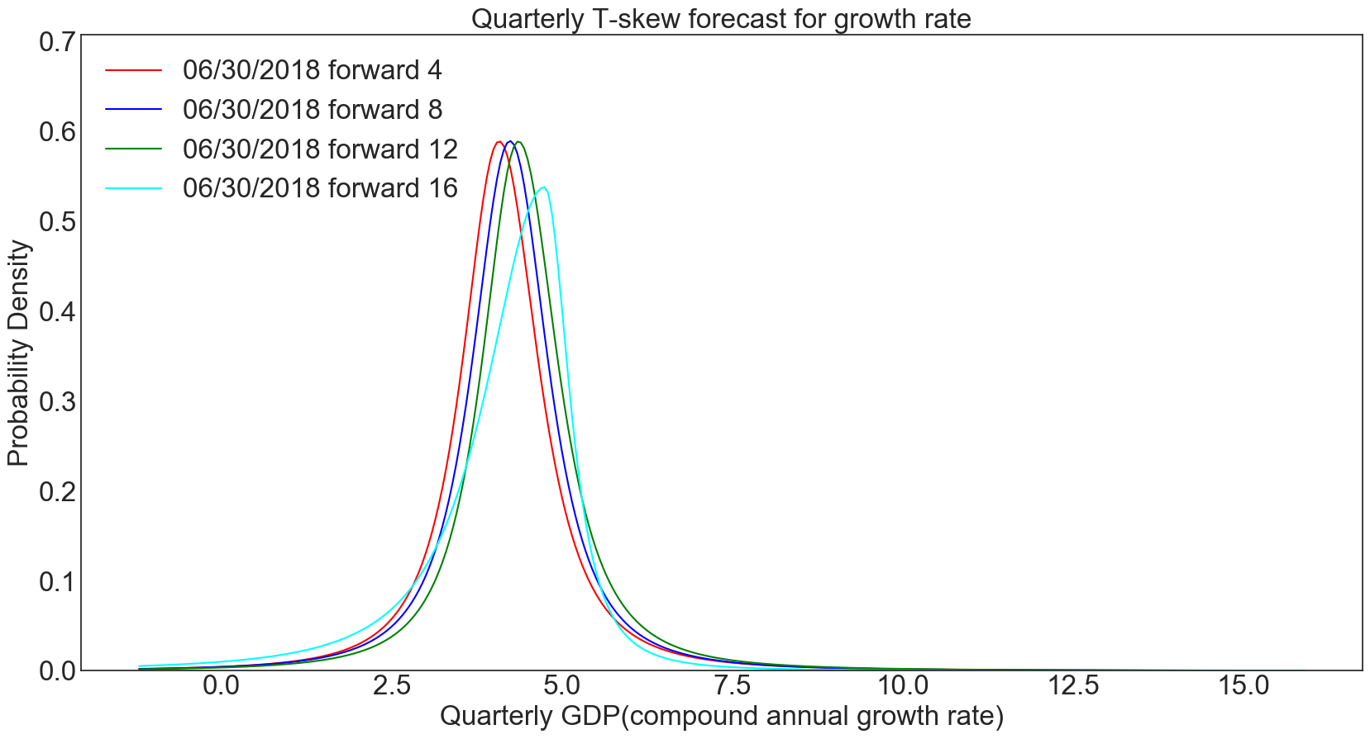
 |  |  |  |  | -1.106 | 0.00225 | 0.00593 | 0.00224 | 0.0061 | 0.00189 | 0.00525 | 0.0056 | 0.01699
 |  |  |  |  | -1.056 | 0.00231 | 0.00605 | 0.00231 | 0.00622 | 0.00194 | 0.00534 | 0.00574 | 0.01728
 |  |  |  |  | -1.006 | 0.00238 | 0.00616 | 0.00237 | 0.00633 | 0.00199 | 0.00544 | 0.00588 | 0.01757
 |  |  |  |  | -0.956 | 0.00245 | 0.00628 | 0.00244 | 0.00645 | 0.00205 | 0.00554 | 0.00603 | 0.01787
 |  |  |  |  | -0.906 | 0.00252 | 0.00641 | 0.00251 | 0.00658 | 0.00211 | 0.00565 | 0.00618 | 0.01817
 |  |  |  |  | -0.856 | 0.0026 | 0.00654 | 0.00258 | 0.0067 | 0.00217 | 0.00575 | 0.00634 | 0.01848
 |  |  |  |  | -0.806 | 0.00268 | 0.00667 | 0.00266 | 0.00683 | 0.00223 | 0.00586 | 0.00651 | 0.01881
 |  |  |  |  | -0.756 | 0.00276 | 0.0068 | 0.00273 | 0.00697 | 0.00229 | 0.00598 | 0.00668 | 0.01913
 |  |  |  |  | -0.706 | 0.00284 | 0.00694 | 0.00281 | 0.00711 | 0.00236 | 0.00609 | 0.00685 | 0.01947
 |  |  |  |  | -0.656 | 0.00293 | 0.00709 | 0.0029 | 0.00725 | 0.00243 | 0.00621 | 0.00703 | 0.01982
 |  |  |  |  | -0.606 | 0.00302 | 0.00724 | 0.00299 | 0.0074 | 0.0025 | 0.00633 | 0.00722 | 0.02018
 |  |  |  |  | -0.556 | 0.00312 | 0.00739 | 0.00308 | 0.00755 | 0.00258 | 0.00646 | 0.00741 | 0.02054
 |  |  |  |  | -0.506 | 0.00322 | 0.00755 | 0.00317 | 0.00771 | 0.00265 | 0.00659 | 0.00762 | 0.02092
 |  |  |  |  | -0.456 | 0.00332 | 0.00771 | 0.00327 | 0.00787 | 0.00273 | 0.00673 | 0.00782 | 0.0213
 |  |  |  |  | -0.406 | 0.00343 | 0.00788 | 0.00338 | 0.00803 | 0.00282 | 0.00687 | 0.00804 | 0.0217
 |  |  |  |  | -0.356 | 0.00354 | 0.00806 | 0.00349 | 0.0082 | 0.00291 | 0.00701 | 0.00826 | 0.02211
 |  |  |  |  | -0.306 | 0.00366 | 0.00824 | 0.0036 | 0.00838 | 0.003 | 0.00716 | 0.0085 | 0.02253
 |  |  |  |  | -0.256 | 0.00379 | 0.00842 | 0.00372 | 0.00856 | 0.00309 | 0.00731 | 0.00874 | 0.02296
 |  |  |  |  | -0.206 | 0.00392 | 0.00861 | 0.00384 | 0.00875 | 0.00319 | 0.00747 | 0.00899 | 0.0234
 |  |  |  |  | -0.156 | 0.00405 | 0.00881 | 0.00397 | 0.00895 | 0.0033 | 0.00763 | 0.00925 | 0.02386
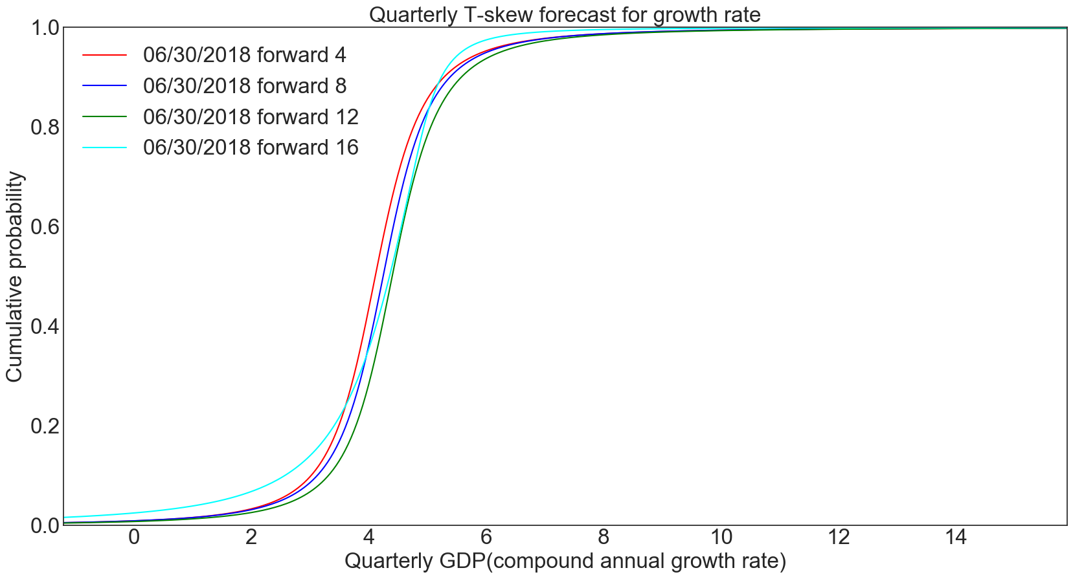
 |  |  |  |  | -0.106 | 0.00419 | 0.00902 | 0.0041 | 0.00915 | 0.00341 | 0.0078 | 0.00951 | 0.02433
 |  |  |  |  | -0.056 | 0.00434 | 0.00923 | 0.00424 | 0.00936 | 0.00352 | 0.00797 | 0.00979 | 0.02481
 |  |  |  |  | -0.006 | 0.0045 | 0.00945 | 0.00438 | 0.00957 | 0.00364 | 0.00815 | 0.01008 | 0.0253
 |  |  |  |  | 0.044 | 0.00466 | 0.00968 | 0.00454 | 0.0098 | 0.00376 | 0.00833 | 0.01039 | 0.02582
 |  |  |  |  | 0.094 | 0.00483 | 0.00992 | 0.0047 | 0.01003 | 0.00389 | 0.00852 | 0.0107 | 0.02634
 |  |  |  |  | 0.144 | 0.00501 | 0.01017 | 0.00486 | 0.01027 | 0.00402 | 0.00872 | 0.01103 | 0.02689
 |  |  |  |  | 0.194 | 0.0052 | 0.01042 | 0.00504 | 0.01051 | 0.00417 | 0.00893 | 0.01137 | 0.02745
 |  |  |  |  | 0.244 | 0.00539 | 0.01069 | 0.00522 | 0.01077 | 0.00431 | 0.00914 | 0.01172 | 0.02802
 |  |  |  |  | 0.294 | 0.0056 | 0.01096 | 0.00541 | 0.01104 | 0.00447 | 0.00936 | 0.01209 | 0.02862
 |  |  |  |  | 0.344 | 0.00582 | 0.01125 | 0.00562 | 0.01131 | 0.00463 | 0.00959 | 0.01247 | 0.02923
 |  |  |  |  | 0.394 | 0.00605 | 0.01154 | 0.00583 | 0.0116 | 0.0048 | 0.00982 | 0.01287 | 0.02987
 |  |  |  |  | 0.444 | 0.00629 | 0.01185 | 0.00605 | 0.0119 | 0.00498 | 0.01007 | 0.01328 | 0.03052
 |  |  |  |  | 0.494 | 0.00654 | 0.01217 | 0.00628 | 0.0122 | 0.00517 | 0.01032 | 0.01371 | 0.03119
 |  |  |  |  | 0.544 | 0.00681 | 0.0125 | 0.00653 | 0.01252 | 0.00536 | 0.01058 | 0.01417 | 0.03189
 |  |  |  |  | 0.594 | 0.00709 | 0.01285 | 0.00679 | 0.01286 | 0.00557 | 0.01086 | 0.01464 | 0.03261
 |  |  |  |  | 0.644 | 0.00739 | 0.01321 | 0.00706 | 0.0132 | 0.00579 | 0.01114 | 0.01513 | 0.03335
 |  |  |  |  | 0.694 | 0.0077 | 0.01359 | 0.00735 | 0.01356 | 0.00602 | 0.01143 | 0.01564 | 0.03412
 |  |  |  |  | 0.744 | 0.00803 | 0.01398 | 0.00765 | 0.01394 | 0.00626 | 0.01174 | 0.01618 | 0.03492
 |  |  |  |  | 0.794 | 0.00838 | 0.01439 | 0.00797 | 0.01433 | 0.00651 | 0.01206 | 0.01674 | 0.03574
 |  |  |  |  | 0.844 | 0.00875 | 0.01482 | 0.00831 | 0.01474 | 0.00678 | 0.01239 | 0.01732 | 0.03659
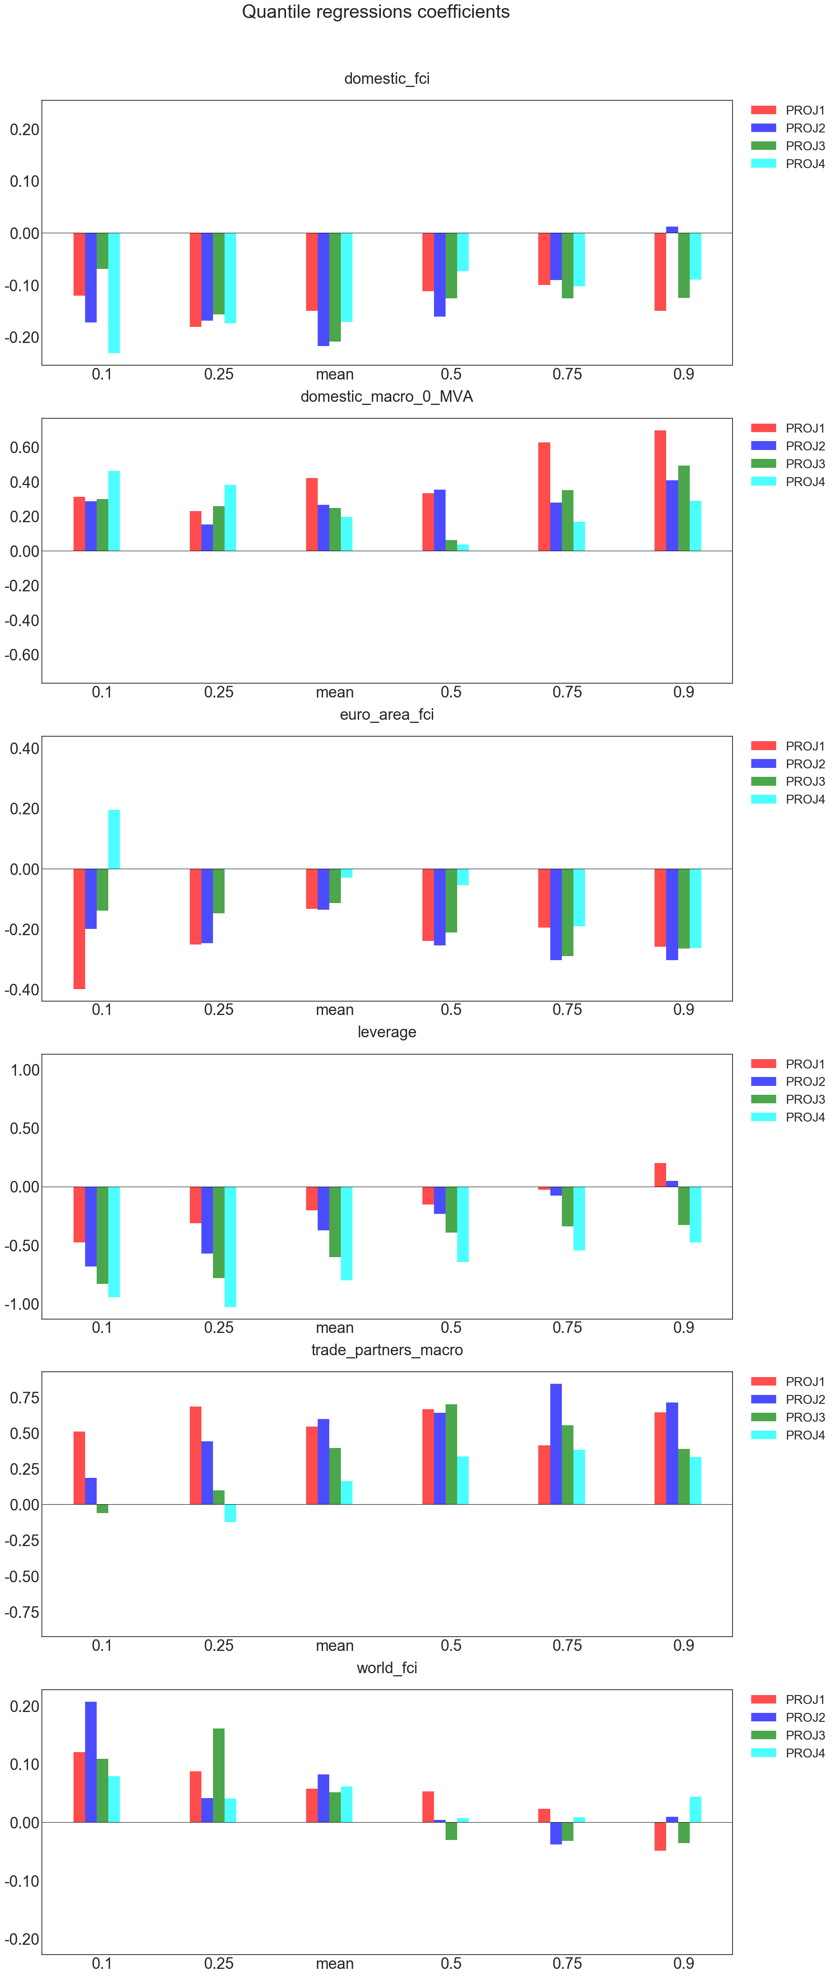
 |  |  |  |  | 0.894 | 0.00915 | 0.01527 | 0.00866 | 0.01516 | 0.00706 | 0.01274 | 0.01794 | 0.03748
 |  |  |  |  | 0.944 | 0.00956 | 0.01574 | 0.00904 | 0.0156 | 0.00736 | 0.0131 | 0.01858 | 0.03839
 |  |  |  |  | 0.994 | 0.01 | 0.01623 | 0.00943 | 0.01606 | 0.00767 | 0.01347 | 0.01925 | 0.03933
 |  |  |  |  | 1.044 | 0.01047 | 0.01674 | 0.00986 | 0.01655 | 0.008 | 0.01387 | 0.01995 | 0.04031
 |  |  |  |  | 1.094 | 0.01097 | 0.01727 | 0.0103 | 0.01705 | 0.00835 | 0.01428 | 0.02068 | 0.04133
 |  |  |  |  | 1.144 | 0.0115 | 0.01784 | 0.01077 | 0.01758 | 0.00873 | 0.0147 | 0.02146 | 0.04238
 |  |  |  |  | 1.194 | 0.01206 | 0.01842 | 0.01127 | 0.01813 | 0.00912 | 0.01515 | 0.02226 | 0.04347
 |  |  |  |  | 1.244 | 0.01266 | 0.01904 | 0.01181 | 0.0187 | 0.00954 | 0.01561 | 0.02311 | 0.04461
 |  |  |  |  | 1.294 | 0.0133 | 0.01969 | 0.01237 | 0.01931 | 0.00998 | 0.0161 | 0.024 | 0.04579
 |  |  |  |  | 1.344 | 0.01398 | 0.02037 | 0.01297 | 0.01994 | 0.01045 | 0.01661 | 0.02494 | 0.04701
 |  |  |  |  | 1.394 | 0.01471 | 0.02109 | 0.01361 | 0.02061 | 0.01095 | 0.01715 | 0.02592 | 0.04828
 |  |  |  |  | 1.444 | 0.01549 | 0.02184 | 0.01429 | 0.0213 | 0.01148 | 0.01771 | 0.02695 | 0.0496
 |  |  |  |  | 1.494 | 0.01632 | 0.02264 | 0.01502 | 0.02204 | 0.01205 | 0.0183 | 0.02804 | 0.05098
 |  |  |  |  | 1.544 | 0.01721 | 0.02348 | 0.0158 | 0.02281 | 0.01265 | 0.01891 | 0.02918 | 0.05241
 |  |  |  |  | 1.594 | 0.01817 | 0.02436 | 0.01663 | 0.02362 | 0.01329 | 0.01956 | 0.03038 | 0.0539
 |  |  |  |  | 1.644 | 0.01919 | 0.0253 | 0.01751 | 0.02447 | 0.01397 | 0.02024 | 0.03165 | 0.05545
 |  |  |  |  | 1.694 | 0.02029 | 0.02628 | 0.01846 | 0.02537 | 0.01471 | 0.02096 | 0.03298 | 0.05706
 |  |  |  |  | 1.744 | 0.02148 | 0.02733 | 0.01948 | 0.02632 | 0.01549 | 0.02171 | 0.03439 | 0.05875
 |  |  |  |  | 1.794 | 0.02276 | 0.02843 | 0.02056 | 0.02732 | 0.01633 | 0.02251 | 0.03587 | 0.0605
 |  |  |  |  | 1.844 | 0.02413 | 0.0296 | 0.02173 | 0.02838 | 0.01722 | 0.02335 | 0.03743 | 0.06233
 |  |  |  |  | 1.894 | 0.02562 | 0.03085 | 0.02299 | 0.02949 | 0.01819 | 0.02423 | 0.03909 | 0.06425
 |  |  |  |  | 1.944 | 0.02722 | 0.03217 | 0.02434 | 0.03068 | 0.01922 | 0.02517 | 0.04083 | 0.06624
 |  |  |  |  | 1.994 | 0.02896 | 0.03357 | 0.0258 | 0.03193 | 0.02033 | 0.02616 | 0.04268 | 0.06833
 |  |  |  |  | 2.044 | 0.03084 | 0.03507 | 0.02737 | 0.03326 | 0.02153 | 0.0272 | 0.04463 | 0.07051
 |  |  |  |  | 2.094 | 0.03288 | 0.03666 | 0.02907 | 0.03467 | 0.02282 | 0.02831 | 0.04669 | 0.0728
 |  |  |  |  | 2.144 | 0.03509 | 0.03836 | 0.0309 | 0.03617 | 0.02421 | 0.02949 | 0.04888 | 0.07518
 |  |  |  |  | 2.194 | 0.0375 | 0.04017 | 0.03288 | 0.03776 | 0.02571 | 0.03073 | 0.05119 | 0.07769
 |  |  |  |  | 2.244 | 0.04012 | 0.04211 | 0.03503 | 0.03946 | 0.02733 | 0.03206 | 0.05365 | 0.08031
 |  |  |  |  | 2.294 | 0.04298 | 0.04419 | 0.03736 | 0.04127 | 0.02908 | 0.03347 | 0.05625 | 0.08305
 |  |  |  |  | 2.344 | 0.0461 | 0.04641 | 0.03989 | 0.0432 | 0.03099 | 0.03497 | 0.05901 | 0.08593
 |  |  |  |  | 2.394 | 0.04952 | 0.0488 | 0.04264 | 0.04526 | 0.03305 | 0.03657 | 0.06193 | 0.08896
 |  |  |  |  | 2.444 | 0.05325 | 0.05137 | 0.04563 | 0.04746 | 0.03529 | 0.03828 | 0.06504 | 0.09213
 |  |  |  |  | 2.494 | 0.05734 | 0.05413 | 0.0489 | 0.04983 | 0.03774 | 0.0401 | 0.06835 | 0.09546
 |  |  |  |  | 2.544 | 0.06183 | 0.05711 | 0.05246 | 0.05236 | 0.0404 | 0.04205 | 0.07185 | 0.09897
 |  |  |  |  | 2.594 | 0.06677 | 0.06032 | 0.05636 | 0.05508 | 0.0433 | 0.04415 | 0.07558 | 0.10265
 |  |  |  |  | 2.644 | 0.0722 | 0.0638 | 0.06062 | 0.058 | 0.04647 | 0.04639 | 0.07955 | 0.10653
 |  |  |  |  | 2.694 | 0.07818 | 0.06755 | 0.06529 | 0.06115 | 0.04994 | 0.0488 | 0.08377 | 0.11061
 |  |  |  |  | 2.744 | 0.08477 | 0.07162 | 0.07041 | 0.06454 | 0.05373 | 0.05139 | 0.08826 | 0.11491
 |  |  |  |  | 2.794 | 0.09205 | 0.07604 | 0.07603 | 0.0682 | 0.0579 | 0.05418 | 0.09304 | 0.11944
 |  |  |  |  | 2.844 | 0.10008 | 0.08084 | 0.0822 | 0.07215 | 0.06248 | 0.05719 | 0.09813 | 0.12422
 |  |  |  |  | 2.894 | 0.10897 | 0.08606 | 0.089 | 0.07643 | 0.06751 | 0.06043 | 0.10355 | 0.12926
 |  |  |  |  | 2.944 | 0.11879 | 0.09175 | 0.09648 | 0.08106 | 0.07305 | 0.06394 | 0.10933 | 0.13458
 |  |  |  |  | 2.994 | 0.12965 | 0.09796 | 0.10472 | 0.08609 | 0.07915 | 0.06775 | 0.11548 | 0.1402
 |  |  |  |  | 3.044 | 0.14166 | 0.10474 | 0.11381 | 0.09155 | 0.08589 | 0.07187 | 0.12202 | 0.14614
 |  |  |  |  | 3.094 | 0.15493 | 0.11215 | 0.12383 | 0.09748 | 0.09332 | 0.07635 | 0.129 | 0.15241
 |  |  |  |  | 3.144 | 0.16958 | 0.12025 | 0.13487 | 0.10395 | 0.10155 | 0.08122 | 0.13642 | 0.15904
 |  |  |  |  | 3.194 | 0.18574 | 0.12913 | 0.14705 | 0.11099 | 0.11064 | 0.08652 | 0.14433 | 0.16606
 |  |  |  |  | 3.244 | 0.20351 | 0.13885 | 0.16047 | 0.11867 | 0.1207 | 0.0923 | 0.15273 | 0.17349
 |  |  |  |  | 3.294 | 0.223 | 0.14951 | 0.17523 | 0.12706 | 0.13183 | 0.0986 | 0.16167 | 0.18134
 |  |  |  |  | 3.344 | 0.24428 | 0.16118 | 0.19144 | 0.13622 | 0.14415 | 0.1055 | 0.17117 | 0.18966
 |  |  |  |  | 3.394 | 0.26741 | 0.17397 | 0.20922 | 0.14623 | 0.15777 | 0.11304 | 0.18124 | 0.19847
 |  |  |  |  | 3.444 | 0.29238 | 0.18796 | 0.22864 | 0.15717 | 0.17281 | 0.1213 | 0.19193 | 0.2078
 |  |  |  |  | 3.494 | 0.31911 | 0.20324 | 0.24977 | 0.16912 | 0.1894 | 0.13035 | 0.20324 | 0.21767
 |  |  |  |  | 3.544 | 0.34743 | 0.21989 | 0.27264 | 0.18218 | 0.20764 | 0.14027 | 0.21519 | 0.22813
 |  |  |  |  | 3.594 | 0.37705 | 0.238 | 0.29724 | 0.19641 | 0.22764 | 0.15114 | 0.22781 | 0.2392
 |  |  |  |  | 3.644 | 0.40756 | 0.25761 | 0.32348 | 0.21193 | 0.24948 | 0.16306 | 0.24108 | 0.25092
 |  |  |  |  | 3.694 | 0.43836 | 0.27876 | 0.35119 | 0.22879 | 0.27318 | 0.17612 | 0.25502 | 0.26332
 |  |  |  |  | 3.744 | 0.46873 | 0.30144 | 0.38009 | 0.24707 | 0.29873 | 0.19041 | 0.2696 | 0.27644
 |  |  |  |  | 3.794 | 0.49776 | 0.32561 | 0.40977 | 0.26681 | 0.32603 | 0.20602 | 0.28482 | 0.29029
 |  |  |  |  | 3.844 | 0.52445 | 0.35118 | 0.4397 | 0.28805 | 0.35489 | 0.22304 | 0.30062 | 0.30493
 |  |  |  |  | 3.894 | 0.54775 | 0.378 | 0.46918 | 0.31077 | 0.38496 | 0.24153 | 0.31697 | 0.32036
 |  |  |  |  | 3.944 | 0.5666 | 0.40588 | 0.49741 | 0.33494 | 0.41578 | 0.26155 | 0.33379 | 0.33663
 |  |  |  |  | 3.994 | 0.5801 | 0.43457 | 0.52345 | 0.36048 | 0.44673 | 0.28311 | 0.35099 | 0.35375
 |  |  |  |  | 4.044 | 0.58753 | 0.46379 | 0.54633 | 0.38724 | 0.47699 | 0.30621 | 0.36846 | 0.37174
 |  |  |  |  | 4.094 | 0.58855 | 0.49322 | 0.56511 | 0.41504 | 0.50562 | 0.33078 | 0.38608 | 0.3906
 |  |  |  |  | 4.144 | 0.58371 | 0.52255 | 0.57891 | 0.44366 | 0.53159 | 0.35673 | 0.40368 | 0.41034
 |  |  |  |  | 4.194 | 0.57341 | 0.5515 | 0.58707 | 0.47284 | 0.55379 | 0.38388 | 0.42109 | 0.43096
 |  |  |  |  | 4.244 | 0.55814 | 0.57981 | 0.58917 | 0.50227 | 0.57121 | 0.41203 | 0.43812 | 0.45245
 |  |  |  |  | 4.294 | 0.53855 | 0.60724 | 0.58518 | 0.53165 | 0.58296 | 0.44091 | 0.45454 | 0.47476
 |  |  |  |  | 4.344 | 0.51547 | 0.6336 | 0.57535 | 0.56069 | 0.58842 | 0.47022 | 0.47012 | 0.49789
 |  |  |  |  | 4.394 | 0.48974 | 0.65874 | 0.56015 | 0.5891 | 0.5875 | 0.49964 | 0.48463 | 0.52176
 |  |  |  |  | 4.444 | 0.46223 | 0.68255 | 0.54031 | 0.61663 | 0.58096 | 0.52887 | 0.49783 | 0.54633
 |  |  |  |  | 4.494 | 0.43374 | 0.70495 | 0.51669 | 0.64307 | 0.56914 | 0.55765 | 0.50948 | 0.57152
 |  |  |  |  | 4.544 | 0.40498 | 0.72592 | 0.49024 | 0.66825 | 0.55259 | 0.58571 | 0.51936 | 0.59724
 |  |  |  |  | 4.594 | 0.37652 | 0.74545 | 0.46189 | 0.69206 | 0.53201 | 0.61284 | 0.52729 | 0.62342
 |  |  |  |  | 4.644 | 0.34884 | 0.76358 | 0.43251 | 0.71442 | 0.50822 | 0.63886 | 0.53309 | 0.64994
 |  |  |  |  | 4.694 | 0.32229 | 0.78035 | 0.40287 | 0.73531 | 0.48207 | 0.66362 | 0.53664 | 0.67669
 |  |  |  |  | 4.744 | 0.2971 | 0.79583 | 0.37361 | 0.75472 | 0.45438 | 0.68704 | 0.53787 | 0.70356
 |  |  |  |  | 4.794 | 0.27343 | 0.81009 | 0.34522 | 0.77268 | 0.42593 | 0.70905 | 0.53158 | 0.73035
 |  |  |  |  | 4.844 | 0.25134 | 0.8232 | 0.31806 | 0.78926 | 0.39737 | 0.72963 | 0.51284 | 0.75651
 |  |  |  |  | 4.894 | 0.23088 | 0.83525 | 0.29239 | 0.80451 | 0.36925 | 0.74879 | 0.48378 | 0.78147
 |  |  |  |  | 4.944 | 0.21199 | 0.84632 | 0.26834 | 0.81852 | 0.342 | 0.76657 | 0.44737 | 0.80477
 |  |  |  |  | 4.994 | 0.19464 | 0.85648 | 0.246 | 0.83138 | 0.31593 | 0.78301 | 0.40679 | 0.82613
 |  |  |  |  | 5.044 | 0.17875 | 0.86581 | 0.22536 | 0.84315 | 0.29124 | 0.79819 | 0.36489 | 0.84543
 |  |  |  |  | 5.094 | 0.16422 | 0.87437 | 0.20639 | 0.85394 | 0.26809 | 0.81216 | 0.32391 | 0.86264
 |  |  |  |  | 5.144 | 0.15097 | 0.88225 | 0.18903 | 0.86382 | 0.24651 | 0.82502 | 0.28536 | 0.87786
 |  |  |  |  | 5.194 | 0.13889 | 0.88949 | 0.17317 | 0.87287 | 0.22652 | 0.83684 | 0.25012 | 0.89123
 |  |  |  |  | 5.244 | 0.12789 | 0.89616 | 0.15873 | 0.88116 | 0.20809 | 0.8477 | 0.21858 | 0.90293
 |  |  |  |  | 5.294 | 0.11787 | 0.9023 | 0.1456 | 0.88876 | 0.19117 | 0.85767 | 0.19075 | 0.91315
 |  |  |  |  | 5.344 | 0.10875 | 0.90796 | 0.13367 | 0.89574 | 0.17566 | 0.86684 | 0.16646 | 0.92207
 |  |  |  |  | 5.394 | 0.10045 | 0.91318 | 0.12284 | 0.90215 | 0.16148 | 0.87526 | 0.1454 | 0.92985
 |  |  |  |  | 5.444 | 0.09289 | 0.91802 | 0.113 | 0.90804 | 0.14854 | 0.88301 | 0.12722 | 0.93665
 |  |  |  |  | 5.494 | 0.086 | 0.92248 | 0.10408 | 0.91346 | 0.13674 | 0.89014 | 0.11156 | 0.94261
 |  |  |  |  | 5.544 | 0.07972 | 0.92663 | 0.09597 | 0.91846 | 0.12599 | 0.8967 | 0.09808 | 0.94785
 |  |  |  |  | 5.594 | 0.07398 | 0.93047 | 0.0886 | 0.92307 | 0.1162 | 0.90275 | 0.08647 | 0.95245
 |  |  |  |  | 5.644 | 0.06874 | 0.93403 | 0.08191 | 0.92733 | 0.10729 | 0.90833 | 0.07646 | 0.95652
 |  |  |  |  | 5.694 | 0.06395 | 0.93735 | 0.07581 | 0.93127 | 0.09916 | 0.91349 | 0.06783 | 0.96012
 |  |  |  |  | 5.744 | 0.05957 | 0.94043 | 0.07026 | 0.93492 | 0.09176 | 0.91826 | 0.06035 | 0.96332
 |  |  |  |  | 5.794 | 0.05555 | 0.94331 | 0.06521 | 0.93831 | 0.08501 | 0.92268 | 0.05386 | 0.96617
 |  |  |  |  | 5.844 | 0.05187 | 0.94599 | 0.06059 | 0.94145 | 0.07885 | 0.92677 | 0.04822 | 0.96872
 |  |  |  |  | 5.894 | 0.04848 | 0.9485 | 0.05637 | 0.94437 | 0.07322 | 0.93057 | 0.0433 | 0.97101
 |  |  |  |  | 5.944 | 0.04537 | 0.95085 | 0.05251 | 0.94709 | 0.06808 | 0.9341 | 0.03899 | 0.97306
 |  |  |  |  | 5.994 | 0.04251 | 0.95304 | 0.04897 | 0.94963 | 0.06337 | 0.93739 | 0.03521 | 0.97491
 |  |  |  |  | 6.044 | 0.03987 | 0.9551 | 0.04573 | 0.952 | 0.05906 | 0.94045 | 0.03188 | 0.97659
 |  |  |  |  | 6.094 | 0.03743 | 0.95703 | 0.04276 | 0.95421 | 0.05511 | 0.9433 | 0.02895 | 0.97811
 |  |  |  |  | 6.144 | 0.03518 | 0.95885 | 0.04002 | 0.95628 | 0.05148 | 0.94596 | 0.02635 | 0.97949
 |  |  |  |  | 6.194 | 0.0331 | 0.96055 | 0.03751 | 0.95821 | 0.04814 | 0.94845 | 0.02404 | 0.98075
 |  |  |  |  | 6.244 | 0.03117 | 0.96216 | 0.03519 | 0.96003 | 0.04508 | 0.95078 | 0.02198 | 0.9819
 |  |  |  |  | 6.294 | 0.02939 | 0.96367 | 0.03305 | 0.96174 | 0.04225 | 0.95296 | 0.02015 | 0.98295
 |  |  |  |  | 6.344 | 0.02773 | 0.9651 | 0.03107 | 0.96334 | 0.03965 | 0.95501 | 0.01851 | 0.98392
 |  |  |  |  | 6.394 | 0.0262 | 0.96645 | 0.02924 | 0.96484 | 0.03724 | 0.95693 | 0.01704 | 0.9848
 |  |  |  |  | 6.444 | 0.02477 | 0.96772 | 0.02755 | 0.96626 | 0.03502 | 0.95874 | 0.01571 | 0.98562
 |  |  |  |  | 6.494 | 0.02343 | 0.96893 | 0.02598 | 0.9676 | 0.03296 | 0.96044 | 0.01452 | 0.98638
 |  |  |  |  | 6.544 | 0.02219 | 0.97007 | 0.02452 | 0.96886 | 0.03106 | 0.96204 | 0.01344 | 0.98708
 |  |  |  |  | 6.594 | 0.02104 | 0.97115 | 0.02317 | 0.97006 | 0.02929 | 0.96354 | 0.01247 | 0.98772
 |  |  |  |  | 6.644 | 0.01996 | 0.97217 | 0.02191 | 0.97118 | 0.02765 | 0.96497 | 0.01158 | 0.98832
 |  |  |  |  | 6.694 | 0.01895 | 0.97315 | 0.02074 | 0.97225 | 0.02613 | 0.96631 | 0.01077 | 0.98888
 |  |  |  |  | 6.744 | 0.018 | 0.97407 | 0.01965 | 0.97326 | 0.02471 | 0.96758 | 0.01004 | 0.9894
 |  |  |  |  | 6.794 | 0.01712 | 0.97495 | 0.01863 | 0.97422 | 0.02339 | 0.96878 | 0.00937 | 0.98989
 |  |  |  |  | 6.844 | 0.01629 | 0.97578 | 0.01768 | 0.97512 | 0.02216 | 0.96992 | 0.00876 | 0.99034
 |  |  |  |  | 6.894 | 0.01551 | 0.97658 | 0.0168 | 0.97598 | 0.02101 | 0.971 | 0.0082 | 0.99076
 |  |  |  |  | 6.944 | 0.01478 | 0.97733 | 0.01596 | 0.9768 | 0.01994 | 0.97203 | 0.00768 | 0.99116
 |  |  |  |  | 6.994 | 0.0141 | 0.97806 | 0.01518 | 0.97758 | 0.01894 | 0.973 | 0.00721 | 0.99153
 |  |  |  |  | 7.044 | 0.01345 | 0.97874 | 0.01445 | 0.97832 | 0.018 | 0.97392 | 0.00677 | 0.99188
 |  |  |  |  | 7.094 | 0.01285 | 0.9794 | 0.01377 | 0.97903 | 0.01712 | 0.9748 | 0.00637 | 0.99221
 |  |  |  |  | 7.144 | 0.01228 | 0.98003 | 0.01313 | 0.9797 | 0.0163 | 0.97563 | 0.006 | 0.99252
 |  |  |  |  | 7.194 | 0.01174 | 0.98063 | 0.01252 | 0.98034 | 0.01552 | 0.97643 | 0.00566 | 0.99281
 |  |  |  |  | 7.244 | 0.01123 | 0.9812 | 0.01195 | 0.98095 | 0.0148 | 0.97719 | 0.00534 | 0.99309
 |  |  |  |  | 7.294 | 0.01075 | 0.98175 | 0.01142 | 0.98154 | 0.01411 | 0.97791 | 0.00505 | 0.99335
 |  |  |  |  | 7.344 | 0.0103 | 0.98228 | 0.01091 | 0.9821 | 0.01347 | 0.9786 | 0.00477 | 0.99359
 |  |  |  |  | 7.394 | 0.00987 | 0.98278 | 0.01044 | 0.98263 | 0.01287 | 0.97926 | 0.00452 | 0.99382
 |  |  |  |  | 7.444 | 0.00946 | 0.98327 | 0.00999 | 0.98314 | 0.0123 | 0.97989 | 0.00428 | 0.99404
 |  |  |  |  | 7.494 | 0.00908 | 0.98373 | 0.00956 | 0.98363 | 0.01176 | 0.98049 | 0.00406 | 0.99425
 |  |  |  |  | 7.544 | 0.00871 | 0.98417 | 0.00916 | 0.9841 | 0.01126 | 0.98106 | 0.00385 | 0.99445
 |  |  |  |  | 7.594 | 0.00837 | 0.9846 | 0.00878 | 0.98455 | 0.01078 | 0.98161 | 0.00366 | 0.99464
 |  |  |  |  | 7.644 | 0.00804 | 0.98501 | 0.00843 | 0.98498 | 0.01032 | 0.98214 | 0.00348 | 0.99482
 |  |  |  |  | 7.694 | 0.00773 | 0.98541 | 0.00809 | 0.98539 | 0.0099 | 0.98265 | 0.00331 | 0.99499
 |  |  |  |  | 7.744 | 0.00744 | 0.98578 | 0.00776 | 0.98578 | 0.00949 | 0.98313 | 0.00316 | 0.99515
 |  |  |  |  | 7.794 | 0.00715 | 0.98615 | 0.00746 | 0.98616 | 0.00911 | 0.9836 | 0.00301 | 0.9953
 |  |  |  |  | 7.844 | 0.00689 | 0.9865 | 0.00717 | 0.98653 | 0.00874 | 0.98404 | 0.00287 | 0.99545
 |  |  |  |  | 7.894 | 0.00663 | 0.98684 | 0.00689 | 0.98688 | 0.0084 | 0.98447 | 0.00274 | 0.99559
 |  |  |  |  | 7.944 | 0.00639 | 0.98716 | 0.00663 | 0.98722 | 0.00807 | 0.98488 | 0.00262 | 0.99572
 |  |  |  |  | 7.994 | 0.00616 | 0.98748 | 0.00638 | 0.98755 | 0.00776 | 0.98528 | 0.0025 | 0.99585
 |  |  |  |  | 8.044 | 0.00594 | 0.98778 | 0.00615 | 0.98786 | 0.00747 | 0.98566 | 0.00239 | 0.99597
 |  |  |  |  | 8.094 | 0.00573 | 0.98807 | 0.00592 | 0.98816 | 0.00719 | 0.98602 | 0.00229 | 0.99609
 |  |  |  |  | 8.144 | 0.00553 | 0.98835 | 0.00571 | 0.98845 | 0.00692 | 0.98638 | 0.00219 | 0.9962
 |  |  |  |  | 8.194 | 0.00534 | 0.98863 | 0.0055 | 0.98873 | 0.00667 | 0.98672 | 0.0021 | 0.99631
 |  |  |  |  | 8.244 | 0.00516 | 0.98889 | 0.00531 | 0.989 | 0.00642 | 0.98704 | 0.00201 | 0.99641
 |  |  |  |  | 8.294 | 0.00499 | 0.98914 | 0.00512 | 0.98926 | 0.00619 | 0.98736 | 0.00193 | 0.99651
 |  |  |  |  | 8.344 | 0.00482 | 0.98939 | 0.00495 | 0.98951 | 0.00597 | 0.98766 | 0.00185 | 0.99661
 |  |  |  |  | 8.394 | 0.00466 | 0.98962 | 0.00478 | 0.98976 | 0.00577 | 0.98796 | 0.00178 | 0.9967
 |  |  |  |  | 8.444 | 0.00451 | 0.98985 | 0.00462 | 0.98999 | 0.00557 | 0.98824 | 0.00171 | 0.99678
 |  |  |  |  | 8.494 | 0.00436 | 0.99008 | 0.00446 | 0.99022 | 0.00537 | 0.98851 | 0.00164 | 0.99687
 |  |  |  |  | 8.544 | 0.00422 | 0.99029 | 0.00431 | 0.99044 | 0.00519 | 0.98878 | 0.00158 | 0.99695
 |  |  |  |  | 8.594 | 0.00409 | 0.9905 | 0.00417 | 0.99065 | 0.00502 | 0.98903 | 0.00152 | 0.99703
 |  |  |  |  | 8.644 | 0.00396 | 0.9907 | 0.00404 | 0.99086 | 0.00485 | 0.98928 | 0.00147 | 0.9971
 |  |  |  |  | 8.694 | 0.00384 | 0.99089 | 0.00391 | 0.99105 | 0.00469 | 0.98952 | 0.00141 | 0.99717
 |  |  |  |  | 8.744 | 0.00372 | 0.99108 | 0.00378 | 0.99125 | 0.00454 | 0.98975 | 0.00136 | 0.99724
 |  |  |  |  | 8.794 | 0.00361 | 0.99127 | 0.00366 | 0.99143 | 0.00439 | 0.98997 | 0.00131 | 0.99731
 |  |  |  |  | 8.844 | 0.0035 | 0.99144 | 0.00355 | 0.99161 | 0.00425 | 0.99019 | 0.00126 | 0.99737
 |  |  |  |  | 8.894 | 0.0034 | 0.99162 | 0.00344 | 0.99179 | 0.00412 | 0.9904 | 0.00122 | 0.99744
 |  |  |  |  | 8.944 | 0.0033 | 0.99178 | 0.00334 | 0.99196 | 0.00399 | 0.9906 | 0.00118 | 0.9975
 |  |  |  |  | 8.994 | 0.0032 | 0.99195 | 0.00323 | 0.99212 | 0.00387 | 0.9908 | 0.00114 | 0.99755
 |  |  |  |  | 9.044 | 0.00311 | 0.9921 | 0.00314 | 0.99228 | 0.00375 | 0.99099 | 0.0011 | 0.99761
 |  |  |  |  | 9.094 | 0.00302 | 0.99226 | 0.00304 | 0.99243 | 0.00364 | 0.99117 | 0.00106 | 0.99766
 |  |  |  |  | 9.144 | 0.00293 | 0.99241 | 0.00296 | 0.99258 | 0.00353 | 0.99135 | 0.00103 | 0.99772
 |  |  |  |  | 9.194 | 0.00285 | 0.99255 | 0.00287 | 0.99273 | 0.00342 | 0.99153 | 0.00099 | 0.99777
 |  |  |  |  | 9.244 | 0.00277 | 0.99269 | 0.00279 | 0.99287 | 0.00332 | 0.99169 | 0.00096 | 0.99781
 |  |  |  |  | 9.294 | 0.00269 | 0.99283 | 0.00271 | 0.99301 | 0.00322 | 0.99186 | 0.00093 | 0.99786
 |  |  |  |  | 9.344 | 0.00262 | 0.99296 | 0.00263 | 0.99314 | 0.00313 | 0.99202 | 0.0009 | 0.99791
 |  |  |  |  | 9.394 | 0.00255 | 0.99309 | 0.00256 | 0.99327 | 0.00304 | 0.99217 | 0.00087 | 0.99795
 |  |  |  |  | 9.444 | 0.00248 | 0.99322 | 0.00249 | 0.9934 | 0.00295 | 0.99232 | 0.00084 | 0.99799
 |  |  |  |  | 9.494 | 0.00241 | 0.99334 | 0.00242 | 0.99352 | 0.00287 | 0.99247 | 0.00082 | 0.99804
 |  |  |  |  | 9.544 | 0.00235 | 0.99346 | 0.00235 | 0.99364 | 0.00279 | 0.99261 | 0.00079 | 0.99808
 |  |  |  |  | 9.594 | 0.00229 | 0.99357 | 0.00229 | 0.99376 | 0.00271 | 0.99275 | 0.00077 | 0.99812
 |  |  |  |  | 9.644 | 0.00223 | 0.99369 | 0.00223 | 0.99387 | 0.00264 | 0.99288 | 0.00075 | 0.99815
 |  |  |  |  | 9.694 | 0.00217 | 0.9938 | 0.00217 | 0.99398 | 0.00257 | 0.99301 | 0.00072 | 0.99819
 |  |  |  |  | 9.744 | 0.00211 | 0.9939 | 0.00211 | 0.99409 | 0.0025 | 0.99314 | 0.0007 | 0.99823
 |  |  |  |  | 9.794 | 0.00206 | 0.99401 | 0.00205 | 0.99419 | 0.00243 | 0.99326 | 0.00068 | 0.99826
 |  |  |  |  | 9.844 | 0.00201 | 0.99411 | 0.002 | 0.99429 | 0.00237 | 0.99338 | 0.00066 | 0.99829
 |  |  |  |  | 9.894 | 0.00196 | 0.99421 | 0.00195 | 0.99439 | 0.00231 | 0.9935 | 0.00064 | 0.99833
 |  |  |  |  | 9.944 | 0.00191 | 0.9943 | 0.0019 | 0.99449 | 0.00225 | 0.99361 | 0.00063 | 0.99836
 |  |  |  |  | 9.994 | 0.00186 | 0.9944 | 0.00185 | 0.99458 | 0.00219 | 0.99372 | 0.00061 | 0.99839
 |  |  |  |  | 10.044 | 0.00182 | 0.99449 | 0.00181 | 0.99467 | 0.00213 | 0.99383 | 0.00059 | 0.99842
 |  |  |  |  | 10.094 | 0.00177 | 0.99458 | 0.00176 | 0.99476 | 0.00208 | 0.99393 | 0.00058 | 0.99845
 |  |  |  |  | 10.144 | 0.00173 | 0.99467 | 0.00172 | 0.99485 | 0.00203 | 0.99404 | 0.00056 | 0.99848
 |  |  |  |  | 10.194 | 0.00169 | 0.99475 | 0.00168 | 0.99493 | 0.00198 | 0.99414 | 0.00054 | 0.9985
 |  |  |  |  | 10.244 | 0.00165 | 0.99484 | 0.00163 | 0.99501 | 0.00193 | 0.99423 | 0.00053 | 0.99853
 |  |  |  |  | 10.294 | 0.00161 | 0.99492 | 0.0016 | 0.9951 | 0.00188 | 0.99433 | 0.00052 | 0.99856
 |  |  |  |  | 10.344 | 0.00157 | 0.995 | 0.00156 | 0.99517 | 0.00183 | 0.99442 | 0.0005 | 0.99858
 |  |  |  |  | 10.394 | 0.00154 | 0.99508 | 0.00152 | 0.99525 | 0.00179 | 0.99451 | 0.00049 | 0.99861
 |  |  |  |  | 10.444 | 0.0015 | 0.99515 | 0.00148 | 0.99533 | 0.00175 | 0.9946 | 0.00048 | 0.99863
 |  |  |  |  | 10.494 | 0.00147 | 0.99523 | 0.00145 | 0.9954 | 0.00171 | 0.99469 | 0.00046 | 0.99866
 |  |  |  |  | 10.544 | 0.00143 | 0.9953 | 0.00142 | 0.99547 | 0.00167 | 0.99477 | 0.00045 | 0.99868
 |  |  |  |  | 10.594 | 0.0014 | 0.99537 | 0.00138 | 0.99554 | 0.00163 | 0.99485 | 0.00044 | 0.9987
 |  |  |  |  | 10.644 | 0.00137 | 0.99544 | 0.00135 | 0.99561 | 0.00159 | 0.99493 | 0.00043 | 0.99872
 |  |  |  |  | 10.694 | 0.00134 | 0.99551 | 0.00132 | 0.99568 | 0.00155 | 0.99501 | 0.00042 | 0.99874
 |  |  |  |  | 10.744 | 0.00131 | 0.99557 | 0.00129 | 0.99574 | 0.00152 | 0.99509 | 0.00041 | 0.99876
 |  |  |  |  | 10.794 | 0.00128 | 0.99564 | 0.00126 | 0.99581 | 0.00148 | 0.99516 | 0.0004 | 0.99879
 |  |  |  |  | 10.844 | 0.00125 | 0.9957 | 0.00124 | 0.99587 | 0.00145 | 0.99524 | 0.00039 | 0.9988
 |  |  |  |  | 10.894 | 0.00123 | 0.99576 | 0.00121 | 0.99593 | 0.00142 | 0.99531 | 0.00038 | 0.99882
 |  |  |  |  | 10.944 | 0.0012 | 0.99582 | 0.00118 | 0.99599 | 0.00138 | 0.99538 | 0.00037 | 0.99884
 |  |  |  |  | 10.994 | 0.00118 | 0.99588 | 0.00116 | 0.99605 | 0.00135 | 0.99545 | 0.00036 | 0.99886
 |  |  |  |  | 11.044 | 0.00115 | 0.99594 | 0.00113 | 0.9961 | 0.00132 | 0.99552 | 0.00035 | 0.99888
 |  |  |  |  | 11.094 | 0.00113 | 0.996 | 0.00111 | 0.99616 | 0.0013 | 0.99558 | 0.00035 | 0.9989
 |  |  |  |  | 11.144 | 0.0011 | 0.99605 | 0.00108 | 0.99622 | 0.00127 | 0.99564 | 0.00034 | 0.99891
 |  |  |  |  | 11.194 | 0.00108 | 0.99611 | 0.00106 | 0.99627 | 0.00124 | 0.99571 | 0.00033 | 0.99893
 |  |  |  |  | 11.244 | 0.00106 | 0.99616 | 0.00104 | 0.99632 | 0.00121 | 0.99577 | 0.00032 | 0.99895
 |  |  |  |  | 11.294 | 0.00104 | 0.99621 | 0.00102 | 0.99637 | 0.00119 | 0.99583 | 0.00032 | 0.99896
 |  |  |  |  | 11.344 | 0.00102 | 0.99627 | 0.001 | 0.99642 | 0.00116 | 0.99589 | 0.00031 | 0.99898
 |  |  |  |  | 11.394 | 0.001 | 0.99632 | 0.00098 | 0.99647 | 0.00114 | 0.99595 | 0.0003 | 0.99899
 |  |  |  |  | 11.444 | 0.00098 | 0.99637 | 0.00096 | 0.99652 | 0.00112 | 0.996 | 0.00029 | 0.99901
 |  |  |  |  | 11.494 | 0.00096 | 0.99641 | 0.00094 | 0.99657 | 0.00109 | 0.99606 | 0.00029 | 0.99902
 |  |  |  |  | 11.544 | 0.00094 | 0.99646 | 0.00092 | 0.99661 | 0.00107 | 0.99611 | 0.00028 | 0.99904
 |  |  |  |  | 11.594 | 0.00092 | 0.99651 | 0.0009 | 0.99666 | 0.00105 | 0.99616 | 0.00028 | 0.99905
 |  |  |  |  | 11.644 | 0.0009 | 0.99655 | 0.00088 | 0.9967 | 0.00103 | 0.99622 | 0.00027 | 0.99906
 |  |  |  |  | 11.694 | 0.00088 | 0.9966 | 0.00086 | 0.99675 | 0.00101 | 0.99627 | 0.00026 | 0.99908
 |  |  |  |  | 11.744 | 0.00087 | 0.99664 | 0.00085 | 0.99679 | 0.00099 | 0.99632 | 0.00026 | 0.99909
 |  |  |  |  | 11.794 | 0.00085 | 0.99668 | 0.00083 | 0.99683 | 0.00097 | 0.99637 | 0.00025 | 0.9991
 |  |  |  |  | 11.844 | 0.00083 | 0.99673 | 0.00081 | 0.99687 | 0.00095 | 0.99641 | 0.00025 | 0.99912
 |  |  |  |  | 11.894 | 0.00082 | 0.99677 | 0.0008 | 0.99691 | 0.00093 | 0.99646 | 0.00024 | 0.99913
 |  |  |  |  | 11.944 | 0.0008 | 0.99681 | 0.00078 | 0.99695 | 0.00091 | 0.99651 | 0.00024 | 0.99914
 |  |  |  |  | 11.994 | 0.00079 | 0.99685 | 0.00077 | 0.99699 | 0.00089 | 0.99655 | 0.00023 | 0.99915
 |  |  |  |  | 12.044 | 0.00077 | 0.99689 | 0.00075 | 0.99703 | 0.00088 | 0.9966 | 0.00023 | 0.99916
 |  |  |  |  | 12.094 | 0.00076 | 0.99693 | 0.00074 | 0.99707 | 0.00086 | 0.99664 | 0.00022 | 0.99918
 |  |  |  |  | 12.144 | 0.00075 | 0.99696 | 0.00073 | 0.9971 | 0.00084 | 0.99668 | 0.00022 | 0.99919
 |  |  |  |  | 12.194 | 0.00073 | 0.997 | 0.00071 | 0.99714 | 0.00083 | 0.99672 | 0.00021 | 0.9992
 |  |  |  |  | 12.244 | 0.00072 | 0.99704 | 0.0007 | 0.99718 | 0.00081 | 0.99676 | 0.00021 | 0.99921
 |  |  |  |  | 12.294 | 0.00071 | 0.99707 | 0.00069 | 0.99721 | 0.0008 | 0.99681 | 0.00021 | 0.99922
 |  |  |  |  | 12.344 | 0.00069 | 0.99711 | 0.00067 | 0.99724 | 0.00078 | 0.99684 | 0.0002 | 0.99923
 |  |  |  |  | 12.394 | 0.00068 | 0.99714 | 0.00066 | 0.99728 | 0.00077 | 0.99688 | 0.0002 | 0.99924
 |  |  |  |  | 12.444 | 0.00067 | 0.99718 | 0.00065 | 0.99731 | 0.00075 | 0.99692 | 0.00019 | 0.99925
 |  |  |  |  | 12.494 | 0.00066 | 0.99721 | 0.00064 | 0.99734 | 0.00074 | 0.99696 | 0.00019 | 0.99926
 |  |  |  |  | 12.544 | 0.00065 | 0.99724 | 0.00063 | 0.99737 | 0.00073 | 0.997 | 0.00019 | 0.99927
 |  |  |  |  | 12.594 | 0.00064 | 0.99727 | 0.00062 | 0.99741 | 0.00071 | 0.99703 | 0.00018 | 0.99928
 |  |  |  |  | 12.644 | 0.00062 | 0.9973 | 0.00061 | 0.99744 | 0.0007 | 0.99707 | 0.00018 | 0.99929
 |  |  |  |  | 12.694 | 0.00061 | 0.99734 | 0.00059 | 0.99747 | 0.00069 | 0.9971 | 0.00018 | 0.99929
 |  |  |  |  | 12.744 | 0.0006 | 0.99737 | 0.00058 | 0.9975 | 0.00068 | 0.99714 | 0.00017 | 0.9993
 |  |  |  |  | 12.794 | 0.00059 | 0.9974 | 0.00057 | 0.99752 | 0.00067 | 0.99717 | 0.00017 | 0.99931
 |  |  |  |  | 12.844 | 0.00058 | 0.99743 | 0.00056 | 0.99755 | 0.00065 | 0.9972 | 0.00017 | 0.99932
 |  |  |  |  | 12.894 | 0.00057 | 0.99745 | 0.00055 | 0.99758 | 0.00064 | 0.99724 | 0.00016 | 0.99933
 |  |  |  |  | 12.944 | 0.00056 | 0.99748 | 0.00055 | 0.99761 | 0.00063 | 0.99727 | 0.00016 | 0.99934
 |  |  |  |  | 12.994 | 0.00055 | 0.99751 | 0.00054 | 0.99764 | 0.00062 | 0.9973 | 0.00016 | 0.99934
 |  |  |  |  | 13.044 | 0.00055 | 0.99754 | 0.00053 | 0.99766 | 0.00061 | 0.99733 | 0.00016 | 0.99935
 |  |  |  |  | 13.094 | 0.00054 | 0.99757 | 0.00052 | 0.99769 | 0.0006 | 0.99736 | 0.00015 | 0.99936
 |  |  |  |  | 13.144 | 0.00053 | 0.99759 | 0.00051 | 0.99771 | 0.00059 | 0.99739 | 0.00015 | 0.99937
 |  |  |  |  | 13.194 | 0.00052 | 0.99762 | 0.0005 | 0.99774 | 0.00058 | 0.99742 | 0.00015 | 0.99938
 |  |  |  |  | 13.244 | 0.00051 | 0.99764 | 0.00049 | 0.99776 | 0.00057 | 0.99745 | 0.00014 | 0.99938
 |  |  |  |  | 13.294 | 0.0005 | 0.99767 | 0.00049 | 0.99779 | 0.00056 | 0.99748 | 0.00014 | 0.99939
 |  |  |  |  | 13.344 | 0.00049 | 0.99769 | 0.00048 | 0.99781 | 0.00055 | 0.9975 | 0.00014 | 0.9994
 |  |  |  |  | 13.394 | 0.00049 | 0.99772 | 0.00047 | 0.99784 | 0.00054 | 0.99753 | 0.00014 | 0.9994
 |  |  |  |  | 13.444 | 0.00048 | 0.99774 | 0.00046 | 0.99786 | 0.00053 | 0.99756 | 0.00014 | 0.99941
 |  |  |  |  | 13.494 | 0.00047 | 0.99777 | 0.00045 | 0.99788 | 0.00053 | 0.99758 | 0.00013 | 0.99942
 |  |  |  |  | 13.544 | 0.00046 | 0.99779 | 0.00045 | 0.9979 | 0.00052 | 0.99761 | 0.00013 | 0.99942
 |  |  |  |  | 13.594 | 0.00046 | 0.99781 | 0.00044 | 0.99793 | 0.00051 | 0.99764 | 0.00013 | 0.99943
 |  |  |  |  | 13.644 | 0.00045 | 0.99784 | 0.00043 | 0.99795 | 0.0005 | 0.99766 | 0.00013 | 0.99944
 |  |  |  |  | 13.694 | 0.00044 | 0.99786 | 0.00043 | 0.99797 | 0.00049 | 0.99769 | 0.00012 | 0.99944
 |  |  |  |  | 13.744 | 0.00044 | 0.99788 | 0.00042 | 0.99799 | 0.00048 | 0.99771 | 0.00012 | 0.99945
 |  |  |  |  | 13.794 | 0.00043 | 0.9979 | 0.00041 | 0.99801 | 0.00048 | 0.99773 | 0.00012 | 0.99946
 |  |  |  |  | 13.844 | 0.00042 | 0.99792 | 0.00041 | 0.99803 | 0.00047 | 0.99776 | 0.00012 | 0.99946
 |  |  |  |  | 13.894 | 0.00042 | 0.99794 | 0.0004 | 0.99805 | 0.00046 | 0.99778 | 0.00012 | 0.99947
 |  |  |  |  | 13.944 | 0.00041 | 0.99796 | 0.00039 | 0.99807 | 0.00046 | 0.9978 | 0.00011 | 0.99947
 |  |  |  |  | 13.994 | 0.0004 | 0.99798 | 0.00039 | 0.99809 | 0.00045 | 0.99783 | 0.00011 | 0.99948
 |  |  |  |  | 14.044 | 0.0004 | 0.998 | 0.00038 | 0.99811 | 0.00044 | 0.99785 | 0.00011 | 0.99948
 |  |  |  |  | 14.094 | 0.00039 | 0.99802 | 0.00038 | 0.99813 | 0.00043 | 0.99787 | 0.00011 | 0.99949
 |  |  |  |  | 14.144 | 0.00039 | 0.99804 | 0.00037 | 0.99815 | 0.00043 | 0.99789 | 0.00011 | 0.99949
 |  |  |  |  | 14.194 | 0.00038 | 0.99806 | 0.00037 | 0.99817 | 0.00042 | 0.99791 | 0.00011 | 0.9995
 |  |  |  |  | 14.244 | 0.00038 | 0.99808 | 0.00036 | 0.99819 | 0.00042 | 0.99793 | 0.0001 | 0.99951
 |  |  |  |  | 14.294 | 0.00037 | 0.9981 | 0.00036 | 0.9982 | 0.00041 | 0.99796 | 0.0001 | 0.99951
 |  |  |  |  | 14.344 | 0.00036 | 0.99812 | 0.00035 | 0.99822 | 0.0004 | 0.99798 | 0.0001 | 0.99952
 |  |  |  |  | 14.394 | 0.00036 | 0.99814 | 0.00034 | 0.99824 | 0.0004 | 0.998 | 0.0001 | 0.99952
 |  |  |  |  | 14.444 | 0.00035 | 0.99815 | 0.00034 | 0.99826 | 0.00039 | 0.99802 | 0.0001 | 0.99953
 |  |  |  |  | 14.494 | 0.00035 | 0.99817 | 0.00033 | 0.99827 | 0.00039 | 0.99803 | 0.0001 | 0.99953
 |  |  |  |  | 14.544 | 0.00034 | 0.99819 | 0.00033 | 0.99829 | 0.00038 | 0.99805 | 0.00009 | 0.99954
 |  |  |  |  | 14.594 | 0.00034 | 0.99821 | 0.00033 | 0.99831 | 0.00037 | 0.99807 | 0.00009 | 0.99954
 |  |  |  |  | 14.644 | 0.00033 | 0.99822 | 0.00032 | 0.99832 | 0.00037 | 0.99809 | 0.00009 | 0.99954
 |  |  |  |  | 14.694 | 0.00033 | 0.99824 | 0.00032 | 0.99834 | 0.00036 | 0.99811 | 0.00009 | 0.99955
 |  |  |  |  | 14.744 | 0.00033 | 0.99826 | 0.00031 | 0.99835 | 0.00036 | 0.99813 | 0.00009 | 0.99955
 |  |  |  |  | 14.794 | 0.00032 | 0.99827 | 0.00031 | 0.99837 | 0.00035 | 0.99815 | 0.00009 | 0.99956
 |  |  |  |  | 14.844 | 0.00032 | 0.99829 | 0.0003 | 0.99838 | 0.00035 | 0.99816 | 0.00009 | 0.99956
 |  |  |  |  | 14.894 | 0.00031 | 0.9983 | 0.0003 | 0.9984 | 0.00034 | 0.99818 | 0.00009 | 0.99957
 |  |  |  |  | 14.944 | 0.00031 | 0.99832 | 0.00029 | 0.99841 | 0.00034 | 0.9982 | 0.00008 | 0.99957
 |  |  |  |  | 14.994 | 0.0003 | 0.99834 | 0.00029 | 0.99843 | 0.00033 | 0.99821 | 0.00008 | 0.99958
 |  |  |  |  | 15.044 | 0.0003 | 0.99835 | 0.00029 | 0.99844 | 0.00033 | 0.99823 | 0.00008 | 0.99958
 |  |  |  |  | 15.094 | 0.0003 | 0.99837 | 0.00028 | 0.99846 | 0.00032 | 0.99825 | 0.00008 | 0.99958
 |  |  |  |  | 15.144 | 0.00029 | 0.99838 | 0.00028 | 0.99847 | 0.00032 | 0.99826 | 0.00008 | 0.99959
 |  |  |  |  | 15.194 | 0.00029 | 0.99839 | 0.00028 | 0.99849 | 0.00032 | 0.99828 | 0.00008 | 0.99959
 |  |  |  |  | 15.244 | 0.00028 | 0.99841 | 0.00027 | 0.9985 | 0.00031 | 0.9983 | 0.00008 | 0.9996
 |  |  |  |  | 15.294 | 0.00028 | 0.99842 | 0.00027 | 0.99851 | 0.00031 | 0.99831 | 0.00008 | 0.9996
 |  |  |  |  | 15.344 | 0.00028 | 0.99844 | 0.00026 | 0.99853 | 0.0003 | 0.99833 | 0.00007 | 0.9996
 |  |  |  |  | 15.394 | 0.00027 | 0.99845 | 0.00026 | 0.99854 | 0.0003 | 0.99834 | 0.00007 | 0.99961
 |  |  |  |  | 15.444 | 0.00027 | 0.99846 | 0.00026 | 0.99855 | 0.0003 | 0.99836 | 0.00007 | 0.99961
 |  |  |  |  | 15.494 | 0.00027 | 0.99848 | 0.00025 | 0.99857 | 0.00029 | 0.99837 | 0.00007 | 0.99961
 |  |  |  |  | 15.544 | 0.00026 | 0.99849 | 0.00025 | 0.99858 | 0.00029 | 0.99838 | 0.00007 | 0.99962
 |  |  |  |  | 15.594 | 0.00026 | 0.9985 | 0.00025 | 0.99859 | 0.00028 | 0.9984 | 0.00007 | 0.99962
 |  |  |  |  | 15.644 | 0.00026 | 0.99852 | 0.00024 | 0.9986 | 0.00028 | 0.99841 | 0.00007 | 0.99962
 |  |  |  |  | 15.694 | 0.00025 | 0.99853 | 0.00024 | 0.99861 | 0.00028 | 0.99843 | 0.00007 | 0.99963
 |  |  |  |  | 15.744 | 0.00025 | 0.99854 | 0.00024 | 0.99863 | 0.00027 | 0.99844 | 0.00007 | 0.99963
 |  |  |  |  | 15.794 | 0.00025 | 0.99855 | 0.00023 | 0.99864 | 0.00027 | 0.99845 | 0.00007 | 0.99963
 |  |  |  |  | 15.844 | 0.00024 | 0.99857 | 0.00023 | 0.99865 | 0.00027 | 0.99847 | 0.00007 | 0.99964
 |  |  |  |  | 15.894 | 0.00024 | 0.99858 | 0.00023 | 0.99866 | 0.00026 | 0.99848 | 0.00006 | 0.99964

T-skew fit
Date of input | 2018-06-30 | Tskew_PDF_x | Tskew_CDF | Tskew_PDF_y | Tau | Cond_quant
Horizon forward | 4 | -3.5 | 0.00465 | 0.00115 | 0.1 | 3.8199216049
Conditional mode | 4.5 | -3.45 | 0.0047 | 0.00117 | 0.25 | 3.6688814942
Conditional median | 4.3479 | -3.4 | 0.00476 | 0.00119 | 0.5 | 3.9719029202
Conditional mean | 4.1991 | -3.35 | 0.00482 | 0.00121 | 0.75 | 4.4572864931
GaR5% | 2.2065 | -3.3 | 0.00488 | 0.00124 | 0.9 | 4.625993128
GaR10% | 2.9954 | -3.25 | 0.00495 | 0.00126
Growth below 0 probablity | 0.0143 | -3.2 | 0.00501 | 0.00128
Skewness | 0.8383 | -3.15 | 0.00507 | 0.00131
Scale | 0.6 | -3.1 | 0.00514 | 0.00134
 |  | -3.05 | 0.00521 | 0.00136
 |  | -3 | 0.00528 | 0.00139
 |  | -2.95 | 0.00535 | 0.00142
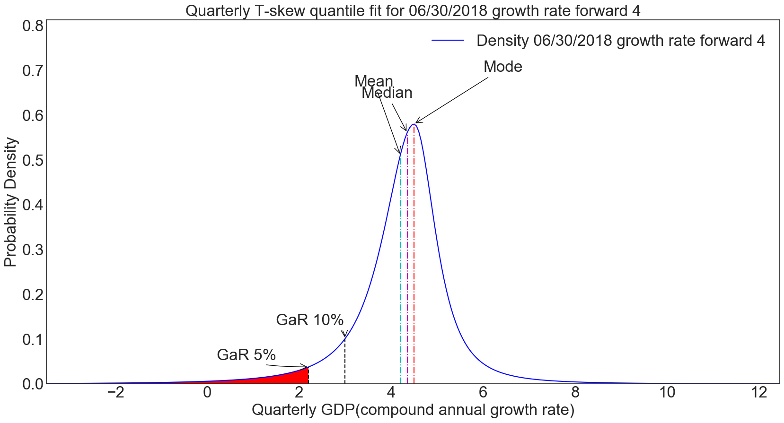
 |  | -2.9 | 0.00542 | 0.00144
 |  | -2.85 | 0.00549 | 0.00147
 |  | -2.8 | 0.00557 | 0.0015
 |  | -2.75 | 0.00564 | 0.00153
 |  | -2.7 | 0.00572 | 0.00157
 |  | -2.65 | 0.0058 | 0.0016
 |  | -2.6 | 0.00588 | 0.00163
 |  | -2.55 | 0.00596 | 0.00167
 |  | -2.5 | 0.00605 | 0.0017
 |  | -2.45 | 0.00613 | 0.00174
 |  | -2.4 | 0.00622 | 0.00177
 |  | -2.35 | 0.00631 | 0.00181
 |  | -2.3 | 0.0064 | 0.00185
 |  | -2.25 | 0.00649 | 0.00189
 |  | -2.2 | 0.00659 | 0.00193
 |  | -2.15 | 0.00669 | 0.00198
 |  | -2.1 | 0.00679 | 0.00202
 |  | -2.05 | 0.00689 | 0.00207
 |  | -2 | 0.00699 | 0.00211
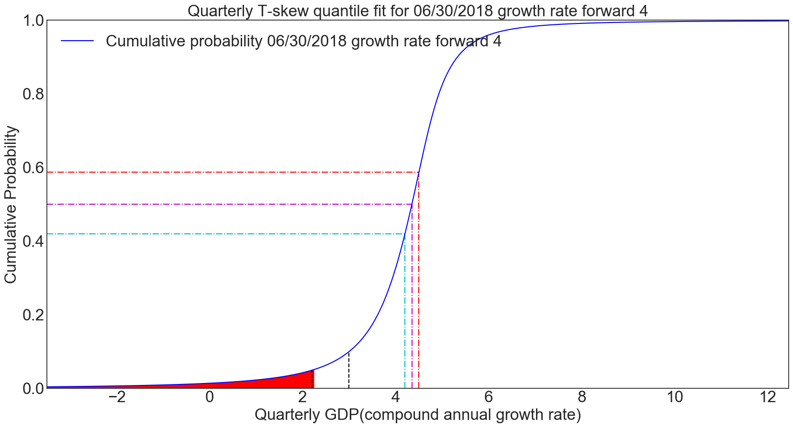
 |  | -1.95 | 0.0071 | 0.00216
 |  | -1.9 | 0.00721 | 0.00221
 |  | -1.85 | 0.00732 | 0.00226
 |  | -1.8 | 0.00744 | 0.00232
 |  | -1.75 | 0.00755 | 0.00237
 |  | -1.7 | 0.00767 | 0.00243
 |  | -1.65 | 0.0078 | 0.00249
 |  | -1.6 | 0.00792 | 0.00255
 |  | -1.55 | 0.00805 | 0.00261
 |  | -1.5 | 0.00818 | 0.00267
 |  | -1.45 | 0.00832 | 0.00274
 |  | -1.4 | 0.00846 | 0.0028
 |  | -1.35 | 0.0086 | 0.00288
 |  | -1.3 | 0.00874 | 0.00295
 |  | -1.25 | 0.00889 | 0.00302
 |  | -1.2 | 0.00905 | 0.0031
 |  | -1.15 | 0.0092 | 0.00318
 |  | -1.1 | 0.00936 | 0.00326
 |  | -1.05 | 0.00953 | 0.00335
 |  | -1 | 0.0097 | 0.00344
 |  | -0.95 | 0.00987 | 0.00353
 |  | -0.9 | 0.01005 | 0.00363
 |  | -0.85 | 0.01024 | 0.00373
 |  | -0.8 | 0.01043 | 0.00383
 |  | -0.75 | 0.01062 | 0.00394
 |  | -0.7 | 0.01082 | 0.00405
 |  | -0.65 | 0.01102 | 0.00416
 |  | -0.6 | 0.01124 | 0.00428
 |  | -0.55 | 0.01145 | 0.0044
 |  | -0.5 | 0.01168 | 0.00453
 |  | -0.45 | 0.01191 | 0.00467
 |  | -0.4 | 0.01214 | 0.0048
 |  | -0.35 | 0.01239 | 0.00495
 |  | -0.3 | 0.01264 | 0.0051
 |  | -0.25 | 0.0129 | 0.00525
 |  | -0.2 | 0.01316 | 0.00541
 |  | -0.15 | 0.01344 | 0.00558
 |  | -0.1 | 0.01372 | 0.00576
 |  | -0.05 | 0.01401 | 0.00594
 |  | 0 | 0.01432 | 0.00613
 |  | 0.05 | 0.01463 | 0.00633
 |  | 0.1 | 0.01495 | 0.00654
 |  | 0.15 | 0.01528 | 0.00675
 |  | 0.2 | 0.01562 | 0.00698
 |  | 0.25 | 0.01598 | 0.00722
 |  | 0.3 | 0.01635 | 0.00746
 |  | 0.35 | 0.01673 | 0.00772
 |  | 0.4 | 0.01712 | 0.00799
 |  | 0.45 | 0.01753 | 0.00827
 |  | 0.5 | 0.01795 | 0.00857
 |  | 0.55 | 0.01838 | 0.00887
 |  | 0.6 | 0.01883 | 0.0092
 |  | 0.65 | 0.0193 | 0.00954
 |  | 0.7 | 0.01979 | 0.00989
 |  | 0.75 | 0.02029 | 0.01027
 |  | 0.8 | 0.02081 | 0.01066
 |  | 0.85 | 0.02136 | 0.01107
 |  | 0.9 | 0.02192 | 0.01151
 |  | 0.95 | 0.02251 | 0.01196
 |  | 1 | 0.02312 | 0.01244
 |  | 1.05 | 0.02375 | 0.01295
 |  | 1.1 | 0.02441 | 0.01348
 |  | 1.15 | 0.0251 | 0.01404
 |  | 1.2 | 0.02582 | 0.01463
 |  | 1.25 | 0.02657 | 0.01526
 |  | 1.3 | 0.02734 | 0.01592
 |  | 1.35 | 0.02816 | 0.01661
 |  | 1.4 | 0.02901 | 0.01735
 |  | 1.45 | 0.02989 | 0.01813
 |  | 1.5 | 0.03082 | 0.01896
 |  | 1.55 | 0.03179 | 0.01983
 |  | 1.6 | 0.0328 | 0.02076
 |  | 1.65 | 0.03387 | 0.02175
 |  | 1.7 | 0.03498 | 0.0228
 |  | 1.75 | 0.03615 | 0.02391
 |  | 1.8 | 0.03737 | 0.0251
 |  | 1.85 | 0.03866 | 0.02636
 |  | 1.9 | 0.04001 | 0.0277
 |  | 1.95 | 0.04143 | 0.02914
 |  | 2 | 0.04293 | 0.03067
 |  | 2.05 | 0.0445 | 0.0323
 |  | 2.1 | 0.04616 | 0.03405
 |  | 2.15 | 0.04791 | 0.03592
 |  | 2.2 | 0.04975 | 0.03792
 |  | 2.25 | 0.0517 | 0.04007
 |  | 2.3 | 0.05376 | 0.04237
 |  | 2.35 | 0.05594 | 0.04484
 |  | 2.4 | 0.05825 | 0.04749
 |  | 2.45 | 0.06069 | 0.05035
 |  | 2.5 | 0.06329 | 0.05342
 |  | 2.55 | 0.06604 | 0.05674
 |  | 2.6 | 0.06896 | 0.06031
 |  | 2.65 | 0.07207 | 0.06416
 |  | 2.7 | 0.07539 | 0.06832
 |  | 2.75 | 0.07891 | 0.07282
 |  | 2.8 | 0.08267 | 0.07769
 |  | 2.85 | 0.08669 | 0.08296
 |  | 2.9 | 0.09098 | 0.08866
 |  | 2.95 | 0.09556 | 0.09484
 |  | 3 | 0.10047 | 0.10154
 |  | 3.05 | 0.10573 | 0.10881
 |  | 3.1 | 0.11136 | 0.1167
 |  | 3.15 | 0.11741 | 0.12525
 |  | 3.2 | 0.1239 | 0.13454
 |  | 3.25 | 0.13087 | 0.1446
 |  | 3.3 | 0.13837 | 0.15552
 |  | 3.35 | 0.14644 | 0.16734
 |  | 3.4 | 0.15512 | 0.18013
 |  | 3.45 | 0.16447 | 0.19396
 |  | 3.5 | 0.17454 | 0.20888
 |  | 3.55 | 0.18538 | 0.22493
 |  | 3.6 | 0.19705 | 0.24215
 |  | 3.65 | 0.20961 | 0.26057
 |  | 3.7 | 0.22313 | 0.28018
 |  | 3.75 | 0.23765 | 0.30095
 |  | 3.8 | 0.25324 | 0.32282
 |  | 3.85 | 0.26995 | 0.34567
 |  | 3.9 | 0.28782 | 0.36933
 |  | 3.95 | 0.30689 | 0.3936
 |  | 4 | 0.32719 | 0.41816
 |  | 4.05 | 0.34871 | 0.44268
 |  | 4.1 | 0.37145 | 0.46672
 |  | 4.15 | 0.39536 | 0.48979
 |  | 4.2 | 0.4204 | 0.51137
 |  | 4.25 | 0.44647 | 0.53089
 |  | 4.3 | 0.47345 | 0.54781
 |  | 4.35 | 0.5012 | 0.56161
 |  | 4.4 | 0.52955 | 0.57182
 |  | 4.45 | 0.55831 | 0.57809
 |  | 4.5 | 0.58729 | 0.58021
 |  | 4.55 | 0.61623 | 0.57593
 |  | 4.6 | 0.64474 | 0.56342
 |  | 4.65 | 0.67244 | 0.54355
 |  | 4.7 | 0.699 | 0.51763
 |  | 4.75 | 0.72413 | 0.4872
 |  | 4.8 | 0.74767 | 0.45387
 |  | 4.85 | 0.7695 | 0.41913
 |  | 4.9 | 0.78958 | 0.38423
 |  | 4.95 | 0.80793 | 0.35018
 |  | 5 | 0.82462 | 0.3177
 |  | 5.05 | 0.83974 | 0.28726
 |  | 5.1 | 0.85339 | 0.25913
 |  | 5.15 | 0.86569 | 0.23341
 |  | 5.2 | 0.87677 | 0.21009
 |  | 5.25 | 0.88674 | 0.18907
 |  | 5.3 | 0.89571 | 0.17022
 |  | 5.35 | 0.90379 | 0.15337
 |  | 5.4 | 0.91108 | 0.13833
 |  | 5.45 | 0.91765 | 0.12493
 |  | 5.5 | 0.9236 | 0.11299
 |  | 5.55 | 0.92898 | 0.10237
 |  | 5.6 | 0.93385 | 0.0929
 |  | 5.65 | 0.93828 | 0.08446
 |  | 5.7 | 0.94231 | 0.07693
 |  | 5.75 | 0.94599 | 0.07019
 |  | 5.8 | 0.94934 | 0.06417
 |  | 5.85 | 0.95242 | 0.05877
 |  | 5.9 | 0.95523 | 0.05393
 |  | 5.95 | 0.95782 | 0.04957
 |  | 6 | 0.96019 | 0.04564
 |  | 6.05 | 0.96239 | 0.0421
 |  | 6.1 | 0.96441 | 0.0389
 |  | 6.15 | 0.96628 | 0.036
 |  | 6.2 | 0.96801 | 0.03337
 |  | 6.25 | 0.96962 | 0.03098
 |  | 6.3 | 0.97112 | 0.0288
 |  | 6.35 | 0.97251 | 0.02682
 |  | 6.4 | 0.9738 | 0.02501
 |  | 6.45 | 0.97501 | 0.02335
 |  | 6.5 | 0.97614 | 0.02183
 |  | 6.55 | 0.97719 | 0.02044
 |  | 6.6 | 0.97818 | 0.01916
 |  | 6.65 | 0.97911 | 0.01798
 |  | 6.7 | 0.97998 | 0.01689
 |  | 6.75 | 0.9808 | 0.01589
 |  | 6.8 | 0.98157 | 0.01497
 |  | 6.85 | 0.9823 | 0.01411
 |  | 6.9 | 0.98299 | 0.01331
 |  | 6.95 | 0.98363 | 0.01258
 |  | 7 | 0.98424 | 0.01189
 |  | 7.05 | 0.98482 | 0.01125
 |  | 7.1 | 0.98537 | 0.01066
 |  | 7.15 | 0.98589 | 0.01011
 |  | 7.2 | 0.98638 | 0.00959
 |  | 7.25 | 0.98685 | 0.00911
 |  | 7.3 | 0.98729 | 0.00866
 |  | 7.35 | 0.98772 | 0.00824
 |  | 7.4 | 0.98812 | 0.00784
 |  | 7.45 | 0.9885 | 0.00747
 |  | 7.5 | 0.98887 | 0.00713
 |  | 7.55 | 0.98921 | 0.0068
 |  | 7.6 | 0.98955 | 0.00649
 |  | 7.65 | 0.98986 | 0.0062
 |  | 7.7 | 0.99017 | 0.00593
 |  | 7.75 | 0.99046 | 0.00567
 |  | 7.8 | 0.99073 | 0.00543
 |  | 7.85 | 0.991 | 0.0052
 |  | 7.9 | 0.99125 | 0.00498
 |  | 7.95 | 0.9915 | 0.00478
 |  | 8 | 0.99173 | 0.00458
 |  | 8.05 | 0.99196 | 0.0044
 |  | 8.1 | 0.99217 | 0.00423
 |  | 8.15 | 0.99238 | 0.00406
 |  | 8.2 | 0.99258 | 0.0039
 |  | 8.25 | 0.99277 | 0.00376
 |  | 8.3 | 0.99295 | 0.00361
 |  | 8.35 | 0.99313 | 0.00348
 |  | 8.4 | 0.9933 | 0.00335
 |  | 8.45 | 0.99347 | 0.00323
 |  | 8.5 | 0.99363 | 0.00311
 |  | 8.55 | 0.99378 | 0.003
 |  | 8.6 | 0.99393 | 0.0029
 |  | 8.65 | 0.99407 | 0.0028
 |  | 8.7 | 0.99421 | 0.0027
 |  | 8.75 | 0.99434 | 0.00261
 |  | 8.8 | 0.99447 | 0.00252
 |  | 8.85 | 0.99459 | 0.00244
 |  | 8.9 | 0.99471 | 0.00236
 |  | 8.95 | 0.99483 | 0.00228
 |  | 9 | 0.99494 | 0.00221
 |  | 9.05 | 0.99505 | 0.00214
 |  | 9.1 | 0.99515 | 0.00207
 |  | 9.15 | 0.99525 | 0.00201
 |  | 9.2 | 0.99535 | 0.00194
 |  | 9.25 | 0.99545 | 0.00188
 |  | 9.3 | 0.99554 | 0.00183
 |  | 9.35 | 0.99563 | 0.00177
 |  | 9.4 | 0.99572 | 0.00172
 |  | 9.45 | 0.9958 | 0.00167
 |  | 9.5 | 0.99589 | 0.00162
 |  | 9.55 | 0.99597 | 0.00157
 |  | 9.6 | 0.99604 | 0.00153
 |  | 9.65 | 0.99612 | 0.00149
 |  | 9.7 | 0.99619 | 0.00144
 |  | 9.75 | 0.99626 | 0.0014
 |  | 9.8 | 0.99633 | 0.00137
 |  | 9.85 | 0.9964 | 0.00133
 |  | 9.9 | 0.99647 | 0.00129
 |  | 9.95 | 0.99653 | 0.00126
 |  | 10 | 0.99659 | 0.00122
 |  | 10.05 | 0.99665 | 0.00119
 |  | 10.1 | 0.99671 | 0.00116
 |  | 10.15 | 0.99677 | 0.00113
 |  | 10.2 | 0.99682 | 0.0011
 |  | 10.25 | 0.99688 | 0.00107
 |  | 10.3 | 0.99693 | 0.00105
 |  | 10.35 | 0.99698 | 0.00102
 |  | 10.4 | 0.99703 | 0.001
 |  | 10.45 | 0.99708 | 0.00097
 |  | 10.5 | 0.99713 | 0.00095
 |  | 10.55 | 0.99718 | 0.00092
 |  | 10.6 | 0.99722 | 0.0009
 |  | 10.65 | 0.99727 | 0.00088
 |  | 10.7 | 0.99731 | 0.00086
 |  | 10.75 | 0.99735 | 0.00084
 |  | 10.8 | 0.99739 | 0.00082
 |  | 10.85 | 0.99743 | 0.0008
 |  | 10.9 | 0.99747 | 0.00078
 |  | 10.95 | 0.99751 | 0.00076
 |  | 11 | 0.99755 | 0.00075
 |  | 11.05 | 0.99759 | 0.00073
 |  | 11.1 | 0.99762 | 0.00071
 |  | 11.15 | 0.99766 | 0.0007
 |  | 11.2 | 0.99769 | 0.00068
 |  | 11.25 | 0.99773 | 0.00067
 |  | 11.3 | 0.99776 | 0.00065
 |  | 11.35 | 0.99779 | 0.00064
 |  | 11.4 | 0.99782 | 0.00063
 |  | 11.45 | 0.99786 | 0.00061
 |  | 11.5 | 0.99789 | 0.0006
 |  | 11.55 | 0.99792 | 0.00059
 |  | 11.6 | 0.99794 | 0.00057
 |  | 11.65 | 0.99797 | 0.00056
 |  | 11.7 | 0.998 | 0.00055
 |  | 11.75 | 0.99803 | 0.00054
 |  | 11.8 | 0.99805 | 0.00053
 |  | 11.85 | 0.99808 | 0.00052
 |  | 11.9 | 0.99811 | 0.00051
 |  | 11.95 | 0.99813 | 0.0005
 |  | 12 | 0.99816 | 0.00049
 |  | 12.05 | 0.99818 | 0.00048
 |  | 12.1 | 0.9982 | 0.00047
 |  | 12.15 | 0.99823 | 0.00046
 |  | 12.2 | 0.99825 | 0.00045
 |  | 12.25 | 0.99827 | 0.00044
 |  | 12.3 | 0.99829 | 0.00043
 |  | 12.35 | 0.99832 | 0.00043
 |  | 12.4 | 0.99834 | 0.00042
 |  | 12.45 | 0.99836 | 0.00041

Senario test
 | Before shock | After shock | Tskew_PDF_x | Tskew_PDF_y_before | Tskew_CDF_y_before | Tskew_PDF_y_after | Tskew_CDF_y_after | Variables : | ITA_bond_10Y_rate_raw | ITA_bond_10Y_rate_shocked | Groups : | domestic_macro | domestic_macro_shocked | domestic_fci | domestic_fci_shocked | leverage | leverage_shocked | trade_partners_macro | trade_partners_macro_shocked | euro_area_fci | euro_area_fci_shocked | world_fci | world_fci_shocked
Date of input | 2018-06-30 | 2018-06-30 | -3.5 | 0.0011475389245 | 0.0046451210357 | 0.0015045042387 | 0.0049436538624 | 2002-06-30 |  |  |  | 1.7223211026 | 1.7223211026 | 3.106197544 | 3.106197544 | -1.4939502896 | -1.4939502896 | 1.28546056 | 1.28546056 | 0.80793248225 | 3.2054303896 | 1.3123808684 | 1.3123808684
Horizon forward | 4 | 4 | -3.45 | 0.0011689784261 | 0.0047030317736 | 0.00153920384 | 0.0050197421899 | 2002-09-30 |  |  |  | 1.2006292435 | 1.2006292435 | 3.104026839 | 3.104026839 | -1.3635771835 | -1.3635771835 | 1.1480969873 | 1.1480969873 | 1.3753960573 | 3.7728939646 | 2.3533866188 | 2.3533866188
Conditional mode | 4.5 | 4.9658333333 | -3.4 | 0.0011909531118 | 0.0047620277978 | 0.0015749734082 | 0.0050975920782 | 2002-12-31 |  |  |  | 0.69929589375 | 0.69929589375 | 2.0425114454 | 2.0425114454 | -1.2809509621 | -1.2809509621 | 1.1061322545 | 1.1061322545 | 1.3454035251 | 3.7429014325 | 2.0126599877 | 2.0126599877
GaR5% | 2.2 | 1.05 | -3.35 | 0.0012134797141 | 0.0048221362831 | 0.0016118542903 | 0.0051772580515 | 2003-03-31 |  |  |  | 0.21715215466 | 0.21715215466 | -0.11672996883 | -0.11672996883 | -1.2222465699 | -1.2222465699 | 1.0509243828 | 1.0509243828 | 1.2170615489 | 3.6145594562 | 1.7941202118 | 1.7941202118
GaR10% | 2.95 | 1.7 | -3.3 | 0.0012365755947 | 0.0048833852568 | 0.0016498897553 | 0.0052587967491 | 2003-06-30 |  |  |  | 0.35691267729 | 0.35691267729 | 1.1697375781 | 1.1697375781 | -1.5084281879 | -1.5084281879 | 1.3285337151 | 1.3285337151 | 0.56054969041 | 2.9580475978 | 1.2434331155 | 1.2434331155
Growth below 0 probablity | 0.0143 | 0.0222 | -3.25 | 0.0012602587718 | 0.0049458036304 | 0.0016891250988 | 0.0053422670238 | 2003-09-30 |  |  |  | 0.49357108104 | 0.49357108104 | 1.4683807102 | 1.4683807102 | -1.467079007 | -1.467079007 | 1.2869913506 | 1.2869913506 | 0.34999264424 | 2.7474905516 | 1.0068980436 | 1.0068980436
Skewness | 0.8383 | 0.9487 | -3.2 | 0.0012845479492 | 0.0050094212336 | 0.0017296077536 | 0.0054277300463 | 2003-12-31 |  |  |  | 0.62722951404 | 0.62722951404 | 1.7222937776 | 1.7222937776 | -1.2533705903 | -1.2533705903 | 1.0605665988 | 1.0605665988 | 0.27060051351 | 2.6680984209 | 0.84249683723 | 0.84249683723
Scale | 0.6 | 0.6 | -3.15 | 0.0013094625466 | 0.0050742688486 | 0.001771387408 | 0.0055152494145 | 2004-03-31 |  |  |  | 0.75798568832 | 0.75798568832 | 2.2247473216 | 2.2247473216 | -1.4445708333 | -1.4445708333 | 0.85241467453 | 0.85241467453 | 0.039214427915 | 2.4367123353 | 0.66247977175 | 0.66247977175
 |  |  | -3.1 | 0.0013350227323 | 0.0051403782476 | 0.0018145161306 | 0.0056048912701 | 2004-06-30 |  |  |  | 0.75513531652 | 0.75513531652 | 1.3470916053 | 1.3470916053 | -1.7064929695 | -1.7064929695 | 0.90808075293 | 0.90808075293 | 0.32058431544 | 2.7180822228 | 0.54212125058 | 0.54212125058
 |  |  | -3.05 | 0.0013612494558 | 0.0052077822303 | 0.0018590485046 | 0.0056967244203 | 2004-09-30 |  |  |  | 0.75236163764 | 0.75236163764 | 0.97926879813 | 0.97926879813 | -1.6543077397 | -1.6543077397 | 0.97768934257 | 0.97768934257 | 0.2837778451 | 2.6812757525 | 0.33085274381 | 0.33085274381
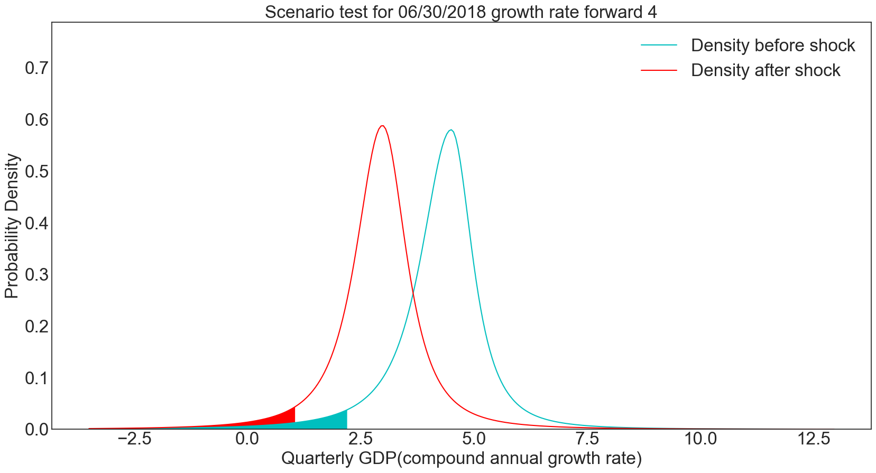
 |  |  | -3 | 0.0013881644844 | 0.0052765146645 | 0.0019050417686 | 0.0057908204672 | 2004-12-31 |  |  |  | 0.74966159749 | 0.74966159749 | 0.035990288208 | 0.035990288208 | -1.5141641763 | -1.5141641763 | 0.77756217011 | 0.77756217011 | 0.28033955413 | 2.6778374615 | 0.053839589097 | 0.053839589097
 |  |  | -2.95 | 0.0014157904395 | 0.0053466105271 | 0.0019525559685 | 0.0058872539445 | 2005-03-31 |  |  |  | 0.74703230192 | 0.74703230192 | 0.065548137612 | 0.065548137612 | -1.696007129 | -1.696007129 | 0.61216869038 | 0.61216869038 | 0.13781552482 | 2.5353134322 | -0.068577726166 | -0.068577726166
 |  |  | -2.9 | 0.0014441508362 | 0.0054181059486 | 0.002001654118 | 0.0059861024615 | 2005-06-30 |  |  |  | 0.74986294803 | 0.74986294803 | -0.060166422025 | -0.060166422025 | -0.72772105656 | -0.72772105656 | 0.70802075513 | 0.70802075513 | 0.12918657539 | 2.5266844827 | -0.093077544491 | -0.093077544491
 |  |  | -2.85 | 0.0014732701248 | 0.0054910382583 | 0.0020524023702 | 0.0060874468561 | 2005-09-30 |  |  |  | 0.75261770072 | 0.75261770072 | 0.94036718953 | 0.94036718953 | -1.4701476261 | -1.4701476261 | 0.77584813028 | 0.77584813028 | 0.26945816952 | 2.6669560769 | -0.47477971832 | -0.47477971832
 |  |  | -2.8 | 0.0015031737335 | 0.0055654460325 | 0.0021048702001 | 0.0061913713562 | 2005-12-31 |  |  |  | 0.75529957182 | 0.75529957182 | 0.49101620829 | 0.49101620829 | -1.4767855027 | -1.4767855027 | 0.80347368964 | 0.80347368964 | 0.34403860822 | 2.7415365156 | -0.34151460168 | -0.34151460168
 |  |  | -2.75 | 0.0015338881151 | 0.005641369144 | 0.0021591306003 | 0.0062979637502 | 2006-03-31 |  |  |  | 0.75791141588 | 0.75791141588 | 0.046144600972 | 0.046144600972 | -1.4184373944 | -1.4184373944 | 1.2227689664 | 1.2227689664 | 0.48961428372 | 2.8871121911 | -0.4928290007 | -0.4928290007
 |  |  | -2.7 | 0.0015654407942 | 0.005718848815 | 0.0022152602881 | 0.0064073155688 | 2006-06-30 | 4.2624333333 | 6.9960779965 |  | 0.81053031865 | 0.81053031865 | -0.1089793602 | -0.1089793602 | -1.1629729898 | -1.1629729898 | 1.2177901884 | 1.2177901884 | 0.62711276483 | 3.0246106722 | -0.48637815404 | -0.48637815404
 |  |  | -2.65 | 0.0015978604187 | 0.0057979276718 | 0.0022733399284 | 0.0065195222759 | 2006-09-30 | 4.1679 | 6.9015446632 |  | 0.86173347594 | 0.86173347594 | -0.056112947266 | -0.056112947266 | -1.2648940777 | -1.2648940777 | 1.2389035623 | 1.2389035623 | 0.57106987222 | 2.9685677796 | -0.5634656606 | -0.5634656606
 |  |  | -2.6 | 0.0016311768132 | 0.0058786498023 | 0.002333454371 | 0.0066346834725 | 2006-12-31 | 4.0324 | 6.7660446632 |  | 0.9115772666 | 0.9115772666 | 0.17817943101 | 0.17817943101 | -0.22204261497 | -0.22204261497 | 1.3921851192 | 1.3921851192 | 0.41009463787 | 2.8075925452 | -0.49140927988 | -0.49140927988
 |  |  | -2.55 | 0.001665421035 | 0.0059610608162 | 0.0023956929036 | 0.0067529031119 | 2007-03-31 | 4.2331666667 | 6.9668113298 |  | 0.96011511516 | 0.96011511516 | -0.039360168248 | -0.039360168248 | -0.1750685904 | -0.1750685904 | 1.2823845571 | 1.2823845571 | 0.6219610453 | 3.0194589527 | -0.31506048354 | -0.31506048354
 |  |  | -2.5 | 0.0017006254342 | 0.006045207908 | 0.0024601495237 | 0.0068742897283 | 2007-06-30 | 4.5495666667 | 7.2832113298 |  | 0.97150193311 | 0.97150193311 | -0.07147708334 | -0.07147708334 | 0.26196811791 | 0.26196811791 | 1.4325075135 | 1.4325075135 | 0.77257824754 | 3.1700761549 | -0.39786611762 | -0.39786611762
 |  |  | -2.45 | 0.0017368237163 | 0.0061311399236 | 0.0025269232287 | 0.0069989566794 | 2007-09-30 | 4.6191333333 | 7.3527779965 |  | 0.98256246086 | 0.98256246086 | 0.46471905317 | 0.46471905317 | -0.69953729909 | -0.69953729909 | 1.3139541793 | 1.3139541793 | 1.0144339172 | 3.4119318246 | -0.028858601394 | -0.028858601394
 |  |  | -2.4 | 0.0017740510086 | 0.006218907429 | 0.0025961183262 | 0.0071270224045 | 2007-12-31 | 4.4645333333 | 7.1981779965 |  | 0.99331052509 | 0.99331052509 | 0.46604698998 | 0.46604698998 | -0.356408035 | -0.356408035 | 1.0630278483 | 1.0630278483 | 1.2719229186 | 3.669420826 | -0.4078040102 | -0.4078040102
 |  |  | -2.35 | 0.0018123439301 | 0.006308562784 | 0.0026678447669 | 0.0072586106978 | 2008-03-31 | 4.3665 | 7.1001446632 |  | 1.0037591822 | 1.0037591822 | 0.65634459629 | 0.65634459629 | 0.27416063779 | 0.27416063779 | 1.1040039613 | 1.1040039613 | 1.6005505491 | 3.9980484565 | -0.27321206313 | -0.27321206313
 |  |  | -2.3 | 0.0018517406655 | 0.006400160218 | 0.0027422185016 | 0.0073938509992 | 2008-06-30 | 4.7471333333 | 7.4807779965 |  | 1.2205037003 | 1.2205037003 | 0.40317910459 | 0.40317910459 | 0.47133595891 | 0.47133595891 | 0.86265779193 | 0.86265779193 | 1.6937324905 | 4.0912303978 | -1.4217642139 | -1.4217642139
 |  |  | -2.25 | 0.0018922810439 | 0.0064937559103 | 0.0028193618627 | 0.0075328787046 | 2008-09-30 | 4.9042666667 | 7.6379113298 |  | 1.4309557218 | 1.4309557218 | -0.062902795383 | -0.062902795383 | 0.61725292266 | 0.61725292266 | 0.86394820118 | 0.86394820118 | 1.9601921409 | 4.3576900483 | -0.97953364453 | -0.97953364453
 |  |  | -2.2 | 0.0019340066205 | 0.0065894080747 | 0.0028994039752 | 0.007675835494 | 2008-12-31 | 4.7071833333 | 7.4408279965 |  | 1.6353853503 | 1.6353853503 | 0.073268723558 | 0.073268723558 | 1.3307817198 | 1.3307817198 | 0.56450181756 | 0.56450181756 | 1.847758857 | 4.2452567644 | 3.435868935 | 3.435868935
 |  |  | -2.15 | 0.001976960765 | 0.0066871770475 | 0.0029824811966 | 0.007822869683 | 2009-03-31 | 4.5101 | 7.2437446632 |  | 0.66664743014 | 0.66664743014 | 0.2422877869 | 0.2422877869 | 2.0582821106 | 2.0582821106 | -0.12711673486 | -0.12711673486 | 0.55645369823 | 2.9539516056 | 2.7672326262 | 2.7672326262
 |  |  | -2.1 | 0.0020211887533 | 0.0067871253808 | 0.0030687375898 | 0.0079741365953 | 2009-06-30 | 4.4057 | 7.1393446632 |  | 1.3680433308 | 1.3680433308 | 0.32554567951 | 0.32554567951 | 1.2694228853 | 1.2694228853 | 0.017006328713 | 0.017006328713 | -0.187696903 | 2.2098010044 | 1.3918947305 | 1.3918947305
 |  |  | -2.05 | 0.002066737866 | 0.0068893179404 | 0.0031583254319 | 0.0081297989612 | 2009-09-30 | 4.1852666667 | 6.9189113298 |  | 0.95799821045 | 0.95799821045 | -0.20016012906 | -0.20016012906 | 1.2345059074 | 1.2345059074 | 0.040085654276 | 0.040085654276 | -0.7117513575 | 1.6857465499 | 0.48036277168 | 0.48036277168
 |  |  | -2 | 0.0021136574915 | 0.0069938220081 | 0.0032514057603 | 0.0082900273414 | 2009-12-31 | 3.9326 | 6.6662446632 |  | 0.56924029743 | 0.56924029743 | 0.23503020346 | 0.23503020346 | 1.1327391734 | 1.1327391734 | 0.18606311404 | 0.18606311404 | -0.56502301925 | 1.8324748881 | 0.082733524817 | 0.082733524817
 |  |  | -1.95 | 0.002161999236 | 0.0071007073902 | 0.0033481489612 | 0.0084550005796 | 2010-03-31 | 3.9916333333 | 6.7252779965 |  | 1.2057214978 | 1.2057214978 | -0.14651462194 | -0.14651462194 | 1.1859394482 | 1.1859394482 | 0.46920802228 | 0.46920802228 | -0.36549926827 | 2.0319986391 | -0.22908093523 | -0.22908093523
 |  |  | -1.9 | 0.0022118170395 | 0.0072100465313 | 0.0034487354028 | 0.0086249062856 | 2010-06-30 | 3.9951 | 6.7287446632 |  | -0.22330128521 | -0.22330128521 | -0.41628244532 | -0.41628244532 | 0.86351339196 | 0.86351339196 | 0.21592398027 | 0.21592398027 | 0.0038724431798 | 2.4013703505 | 0.21797231036 | 0.21797231036
 |  |  | -1.85 | 0.0022631672996 | 0.0073219146337 | 0.0035533561179 | 0.0087999413514 | 2010-09-30 | 3.892 | 6.6256446632 |  | -0.32561729403 | -0.32561729403 | -0.47847918265 | -0.47847918265 | 0.40437276373 | 0.40437276373 | 0.066497154624 | 0.066497154624 | -0.015454689996 | 2.3820432174 | 0.20873152737 | 0.20873152737
 |  |  | -1.8 | 0.0023161090013 | 0.0074363897837 | 0.0036622135391 | 0.0089803125024 | 2010-12-31 | 4.2038333333 | 6.9374779965 |  | -0.23785133372 | -0.23785133372 | -0.51911077182 | -0.51911077182 | 0.49917266712 | 0.49917266712 | -0.095937398117 | -0.095937398117 | 0.10040215343 | 2.4979000608 | -0.47357635029 | -0.47357635029
 |  |  | -1.75 | 0.0023707038564 | 0.0075535530847 | 0.003775522293 | 0.009166236887 | 2011-03-31 | 4.7590666667 | 7.4927113298 |  | -0.001318091282 | -0.001318091282 | -0.17807878195 | -0.17807878195 | 0.81188456873 | 0.81188456873 | -0.17669996456 | -0.17669996456 | 0.45491762864 | 2.852415536 | -0.79544910498 | -0.79544910498
 |  |  | -1.7 | 0.0024270164501 | 0.0076734887967 | 0.003893510056 | 0.0093579427074 | 2011-06-30 | 4.7426 | 7.4762446632 |  | -0.57255743905 | -0.57255743905 | -0.092832027843 | -0.092832027843 | 0.88398852627 | 0.88398852627 | -0.20121211306 | -0.20121211306 | 0.60832713338 | 3.0058250407 | -1.1196819282 | -1.1196819282
 |  |  | -1.65 | 0.0024851143975 | 0.0077962844839 | 0.0040164184805 | 0.0095556698953 | 2011-09-30 | 5.4240333333 | 8.1576779965 |  | -0.80315812562 | -0.80315812562 | -0.5118881351 | -0.5118881351 | 0.92681994323 | 0.92681994323 | -0.39093172825 | -0.39093172825 | 1.168034078 | 3.5655319854 | 0.24381121024 | 0.24381121024
 |  |  | -1.6 | 0.0025450685091 | 0.0079220311706 | 0.0041445041944 | 0.0097596708347 | 2011-12-31 | 6.3629666667 | 9.0966113298 |  | -0.87232271957 | -0.87232271957 | -0.58931055174 | -0.58931055174 | 0.91640333201 | 0.91640333201 | -0.93627017166 | -0.93627017166 | 1.4832445243 | 3.8807424316 | 0.14647533184 | 0.14647533184
 |  |  | -1.55 | 0.0026069529672 | 0.0080508235052 | 0.0042780398834 | 0.0099702111381 | 2012-03-31 | 5.6727666667 | 8.4064113298 |  | -1.6832935448 | -1.6832935448 | -0.73838219047 | -0.73838219047 | 1.367901801 | 1.367901801 | -1.1229541353 | -1.1229541353 | 0.76036865947 | 3.1578665668 | -1.060454644 | -1.060454644
 |  |  | -1.5 | 0.0026708455134 | 0.0081827599334 | 0.0044173154622 | 0.010187570478 | 2012-06-30 | 5.6596333333 | 8.3932779965 |  | -0.82302524288 | -0.82302524288 | -0.45489716048 | -0.45489716048 | 0.94174821991 | 0.94174821991 | -1.4788266249 | -1.4788266249 | 0.77699260314 | 3.1744905105 | -0.66480962596 | -0.66480962596
 |  |  | -1.45 | 0.0027368276474 | 0.0083179428808 | 0.0045626393424 | 0.010412043478 | 2012-09-30 | 5.6312666667 | 8.3649113298 |  | -0.91930002181 | -0.91930002181 | -0.6296585711 | -0.6296585711 | 0.91577740874 | 0.91577740874 | -1.5170372358 | -1.5170372358 | 0.59587811799 | 2.9933760254 | -0.93422765637 | -0.93422765637
 |  |  | -1.4 | 0.0028049848395 | 0.0084564789468 | 0.0047143398082 | 0.010643940676 | 2012-12-31 | 4.7046666667 | 7.4383113298 |  | -1.4885360093 | -1.4885360093 | -0.85229109062 | -0.85229109062 | 0.82887553337 | 0.82887553337 | -1.4294299566 | -1.4294299566 | 0.12989814404 | 2.5273960514 | -0.78337164235 | -0.78337164235
 |  |  | -1.35 | 0.0028754067557 | 0.0085984791077 | 0.0048727665072 | 0.01088358955 | 2013-03-31 | 4.4160333333 | 7.1496779965 |  | -1.1748187554 | -1.1748187554 | -1.0816064162 | -1.0816064162 | 1.1337980607 | 1.1337980607 | -1.6550940363 | -1.6550940363 | -0.14822100866 | 2.2492768987 | -1.2111449762 | -1.2111449762
 |  |  | -1.3 | 0.0029481874982 | 0.0087440589335 | 0.0050382920701 | 0.011131335628 | 2013-06-30 | 4.1735666667 | 6.9072113298 |  | -1.3889021846 | -1.3889021846 | -1.1237827141 | -1.1237827141 | 0.83453443224 | 0.83453443224 | -1.5913549402 | -1.5913549402 | -0.33061768177 | 2.0668802256 | -1.0999582746 | -1.0999582746
 |  |  | -1.25 | 0.0030234258615 | 0.0088933388151 | 0.005211313869 | 0.01138754368 | 2013-09-30 | 4.3715666667 | 7.1052113298 |  | -1.9249653872 | -1.9249653872 | -1.6333528382 | -1.6333528382 | 0.82419786305 | 0.82419786305 | -1.4338847409 | -1.4338847409 | -0.34588371564 | 2.0516141917 | -1.4669798439 | -1.4669798439
 |  |  | -1.2 | 0.0031012256048 | 0.0090464442064 | 0.0053922559302 | 0.011652599003 | 2013-12-31 | 4.1394333333 | 6.8730779965 |  | -1.7154458862 | -1.7154458862 | -1.4479479387 | -1.4479479387 | 0.95069243529 | 0.95069243529 | -1.4758667895 | -1.4758667895 | -0.64776456794 | 1.7497333394 | -1.2493619589 | -1.2493619589
 |  |  | -1.15 | 0.0031816957435 | 0.0092035058791 | 0.005581571014 | 0.011926908806 | 2014-03-31 | 3.6382333333 | 6.3718779965 |  | -1.6707731287 | -1.6707731287 | -1.7666326844 | -1.7666326844 | 0.8462223598 | 0.8462223598 | -1.2945456188 | -1.2945456188 | -0.75469667755 | 1.6428012298 | -1.2301945375 | -1.2301945375
 |  |  | -1.1 | 0.003264950859 | 0.0093646601938 | 0.0057797428804 | 0.012210903699 | 2014-06-30 | 3.0047666667 | 5.7384113298 |  | -1.9300259393 | -1.9300259393 | -1.6890465975 | -1.6890465975 | 0.73855893439 | 0.73855893439 | -1.2574844308 | -1.2574844308 | -1.0871019608 | 1.3103959466 | -1.5180470632 | -1.5180470632
 |  |  | -1.05 | 0.0033511114305 | 0.0095300493858 | 0.0059872887578 | 0.012505039307 | 2014-09-30 | 2.5666 | 5.3002446632 |  | -0.99578505312 | -0.99578505312 | -0.98742407921 | -0.98742407921 | 0.87830409764 | 0.87830409764 | -1.1890719088 | -1.1890719088 | -1.3077360509 | 1.0897618565 | -1.3506233466 | -1.3506233466
 |  |  | -1 | 0.0034403041885 | 0.0096998218696 | 0.0062047620347 | 0.01280979801 | 2014-12-31 | 2.2172666667 | 4.9509113298 |  | -1.2934886904 | -1.2934886904 | -1.1211122257 | -1.1211122257 | 0.67544724603 | 0.67544724603 | -1.246911765 | -1.246911765 | -1.3714914121 | 1.0260064953 | -0.445060996 | -0.445060996
 |  |  | -0.95 | 0.0035326624931 | 0.0098741325599 | 0.0064327551982 | 0.013125690819 | 2015-03-31 | 1.5050333333 | 4.2386779965 |  | -1.3354088091 | -1.3354088091 | -1.2506610152 | -1.2506610152 | 0.65931158582 | 0.65931158582 | -1.1662323428 | -1.1662323428 | -1.7194250607 | 0.67807284665 | 0.28920995496 | 0.28920995496
 |  |  | -0.9 | 0.0036283267379 | 0.010053143214 | 0.0066719030438 | 0.013453259416 | 2015-06-30 | 1.7781666667 | 4.5118113298 |  | -1.2242753863 | -1.2242753863 | -0.65888738499 | -0.65888738499 | 0.35856378051 | 0.35856378051 | -1.0334878202 | -1.0334878202 | -1.4802591839 | 0.91723872349 | -0.20519592871 | -0.20519592871
 |  |  | -0.85 | 0.0037274447821 | 0.010237022793 | 0.0069228861842 | 0.013793078351 | 2015-09-30 | 1.9075666667 | 4.6412113298 |  | -1.3849470232 | -1.3849470232 | -0.31075029773 | -0.31075029773 | 0.28022924763 | 0.28022924763 | -1.0350872194 | -1.0350872194 | -1.3965404835 | 1.0009574239 | 0.54031907647 | 0.54031907647
 |  |  | -0.8 | 0.0038301724136 | 0.010425947847 | 0.0071864348889 | 0.01414575743 | 2015-12-31 | 1.5470666667 | 4.2807113298 |  | -1.0507936859 | -1.0507936859 | -0.88590574042 | -0.88590574042 | 0.027225347819 | 0.027225347819 | -0.83730224981 | -0.83730224981 | -1.5470965822 | 0.85040132513 | 0.52493808221 | 0.52493808221
 |  |  | -0.75 | 0.0039366738433 | 0.010620102926 | 0.0074633332887 | 0.014511944302 | 2016-03-31 | 1.4807 | 4.2143446632 |  | -0.79820098747 | -0.79820098747 | -1.5311070281 | -1.5311070281 | 0.23116412905 | 0.23116412905 | -0.89395636851 | -0.89395636851 | -1.5350340414 | 0.86246386591 | 1.0294447142 | 1.0294447142
 |  |  | -0.7 | 0.0040471222365 | 0.010819681009 | 0.0077544239842 | 0.014892327262 | 2016-06-30 | 1.4006666667 | 4.1343113298 |  | -0.59016809044 | -0.59016809044 | -0.82864364038 | -0.82864364038 | 0.19462024953 | 0.19462024953 | -0.89314745373 | -0.89314745373 | -1.687875081 | 0.70962282639 | 0.26919636378 | 0.26919636378
 |  |  | -0.65 | 0.0041617002805 | 0.011024883971 | 0.0080606131013 | 0.015287638302 | 2016-09-30 | 1.1776666667 | 3.9113113298 |  | -0.70829125259 | -0.70829125259 | -0.12100786732 | -0.12100786732 | 0.11412603427 | 0.11412603427 | -0.8110021168 | -0.8110021168 | -1.7239264884 | 0.67357141895 | 0.13764081032 | 0.13764081032
 |  |  | -0.6 | 0.004280600795 | 0.011235923072 | 0.0083828758415 | 0.015698656424 | 2016-12-31 | 1.7356333333 | 4.4692779965 |  | -0.43167612363 | -0.43167612363 | 0.12395223224 | 0.12395223224 | -0.17873331278 | -0.17873331278 | -0.94110399735 | -0.94110399735 | -1.4325400598 | 0.96495784759 | 0.061249955788 | 0.061249955788
 |  |  | -0.55 | 0.0044040273854 | 0.011453019479 | 0.0087222625817 | 0.016126211241 | 2017-03-31 | 2.1481 | 4.8817446632 |  | -0.4025185372 | -0.4025185372 | 0.17483348176 | 0.17483348176 | -0.0095923938053 | -0.0095923938053 | -0.7082022121 | -0.7082022121 | -1.0218310156 | 1.3756668918 | -0.207095413 | -0.207095413
 |  |  | -0.5 | 0.004532195146 | 0.011676404823 | 0.0090799055834 | 0.016571186904 | 2017-06-30 | 2.1539666667 | 4.8876113298 |  | -0.24589016855 | -0.24589016855 | 0.087430973385 | 0.087430973385 | -0.25680087578 | -0.25680087578 | -0.56288807329 | -0.56288807329 | -1.1082404649 | 1.2892574424 | -0.13024558772 | -0.13024558772
 |  |  | -0.45 | 0.0046653314134 | 0.011906321795 | 0.0094570263785 | 0.017034526375 | 2017-09-30 | 2.0898333333 | 4.8234779965 |  | -0.076323211558 | -0.076323211558 | 0.12845237678 | 0.12845237678 | -0.10858119872 | -0.10858119872 | -0.52537137658 | -0.52537137658 | -1.1876792802 | 1.2098186272 | -0.16363940601 | -0.16363940601
 |  |  | -0.4 | 0.0048036765775 | 0.012143024772 | 0.0098549439079 | 0.017517236095 | 2017-12-31 | 1.8806333333 | 4.6142779965 |  | -0.16766296023 | -0.16766296023 | 0.021660226096 | 0.021660226096 | -0.26081225356 | -0.26081225356 | -0.46047521142 | -0.46047521142 | -1.2960064002 | 1.1014915071 | -0.41143840919 | -0.41143840919
 |  |  | -0.35 | 0.0049474849536 | 0.012386780498 | 0.010275083497 | 0.018020391069 | 2018-03-31 | 1.9803 | 4.7139446632 |  | -0.098794080909 | -0.098794080909 | -0.025418309868 | -0.025418309868 | -0.12191765086 | -0.12191765086 | -0.41242983089 | -0.41242983089 | -1.2482351451 | 1.1492627623 | -0.052417620821 | -0.052417620821
 |  |  | -0.3 | 0.0050970257197 | 0.012637868798 | 0.010718986766 | 0.018545140435 | 2018-06-30 | 2.2359666667 | 4.9696113298 |  | -0.085129212557 | -0.085129212557 | 0.46264828054 | 0.46264828054 | -0.42824433149 | -0.42824433149 | -0.33406544902 | -0.33406544902 | -1.0271347906 | 1.3703631168 | -0.34356489401 | -0.34356489401
 |  |  | -0.25 | 0.0052525839271 | 0.012896583351 | 0.011188322576 | 0.019092713544
 |  |  | -0.2 | 0.0054144615877 | 0.013163232505 | 0.011684899136 | 0.019664426621
 |  |  | -0.15 | 0.0055829788474 | 0.013438140159 | 0.012210677409 | 0.02026169006
 |  |  | -0.1 | 0.0057584752504 | 0.013721646697 | 0.012767785961 | 0.020886016431
 |  |  | -0.05 | 0.0059413111049 | 0.014014109996 | 0.013358537428 | 0.021539029259
 |  |  | -1.2434497876E-14 | 0.006131868957 | 0.014315906495 | 0.013985446794 | 0.022222472682
 |  |  | 0.05 | 0.0063305551838 | 0.01462743235 | 0.014651251703 | 0.022938222061
 |  |  | 0.1 | 0.0065378017165 | 0.01494910467 | 0.015358935039 | 0.023688295676
 |  |  | 0.15 | 0.006754067904 | 0.015281362833 | 0.016111750057 | 0.024474867594
 |  |  | 0.2 | 0.0069798425313 | 0.015624669916 | 0.016913248376 | 0.025300281887
 |  |  | 0.25 | 0.0072156460058 | 0.015979514215 | 0.017767311187 | 0.026167068305
 |  |  | 0.3 | 0.0074620327282 | 0.016346410884 | 0.018678184068 | 0.027077959616
 |  |  | 0.35 | 0.0077195936643 | 0.016725903703 | 0.019650515852 | 0.028035910779
 |  |  | 0.4 | 0.0079889591368 | 0.017118566969 | 0.02068940206 | 0.029044120167
 |  |  | 0.45 | 0.0082708018589 | 0.017525007545 | 0.021800433447 | 0.0301060531
 |  |  | 0.5 | 0.0085658402317 | 0.017945867055 | 0.022989750315 | 0.031225467931
 |  |  | 0.55 | 0.0088748419317 | 0.018381824261 | 0.024264103293 | 0.032406445023
 |  |  | 0.6 | 0.009198627816 | 0.01883359762 | 0.025630921381 | 0.033653418927
 |  |  | 0.65 | 0.0095380761772 | 0.019301948049 | 0.02709838816 | 0.034971214174
 |  |  | 0.7 | 0.0098941273818 | 0.019787681914 | 0.028675527141 | 0.036365085094
 |  |  | 0.75 | 0.01026778893 | 0.020291654253 | 0.030372297351 | 0.037840760163
 |  |  | 0.8 | 0.010660140982 | 0.020814772272 | 0.032199700375 | 0.039404491398
 |  |  | 0.85 | 0.011072342392 | 0.021357999126 | 0.034169900136 | 0.041063109427
 |  |  | 0.9 | 0.011505637308 | 0.021922358018 | 0.036296356867 | 0.042824084892
 |  |  | 0.95 | 0.011961362394 | 0.022508936638 | 0.038593976757 | 0.044695596938
 |  |  | 1 | 0.012440954732 | 0.023118891985 | 0.041079278874 | 0.046686609607
 |  |  | 1.05 | 0.012945960487 | 0.023753455602 | 0.04377058097 | 0.048806957046
 |  |  | 1.1 | 0.013478044404 | 0.024413939264 | 0.046688205768 | 0.05106743851
 |  |  | 1.15 | 0.014039000226 | 0.025101741163 | 0.049854709181 | 0.053479924221
 |  |  | 1.2 | 0.014630762137 | 0.025818352637 | 0.053295131713 | 0.056057473215
 |  |  | 1.25 | 0.015255417336 | 0.026565365505 | 0.05703727379 | 0.058814464354
 |  |  | 1.3 | 0.015915219852 | 0.027344480058 | 0.061111995127 | 0.061766741705
 |  |  | 1.35 | 0.016612605759 | 0.02815751377 | 0.065553537112 | 0.064931775476
 |  |  | 1.4 | 0.017350209909 | 0.029006410817 | 0.070399865651 | 0.068328839591
 |  |  | 1.45 | 0.018130884375 | 0.029893252468 | 0.075693029622 | 0.071979206826
 |  |  | 1.5 | 0.018957718777 | 0.030820268443 | 0.08147952696 | 0.075906362102
 |  |  | 1.55 | 0.019834062697 | 0.031789849346 | 0.087810665978 | 0.08013623402
 |  |  | 1.6 | 0.020763550406 | 0.032804560269 | 0.094742903609 | 0.084697443983
 |  |  | 1.65 | 0.021750128169 | 0.033867155698 | 0.10233813429 | 0.089621571123
 |  |  | 1.7 | 0.022798084392 | 0.034980595852 | 0.11066389268 | 0.094943429691
 |  |  | 1.75 | 0.023912082924 | 0.036148064613 | 0.11979341974 | 0.10070135342
 |  |  | 1.8 | 0.025097199867 | 0.0373729892 | 0.12980552437 | 0.10693747841
 |  |  | 1.85 | 0.026358964248 | 0.038659061781 | 0.14078415089 | 0.11369801214
 |  |  | 1.9 | 0.027703402983 | 0.040010263227 | 0.15281753643 | 0.12103347116
 |  |  | 1.95 | 0.029137090574 | 0.041430889226 | 0.1659968113 | 0.12899886345
 |  |  | 2 | 0.030667204034 | 0.042925579014 | 0.18041386109 | 0.13765378309
 |  |  | 2.05 | 0.032301583569 | 0.044499346992 | 0.19615823386 | 0.1470623752
 |  |  | 2.1 | 0.034048799586 | 0.046157617533 | 0.21331284499 | 0.15729311722
 |  |  | 2.15 | 0.035918226641 | 0.04790626331 | 0.23194821295 | 0.1684183499
 |  |  | 2.2 | 0.037920124958 | 0.04975164751 | 0.25211496661 | 0.18051347777
 |  |  | 2.25 | 0.040065730188 | 0.051700670325 | 0.27383441535 | 0.19365574734
 |  |  | 2.3 | 0.04236735208 | 0.05376082015 | 0.29708709313 | 0.20792250309
 |  |  | 2.35 | 0.044838482718 | 0.055940229957 | 0.3217994048 | 0.22338882212
 |  |  | 2.4 | 0.047493914957 | 0.058247739322 | 0.34782884579 | 0.24012444255
 |  |  | 2.45 | 0.050349871586 | 0.060692962654 | 0.37494875065 | 0.25818993593
 |  |  | 2.5 | 0.053424145634 | 0.063286364148 | 0.40283414205 | 0.27763213674
 |  |  | 2.55 | 0.056736251999 | 0.066039340043 | 0.43105093888 | 0.29847893733
 |  |  | 2.6 | 0.06030759029 | 0.068964308737 | 0.4590514076 | 0.3207336864
 |  |  | 2.65 | 0.064161618297 | 0.072074809323 | 0.48617909288 | 0.34436958339
 |  |  | 2.7 | 0.068324034903 | 0.075385609027 | 0.51168626462 | 0.36932462107
 |  |  | 2.75 | 0.072822970367 | 0.078912820002 | 0.53476589941 | 0.3954977588
 |  |  | 2.8 | 0.077689180775 | 0.082674025745 | 0.55459823324 | 0.4227470644
 |  |  | 2.85 | 0.082956241884 | 0.086688417253 | 0.57040910794 | 0.45089049662
 |  |  | 2.9 | 0.088660735588 | 0.090976938711 | 0.58153419687 | 0.47970978271
 |  |  | 2.95 | 0.09484241958 | 0.095562442138 | 0.58748058909 | 0.50895748066
 |  |  | 3 | 0.10154436739 | 0.10046984983 | 0.58786753595 | 0.53836611111
 |  |  | 3.05 | 0.10881306173 | 0.10572632274 | 0.5817339354 | 0.56763381219
 |  |  | 3.1 | 0.11669841852 | 0.11136143184 | 0.5692015628 | 0.59643266881
 |  |  | 3.15 | 0.1252537126 | 0.11740732845 | 0.55095319271 | 0.62445855994
 |  |  | 3.2 | 0.13453536771 | 0.12389890757 | 0.52792444913 | 0.65144823304
 |  |  | 3.25 | 0.14460256388 | 0.13087395637 | 0.50119870458 | 0.67718936645
 |  |  | 3.3 | 0.15551660428 | 0.13837327735 | 0.47190030615 | 0.70152525598
 |  |  | 3.35 | 0.16733997116 | 0.1464407723 | 0.44110259175 | 0.72435447605
 |  |  | 3.4 | 0.18013498744 | 0.15512346969 | 0.40976066113 | 0.74562653424
 |  |  | 3.45 | 0.19396198785 | 0.16447147318 | 0.37867182748 | 0.76533485743
 |  |  | 3.5 | 0.20887689329 | 0.17453780436 | 0.34846113438 | 0.78350844652
 |  |  | 3.55 | 0.22492807656 | 0.1853781068 | 0.31958615746 | 0.8002033166
 |  |  | 3.6 | 0.24215241168 | 0.19705017357 | 0.29235438577 | 0.81549451924
 |  |  | 3.65 | 0.26057041763 | 0.20961325474 | 0.2669471089 | 0.82946921915
 |  |  | 3.7 | 0.28018044806 | 0.22312709841 | 0.24344514198 | 0.84222102731
 |  |  | 3.75 | 0.30095194931 | 0.2376506776 | 0.22185328822 | 0.85384559861
 |  |  | 3.8 | 0.32281791856 | 0.2532405592 | 0.202121807 | 0.86443738253
 |  |  | 3.85 | 0.34566684867 | 0.2699488814 | 0.18416417788 | 0.87408735593
 |  |  | 3.9 | 0.36933464775 | 0.2878209253 | 0.16787112161 | 0.88288154975
 |  |  | 3.95 | 0.39359726156 | 0.30689229642 | 0.15312122013 | 0.89090018963
 |  |  | 4 | 0.41816498299 | 0.32718577489 | 0.13978865071 | 0.89821729329
 |  |  | 4.05 | 0.44267966197 | 0.34870794826 | 0.12774858954 | 0.90490059387
 |  |  | 4.1 | 0.46671616741 | 0.37144580528 | 0.11688080493 | 0.91101168633
 |  |  | 4.15 | 0.48978942033 | 0.39536353699 | 0.10707188999 | 0.91660631766
 |  |  | 4.2 | 0.51136803065 | 0.42039985129 | 0.098216503327 | 0.92173476265
 |  |  | 4.25 | 0.53089497315 | 0.44646614504 | 0.090217908297 | 0.92644224302
 |  |  | 4.3 | 0.54781483029 | 0.47344587855 | 0.082988032573 | 0.93076936079
 |  |  | 4.35 | 0.56160600143 | 0.5011954453 | 0.076447213323 | 0.93475252612
 |  |  | 4.4 | 0.57181512287 | 0.52954672127 | 0.070523747965 | 0.93842436723
 |  |  | 4.45 | 0.57809003052 | 0.55831131527 | 0.065153335807 | 0.9418141147
 |  |  | 4.5 | 0.58020721121 | 0.58728634648 | 0.060278469631 | 0.94494795649
 |  |  | 4.55 | 0.57593347372 | 0.61622530247 | 0.055847816965 | 0.94784936213
 |  |  | 4.6 | 0.563421986 | 0.6447420762 | 0.051815616835 | 0.95053937628
 |  |  | 4.65 | 0.54355086475 | 0.67244459832 | 0.048141107766 | 0.95303688285
 |  |  | 4.7 | 0.51762808967 | 0.69899616743 | 0.044787995933 | 0.95535884147
 |  |  | 4.75 | 0.4872031035 | 0.72413234584 | 0.041723967566 | 0.95752049854
 |  |  | 4.8 | 0.45387387362 | 0.74766813942 | 0.038920246579 | 0.95953557494
 |  |  | 4.85 | 0.41912676343 | 0.76949622715 | 0.036351196368 | 0.96141643283
 |  |  | 4.9 | 0.38422947289 | 0.78957846586 | 0.033993963486 | 0.9631742235
 |  |  | 4.95 | 0.3501796723 | 0.80793345431 | 0.03182816021 | 0.96481901846
 |  |  | 5 | 0.31769964956 | 0.82462273583 | 0.029835582716 | 0.96635992555
 |  |  | 5.05 | 0.28726197911 | 0.83973757417 | 0.027999961487 | 0.96780519172
 |  |  | 5.1 | 0.25913146885 | 0.85338747566 | 0.026306740664 | 0.96916229419
 |  |  | 5.15 | 0.23341190685 | 0.86569096801 | 0.024742883232 | 0.9704380211
 |  |  | 5.2 | 0.21009020439 | 0.87676867413 | 0.023296699157 | 0.97163854308
 |  |  | 5.25 | 0.18907409681 | 0.88673844186 | 0.021957693834 | 0.97276947674
 |  |  | 5.3 | 0.17022211443 | 0.89571216697 | 0.020716434466 | 0.97383594103
 |  |  | 5.35 | 0.15336607994 | 0.90379392468 | 0.019564432243 | 0.97484260734
 |  |  | 5.4 | 0.13832715355 | 0.91107905973 | 0.018494038423 | 0.97579374398
 |  |  | 5.45 | 0.12492670178 | 0.9176539438 | 0.017498352627 | 0.97669325594
 |  |  | 5.5 | 0.11299323105 | 0.92359617323 | 0.01657114187 | 0.97754472017
 |  |  | 5.55 | 0.10236645752 | 0.92897503772 | 0.015706769019 | 0.97835141713
 |  |  | 5.6 | 0.092899372978 | 0.9338521393 | 0.014900129523 | 0.97911635903
 |  |  | 5.65 | 0.084458962371 | 0.93828207853 | 0.014146595423 | 0.97984231494
 |  |  | 5.7 | 0.076926054146 | 0.94231315324 | 0.013441965743 | 0.98053183343
 |  |  | 5.75 | 0.070194644906 | 0.94598803547 | 0.012782422498 | 0.98118726276
 |  |  | 5.8 | 0.064170933778 | 0.94934440653 | 0.012164491648 | 0.98181076905
 |  |  | 5.85 | 0.058772223814 | 0.95241554 | 0.01158500839 | 0.98240435257
 |  |  | 5.9 | 0.053925791956 | 0.95523082862 | 0.011041086292 | 0.98296986243
 |  |  | 5.95 | 0.049567790183 | 0.95781625534 | 0.010530089795 | 0.98350900983
 |  |  | 6 | 0.04564221393 | 0.96019481091 | 0.010049609702 | 0.98402337991
 |  |  | 6.05 | 0.042099956224 | 0.96238686203 | 0.0095974412942 | 0.98451444256
 |  |  | 6.1 | 0.038897954573 | 0.96441047453 | 0.0091715647777 | 0.98498356214
 |  |  | 6.15 | 0.035998430525 | 0.96628169622 | 0.0087701277923 | 0.98543200628
 |  |  | 6.2 | 0.033368217607 | 0.96801480388 | 0.0083914297425 | 0.98586095383
 |  |  | 6.25 | 0.030978171057 | 0.96962251881 | 0.008033907749 | 0.98627150212
 |  |  | 6.3 | 0.028802651738 | 0.97111619474 | 0.0076961240377 | 0.98666467351
 |  |  | 6.35 | 0.026819076367 | 0.97250598157 | 0.0073767546067 | 0.98704142137
 |  |  | 6.4 | 0.025007526404 | 0.97380096818 | 0.0070745790297 | 0.98740263548
 |  |  | 6.45 | 0.023350408463 | 0.97500930696 | 0.0067884712732 | 0.98774914702
 |  |  | 6.5 | 0.021832159697 | 0.97613832253 | 0.006517391416 | 0.98808173303
 |  |  | 6.55 | 0.020438992302 | 0.97719460675 | 0.006260378176 | 0.98840112057
 |  |  | 6.6 | 0.019158671945 | 0.97818410179 | 0.0060165421566 | 0.98870799043
 |  |  | 6.65 | 0.017980325538 | 0.97911217285 | 0.0057850597387 | 0.98900298064
 |  |  | 6.7 | 0.016894274396 | 0.97998367202 | 0.0055651675497 | 0.98928668955
 |  |  | 6.75 | 0.015891889295 | 0.98080299421 | 0.0053561574504 | 0.98955967874
 |  |  | 6.8 | 0.014965464453 | 0.9815741265 | 0.0051573719862 | 0.98982247568
 |  |  | 6.85 | 0.014108107839 | 0.9823006914 | 0.0049682002562 | 0.99007557614
 |  |  | 6.9 | 0.013313645583 | 0.98298598517 | 0.0047880741577 | 0.99031944644
 |  |  | 6.95 | 0.012576538583 | 0.98363301157 | 0.0046164649683 | 0.99055452548
 |  |  | 7 | 0.011891809635 | 0.98424451172 | 0.0044528802331 | 0.99078122666
 |  |  | 7.05 | 0.011254979698 | 0.9848229906 | 0.0042968609266 | 0.99099993958
 |  |  | 7.1 | 0.010662012048 | 0.98537074051 | 0.0041479788627 | 0.99121103169
 |  |  | 7.15 | 0.010109263289 | 0.98588986193 | 0.0040058343286 | 0.99141484974
 |  |  | 7.2 | 0.0095934403158 | 0.98638228209 | 0.0038700539227 | 0.99161172118
 |  |  | 7.25 | 0.0091115624449 | 0.98684977155 | 0.0037402885752 | 0.99180195538
 |  |  | 7.3 | 0.0086609280478 | 0.98729395892 | 0.0036162117357 | 0.99198584483
 |  |  | 7.35 | 0.008239085111 | 0.98771634409 | 0.0034975177121 | 0.99216366625
 |  |  | 7.4 | 0.0078438052188 | 0.98811831004 | 0.0033839201465 | 0.99233568154
 |  |  | 7.45 | 0.0074730605301 | 0.98850113344 | 0.0032751506161 | 0.99250213872
 |  |  | 7.5 | 0.0071250033756 | 0.98886599413 | 0.0031709573471 | 0.99266327286
 |  |  | 7.55 | 0.0067979481497 | 0.98921398372 | 0.0030711040329 | 0.99281930678
 |  |  | 7.6 | 0.0064903552183 | 0.98954611324 | 0.0029753687452 | 0.99297045189
 |  |  | 7.65 | 0.0062008165975 | 0.98986332008 | 0.0028835429323 | 0.99311690881
 |  |  | 7.7 | 0.0059280431905 | 0.99016647426 | 0.0027954304946 | 0.99325886807
 |  |  | 7.75 | 0.0056708533982 | 0.99045638408 | 0.0027108469327 | 0.99339651067
 |  |  | 7.8 | 0.0054281629417 | 0.99073380121 | 0.0026296185606 | 0.99353000867
 |  |  | 7.85 | 0.0051989757569 | 0.99099942538 | 0.0025515817788 | 0.99365952571
 |  |  | 7.9 | 0.0049823758354 | 0.99125390853 | 0.002476582402 | 0.99378521747
 |  |  | 7.95 | 0.0047775199067 | 0.99149785866 | 0.0024044750381 | 0.99390723215
 |  |  | 8 | 0.0045836308653 | 0.99173184327 | 0.0023351225121 | 0.99402571088
 |  |  | 8.05 | 0.0043999918589 | 0.99195639255 | 0.0022683953334 | 0.99414078815
 |  |  | 8.1 | 0.0042259409668 | 0.99217200223 | 0.002204171201 | 0.99425259213
 |  |  | 8.15 | 0.0040608664022 | 0.99237913623 | 0.0021423345457 | 0.99436124506
 |  |  | 8.2 | 0.0039042021822 | 0.99257822902 | 0.0020827761038 | 0.99446686355
 |  |  | 8.25 | 0.0037554242154 | 0.99276968786 | 0.0020253925222 | 0.99456955891
 |  |  | 8.3 | 0.0036140467637 | 0.99295389477 | 0.0019700859908 | 0.99466943742
 |  |  | 8.35 | 0.0034796192369 | 0.99313120835 | 0.0019167639009 | 0.99476660058
 |  |  | 8.4 | 0.0033517232885 | 0.99330196553 | 0.0018653385272 | 0.99486114542
 |  |  | 8.45 | 0.003229970178 | 0.99346648305 | 0.0018157267315 | 0.99495316466
 |  |  | 8.5 | 0.003113998377 | 0.99362505889 | 0.001767849687 | 0.995042747
 |  |  | 8.55 | 0.0030034713902 | 0.99377797362 | 0.0017216326212 | 0.99512997729
 |  |  | 8.6 | 0.0028980757726 | 0.99392549154 | 0.0016770045758 | 0.99521493675
 |  |  | 8.65 | 0.002797519323 | 0.99406786184 | 0.0016338981829 | 0.99529770311
 |  |  | 8.7 | 0.0027015294355 | 0.99420531957 | 0.001592249456 | 0.99537835086
 |  |  | 8.75 | 0.0026098515949 | 0.99433808664 | 0.0015519975944 | 0.99545695133
 |  |  | 8.8 | 0.0025222480017 | 0.99446637263 | 0.001513084801 | 0.99553357293
 |  |  | 8.85 | 0.0024384963142 | 0.99459037563 | 0.0014754561109 | 0.99560828122
 |  |  | 8.9 | 0.0023583884969 | 0.99471028298 | 0.0014390592321 | 0.99568113907
 |  |  | 8.95 | 0.0022817297649 | 0.99482627196 | 0.0014038443953 | 0.99575220684
 |  |  | 9 | 0.0022083376168 | 0.9949385104 | 0.0013697642144 | 0.99582154242
 |  |  | 9.05 | 0.0021380409456 | 0.99504715731 | 0.0013367735541 | 0.99588920142
 |  |  | 9.1 | 0.0020706792227 | 0.9951523634 | 0.0013048294075 | 0.99595523722
 |  |  | 9.15 | 0.0020061017474 | 0.99525427163 | 0.00127389078 | 0.99601970112
 |  |  | 9.2 | 0.0019441669561 | 0.99535301762 | 0.001243918581 | 0.9960826424
 |  |  | 9.25 | 0.0018847417865 | 0.99544873014 | 0.0012148755218 | 0.99614410846
 |  |  | 9.3 | 0.0018277010911 | 0.99554153153 | 0.0011867260198 | 0.99620414485
 |  |  | 9.35 | 0.0017729270965 | 0.99563153803 | 0.0011594361089 | 0.99626279539
 |  |  | 9.4 | 0.0017203089043 | 0.99571886017 | 0.0011329733543 | 0.99632010224
 |  |  | 9.45 | 0.0016697420297 | 0.9958036031 | 0.0011073067731 | 0.99637610599
 |  |  | 9.5 | 0.0016211279752 | 0.99588586692 | 0.0010824067593 | 0.99643084569
 |  |  | 9.55 | 0.0015743738365 | 0.9959657469 | 0.0010582450135 | 0.99648435897
 |  |  | 9.6 | 0.0015293919368 | 0.99604333383 | 0.0010347944757 | 0.99653668205
 |  |  | 9.65 | 0.001486099489 | 0.99611871425 | 0.0010120292635 | 0.99658784984
 |  |  | 9.7 | 0.0014444182816 | 0.99619197063 | 0.00098992461223 | 0.99663789598
 |  |  | 9.75 | 0.0014042743883 | 0.99626318169 | 0.00096845681974 | 0.99668685291
 |  |  | 9.8 | 0.0013655978972 | 0.99633242253 | 0.00094760319355 | 0.9967347519
 |  |  | 9.85 | 0.0013283226604 | 0.99639976484 | 0.00092734200123 | 0.99678162311
 |  |  | 9.9 | 0.0012923860604 | 0.9964652771 | 0.00090765242356 | 0.99682749563
 |  |  | 9.95 | 0.0012577287936 | 0.99652902476 | 0.0008885145102 | 0.99687239754
 |  |  | 10 | 0.0012242946679 | 0.99659107037 | 0.0008699091378 | 0.99691635595
 |  |  | 10.05 | 0.0011920304149 | 0.99665147373 | 0.00085181797045 | 0.99695939703
 |  |  | 10.1 | 0.0011608855149 | 0.99671029206 | 0.00083422342218 | 0.99700154603
 |  |  | 10.15 | 0.0011308120331 | 0.99676758013 | 0.00081710862161 | 0.99704282736
 |  |  | 10.2 | 0.0011017644674 | 0.99682339036 | 0.00080045737833 | 0.99708326461
 |  |  | 10.25 | 0.0010736996064 | 0.99687777296 | 0.00078425415119 | 0.99712288057
 |  |  | 10.3 | 0.001046576396 | 0.99693077602 | 0.00076848401824 | 0.99716169725
 |  |  | 10.35 | 0.0010203558156 | 0.99698244564 | 0.00075313264816 | 0.99719973595
 |  |  | 10.4 | 0.00099500076199 | 0.99703282602 | 0.0007381862733 | 0.99723701726
 |  |  | 10.45 | 0.00097047594057 | 0.99708195955 | 0.00072363166406 | 0.99727356111
 |  |  | 10.5 | 0.00094674776378 | 0.99712988689 | 0.00070945610455 | 0.99730938675
 |  |  | 10.55 | 0.00092378425589 | 0.99717664707 | 0.00069564736957 | 0.99734451283
 |  |  | 10.6 | 0.00090155496377 | 0.99722227755 | 0.00068219370271 | 0.9973789574
 |  |  | 10.65 | 0.00088003087327 | 0.99726681432 | 0.00066908379556 | 0.99741273793
 |  |  | 10.7 | 0.00085918433076 | 0.99731029193 | 0.000656306768 | 0.99744587133
 |  |  | 10.75 | 0.00083898896957 | 0.99735274361 | 0.00064385214941 | 0.99747837398
 |  |  | 10.8 | 0.00081941964082 | 0.99739420126 | 0.0006317098609 | 0.99751026175
 |  |  | 10.85 | 0.00080045234855 | 0.9974346956 | 0.00061987019831 | 0.99754155001
 |  |  | 10.9 | 0.00078206418872 | 0.99747425615 | 0.00060832381611 | 0.99757225366
 |  |  | 10.95 | 0.00076423329183 | 0.99751291131 | 0.00059706171212 | 0.99760238713
 |  |  | 11 | 0.00074693876899 | 0.99755068842 | 0.00058607521284 | 0.99763196442
 |  |  | 11.05 | 0.00073016066119 | 0.99758761379 | 0.00057535595965 | 0.9976609991
 |  |  | 11.1 | 0.00071387989144 | 0.99762371277 | 0.00056489589553 | 0.99768950434
 |  |  | 11.15 | 0.00069807821981 | 0.99765900977 | 0.0005546872525 | 0.99771749288
 |  |  | 11.2 | 0.00068273820101 | 0.99769352829 | 0.0005447225396 | 0.99774497713
 |  |  | 11.25 | 0.00066784314439 | 0.997727291 | 0.00053499453149 | 0.99777196908
 |  |  | 11.3 | 0.00065337707622 | 0.99776031975 | 0.00052549625753 | 0.99779848041
 |  |  | 11.35 | 0.00063932470417 | 0.9977926356 | 0.00051622099141 | 0.99782452242
 |  |  | 11.4 | 0.00062567138367 | 0.99782425887 | 0.00050716224121 | 0.99785010612
 |  |  | 11.45 | 0.00061240308626 | 0.99785520916 | 0.00049831373998 | 0.99787524215
 |  |  | 11.5 | 0.0005995063696 | 0.99788550537 | 0.00048966943669 | 0.99789994089
 |  |  | 11.55 | 0.00058696834918 | 0.99791516577 | 0.00048122348766 | 0.9979242124
 |  |  | 11.6 | 0.00057477667159 | 0.99794420798 | 0.00047297024827 | 0.99794806645
 |  |  | 11.65 | 0.00056291948919 | 0.99797264902 | 0.00046490426519 | 0.99797151255
 |  |  | 11.7 | 0.00055138543619 | 0.99800050532 | 0.00045702026881 | 0.99799455991
 |  |  | 11.75 | 0.00054016360599 | 0.99802779276 | 0.00044931316609 | 0.99801721752
 |  |  | 11.8 | 0.00052924352975 | 0.99805452671 | 0.00044177803377 | 0.9980394941
 |  |  | 11.85 | 0.00051861515603 | 0.99808072198 | 0.00043441011171 | 0.99806139811
 |  |  | 11.9 | 0.00050826883162 | 0.99810639292 | 0.00042720479672 | 0.99808293782
 |  |  | 11.95 | 0.00049819528323 | 0.99813155341 | 0.00042015763655 | 0.99810412123
 |  |  | 12 | 0.00048838560023 | 0.99815621685 | 0.00041326432412 | 0.99812495614
 |  |  | 12.05 | 0.00047883121825 | 0.99818039622 | 0.00040652069208 | 0.99814545016
 |  |  | 12.1 | 0.00046952390359 | 0.99820410409 | 0.00039992270755 | 0.99816561064
 |  |  | 12.15 | 0.0004604557385 | 0.9982273526 | 0.00039346646708 | 0.99818544479
 |  |  | 12.2 | 0.00045161910712 | 0.99825015352 | 0.00038714819185 | 0.99820495959
 |  |  | 12.25 | 0.00044300668215 | 0.99827251825 | 0.00038096422306 | 0.99822416185
 |  |  | 12.3 | 0.00043461141226 | 0.99829445781 | 0.00037491101753 | 0.99824305819
 |  |  | 12.35 | 0.00042642651001 | 0.99831598289 | 0.00036898514344 | 0.99826165507
 |  |  | 12.4 | 0.00041844544044 | 0.99833710386 | 0.00036318327629 | 0.99827995877
 |  |  | 12.45 | 0.00041066191021 | 0.99835783073 | 0.00035750219501 | 0.99829797541
 |  |  | 12.5 | 0.00040306985726 | 0.99837817324 | 0.00035193877823 | 0.99831571095
 |  |  | 12.55 | 0.00039566344097 | 0.99839814081 | 0.0003464900007 | 0.9983331712
 |  |  | 12.6 | 0.0003884370328 | 0.99841774258 | 0.0003411529299 | 0.99835036181
 |  |  | 12.65 | 0.00038138520736 | 0.99843698742 | 0.00033592472267 | 0.99836728831
 |  |  | 12.7 | 0.00037450273396 | 0.99845588392 | 0.00033080262213 | 0.99838395605
 |  |  | 12.75 | 0.0003677845685 | 0.99847444043 | 0.00032578395459 | 0.99840037029
 |  |  | 12.8 | 0.00036122584575 | 0.99849266504 | 0.00032086612669 | 0.99841653613
 |  |  | 12.85 | 0.00035482187204 | 0.9985105656 | 0.00031604662256 | 0.99843245854
 |  |  | 12.9 | 0.00034856811822 | 0.99852814973 | 0.00031132300117 | 0.99844814239
 |  |  | 12.95 | 0.00034246021303 | 0.99854542484 | 0.00030669289372 | 0.9984635924

Historical distribution
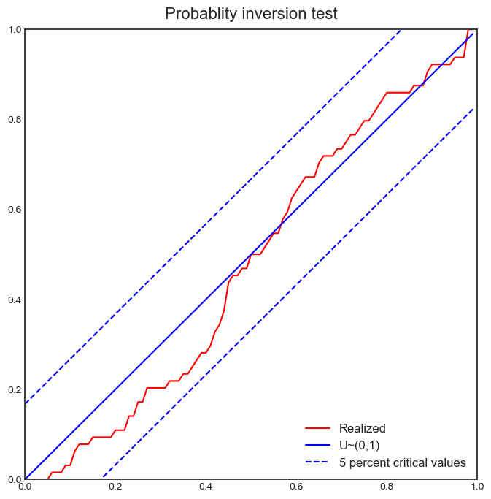
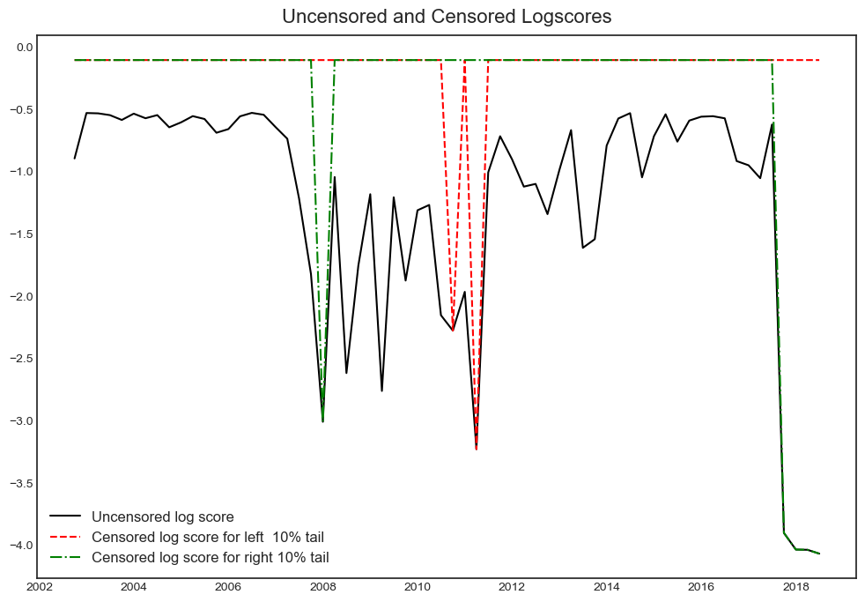
 | location | scale | skew | P_growth_under_0 | var10% | var5% | var50% | var90% | var95%
2002-09-30 | 9.1515 | 0.6 | 1.0029 | 0.0058151394542 | 4.3650714047 | 3.746935545 | 5.4933571841 | 6.6278313764 | 7.2509451422
2002-12-31 | 8.861 | 0.6 | 0.9779 | 0.0066748402826 | 4.1418406422 | 3.5017539208 | 5.2976310994 | 6.4056705592 | 7.0073387493
2003-03-31 | 9.1565 | 0.6 | 0.9517 | 0.0067764475899 | 4.2649274077 | 3.6004826601 | 5.4518293404 | 6.5330091549 | 7.1123273407
2003-06-30 | 9.3651666667 | 0.6 | 1.0013 | 0.0055835940645 | 4.4902178519 | 3.8707131132 | 5.6202023714 | 6.7529632293 | 7.374701224
2003-09-30 | 9.4806666667 | 0.6 | 0.9917 | 0.0056084399979 | 4.5409754631 | 3.9131555188 | 5.6813275027 | 6.8038685252 | 7.4173610585
2003-12-31 | 9.0983333333 | 0.6 | 0.989 | 0.0061302041752 | 4.3062912176 | 3.6761007116 | 5.4496137219 | 6.5692994982 | 7.180475882
2004-03-31 | 8.9421666667 | 0.6 | 0.9949 | 0.0062316598308 | 4.2240986914 | 3.5990700483 | 5.3609613587 | 6.4868973557 | 7.1031366108
2004-06-30 | 9.3488333333 | 0.6 | 1.0011 | 0.0056061162994 | 4.4800354242 | 3.8603592374 | 5.6102328687 | 6.7427797576 | 7.3643458112
2004-09-30 | 9.6016666667 | 0.6 | 1 | 0.0053367875831 | 4.6296291501 | 4.0090086518 | 5.761 | 6.8923708499 | 7.5129913482
2004-12-31 | 9.5293333333 | 0.6 | 1.0071 | 0.0053041124239 | 4.5997376262 | 3.9851723204 | 5.7236034615 | 6.8625883913 | 7.4893155884
2005-03-31 | 9.4031666667 | 0.6 | 1.0115 | 0.0053748530712 | 4.5323072646 | 3.9214475386 | 5.6516032226 | 6.7953338493 | 7.4258496571
2005-06-30 | 9.1091666667 | 0.6 | 1.0416 | 0.0052406544869 | 4.4104696312 | 3.8240334107 | 5.5001204093 | 6.6768309826 | 7.3333451851
2005-09-30 | 9.0541666667 | 0.6 | 1.0101 | 0.0058137137346 | 4.320284386 | 3.70824947 | 5.4410277098 | 6.5832461346 | 7.2125561335
2005-12-31 | 9.2548333333 | 0.6 | 1.0092 | 0.0055833204985 | 4.4389941327 | 3.8262018398 | 5.5606711965 | 6.7019185751 | 7.3304535791
2006-03-31 | 10.028333333 | 0.6 | 1.0004 | 0.004893021601 | 4.8863956406 | 4.2661187923 | 6.0173393434 | 7.1491376889 | 7.7701020018
2006-06-30 | 9.8918333333 | 0.6 | 1.0001 | 0.0050314290382 | 4.8039208341 | 4.1833862766 | 5.9351848486 | 7.0666625557 | 7.6873690051
2006-09-30 | 10.046166667 | 0.6 | 1.0052 | 0.0048070053771 | 4.9062426804 | 4.2900661905 | 6.0321009921 | 7.1690429937 | 7.7941351807
2006-12-31 | 8.8895481515 | 0.6573 | 1.0876 | 0.0048236070039 | 4.7717696262 | 4.1670440331 | 5.9214848732 | 7.2674348152 | 8.0304383765
2007-03-31 | 8.399736919 | 0.6842 | 1.0655 | 0.0057393627774 | 4.5907191998 | 3.9428579364 | 5.8086394225 | 7.1810001776 | 7.9532907645
2007-06-30 | 6.7719608537 | 0.8481 | 1.0463 | 0.0092338552394 | 4.263625891 | 3.4398901816 | 5.7976542013 | 7.4683203901 | 8.4020584034
2007-09-30 | 9.649 | 0.6 | 0.9798 | 0.0056142002727 | 4.6184527491 | 3.9800773577 | 5.7720795828 | 6.8821018389 | 7.485395962
2007-12-31 | 7.6807063251 | 0.6909 | 0.9665 | 0.0091344171653 | 3.9271420277 | 3.1780810822 | 5.2732824683 | 6.5356021715 | 7.2172059601
2008-03-31 | 5.5629000221 | 0.9062 | 0.9473 | 0.018011544353 | 3.1707213512 | 2.1607933032 | 4.971591571 | 6.5978613836 | 7.4671764395
2008-06-30 | 4.2416254805 | 1.0926 | 0.9991 | 0.025735616691 | 2.5710288138 | 1.4394688535 | 4.6330087203 | 6.691484666 | 7.8202260797
2008-09-30 | 4.0907925109 | 1.1697 | 1.0002 | 0.027426082415 | 2.5801398243 | 1.3705752093 | 4.785330808 | 6.991354938 | 8.2015897261
2008-12-31 | 4.4936930301 | 1.0861 | 0.9812 | 0.024343759856 | 2.7660567673 | 1.6127651166 | 4.8514419303 | 6.8634170843 | 7.9576494488
2009-03-31 | 3.2402135231 | 1.1802 | 1.1251 | 0.029875228861 | 2.014130294 | 0.97893802346 | 4.0223868452 | 6.5244879349 | 7.9589429057
2009-06-30 | 4.4951761518 | 0.9225 | 1.2597 | 0.011519784502 | 3.0028856557 | 2.3136650706 | 4.4560156388 | 6.6603880706 | 7.9639611469
2009-09-30 | 4.7535804089 | 0.9147 | 1.4235 | 0.006988337272 | 3.4639033166 | 2.8899389178 | 4.8301546943 | 7.3275612142 | 8.8418219111
2009-12-31 | 4.7455140503 | 0.8861 | 1.3053 | 0.0092779389732 | 3.1807158185 | 2.5514485414 | 4.550285426 | 6.7507881177 | 8.0626013362
2010-03-31 | 4.6661232807 | 0.9815 | 1.2586 | 0.01075482491 | 3.360649816 | 2.6264348867 | 4.9074907243 | 7.2506391321 | 8.6359915836
2010-06-30 | 5.2569811785 | 0.8129 | 1.1522 | 0.011252328048 | 3.0798011688 | 2.3903671074 | 4.4380728449 | 6.2046863701 | 7.2249154537
2010-09-30 | 6.551 | 0.6 | 1.0018 | 0.011199499772 | 2.8026732071 | 2.1835967594 | 3.932125981 | 5.065421954 | 5.6875898309
2010-12-31 | 6.0143333333 | 0.6 | 1.0115 | 0.012837730308 | 2.4990072646 | 1.8881475386 | 3.6183032226 | 4.7620338493 | 5.3925496571
2011-03-31 | 4.1870375096 | 0.7838 | 1.0058 | 0.025861588366 | 1.8182879823 | 1.0140216958 | 3.2882106406 | 4.7742780905 | 5.5915312513
2011-06-30 | 3.8181365222 | 0.8028 | 0.9612 | 0.0347640298 | 1.4476197668 | 0.57063316354 | 3.0202275256 | 4.4797336839 | 5.2656836571
2011-09-30 | 4.4670303225 | 0.6233 | 0.7722 | 0.046822682105 | 1.0144180593 | 0.10115103973 | 2.5490380361 | 3.5162671517 | 3.9639406331
2011-12-31 | 2.8726890125 | 0.6653 | 0.8045 | 0.089258465626 | 0.13451375508 | -0.78923710074 | 1.701622986 | 2.7578293848 | 3.2644324888
2012-03-31 | 2.1746211585 | 0.7061 | 0.816 | 0.13084932806 | -0.30995305886 | -1.2721312975 | 1.3281317957 | 2.4589256568 | 3.0075767881
2012-06-30 | 1.6393246676 | 0.6693 | 0.8922 | 0.1565129099 | -0.42495648315 | -1.234270625 | 0.98843229263 | 2.1307542059 | 2.7209811256
2012-09-30 | 1.9260587667 | 0.7249 | 0.9452 | 0.11106050511 | -0.10544755665 | -0.91578281096 | 1.3383102143 | 2.6366831035 | 3.3299227959
2012-12-31 | 2.4076181445 | 0.6327 | 0.954 | 0.07772663763 | 0.23249990194 | -0.46584088185 | 1.4811054959 | 2.6236563706 | 3.2366105809
2013-03-31 | 1.8237668161 | 0.669 | 0.9834 | 0.1091747975 | -0.077500459922 | -0.78569568657 | 1.2042598909 | 2.4461372964 | 3.122247272
2013-06-30 | 2.3926860428 | 0.6262 | 0.9968 | 0.070146592397 | 0.3111015828 | -0.33949997615 | 1.4954615791 | 2.6726730315 | 3.3175243584
2013-09-30 | 2.5173333333 | 0.6 | 0.9702 | 0.069340918131 | 0.32002927904 | -0.32706771184 | 1.4847144557 | 2.5847652345 | 3.1798510417
2013-12-31 | 2.3523333333 | 0.6 | 0.9787 | 0.075553109476 | 0.23824765603 | -0.40111762141 | 1.3931256191 | 2.5019993909 | 3.104352103
2014-03-31 | 3.0795 | 0.6 | 0.9916 | 0.046685094969 | 0.7000802971 | 0.072172806394 | 1.8405419236 | 2.9629770441 | 3.5763837712
2014-06-30 | 3.228 | 0.6 | 1.0026 | 0.04172394826 | 0.81039965711 | 0.19200749847 | 1.93900332 | 3.0731560483 | 3.6960118243
2014-09-30 | 3.5491666667 | 0.6 | 1.0418 | 0.031642945618 | 1.0748208201 | 0.48854165221 | 2.1642838243 | 3.3412163529 | 3.9979037511
2014-12-31 | 4.1881666667 | 0.6 | 1.0504 | 0.022812326953 | 1.473185222 | 0.89359634961 | 2.5546856747 | 3.7411950768 | 4.4053351839
2015-03-31 | 4.5855 | 0.6 | 1.0368 | 0.020003864157 | 1.6877971942 | 1.0975714876 | 2.7819903309 | 3.9533846345 | 4.6057438541
2015-06-30 | 4.5126666667 | 0.6 | 1.0237 | 0.021388417337 | 1.6205382585 | 1.0197694466 | 2.7274825354 | 3.8844754528 | 4.5255122151
2015-09-30 | 4.4503333333 | 0.6 | 1.005 | 0.023148323333 | 1.5483634189 | 0.93201694074 | 2.674432139 | 3.811159321 | 4.4360794365
2015-12-31 | 5.381 | 0.6 | 1.0077 | 0.016059940285 | 2.1118698582 | 1.497811958 | 3.2351088928 | 4.3747397593 | 5.0019833989
2016-03-31 | 5.8586666667 | 0.6 | 1.0331 | 0.012687109533 | 2.4451083593 | 1.8519348741 | 3.5428500904 | 4.7101606212 | 5.3593193147
2016-06-30 | 5.9021666667 | 0.6 | 1.0391 | 0.012295449355 | 2.4818674486 | 1.8934623946 | 3.5738754478 | 4.7478145652 | 5.4021643021
2016-09-30 | 5.8841666667 | 0.6 | 1.0258 | 0.012847698818 | 2.4472584921 | 1.848199889 | 3.552123391 | 4.7114140196 | 5.3542641004
2016-12-31 | 5.588 | 0.6 | 0.9991 | 0.015322191658 | 2.2197021493 | 1.5983073331 | 3.3520359804 | 4.4824456156 | 5.1022926303
2017-03-31 | 5.6531666667 | 0.6 | 1.0382 | 0.013390968738 | 2.3308770583 | 1.7417606428 | 3.4237382242 | 4.5966809793 | 5.2502517274
2017-06-30 | 6.2758333333 | 0.6 | 1.0274 | 0.011295766293 | 2.6851578719 | 2.08739709 | 3.7884475911 | 4.9494917004 | 5.5937238072
2017-09-30 | 6.491 | 0.6 | 1.0518 | 0.0098692728426 | 2.8572962318 | 2.2787849384 | 3.9375209684 | 5.1255953548 | 5.7909496587
2017-12-31 | 6.8226666667 | 0.6 | 1.0522 | 0.0089491870533 | 3.0569838155 | 2.4787798141 | 4.1368451086 | 5.3253669342 | 5.9910682003
2018-03-31 | 6.8538333333 | 0.6 | 1.0563 | 0.00876744946 | 3.0826990183 | 2.5076297807 | 4.1588617253 | 5.3519774318 | 6.0212363024
2018-06-30 | 6.794 | 0.6 | 1.0349 | 0.0094804544052 | 3.0095200846 | 2.4177835773 | 4.1055303154 | 5.2748259853 | 5.9255414419

Quant reg coefficients
variable | horizon | quantile | coeff_scale | coeff_noscale | pval | lower | upper | R2_in_sample | normalized | errors
Intercept | 4 | 0.1 | -0.46436568078 | 3.2325188534 | 1.6762675144E-09 | -0.57134141199 | -0.35738994957 | 0.65815570731 | TRUE | 0.10697573121
domestic_macro_trans_0_MVA | 4 | 0.1 | 0.31195978058 | 0.5643761944 | 0.078985610491 | 0.020377963498 | 0.60354159767 | 0.65815570731 | TRUE | 0.29158181708
domestic_fci_trans_1_None | 4 | 0.1 | -0.12047049957 | -0.22995508848 | 0.4175400044 | -0.36730236377 | 0.12636136463 | 0.65815570731 | TRUE | 0.2468318642
leverage_trans_2_None | 4 | 0.1 | -0.4770639741 | -0.85399920388 | 4.9367869541E-05 | -0.6578007015 | -0.29632724669 | 0.65815570731 | TRUE | 0.1807367274
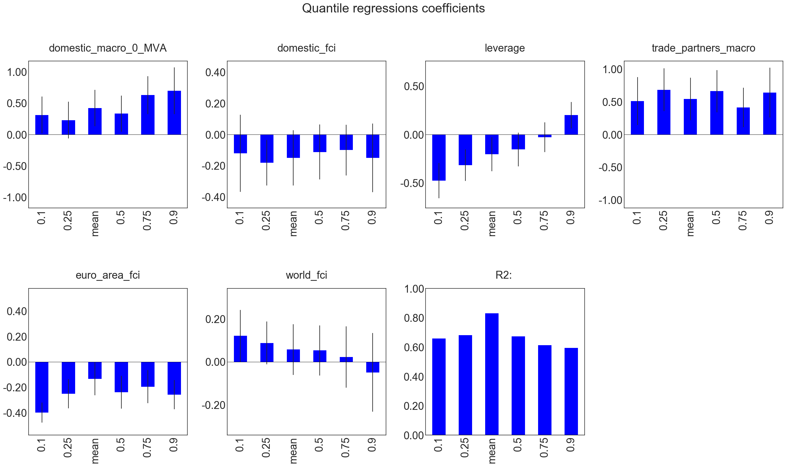
trade_partners_macro_trans_3_None | 4 | 0.1 | 0.51021060591 | 0.91197559326 | 0.024280050494 | 0.14188804689 | 0.87853316492 | 0.65815570731 | TRUE | 0.36832255902
euro_area_fci_trans_4_None | 4 | 0.1 | -0.39897419799 | -0.73856685359 | 1.7075484328E-11 | -0.477429066 | -0.32051932999 | 0.65815570731 | TRUE | 0.078454868006
world_fci_trans_5_None | 4 | 0.1 | 0.12073244407 | 0.21532016761 | 0.09930461188 | 0.00025405999051 | 0.24121082814 | 0.65815570731 | TRUE | 0.12047838408
Intercept | 4 | 0.25 | -0.23664357679 | 3.6085159791 | 8.9431978381E-06 | -0.31724389919 | -0.15604325439 | 0.68109436715 | TRUE | 0.080600322397
domestic_macro_trans_0_MVA | 4 | 0.25 | 0.22920772131 | 0.41449996023 | 0.1971358742 | -0.064567919683 | 0.52298336231 | 0.68109436715 | TRUE | 0.293775641
domestic_fci_trans_1_None | 4 | 0.25 | -0.1810149168 | -0.3454139587 | 0.04267653245 | -0.32692670938 | -0.035103124224 | 0.68109436715 | TRUE | 0.14591179258
leverage_trans_2_None | 4 | 0.25 | -0.31609518611 | -0.56574293224 | 0.0021246090384 | -0.4798985937 | -0.15229177852 | 0.68109436715 | TRUE | 0.16380340759
trade_partners_macro_trans_3_None | 4 | 0.25 | 0.68484834047 | 1.2240001883 | 0.00090536612828 | 0.3588061839 | 1.010890497 | 0.68109436715 | TRUE | 0.32604215657
euro_area_fci_trans_4_None | 4 | 0.25 | -0.25182832774 | -0.46600230181 | 0.00053387651302 | -0.36615285888 | -0.1375037966 | 0.68109436715 | TRUE | 0.11432453114
world_fci_trans_5_None | 4 | 0.25 | 0.087771397729 | 0.15641417635 | 0.14452917261 | -0.011445451437 | 0.1869882469 | 0.68109436715 | TRUE | 0.099216849166
Intercept | 4 | 0.5 | -0.030826665077 | 3.9802903574 | 0.58355224241 | -0.12438903078 | 0.062735700626 | 0.67432695379 | TRUE | 0.093562365703
domestic_macro_trans_0_MVA | 4 | 0.5 | 0.33281523791 | 0.6016593712 | 0.057596839208 | 0.045746653498 | 0.61988382231 | 0.67432695379 | TRUE | 0.28706858441
domestic_fci_trans_1_None | 4 | 0.5 | -0.112266446 | -0.21404827359 | 0.2893528419 | -0.28787547084 | 0.06334257885 | 0.67432695379 | TRUE | 0.17560902485
leverage_trans_2_None | 4 | 0.5 | -0.15472393226 | -0.27719777995 | 0.14088356435 | -0.32800243227 | 0.018554567758 | 0.67432695379 | TRUE | 0.17327850002
trade_partners_macro_trans_3_None | 4 | 0.5 | 0.66407862688 | 1.1867181367 | 0.0011248366681 | 0.34135628237 | 0.98680097139 | 0.67432695379 | TRUE | 0.32272234451
euro_area_fci_trans_4_None | 4 | 0.5 | -0.24002595608 | -0.44405240534 | 0.0028567569425 | -0.36848151408 | -0.11157039809 | 0.67432695379 | TRUE | 0.12845555799
world_fci_trans_5_None | 4 | 0.5 | 0.052922178157 | 0.094297498131 | 0.45199867299 | -0.064011020824 | 0.16985537714 | 0.67432695379 | TRUE | 0.11693319898
Intercept | 4 | 0.75 | 0.26762561147 | 4.5175408241 | 2.0030242758E-05 | 0.17195728475 | 0.36329393818 | 0.61401894737 | TRUE | 0.095668326717
domestic_macro_trans_0_MVA | 4 | 0.75 | 0.62732854008 | 1.1343881044 | 0.00099423549431 | 0.32603290005 | 0.92862418011 | 0.61401894737 | TRUE | 0.30129564003
domestic_fci_trans_1_None | 4 | 0.75 | -0.10016965075 | -0.19116658456 | 0.30614833805 | -0.26245851615 | 0.06211921465 | 0.61401894737 | TRUE | 0.1622888654
leverage_trans_2_None | 4 | 0.75 | -0.027871027925 | -0.049897920838 | 0.76271530425 | -0.1816207354 | 0.12587867955 | 0.61401894737 | TRUE | 0.15374970747
trade_partners_macro_trans_3_None | 4 | 0.75 | 0.4137624771 | 0.73943112542 | 0.025883211086 | 0.11159192108 | 0.71593303313 | 0.61401894737 | TRUE | 0.30217055603
euro_area_fci_trans_4_None | 4 | 0.75 | -0.19585844233 | -0.36236068085 | 0.014992531393 | -0.32626057509 | -0.065456309579 | 0.61401894737 | TRUE | 0.13040213276
world_fci_trans_5_None | 4 | 0.75 | 0.022917087069 | 0.040849965375 | 0.78916015042 | -0.11983593808 | 0.16567011222 | 0.61401894737 | TRUE | 0.14275302515
Intercept | 4 | 0.9 | 0.48098597922 | 4.8892038532 | 9.2023073471E-09 | 0.36270186035 | 0.5992700981 | 0.59423440693 | TRUE | 0.11828411887
domestic_macro_trans_0_MVA | 4 | 0.9 | 0.69628349049 | 1.2591474112 | 0.002969172166 | 0.32203786152 | 1.0705291195 | 0.59423440693 | TRUE | 0.37424562897
domestic_fci_trans_1_None | 4 | 0.9 | -0.1500376343 | -0.28634567478 | 0.25756756245 | -0.36950911524 | 0.069433846647 | 0.59423440693 | TRUE | 0.21947148094
leverage_trans_2_None | 4 | 0.9 | 0.1995282362 | 0.3571034018 | 0.018116841091 | 0.062564749244 | 0.33649172316 | 0.59423440693 | TRUE | 0.13696348696
trade_partners_macro_trans_3_None | 4 | 0.9 | 0.64219518552 | 1.1477812399 | 0.0066652445582 | 0.26151487248 | 1.0228754986 | 0.59423440693 | TRUE | 0.38068031304
euro_area_fci_trans_4_None | 4 | 0.9 | -0.25849108927 | -0.4783522242 | 0.00038444474964 | -0.37260646027 | -0.14437571826 | 0.59423440693 | TRUE | 0.11411537101
world_fci_trans_5_None | 4 | 0.9 | -0.049149849734 | -0.087579464905 | 0.65431957614 | -0.23187182687 | 0.1335721274 | 0.59423440693 | TRUE | 0.18272197713
Intercept | 4 | mean | 5.0740661672E-17 | 4.0250954171 | 1 | -0.094380812292 | 0.094380812292 | 0.8315495892 | TRUE | 0.094380812292
domestic_macro_trans_0_MVA | 4 | mean | 0.42144110899 | 0.76206641683 | 0.018225824182 | 0.13186136208 | 0.71102085589 | 0.8315495892 | TRUE | 0.2895797469
domestic_fci_trans_1_None | 4 | mean | -0.14995111482 | -0.28612454444 | 0.16230033977 | -0.327096298 | 0.027194068355 | 0.8315495892 | TRUE | 0.17714518318
leverage_trans_2_None | 4 | mean | -0.20425211939 | -0.36556173549 | 0.055714202455 | -0.37904639123 | -0.029457847558 | 0.8315495892 | TRUE | 0.17479427184
trade_partners_macro_trans_3_None | 4 | mean | 0.54248427478 | 0.96950570166 | 0.0073140236773 | 0.21693888278 | 0.86802966678 | 0.8315495892 | TRUE | 0.325545392
euro_area_fci_trans_4_None | 4 | mean | -0.13386271601 | -0.24767125887 | 0.089548161808 | -0.26344195244 | -0.0042834795717 | 0.8315495892 | TRUE | 0.12957923644
world_fci_trans_5_None | 4 | mean | 0.057533854496 | 0.10250781002 | 0.41783446346 | -0.060422229885 | 0.17548993888 | 0.8315495892 | TRUE | 0.11795608438

Output_partitions
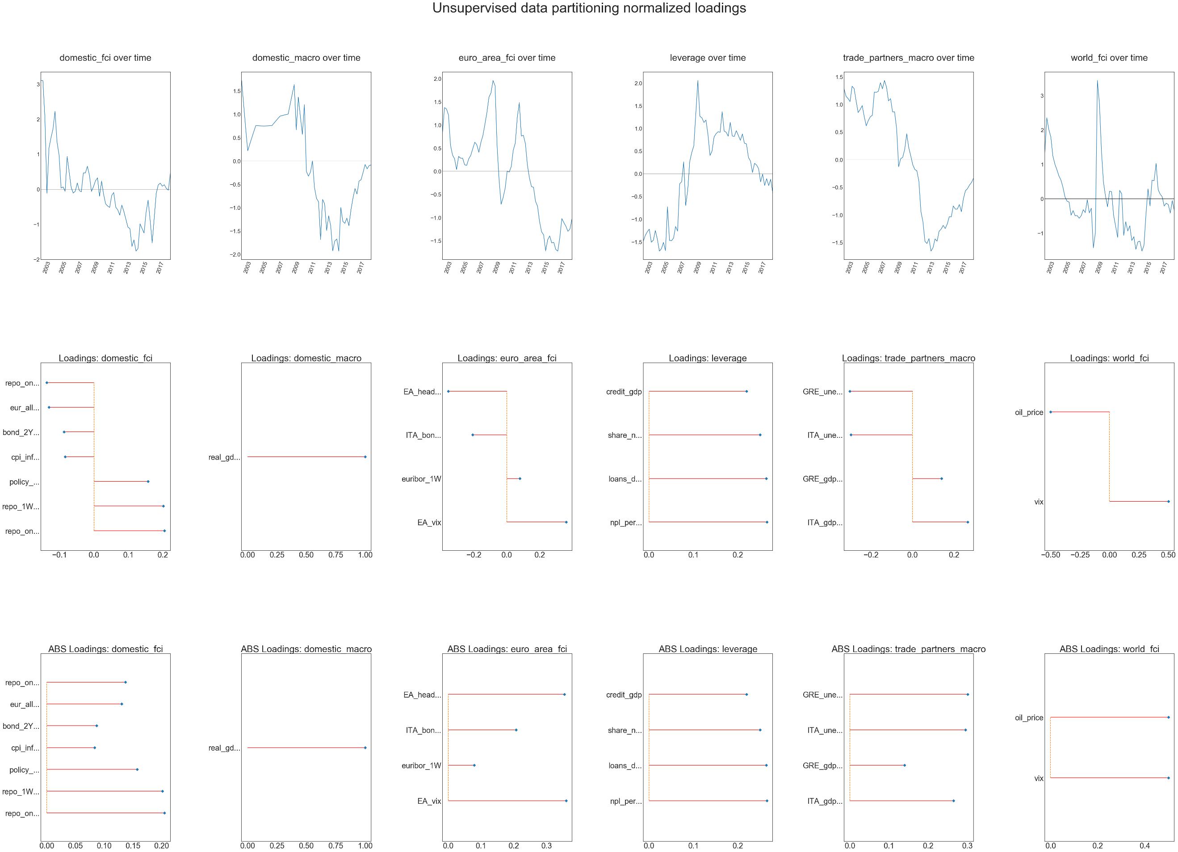
date | domestic_macro | domestic_fci | leverage | trade_partners_macro | euro_area_fci | world_fci | real_gdp_moving_sum_hz_4
2002-06-30 | 1.7223211026 | 3.106197544 | -1.4939502896 | 1.28546056 | 0.80793248225 | 1.3123808684 | 4.7958166598
2002-09-30 | 1.2006292435 | 3.104026839 | -1.3635771835 | 1.1480969873 | 1.3753960573 | 2.3533866188 | 5.0459937094
2002-12-31 | 0.69929589375 | 2.0425114454 | -1.2809509621 | 1.1061322545 | 1.3454035251 | 2.0126599877 | 5.2906787891
2003-03-31 | 0.21715215466 | -0.11672996883 | -1.2222465699 | 1.0509243828 | 1.2170615489 | 1.7941202118 | 5.5300507779
2003-06-30 | 0.35691267729 | 1.1697375781 | -1.5084281879 | 1.3285337151 | 0.56054969041 | 1.2434331155 | 5.5248326751
2003-09-30 | 0.49357108104 | 1.4683807102 | -1.467079007 | 1.2869913506 | 0.34999264424 | 1.0068980436 | 5.519754972
2003-12-31 | 0.62722951404 | 1.7222937776 | -1.2533705903 | 1.0605665988 | 0.27060051351 | 0.84249683723 | 5.5148120774
2004-03-31 | 0.75798568832 | 2.2247473216 | -1.4445708333 | 0.85241467453 | 0.039214427915 | 0.66247977175 | 5.5099986932
2004-06-30 | 0.75513531652 | 1.3470916053 | -1.7064929695 | 0.90808075293 | 0.32058431544 | 0.54212125058 | 5.5151806847
2004-09-30 | 0.75236163764 | 0.97926879813 | -1.6543077397 | 0.97768934257 | 0.2837778451 | 0.33085274381 | 5.5202237401
2004-12-31 | 0.74966159749 | 0.035990288208 | -1.5141641763 | 0.77756217011 | 0.28033955413 | 0.053839589097 | 5.5251333731
2005-03-31 | 0.74703230192 | 0.065548137612 | -1.696007129 | 0.61216869038 | 0.13781552482 | -0.068577726166 | 5.5299148093
2005-06-30 | 0.74986294803 | -0.060166422025 | -0.72772105656 | 0.70802075513 | 0.12918657539 | -0.093077544491 | 5.6262428907
2005-09-30 | 0.75261770072 | 0.94036718953 | -1.4701476261 | 0.77584813028 | 0.26945816952 | -0.47477971832 | 5.7199792031
2005-12-31 | 0.75529957182 | 0.49101620829 | -1.4767855027 | 0.80347368964 | 0.34403860822 | -0.34151460168 | 5.8112269576
2006-03-31 | 0.75791141588 | 0.046144600972 | -1.4184373944 | 1.2227689664 | 0.48961428372 | -0.4928290007 | 5.9000839574
2006-06-30 | 0.81053031865 | -0.1089793602 | -1.1629729898 | 1.2177901884 | 0.62711276483 | -0.48637815404 | 5.9209295142
2006-09-30 | 0.86173347594 | -0.056112947266 | -1.2648940777 | 1.2389035623 | 0.57106987222 | -0.5634656606 | 5.9411777399
2006-12-31 | 0.9115772666 | 0.17817943101 | -0.22204261497 | 1.3921851192 | 0.41009463787 | -0.49140927988 | 5.9608539465
2007-03-31 | 0.96011511516 | -0.039360168248 | -0.1750685904 | 1.2823845571 | 0.6219610453 | -0.31506048354 | 5.9799820363
2007-06-30 | 0.97150193311 | -0.07147708334 | 0.26196811791 | 1.4325075135 | 0.77257824754 | -0.39786611762 | 6.3767706899
2007-09-30 | 0.98256246086 | 0.46471905317 | -0.69953729909 | 1.3139541793 | 1.0144339172 | -0.028858601394 | 6.7620398309
2007-12-31 | 0.99331052509 | 0.46604698998 | -0.356408035 | 1.0630278483 | 1.2719229186 | -0.4078040102 | 7.1362839308
2008-03-31 | 1.0037591822 | 0.65634459629 | 0.27416063779 | 1.1040039613 | 1.6005505491 | -0.27321206313 | 5.3628401614
2008-06-30 | 1.2205037003 | 0.40317910459 | 0.47133595891 | 0.86265779193 | 1.6937324905 | -1.4217642139 | 6.6468677236
2008-09-30 | 1.4309557218 | -0.062902795383 | 0.61725292266 | 0.86394820118 | 1.9601921409 | -0.97953364453 | 5.896208594
2008-12-31 | 1.6353853503 | 0.073268723558 | 1.3307817198 | 0.56450181756 | 1.847758857 | 3.435868935 | 5.1845194113
2009-03-31 | 0.66664743014 | 0.2422877869 | 2.0582821106 | -0.12711673486 | 0.55645369823 | 2.7672326262 | 6.3497092894
2009-06-30 | 1.3680433308 | 0.32554567951 | 1.2694228853 | 0.017006328713 | -0.187696903 | 1.3918947305 | 3.733633777
2009-09-30 | 0.95799821045 | -0.20016012906 | 1.2345059074 | 0.040085654276 | -0.7117513575 | 0.48036277168 | 3.5463264727
2009-12-31 | 0.56924029743 | 0.23503020346 | 1.1327391734 | 0.18606311404 | -0.56502301925 | 0.082733524817 | 3.7069973748
2010-03-31 | 1.2057214978 | -0.14651462194 | 1.1859394482 | 0.46920802228 | -0.36549926827 | -0.22908093523 | 4.1400127408
2010-06-30 | -0.22330128521 | -0.41628244532 | 0.86351339196 | 0.21592398027 | 0.0038724431798 | 0.21797231036 | 3.094259456
2010-09-30 | -0.32561729403 | -0.47847918265 | 0.40437276373 | 0.066497154624 | -0.015454689996 | 0.20873152737 | 2.6721046685
2010-12-31 | -0.23785133372 | -0.51911077182 | 0.49917266712 | -0.095937398117 | 0.10040215343 | -0.47357635029 | 2.5454868128
2011-03-31 | -0.001318091282 | -0.17807878195 | 0.81188456873 | -0.17669996456 | 0.45491762864 | -0.79544910498 | 1.0608632347
2011-06-30 | -0.57255743905 | -0.092832027843 | 0.88398852627 | -0.20121211306 | 0.60832713338 | -1.1196819282 | 2.6357344443
2011-09-30 | -0.80315812562 | -0.5118881351 | 0.92681994323 | -0.39093172825 | 1.168034078 | 0.24381121024 | 2.4594866653
2011-12-31 | -0.87232271957 | -0.58931055174 | 0.91640333201 | -0.93627017166 | 1.4832445243 | 0.14647533184 | 1.4174008811
2012-03-31 | -1.6832935448 | -0.73838219047 | 1.367901801 | -1.1229541353 | 0.76036865947 | -1.060454644 | 1.9917150455
2012-06-30 | -0.82302524288 | -0.45489716048 | 0.94174821991 | -1.4788266249 | 0.77699260314 | -0.66480962596 | 1.5997979793
2012-09-30 | -0.91930002181 | -0.6296585711 | 0.91577740874 | -1.5170372358 | 0.59587811799 | -0.93422765637 | 0.61844076506
2012-12-31 | -1.4885360093 | -0.85229109062 | 0.82887553337 | -1.4294299566 | 0.12989814404 | -0.78337164235 | 1.0020027645
2013-03-31 | -1.1748187554 | -1.0816064162 | 1.1337980607 | -1.6550940363 | -0.14822100866 | -1.2111449762 | 1.0837840407
2013-06-30 | -1.3889021846 | -1.1237827141 | 0.83453443224 | -1.5913549402 | -0.33061768177 | -1.0999582746 | 0.60917654153
2013-09-30 | -1.9249653872 | -1.6333528382 | 0.82419786305 | -1.4338847409 | -0.34588371564 | -1.4669798439 | 2.3194674719
2013-12-31 | -1.7154458862 | -1.4479479387 | 0.95069243529 | -1.4758667895 | -0.64776456794 | -1.2493619589 | 1.7744690263
2014-03-31 | -1.6707731287 | -1.7666326844 | 0.8462223598 | -1.2945456188 | -0.75469667755 | -1.2301945375 | 1.6977269357
2014-06-30 | -1.9300259393 | -1.6890465975 | 0.73855893439 | -1.2574844308 | -1.0871019608 | -1.5180470632 | 1.9011760544
2014-09-30 | -0.99578505312 | -0.98742407921 | 0.87830409764 | -1.1890719088 | -1.3077360509 | -1.3506233466 | 1.6070385922
2014-12-31 | -1.2934886904 | -1.1211122257 | 0.67544724603 | -1.246911765 | -1.3714914121 | -0.445060996 | 2.2187645728
2015-03-31 | -1.3354088091 | -1.2506610152 | 0.65931158582 | -1.1662323428 | -1.7194250607 | 0.28920995496 | 2.6811795747
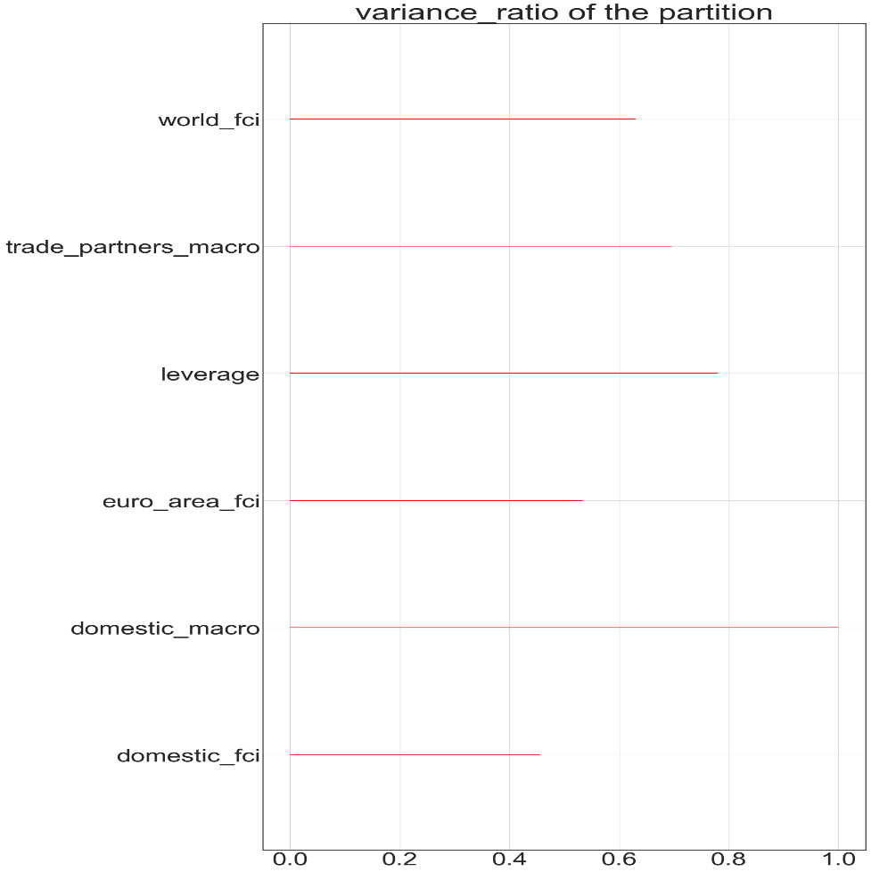
2015-06-30 | -1.2242753863 | -0.65888738499 | 0.35856378051 | -1.0334878202 | -1.4802591839 | -0.20519592871 | 3.0620200862
2015-09-30 | -1.3849470232 | -0.31075029773 | 0.28022924763 | -1.0350872194 | -1.3965404835 | 0.54031907647 | 2.8457750301
2015-12-31 | -1.0507936859 | -0.88590574042 | 0.027225347819 | -0.83730224981 | -1.5470965822 | 0.52493808221 | 3.3521672821
2016-03-31 | -0.79820098747 | -1.5311070281 | 0.23116412905 | -0.89395636851 | -1.5350340414 | 1.0294447142 | 3.4055453309
2016-06-30 | -0.59016809044 | -0.82864364038 | 0.19462024953 | -0.89314745373 | -1.687875081 | 0.26919636378 | 3.6922808852
2016-09-30 | -0.70829125259 | -0.12100786732 | 0.11412603427 | -0.8110021168 | -1.7239264884 | 0.13764081032 | 4.0027027827
2016-12-31 | -0.43167612363 | 0.12395223224 | -0.17873331278 | -0.94110399735 | -1.4325400598 | 0.061249955788 | 3.8354894376
2017-03-31 | -0.4025185372 | 0.17483348176 | -0.0095923938053 | -0.7082022121 | -1.0218310156 | -0.207095413 | 3.9615659361
2017-06-30 | -0.24589016855 | 0.087430973385 | -0.25680087578 | -0.56288807329 | -1.1082404649 | -0.13024558772 | 3.9865818616
2017-09-30 | -0.076323211558 | 0.12845237678 | -0.10858119872 | -0.52537137658 | -1.1876792802 | -0.16363940601
2017-12-31 | -0.16766296023 | 0.021660226096 | -0.26081225356 | -0.46047521142 | -1.2960064002 | -0.41143840919
2018-03-31 | -0.098794080909 | -0.025418309868 | -0.12191765086 | -0.41242983089 | -1.2482351451 | -0.052417620821
2018-06-30 | -0.085129212557 | 0.46264828054 | -0.42824433149 | -0.33406544902 | -1.0271347906 | -0.34356489401

