Key Guide
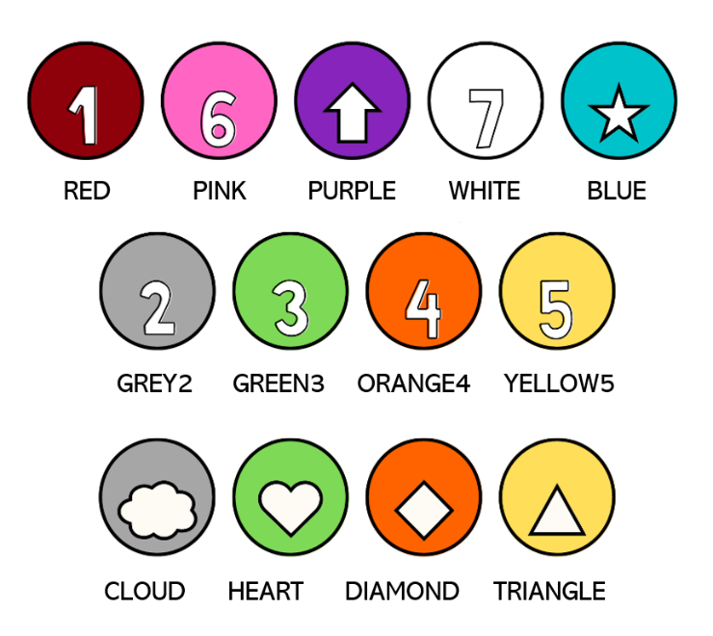
Box | Color Match | Shape Match | Number Match
red | red | N/A | red
pink | pink | cloud | grey2
purple | purple | heart | green3
white | white | diamond | orange4
blue | blue | triangle | yellow5

