Sheet1
Memory Space
definition for stack control

 | NEW |  |  | OLD
0x0000 | EEPROM |  | 0x0000 | EEPROM
 | Sector 0 | Bank0_MAC_Para |  | Sector | Bank0_MAC_Para
0x0200 |  | Bank0_MAC_checksum |  |  | Bank0_MAC_checksum
 | Sector 1 | Bank0_other_Para |  |  | Bank1_other_Para
0x0400 |  | Bank0_other_checksum |  |  | Bank1_other_checksum
 | Sector 2 | Bank1_MAC_Para |  |  | EZY
0x0600 |  | Bank1_MAC_checksum | 0x01FF |  | EZY_checksum
 | Sector 3 | Bank1_other_Para
0x0800 |  | Bank1_other_checksum
 | Sector 4 | EZY
0x09FF |  | EZY_checksum
Target:
Old hex file --> New hex file.
PJEZxxxxxx.hex --> PJEZxxxxxxSH.hex
 | Sector 5 | Bank0_MAC_Para
 |  | Bank0_MAC_checksum
 | Sector 6 | Bank0_other_Para
 |  | Bank0_other_checksum
 | Sector 7

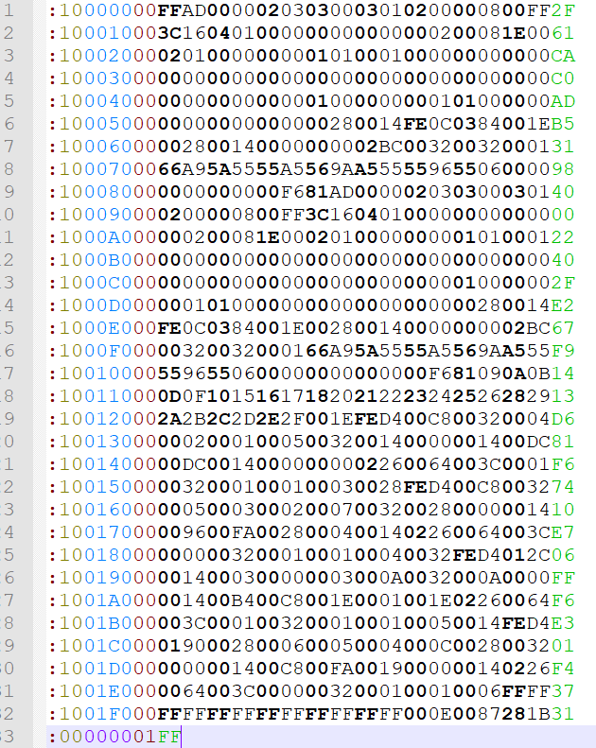
Old EEPROM information |  |  |  |  |  | NUM
 |  |  |  | Bank0_MAC_Para |  | 14
 |  |  |  | Bank0_MAC_checksum |  | 2
 |  |  |  | Bank0_other_Para |  | others
 |  |  |  | Bank0_other_checksum |  | 2

 |  |  |  | Bank1_MAC_Para |  | 14
 |  |  |  | Bank1_MAC_checksum |  | 2
 |  |  |  | Bank1_other_Para |  | others
 |  |  |  | Bank1_other_checksum |  | 2

 |  |  |  | EZY |  | the rest
 |  |  |  | EZY_checksum |  | 2

Some times it just write MAC parameters
 | WriteBlockToE2P( START_E2P_BANK0_MAC , RAM_MAC_START_INDEX , MAC_NUM_BYTE );
And some times it just writer other parameters
 | WriteBlockToE2P( START_E2P_BANK0_PAR , RAM_PAR_START_INDEX , PAR_NUM_BYTE );
So, every leixing parameters can write different sector area

Check the PJEZ firmware, we can find while interrupt, no read EEPROM operation.
So,

