Sheet1
跑道
 | 段落名字 | 长度 | 出口数量 | 接口类型 | 入口类型
 | Bridge_Large | 7.5 | 1 | C | C
 | Bridge_Small | 7.5 | 1 | D | D

 | Ground_Start | 3.75 | 1 | A | B
 | Ground_End | 3.75 | 1 | B | A

 | Ground_Middle_Long | 7.5 | 1 | A | A
 | Ground_Middle_Short_A | 3.75 | 1 | A | A
 | Ground_Middle_Short_B | 3.75 | 1 | A | A
 | Ground_TurnLeft | 3.75 | 1 | A | A
 | Ground_TurnRight | 3.75 | 1 | A | A
 | Ground_Fork | 3.75 | 2 | A | A

 | A | B |  |  | C | D
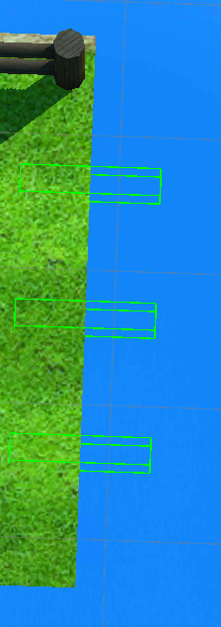
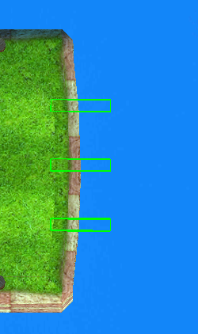
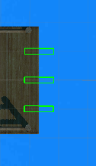
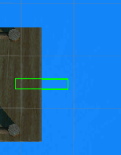

 | Grass | GrasWithEnd |  |  | BridgeWidePlug | BridgeSmallPlug

 | 接口关系
 | A=>A | B=>B | C=>C | D=>B
 |  | B=>C | C=>B | D=>D
 |  | B=>D | C=>D | D=>C

列1 | L | C | R | 列2
NONE | 0 | 0 | 0 | 0
R | 0 | 0 | 1 | 1
C | 0 | 1 | 0 | 2
CR | 0 | 1 | 1 | 3
L | 1 | 0 | 0 | 4
LR | 1 | 0 | 1 | 5
LC | 1 | 1 | 0 | 6
LCR | 1 | 1 | 1 | 7

