Table 2
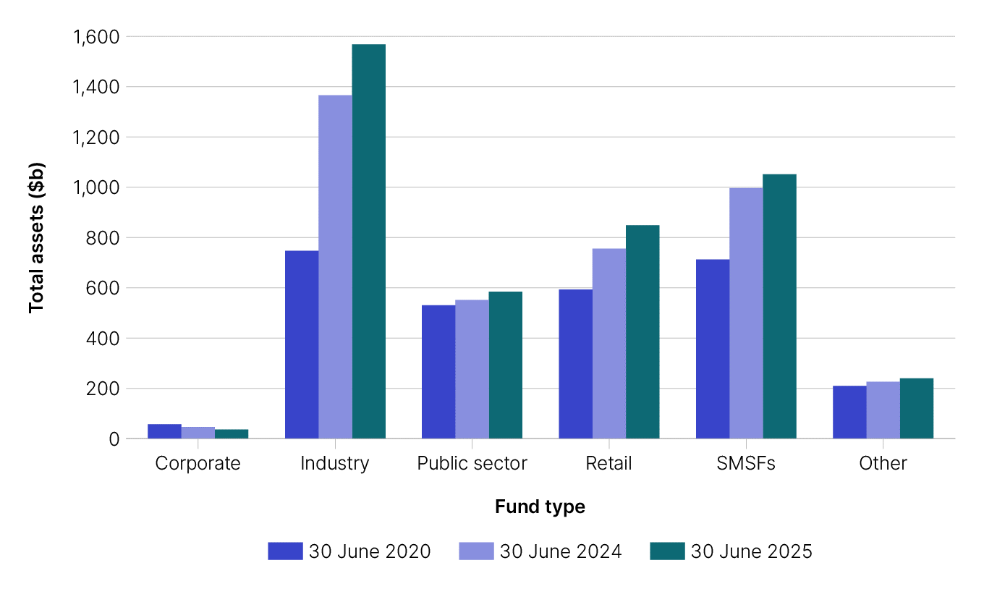
Table 2: Australian Superannuation Industry - A2:F17 |  |  |  |  |  | end of row
Table 2: Australian superannuation sector |  |  |  |  |  | end of row
This table shows: - total assets held in APRA-regulated funds, SMSFs and other funds at 30 June 2020, 2024 and 2025 - the percentage change from 30 June 2020 to 2025 - the proportion for each fund type at 30 June 2025 - graph of total superannuation assets by fund type, 30 June 2020, 30 June 2024 and 30 June 2025 These figures are sourced from the APRA Annual superannuation bulletin - superannuation entities - June 2024 (released 30 January 2025), APRA Quarterly superannuation performance - June 2025 (released 27 August 2025) and the Self-managed super fund quarterly statistical report – June 2025. |  |  |  |  |  | end of row
Back to contents |  |  |  |  |  | end of row
Key Highlights |  |  |  |  |  | end of row
■ At 30 June 2025 SMSFs collectively held $1.05 trillion (24.3%) of the $4.3 trillion in super assets under management[1]. |  |  |  |  |  | end of row
Assets by fund type |  |  |  |  |  | end of row
Fund type | Assets at 30 June 2025 ($b) | Proportion (%) 30 June 2025 | Assets at 30 June 2024 ($b) | Assets at 30 June 2020 ($b) | Change in assets from 2020 to 2025 (%) | end of row
Corporate | $36.7 | 0.8% | $46.3 | $57.4 | -36% | end of row
Industry | $1,567.9 | 36.2% | $1,366.2 | $747.5 | 110% | end of row
Public sector | $584.8 | 13.5% | $551.3 | $530.6 | 10% | end of row
Retail | $848.5 | 19.6% | $756.0 | $593.4 | 43% | end of row
SMSFs | $1,051.8 | 24.3% | $997.0 | $712.9 | 48% | end of row
Other2 | $240.4 | 5.6% | $226.2 | $209.9 | 15% | end of row
Total | $4,330.1 | 100.0% | $3,943.0 | $2,851.7 | 52% | end of row
1 APRA Quarterly superannuation performance - June 2025 (released 27 August 2025). |  |  |  |  |  | end of row
2 Includes excluded public sector superannuation schemes, balance of life office statutory funds and small APRA funds. |  |  |  |  |  | end of row
end of column | end of column | end of column | end of column | end of column | end of column
Graph: Total superannuation assets by fund type, 30 June 2020, 30 June 2024 and 30 June 2025

Table 6
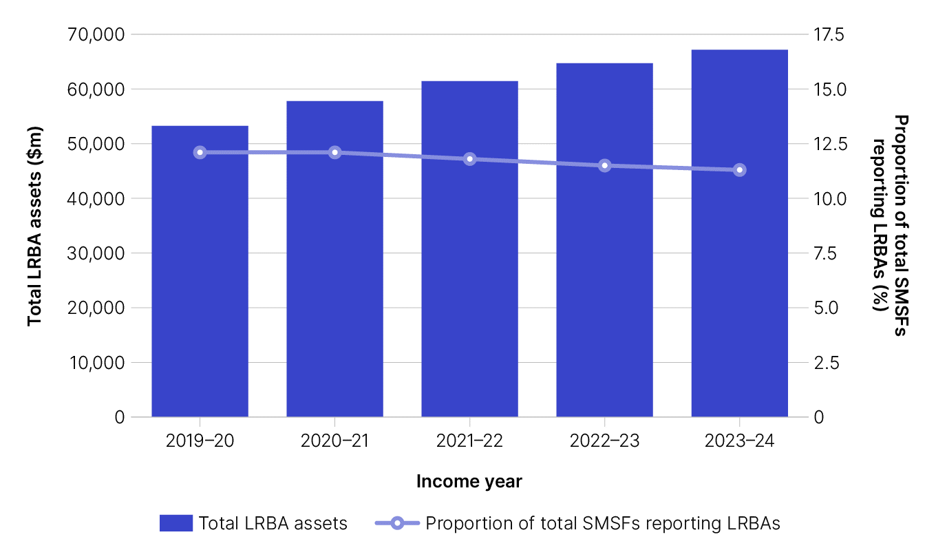
Table 6: SMSF asset allocations - A2:F58 SMSF asset allocations, 30 June 2019 - A6:F31 SMSF limited recourse borrowing arrangements asset allocations, 2019 - A33:F42 Total LRBA assets and proportion of SMSFs reporting LRBAs, 2015 to 2019 - A44:F46 SMSF investment in real property and borrowings ($m), 2015 to 2019 - A48:F54 |  |  |  |  |  | end of row
Table 6: SMSF asset allocations |  |  |  |  |  | end of row
These tables show: - the value and proportion of assets held by the SMSF population for each type of asset listed on the 2024 SMSF annual return - the mean and median value for each of those asset types - a breakdown of assets reported at limited recourse borrowing arrangement (LRBA) labels by asset type - total LRBA assets and proportion of SMSFs reporting LRBAs, 2019-20 to 2023-24 - SMSF investment in real property and borrowings, 2019-20 to 2023-24 - graph of SMSF asset allocation as a proportion of total assets, 30 June 2024 - graph of SMSF investment in real property, 2019-20 to 2023-24 - graph of total LRBA assets and proportion of SMSFs reporting LRBAs, 2019-20 to 2023-24. It follows that SMSFs will have different asset allocations in individual cases. These figures are based on SMSF annual return form data. To ensure consistency, the total monetary amounts used in this table are those reported in the Self-managed super fund statistical report – June 2025. |  |  |  |  |  | end of row
Key highlights |  |  |  |  |  | end of row
At 30 June 2024: ■ 73% of all SMSF assets are held in one of the five investments, Australian listed shares (26.9%), cash and term deposits (16.9%), unlisted trusts (12.4%), non-residential real property (10.1%) and LRBA assets (6.7%) ■ 11.8% of SMSFs held total borrowings of $25.8 billion and equating to 2.6% of the total value of SMSF assets ■ the average value of total borrowings was $359,000, up from $348,000 in 2022-23, and $346,000 in 2019-20 ■ the median value of total borrowings was $281,000, up from $264,000 in 2022-23 and $260,000 in 2019-20 ■ 97% of the total value of borrowings reported by SMSFs was for LRBA assets ($25.0 billion); the average value of borrowings for LRBA purposes was $364,000, up from $353,000 in 2022-23. |  |  |  |  |  | end of row
The growth in the value of property held by SMSFs is attributed to the rising value of Australian real property. SMSFs invest in real property both directly and through LRBAs: At 30 June 2024: ■ Total SMSF investment in real property, both directly and through LRBAs, has grown to $219.5 billion in 2023-24, up from $211.9 billion in 2022-23 and $163.0 billion in 2019-20. ■ Total SMSF investment in residential real property, both directly and through LRBAs, was $92.3 billion in 2023-24, representing 0.8% of the total Australian residential property market of $10,911.8 billion [1]. ■ Direct investment in non-residential real property grew by 37% from $72.9 billion in 2019-20 to $100.3 billion in 2023-24. Investment in 2022-23 was $97.5 billion. ■ Direct investment in residential property investment has risen over the past five years, increasing by 38% from $39.1 billion in 2019-20 to $53.9 billion in 2023-24. Investment in 2022-23 was $51.8 billion. ■ The proportion of SMSFs reporting LRBAs was 11.3%, down from 11.5% in 2022-23 and 12.1% in 2019-20. ■ Assets owned through LRBAs were $67.2 billion, up from $64.7 billion 2022-23 and $53.2 billion in 2019-20. ■ LRBAs made up 6.7% of the total value of all SMSF assets, down from 7.1% in 2022-23 and 7.5% in 2019-20. ■ Of the $67.2 billion of assets held under LRBAs, 97% ($65.3 billion) is related to real property. This was split between residential ($38.5 billion or 57%) and non-residential real property ($26.9 billion or 40%). ■ 86.8% of SMSFs reporting an LRBA held one property, 8.6% held two properties and 1.7% held three or more. The remainder (3.0%) reported holding no properties. ■ In 2023-24, residential property investment was highest in the $500,000 to $1 million range, where 7.7% of SMSF assets are invested in this asset type. ■ In contrast, investment in non-residential real property increased as fund size grew, peaking at 13.6% of assets in the over $1 |  |  |  |  |  | end of row
[1] https://www.abs.gov.au/statistics/economy/price-indexes-and-inflation/total-value-dwellings/jun-quarter-2024 |  |  |  |  |  | end of row
Back to contents |  |  |  |  |  | end of row
SMSF asset allocations, 30 June 2024 |  |  |  |  |  | end of row
Asset allocation | Total assets (m) | Proportion of total SMSF assets | Proportion of SMSF population holding those assets | Mean 1 | Median 1 | end of row
Listed trusts | $65,720 | 6.6% | 36.6% | $294,330 | $132,065 | end of row
Unlisted trusts | $123,257 | 12.4% | 23.8% | $849,225 | $340,571 | end of row
Insurance policy | $99 | <0.1% | <0.1% | $360,710 | $201,622 | end of row
Other managed investments | $62,979 | 6.3% | 14.1% | $731,101 | $317,766 | end of row
Cash and term deposits | $168,566 | 16.9% | 96.7% | $285,722 | $95,100 | end of row
Debt securities | $12,996 | 1.3% | 8.4% | $253,495 | $93,774 | end of row
Loans | $6,884 | 0.7% | 2.7% | $423,199 | $149,000 | end of row
Listed shares | $268,506 | 26.9% | 56.3% | $791,509 | $354,979 | end of row
Unlisted shares | $12,285 | 1.2% | 6.5% | $310,361 | $52,869 | end of row
Limited recourse borrowing arrangements | $67,164 | 6.7% | 11.3% | $977,676 | $690,477 | end of row
Non-residential real property | $100,257 | 10.1% | 10.9% | $1,514,627 | $891,894 | end of row
Residential real property | $53,884 | 5.4% | 10.1% | $871,205 | $650,000 | end of row
Collectables and personal use assets | $646 | <0.1% | 0.6% | $183,223 | $81,968 | end of row
Other assets | $26,873 | 2.7% | 82.7% | $53,311 | $10,319 | end of row
Crypto-currency | $3,119 | 0.3% | 2.6% | $198,716 | $80,966 | end of row
Overseas shares | $18,428 | 1.8% | 9.2% | $327,389 | $77,734 | end of row
Overseas non-residential real property | $193 | <0.1% | <0.1% | $668,106 | $159,364 | end of row
Overseas residential real property | $386 | <0.1% | 0.2% | $379,604 | $199,035 | end of row
Overseas managed investments | $2,119 | 0.2% | 0.9% | $389,091 | $123,420 | end of row
Other overseas assets | $2,607 | 0.3% | 1.8% | $239,232 | $74,267 | end of row
Total Australian and overseas assets | $996,970 | 100% |  | $1,682,549 | $932,387 | end of row
Borrowings | $25,787 | 2.6% | 11.8% | $358,950 | $280,901 | end of row
Other liabilities | $9,084 | 0.9% | 64.1% | $23,853 | $4,196 | end of row
Net Australian and overseas assets | $962,099 | 96.5% |  | $1,623,457 | $861,792 | end of row
1 Mean and median values are only applicable to the funds that held those types of assets. |  |  |  |  |  | end of row
SMSF limited recourse borrowing arrangements asset allocations, 30 June 2024 |  |  |  |  |  | end of row
LRBA investment by asset type | Total assets (m) | Proportion of total SMSF assets | Proportion of SMSF population holding those assets 2 | Mean3 | Median3 | end of row
Australian residential real property | $38,460 | 3.9% | 8.3% | $763,990 | $651,764 | end of row
Australian non-residential real property | $26,855 | 2.7% | 2.8% | $1,566,735 | $950,000 | end of row
Overseas real property | $40 | <0.1% | <0.1% | $756,697 | $524,037 | end of row
Australian shares | $534 | <0.1% | 0.2% | $525,741 | $289,184 | end of row
Overseas shares | $21 | <0.1% | <0.1% | $1,368,113 | $125,391 | end of row
Other | $1,253 | 0.1% | 0.2% | $855,078 | $465,621 | end of row
Total | $67,164 | 6.7% | 11.5% | $977,676 | $690,477 | end of row
2 The total proportion of SMSF population holding those assets represents the proportion of total SMSFs holding all LRBA assets. There is a small proportion of SMSFs that hold more than one type of LRBA asset. |  |  |  |  |  | end of row
3 Mean and median values are only applicable to the funds that held those types of assets. |  |  |  |  |  | end of row
Total LRBA assets and proportion of SMSFs reporting LRBAs |  |  |  |  |  | end of row
LRBA assets | 2023-24 | 2022-23 | 2021-22 | 2020-21 | 2019-20 | end of row
Total LRBA assets ($m) | $67,164 | $64,709 | $61,418 | $57,791 | $53,232 | end of row
Proportion of SMSFs reporting LRBAs (%) | 11.3% | 11.5% | 11.8% | 12.1% | 12.1% | end of row
SMSF investment in real property and borrowings ($m) |  |  |  |  |  | end of row
Property type or borrowings | 2023-24 | 2022-23 | 2021-22 | 2020-21 | 2019-20 | end of row
Non-residential real property | $100,257 | $97,470 | $88,579 | $81,482 | $72,920 | end of row
LRBA non-residential real property | $26,855 | $27,587 | $26,266 | $24,995 | $23,387 | end of row
Residential real property | $53,884 | $51,772 | $48,121 | $43,628 | $39,076 | end of row
LRBA residential real property | $38,460 | $35,111 | $32,998 | $30,481 | $27,644 | end of row
Total SMSF investment in property | $219,456 | $211,940 | $195,964 | $180,586 | $163,027 | end of row
Total borrowings | $25,787 | $24,967 | $24,817 | $24,758 | $25,382 | end of row
end of column | end of column | end of column | end of column | end of column | end of column
Graph: SMSFs by asset allocation, 30 June 2024

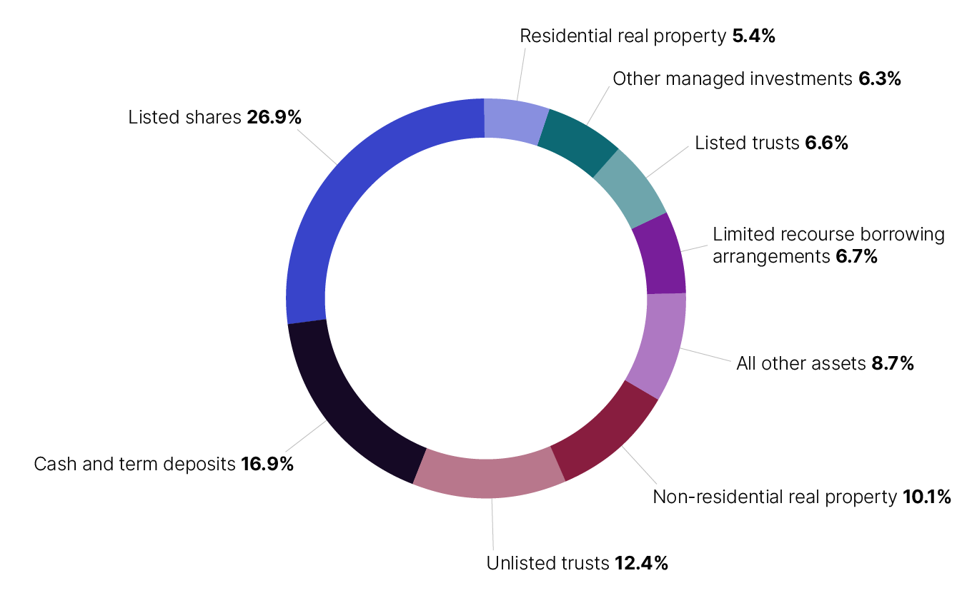

Graph: SMSF investment in real property, 2019-20 to 2023-24
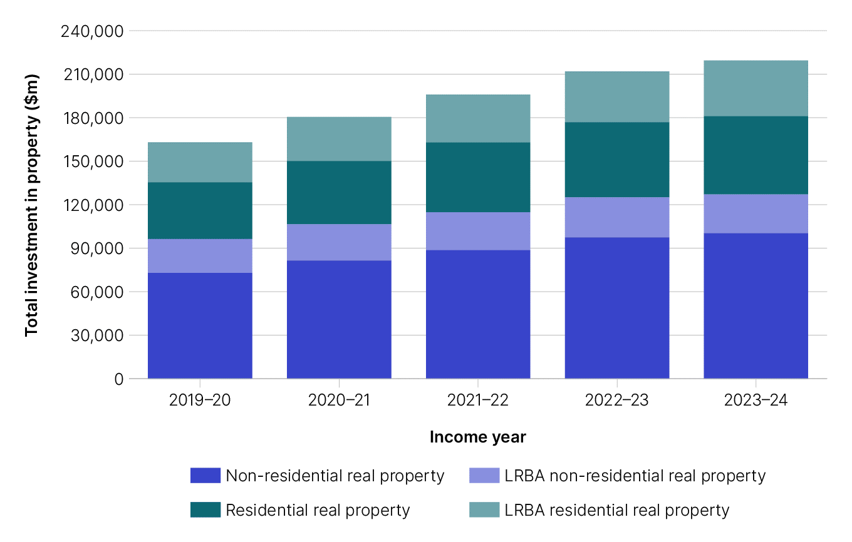

Graph: Total LRBA assets and proportion of SMSFs reporting LRBAs, 2019-20 to 2023-24

Table 10
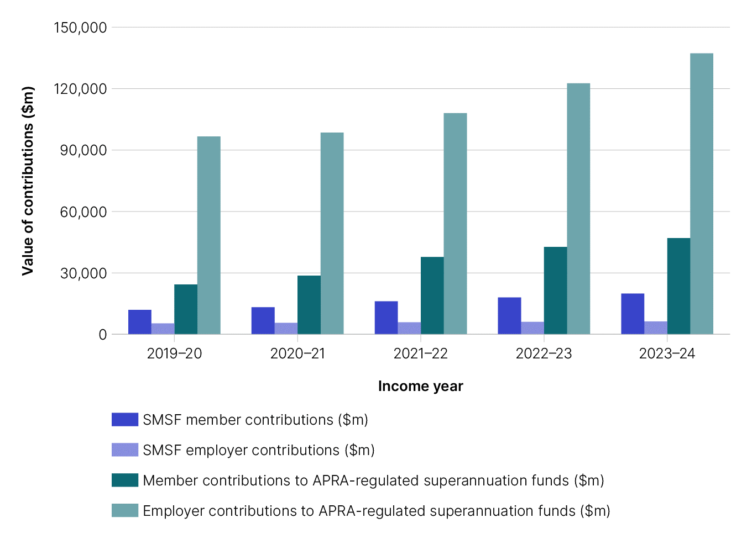
Table 10: Contribution flows - A2:G160 Total super contributions ($m) - A6:G9 Total SMSF contributions as proportion of total super contributions - A11:G14 Total SMSF contributions ($m) - A16:F19 Total Female SMSF contributions ($m) - A21:F23 Total Male SMSF contributions ($m) - A25:F27 Total Mean SMSF contributions ($) - A29:F31 Total female mean SMSF contributions ($) - A33:F35 Total male mean SMSF contributions ($) - A37:F39 Total median SMSF contributions ($) - A41:F43 Total female median SMSF contributions ($) - A45:F47 Total male median SMSF contributions ($) - A49:F51 Total member contributions, by member age (% per year) - A53:F65 Total female member contributions, by member age (% per year) - A67:F79 Total male member contributions, by member age (% per year) - A81:F93 Total employer contributions, by member age (% per year) - A95:F107 Total female employer contributions, by member age (% per year) - A109:F121 Total male employer contributions, by member age (% per year) - A123:F135 |  |  |  |  |  |  | end of row
Table 10: Contribution flows |  |  |  |  |  |  | end of row
These tables show, for each income year: - total member and employer contributions to all superannuation funds - total member and employer contributions to SMSFs - mean and median contributions - contributions to SMSFs as a proportion of total super contributions - contributions from primary residence disposal - graph of contributions to SMSFs by type and total, 2019-20 to 2023-24 - graph of contributions as a percentage of total Australian superannuation contributions by type, 2019-20 to 2023-24. These figures are based on SMSF annual return form data. To ensure consistency, the total contributions figures used are those reported in the Self-managed super fund quarterly statistical report – June 2025. The sum of contributions for male and female members may not equal total contributions due to a number of members whose gender is unknown. |  |  |  |  |  |  | end of row
Key highlights |  |  |  |  |  |  | end of row
In 2023-24: ■ Total contributions to SMSFs were $26.2 billion, an 8.5% increase from $24.1 billion in 2022-23, and a 51.3% increase from $17.3 billion in 2019-20 ■ Member contributions rose by 10.4% to $19.9 billion from $18.0 billion in 2022-23 ■ Employer contributions increased 2.9% to $6.3 billion from $6.1 billion in 2022-23. ■ Average member contributions per SMSF increased to $77,000 from $73,000 in 2022-23. Median member contributions increased from $25,000 to $28,000 over the same period. ■ Average employer contributions were $21,000, consistent with 2022-23. Median employer contributions grew to $18,000 from $17,000 over the same period. In 2023-24, total contributions to SMSFs accounted for 12.4% of all super contributions made in the superannuation sector, with: ■ member contributions to SMSFs accounting for 29.8% of member contributions to all super accounts ■ employer contributions to SMSFs accounting for 4.4% of employer contributions to all super accounts. In 2023-24: ■ 0.5% of all members made contributions in relation to the proceeds from primary residence disposal (downsizer contributions) to a SMSF ■ the average contribution was $278,000 and the median contribution was $300,000. |  |  |  |  |  |  | end of row
Back to contents |  |  |  |  |  |  | end of row
Total super contributions ($m) |  |  |  |  |  |  | end of row
 | 2023-24 | 2022-23 | 2021-22 | 2020-21 | 2019-20 | Total | end of row
All member contributions | $66,901 | $60,749 | $53,883 | $41,865 | $36,315 | $259,713 | end of row
All employer contributions | $143,524 | $128,733 | $113,929 | $104,122 | $101,997 | $592,305 | end of row
All super contributions | $210,425 | $189,482 | $167,811 | $145,988 | $138,312 | $852,018 | end of row
Contributions to SMSFs as a proportion of total superannuation contributions |  |  |  |  |  |  | end of row
 | 2023-24 | 2022-23 | 2021-22 | 2020-21 | 2019-20 | 5 Year Average | end of row
Member contributions to SMSFs | 29.8% | 29.7% | 29.9% | 31.5% | 33.0% | 30.5% | end of row
Employer contributions to SMSFs | 4.4% | 4.7% | 5.1% | 5.4% | 5.2% | 4.9% | end of row
Total Contributions to SMSFs | 12.4% | 12.7% | 13.1% | 12.9% | 12.5% | 12.7% | end of row
Total SMSF contributions ($m) |  |  |  |  |  |  | end of row
 | 2023-24 | 2022-23 | 2021-22 | 2020-21 | 2019-20 |  | end of row
Member | $19,915 | $18,034 | $16,121 | $13,200 | $11,966 |  | end of row
Employer | $6,271 | $6,094 | $5,865 | $5,592 | $5,340 |  | end of row
All SMSF | $26,186 | $24,128 | $21,986 | $18,792 | $17,306 |  | end of row
Proportion of members reporting contributions |  |  |  |  |  |  | end of row
 | 2023-24 | 2022-23 | 2021-22 | 2020-21 | 2019-20 |  | end of row
Member | 38.6% | 39.6% | 39.5% | 39.9% | 39.8% |  | end of row
Employer | 32.4% | 31.8% | 31.6% | 31.3% | 30.0% |  | end of row
Any contributions | 56.7% | 57.4% | 56.9% | 57.0% | 56.4% |  | end of row
Proportion of SMSFs reporting contributions |  |  |  |  |  |  | end of row
 | 2023-24 | 2022-23 | 2021-22 | 2020-21 | 2019-20 |  | end of row
Member | 46.7% | 48.0% | 48.0% | 48.5% | 48.5% |  | end of row
Employer | 40.6% | 40.1% | 39.6% | 39.6% | 38.5% |  | end of row
Any contributions | 64.3% | 65.3% | 64.7% | 64.8% | 64.7% |  | end of row
Total female SMSF contributions ($m) |  |  |  |  |  |  | end of row
 | 2023-24 | 2022-23 | 2021-22 | 2020-21 | 2019-20 |  | end of row
Member | $7,547 | $8,007 | $7,269 | $5,981 | $5,535 |  | end of row
Employer | $1,763 | $2,015 | $2,018 | $1,974 | $1,903 |  | end of row
Total male SMSF contributions ($m) |  |  |  |  |  |  | end of row
 | 2023-24 | 2022-23 | 2021-22 | 2020-21 | 2019-20 |  | end of row
Member | $7,166 | $7,690 | $7,208 | $6,059 | $5,509 |  | end of row
Employer | $2,923 | $3,373 | $3,337 | $3,220 | $3,134 |  | end of row
Mean SMSF contributions (per SMSF) |  |  |  |  |  |  | end of row
 | 2023-24 | 2022-23 | 2021-22 | 2020-21 | 2019-20 |  | end of row
Member | $77,258 | $72,618 | $66,707 | $55,454 | $52,268 |  | end of row
Employer | $21,374 | $20,808 | $20,371 | $19,534 | $18,908 |  | end of row
Mean SMSF contributions (per member) |  |  |  |  |  |  | end of row
 | 2023-24 | 2022-23 | 2021-22 | 2020-21 | 2019-20 |  | end of row
Member | $52,826 | $49,657 | $45,458 | $38,082 | $36,307 |  | end of row
Employer | $14,114 | $13,729 | $13,448 | $12,882 | $12,488 |  | end of row
Female mean SMSF contributions |  |  |  |  |  |  | end of row
 | 2023-24 | 2022-23 | 2021-22 | 2020-21 | 2019-20 |  | end of row
Member | $55,390 | $52,308 | $47,613 | $39,336 | $37,848 |  | end of row
Employer | $12,006 | $11,727 | $11,634 | $11,225 | $10,812 |  | end of row
Male mean SMSF contributions |  |  |  |  |  |  | end of row
 | 2023-24 | 2022-23 | 2021-22 | 2020-21 | 2019-20 |  | end of row
Member | $50,371 | $47,170 | $43,471 | $36,911 | $34,882 |  | end of row
Employer | $15,785 | $15,289 | $14,848 | $14,164 | $13,786 |  | end of row
Median SMSF contributions (per SMSF) |  |  |  |  |  |  | end of row
 | 2023-24 | 2022-23 | 2021-22 | 2020-21 | 2019-20 |  | end of row
Member | $27,500 | $25,000 | $25,000 | $21,100 | $18,759 |  | end of row
Employer | $17,977 | $17,170 | $16,423 | $15,861 | $15,532 |  | end of row
Median SMSF contributions (per member) |  |  |  |  |  |  | end of row
 | 2023-24 | 2022-23 | 2021-22 | 2020-21 | 2019-20 |  | end of row
Member | $22,000 | $20,000 | $20,000 | $17,700 | $15,000 |  | end of row
Employer | $11,462 | $10,960 | $10,512 | $10,215 | $10,000 |  | end of row
Female median SMSF contributions |  |  |  |  |  |  | end of row
 | 2023-24 | 2022-23 | 2021-22 | 2020-21 | 2019-20 |  | end of row
Member | $23,709 | $21,044 | $21,000 | $18,920 | $15,300 |  | end of row
Employer | $8,635 | $8,190 | $7,840 | $7,600 | $7,313 |  | end of row
Male median SMSF contributions |  |  |  |  |  |  | end of row
 | 2023-24 | 2022-23 | 2021-22 | 2020-21 | 2019-20 |  | end of row
Member | $20,000 | $19,000 | $19,000 | $16,683 | $14,780 |  | end of row
Employer | $14,000 | $13,463 | $12,864 | $12,378 | $12,190 |  | end of row
Distribution of total member contributions, by member age |  |  |  |  |  |  | end of row
 | 2023-24 | 2022-23 | 2021-22 | 2020-21 | 2019-20 |  | end of row
< 25 | 0.3% | 0.3% | 0.4% | 0.4% | 0.4% |  | end of row
25 - 34 | 0.8% | 0.9% | 1.0% | 1.1% | 1.1% |  | end of row
35 - 44 | 3.9% | 4.3% | 5.0% | 5.1% | 4.8% |  | end of row
45 - 49 | 4.3% | 4.7% | 5.9% | 6.2% | 6.1% |  | end of row
50 - 54 | 8.1% | 8.2% | 10.3% | 10.4% | 9.8% |  | end of row
55 - 59 | 13.5% | 13.2% | 16.7% | 16.9% | 17.9% |  | end of row
60 - 64 | 23.3% | 22.2% | 25.0% | 25.4% | 26.2% |  | end of row
65 - 69 | 23.3% | 22.1% | 20.6% | 19.7% | 18.9% |  | end of row
70 - 74 | 17.7% | 18.3% | 10.6% | 11.2% | 11.4% |  | end of row
75 - 84 | 4.8% | 5.5% | 4.0% | 3.3% | 3.2% |  | end of row
85+ | 0.0% | 0.3% | 0.3% | 0.2% | 0.2% |  | end of row
Total | 100% | 100% | 100% | 100% | 100% |  | end of row
Distribution of total female member contributions, by member age |  |  |  |  |  |  | end of row
 | 2023-24 | 2022-23 | 2021-22 | 2020-21 | 2019-20 |  | end of row
< 25 | 0.3% | 0.3% | 0.5% | 0.4% | 0.4% |  | end of row
25 - 34 | 0.8% | 0.9% | 1.0% | 1.1% | 1.1% |  | end of row
35 - 44 | 4.1% | 4.6% | 5.3% | 5.4% | 5.0% |  | end of row
45 - 49 | 4.4% | 4.8% | 6.3% | 6.7% | 6.6% |  | end of row
50 - 54 | 8.9% | 8.9% | 11.3% | 11.3% | 10.7% |  | end of row
55 - 59 | 14.3% | 13.9% | 17.9% | 18.0% | 19.2% |  | end of row
60 - 64 | 24.0% | 23.0% | 26.1% | 26.8% | 27.7% |  | end of row
65 - 69 | 22.4% | 21.2% | 19.1% | 18.0% | 17.1% |  | end of row
70 - 74 | 16.4% | 17.3% | 8.8% | 9.4% | 9.4% |  | end of row
75 - 84 | 4.5% | 5.0% | 3.4% | 2.8% | 2.6% |  | end of row
85+ | 0.0% | 0.2% | 0.2% | 0.2% | 0.2% |  | end of row
Total | 100% | 100% | 100% | 100% | 100% |  | end of row
Distribution of total male member contributions, by member age |  |  |  |  |  |  | end of row
 | 2023-24 | 2022-23 | 2021-22 | 2020-21 | 2019-20 |  | end of row
< 25 | 0.3% | 0.4% | 0.4% | 0.4% | 0.4% |  | end of row
25 - 34 | 0.8% | 0.9% | 1.1% | 1.0% | 1.0% |  | end of row
35 - 44 | 3.8% | 4.1% | 4.7% | 4.9% | 4.7% |  | end of row
45 - 49 | 4.1% | 4.5% | 5.5% | 5.8% | 5.7% |  | end of row
50 - 54 | 7.3% | 7.6% | 9.4% | 9.4% | 8.9% |  | end of row
55 - 59 | 12.7% | 12.5% | 15.5% | 15.8% | 16.6% |  | end of row
60 - 64 | 22.6% | 21.4% | 23.9% | 24.0% | 24.7% |  | end of row
65 - 69 | 24.2% | 23.0% | 22.0% | 21.4% | 20.6% |  | end of row
70 - 74 | 19.1% | 19.4% | 12.5% | 13.0% | 13.5% |  | end of row
75 - 84 | 5.2% | 6.0% | 4.7% | 3.8% | 3.7% |  | end of row
85+ | 0.0% | 0.3% | 0.4% | 0.3% | 0.3% |  | end of row
Total | 100% | 100% | 100% | 100% | 100% |  | end of row
Distribution of total employer contributions, by member age |  |  |  |  |  |  | end of row
 | 2023-24 | 2022-23 | 2021-22 | 2020-21 | 2019-20 |  | end of row
< 25 | 0.4% | 0.5% | 0.4% | 0.4% | 0.4% |  | end of row
25 - 34 | 2.7% | 2.7% | 2.7% | 2.6% | 2.7% |  | end of row
35 - 44 | 14.9% | 14.5% | 14.1% | 13.9% | 14.0% |  | end of row
45 - 49 | 13.6% | 13.7% | 13.8% | 14.0% | 14.5% |  | end of row
50 - 54 | 18.4% | 18.3% | 17.9% | 17.5% | 17.0% |  | end of row
55 - 59 | 18.0% | 18.1% | 18.4% | 18.6% | 19.0% |  | end of row
60 - 64 | 15.9% | 15.9% | 16.0% | 16.0% | 15.6% |  | end of row
65 - 69 | 9.6% | 9.6% | 9.8% | 10.0% | 10.0% |  | end of row
70 - 74 | 5.1% | 5.2% | 5.5% | 5.7% | 5.6% |  | end of row
75 - 84 | 1.4% | 1.6% | 1.5% | 1.2% | 1.1% |  | end of row
85+ | 0.0% | <0.1% | <0.1% | <0.1% | <0.1% |  | end of row
Total | 100% | 100% | 100% | 100% | 100% |  | end of row
Distribution of total female employer contributions, by member age |  |  |  |  |  |  | end of row
 | 2023-24 | 2022-23 | 2021-22 | 2020-21 | 2019-20 |  | end of row
< 25 | 0.5% | 0.6% | 0.5% | 0.5% | 0.5% |  | end of row
25 - 34 | 2.8% | 2.8% | 2.8% | 2.8% | 2.9% |  | end of row
35 - 44 | 15.8% | 15.2% | 14.6% | 14.5% | 14.5% |  | end of row
45 - 49 | 14.2% | 14.4% | 14.5% | 14.8% | 15.2% |  | end of row
50 - 54 | 19.3% | 19.1% | 18.8% | 18.3% | 17.8% |  | end of row
55 - 59 | 18.3% | 18.4% | 18.7% | 18.8% | 19.2% |  | end of row
60 - 64 | 14.8% | 14.9% | 15.1% | 15.2% | 14.9% |  | end of row
65 - 69 | 8.6% | 8.7% | 9.0% | 9.2% | 9.2% |  | end of row
70 - 74 | 4.6% | 4.7% | 5.0% | 5.1% | 5.0% |  | end of row
75 - 84 | 1.0% | 1.1% | 1.0% | 0.8% | 0.7% |  | end of row
85+ | 0.0% | <0.1% | <0.1% | <0.1% | <0.1% |  | end of row
Total | 100% | 100% | 100% | 100% | 100% |  | end of row
Distribution of total male employer contributions, by member age |  |  |  |  |  |  | end of row
 | 2023-24 | 2022-23 | 2021-22 | 2020-21 | 2019-20 |  | end of row
< 25 | 0.4% | 0.4% | 0.4% | 0.3% | 0.4% |  | end of row
25 - 34 | 2.6% | 2.6% | 2.6% | 2.5% | 2.6% |  | end of row
35 - 44 | 14.3% | 14.0% | 13.7% | 13.6% | 13.7% |  | end of row
45 - 49 | 13.2% | 13.2% | 13.3% | 13.6% | 14.0% |  | end of row
50 - 54 | 17.9% | 17.9% | 17.5% | 16.9% | 16.5% |  | end of row
55 - 59 | 17.8% | 17.9% | 18.2% | 18.4% | 18.9% |  | end of row
60 - 64 | 16.6% | 16.5% | 16.5% | 16.4% | 16.0% |  | end of row
65 - 69 | 10.1% | 10.1% | 10.3% | 10.5% | 10.5% |  | end of row
70 - 74 | 5.5% | 5.5% | 5.8% | 6.0% | 6.0% |  | end of row
75 - 84 | 1.6% | 1.8% | 1.7% | 1.5% | 1.3% |  | end of row
85+ | 0.0% | <0.1% | <0.1% | <0.1% | <0.1% |  | end of row
Total | 100% | 100% | 100% | 100% | 100% |  | end of row
Proceeds from primary residence disposal |  |  |  |  |  |  | end of row
 | 2023-24 | 2022-23 | 2021-22 | 2020-21 | 2019-20 |  | end of row
Proportion of members reporting these contributions | 0.5% | 0.4% | 0.4% | 0.3% | 0.3% |  | end of row
Average per member ($) | 277,966 | 276,897 | 271,886 | 260,232 | 254,709 |  | end of row
Median per member ($) | 300,000 | 300,000 | 300,000 | 300,000 | 300,000 |  | end of row
End of column | End of column | End of column | End of column | End of column | End of column
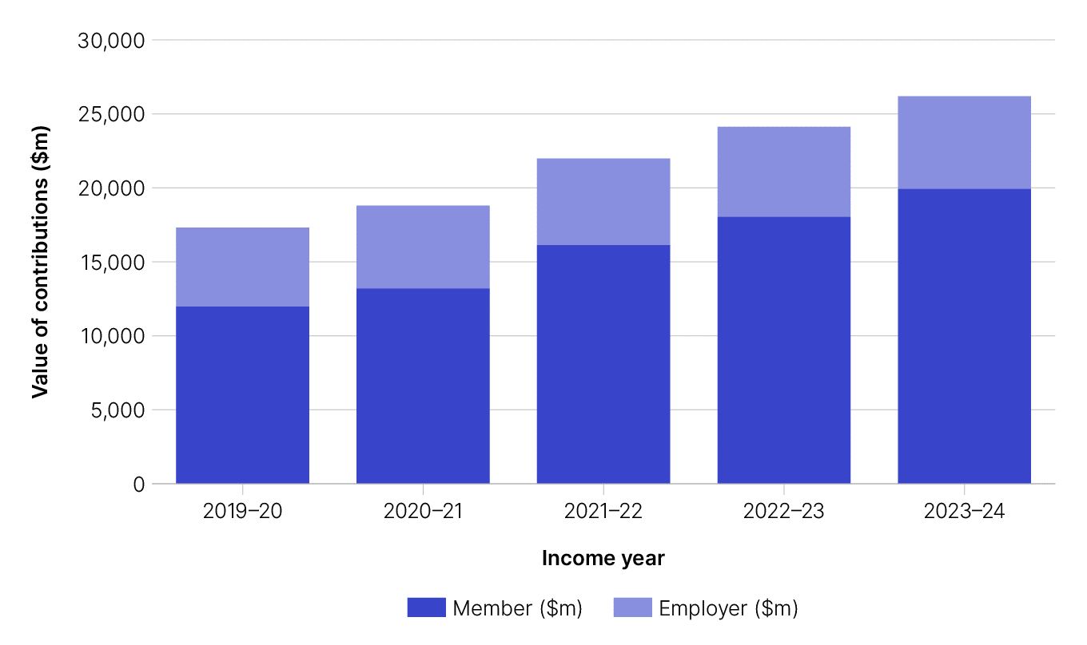
Graph: Contributions to SMSFs by type and total, 2019-20 to 2023-24

Graph: Contributions to SMSFs as a percentage of total Australian superannuation contributions by type, 2019-20 to 2023-24

Table 12
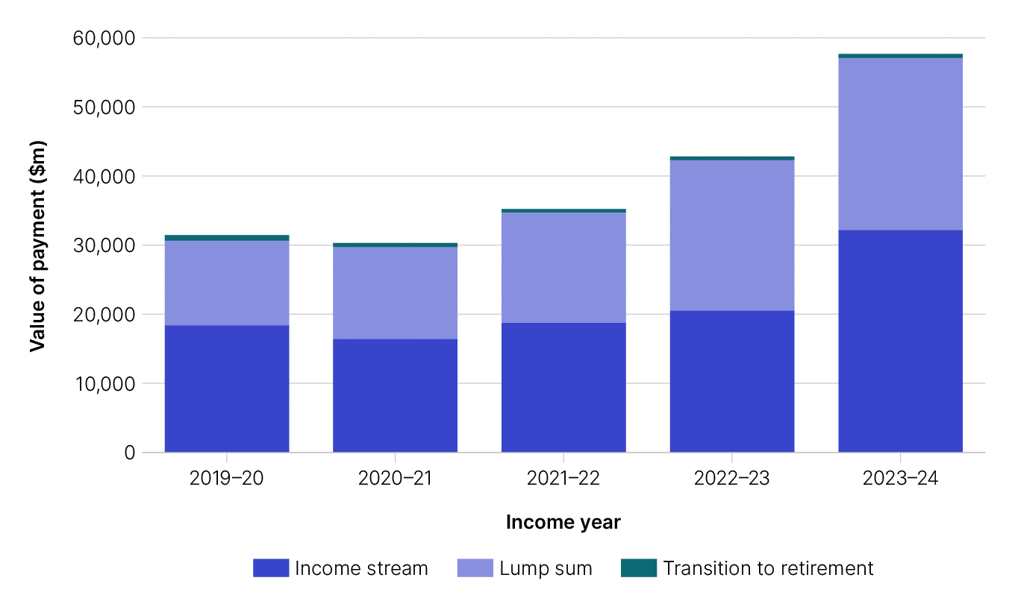
Table 12: Benefit Payments - A2:F34 SMSF benefit payments per SMSF - A6:F9 SMSF benefit payments per member - A11:F14 Type of benefit payments - A16:F20 SMSF members receiving benefit payments in 2019 by age range - A22:D32 |  |  |  |  |  | end of row
Table 12: Benefit payments |  |  |  |  |  | end of row
This table shows: - total benefit payments from SMSFs as well as average and median amounts for each income year - total benefit payments to members, as well as average and median benefit amounts for each income year - distribution of total SMSF benefits by benefit type for each income year - distribution of SMSF members receiving benefit payments by age in 2023-24 - graph showing benefit payments from SMSFs by type and total, 2019-20 to 2023-24. Benefit payments includes income stream benefits, lump sum benefits and transition-to-retirement (TRIS) payments. To ensure consistency, the estimates for total benefit payments figures used are those reported in the Self-managed super fund quarterly statistical report – June 2025. The average and median figures are based on SMSF annual return form data. |  |  |  |  |  | end of row
Key highlights |  |  |  |  |  | end of row
Benefit payments include lump sum, income stream, transition to retirement and combination of payments. Total SMSF benefit payments were $57.7 billion in 2023-24, an increase of 35% from $42.8 billion in 2022-23, and 83% from $31.4 billion in 2019-20. In 2023-24: ■ the average benefit payment per SMSF was $177,000, a 23% increase from 2022-23 and an 66% increase from 2019-20 ■ the median benefit payment per SMSF was $89,000, a 48% increase from 2022-23 and a 65% increase from 2019-20 ■ the number of SMSF members receiving a benefit payment dropped by 7% from 2022-23 and by 12% from 2019-20 ■ 57% of total benefit payments by SMSFs were in the form of an income stream, including transition to retirement income streams ■ transition to retirement income streams made up 1.1% of total benefit payments, down from 1.3% in the previous year and 2.6% in 2019-20. |  |  |  |  |  | end of row
Back to contents |  |  |  |  |  | end of row
SMSF benefit payments (per SMSF) |  |  |  |  |  | end of row
 | 2023-24 | 2022-23 | 2021-22 | 2020-21 | 2019-20 | end of row
Total benefit payments ($m) | $57,662 | $42,821 | $35,205 | $30,290 | $31,424 | end of row
Average benefit payments | $176,936 | $143,565 | $122,972 | $102,518 | $106,275 | end of row
Median benefit payments | $88,800 | $60,000 | $54,500 | $46,669 | $53,763 | end of row
SMSF benefit payments (per member) |  |  |  |  |  | end of row
 | 2023-24 | 2022-23 | 2021-22 | 2020-21 | 2019-20 | end of row
Number of members receiving benefit payments | 372,351 | 401,632 | 397,788 | 416,324 | 422,779 | end of row
Average benefit payments | $116,711 | $95,018 | $81,305 | $68,026 | $70,480 | end of row
Median benefit payments | $58,933 | $39,000 | $35,800 | $30,000 | $35,000 | end of row
Distribution of total SMSF benefit payments by benefit type |  |  |  |  |  | end of row
 | 2023-24 | 2022-23 | 2021-22 | 2020-21 | 2019-20 | end of row
Income stream benefit | 55.7% | 47.8% | 53.2% | 54.1% | 58.4% | end of row
Lump sum benefit | 43.2% | 50.9% | 45.3% | 43.9% | 39.0% | end of row
Transition to retirement benefit | 1.1% | 1.3% | 1.5% | 2.0% | 2.6% | end of row
Total | 100% | 100% | 100% | 100% | 100% | end of row
Distribution of SMSF members receiving benefit payments by age, 2023-24 |  |  |  |  |  | end of row
Age range | Members receiving benefit payments (%) | Average member benefit payment | Average member balance1 |  |  | end of row
< 55 | 3.0% | $26,865 | $683,748 |  |  | end of row
55- 59 | 1.4% | $39,643 | $1,250,614 |  |  | end of row
60-64 | 11.6% | $100,959 | $1,343,367 |  |  | end of row
65-69 | 22.8% | $107,466 | $1,433,281 |  |  | end of row
70-74 | 24.5% | $108,981 | $1,509,782 |  |  | end of row
>74 | 36.6% | $143,054 | $1,607,562 |  |  | end of row
Unknown2 | <0.1% | $176,806 | $1,449,828 |  |  | end of row
Total (all ages) | 100% | $116,711 | $1,480,130 |  |  | end of row
1 Average member balance is calculated prior to benefit payment. |  |  |  |  |  | end of row
2 Unknown value indicates a value less than 0.1% but is greater than 0. |  |  |  |  |  | end of row
end of column | end of column | end of column | end of column | end of column | end of column
Graph: Benefit payments from SMSFs by type and total, 2019-20 to 2023-24

Table 26
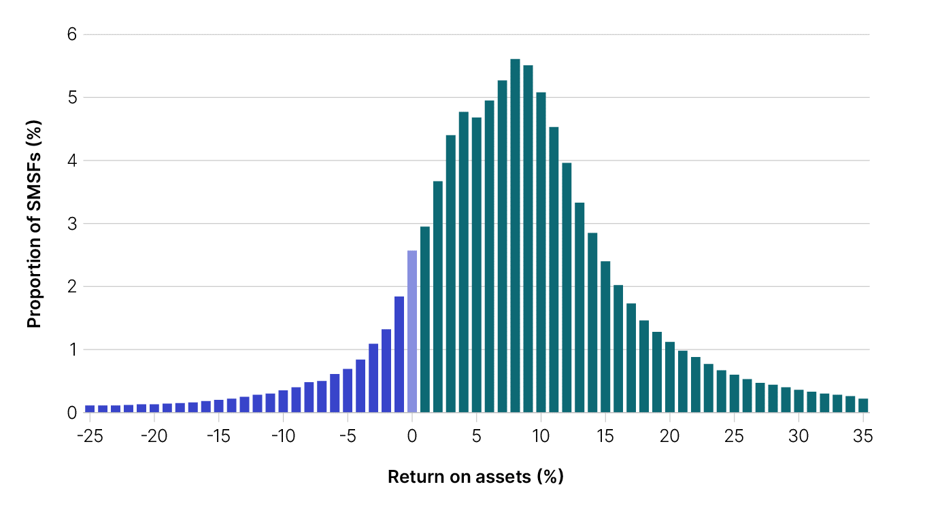
Table 26: Average and median returns for SMSFs - A2:F10 Average returns for SMSF and APRA funds - A6:F8 Median returns for SMSFs - A11:F12 | end of row |  |  |  |  | end of row
Table 26: Total and median returns for SMSFs |  |  |  |  |  |  | end of row
This table shows: - total and median return on assets (ROA) made by SMSFs by income year - graph of return on assets for SMSFs, 2019-20 to 2023-24 - graph of return on assets by percentile for SMSFs, 2023-24. ROA for SMSFs is based on SMSF annual return form data. |  |  |  |  |  | end of row
Key highlights
This is an indicator of performance across the entire SMSF sector and is not a direct comparison to APRA fund investment performance as the data inputs and methodology used are different. ■ In 2023-24 the total ROA for SMSFs was 10.3%, up from 10.0% in 2022-23 and 1.1% in 2019-20. ■ In 2023-24 the median ROA for SMSFs was 8.2%, up from 7.3% in 2022-23, and -0.5% in 2019-20.
Back to contents |  |  |  |  |  | end of row
Total and median returns for SMSFs |  |  |  |  |  | end of row
ROA | 2023-24 | 2022-23 | 2021-22 | 2020-21 | 2019-20 | end of row
Total | 10.3% | 10.0% | 1.0% | 18.2% | 1.1% | end of row
Median | 8.2% | 7.3% | -0.8% | 13.9% | -0.5% | end of row
end of column | end of column | end of column | end of column | end of column | end of column | end of row
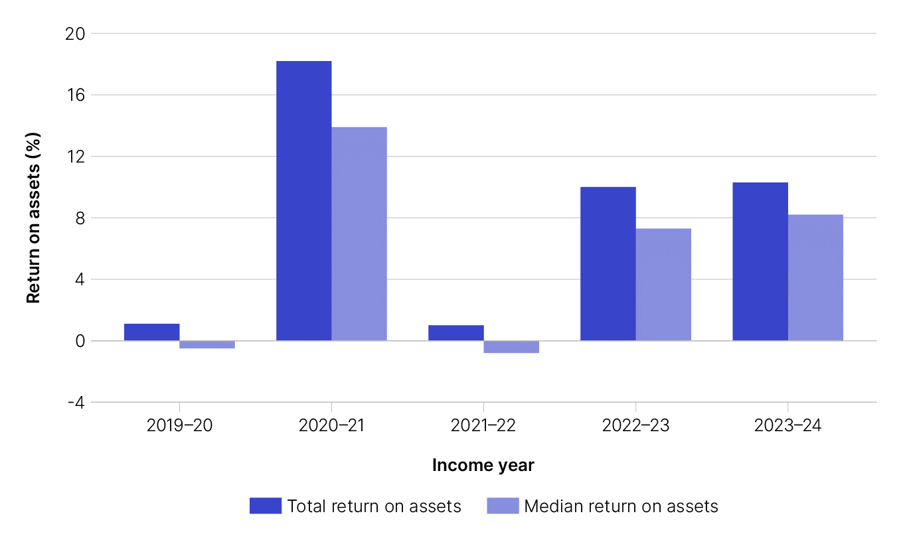
Graph: Return on assets for SMSFs, 2019-20 to 2023-24

Graph: Return on assets by percentile, 2023-24

Table 28
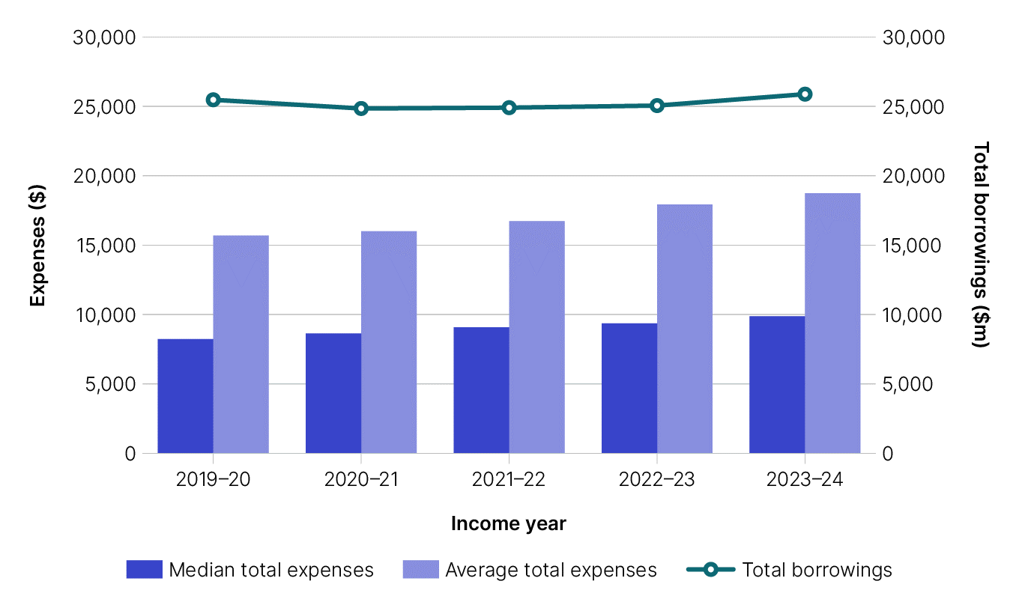
Table 28: SMSF Expenses - A2:K92 Total Expenses - Average and Median - A6:F8 Average total expenses by SMSF asset - A10:F18 Median total expenses by SMSF asset - A20:F28 Operating expenses - average and median - A30:F32 Average expenses by expense type - previous years - A34:F44 Median expenses by expense type - previous years - A46:F56 Average expenses by expense type for 2019 - A58:J68 Median expenses by expense type 2019 - A70:J80 |  |  |  |  |  |  |  |  |  | end of row
Table 28: SMSF Expenses |  |  |  |  |  |  |  |  |  | end of row
This table shows for each financial year: - average and median total expenses - average and median total expenses by SMSF asset range - average and median operating expenses - average and median expenses by expense type - average and median expense by expense type and range (for the 2024 financial year only) - average and median expenses by phase (accumulation and retirement) - graph of average and median expenses (including total borrowings) for SMSFs. These figures are based on SMSF annual return form data. Note that the averages and medians in these tables are calculated using only those SMSFs that report an expense at the relevant label and are therefore a subset of the total population. These figures cannot be compared to averages or medians calculated at the total population level (other than when all expenses are included which means the total population will be included). |  |  |  |  |  |  |  |  |  | end of row
Key highlights |  |  |  |  |  |  |  |  |  | end of row
In 2023-24: ■ average total expenses were $18,700, up 4.5% from $17,900 in 2022-23, and up 19.5% from $15,700 in 2019-20 ■ median total expenses were $9,900, up 5.4% from $9,400 in 2022-23, and up 19.9% from $8,200 in 2019-20 ■ SMSFs in retirement phase incurred lower average total expenses ($17,200) than funds solely in accumulation phase ($20,100) ■ average operating expenses were $7,300, up from $7,000 in 2022-23, and $6,100 in 2019-20 ■ median operating expenses were $4,600, up from $4,300 in 2022-23 and $3,900 in 2019-20 ■ the average interest expense within Australia has risen by 15% in the year to 2023-24, from $19,700 to $22,600. |  |  |  |  |  |  |  |  |  | end of row
Back to contents |  |  |  |  |  |  |  |  |  | end of row
Total expenses - average and median |  |  |  |  |  |  |  |  |  | end of row
Total expenses | 2023-24 | 2022-23 | 2021-22 | 2020-21 | 2019-20 |  |  |  |  | end of row
Average | $18,735 | $17,928 | $16,729 | $15,996 | $15,684 |  |  |  |  | end of row
Median | $9,874 | $9,364 | $9,074 | $8,633 | $8,235 |  |  |  |  | end of row
Average total expenses by SMSF asset range |  |  |  |  |  |  |  |  |  | end of row
Total expenses | 2023-24 | 2022-23 | 2021-22 | 2020-21 | 2019-20 |  |  |  |  | end of row
>$0 - $50k | $4,067 | $3,967 | $4,119 | $4,323 | $4,248 |  |  |  |  | end of row
>$50k - $100k | $4,984 | $5,092 | $5,305 | $5,787 | $5,962 |  |  |  |  | end of row
>$100k - $200k | $8,286 | $8,489 | $8,581 | $9,648 | $10,322 |  |  |  |  | end of row
>$200k - $500k | $15,477 | $14,628 | $13,266 | $13,206 | $13,210 |  |  |  |  | end of row
>$500k - $1m | $16,322 | $15,508 | $13,891 | $13,221 | $13,003 |  |  |  |  | end of row
>$1m - $2m | $16,813 | $16,537 | $15,817 | $15,142 | $15,172 |  |  |  |  | end of row
>$2m-$5m | $23,342 | $23,644 | $23,162 | $22,421 | $22,990 |  |  |  |  | end of row
>$5m-$10m | $41,211 | $40,869 | $39,466 | $40,281 | $41,047 |  |  |  |  | end of row
>$10m | $98,911 | $110,382 | $105,793 | $103,814 | $107,714 |  |  |  |  | end of row
All funds | $18,735 | $17,928 | $16,729 | $15,996 | $15,684 |  |  |  |  | end of row
Median total expenses by SMSF asset range |  |  |  |  |  |  |  |  |  | end of row
Total expenses | 2023-24 | 2022-23 | 2021-22 | 2020-21 | 2019-20 |  |  |  |  | end of row
>$0 - $50k | $2,288 | $2,121 | $1,951 | $1,948 | $1,883 |  |  |  |  | end of row
>$50k - $100k | $2,852 | $2,740 | $2,601 | $2,651 | $2,599 |  |  |  |  | end of row
>$100k - $200k | $3,686 | $3,719 | $3,817 | $4,216 | $4,470 |  |  |  |  | end of row
>$200k - $500k | $7,388 | $7,489 | $7,550 | $7,478 | $7,413 |  |  |  |  | end of row
>$500k - $1m | $9,985 | $9,707 | $9,244 | $8,704 | $8,384 |  |  |  |  | end of row
>$1m - $2m | $11,698 | $11,413 | $11,030 | $10,523 | $10,234 |  |  |  |  | end of row
>$2m-$5m | $16,132 | $16,076 | $15,739 | $15,139 | $14,946 |  |  |  |  | end of row
>$5m-$10m | $24,981 | $25,228 | $25,374 | $25,059 | $25,151 |  |  |  |  | end of row
>$10m | $41,328 | $43,865 | $44,154 | $43,041 | $42,240 |  |  |  |  | end of row
All funds | $9,874 | $9,364 | $9,074 | $8,633 | $8,235 |  |  |  |  | end of row
Operating Expense - average and median |  |  |  |  |  |  |  |  |  | end of row
 | 2023-24 | 2022-23 | 2021-22 | 2020-21 | 2019-20 |  |  |  |  | end of row
Total | $7,271 | $6,996 | $6,803 | $6,370 | $6,115 |  |  |  |  | end of row
Median | $4,553 | $4,324 | $4,119 | $4,038 | $3,900 |  |  |  |  | end of row
Average expense by expense type |  |  |  |  |  |  |  |  |  | end of row
Expense type | 2023-24 | 2022-23 | 2021-22 | 2020-21 | 2019-20 |  |  |  |  | end of row
Interest expense within Australia | $22,642 | $19,673 | $14,181 | $14,862 | $15,923 |  |  |  |  | end of row
Interest expense overseas | $16,533 | $13,368 | $12,739 | $12,413 | $14,902 |  |  |  |  | end of row
Insurance premiums | $8,401 | $8,285 | $7,914 | $7,557 | $7,206 |  |  |  |  | end of row
SMSF auditor Fee | $651 | $654 | $647 | $663 | $675 |  |  |  |  | end of row
Investment expenses | $13,084 | $12,388 | $11,851 | $11,001 | $10,677 |  |  |  |  | end of row
Management and admin expenses | $5,164 | $4,801 | $4,702 | $4,474 | $4,348 |  |  |  |  | end of row
Forestry managed investment scheme | $5,831 | $6,369 | $6,361 | $6,908 | $7,398 |  |  |  |  | end of row
Supervisory levy | $259 | $259 | $259 | $259 | $259 |  |  |  |  | end of row
Other deductions | $2,908 | $3,291 | $3,228 | $2,849 | $2,764 |  |  |  |  | end of row
Total expenses | $18,735 | $17,928 | $16,729 | $15,996 | $15,684 |  |  |  |  | end of row
Median expense by expense type |  |  |  |  |  |  |  |  |  | end of row
Expense type | 2023-24 | 2022-23 | 2021-22 | 2020-21 | 2019-20 |  |  |  |  | end of row
Interest expense within Australia | $17,921 | $15,742 | $11,391 | $11,951 | $12,754 |  |  |  |  | end of row
Interest expense overseas | $8,878 | $10,210 | $8,706 | $9,131 | $9,624 |  |  |  |  | end of row
Insurance premiums | $5,655 | $5,531 | $5,341 | $5,141 | $4,893 |  |  |  |  | end of row
SMSF auditor fee | $550 | $550 | $550 | $550 | $550 |  |  |  |  | end of row
Investment expenses | $7,880 | $7,186 | $6,851 | $6,310 | $6,020 |  |  |  |  | end of row
Management and admin expenses | $3,309 | $3,126 | $2,969 | $2,898 | $2,816 |  |  |  |  | end of row
Forestry managed investment scheme | $2,257 | $2,242 | $1,980 | $2,459 | $2,407 |  |  |  |  | end of row
Supervisory levy | $259 | $259 | $259 | $259 | $259 |  |  |  |  | end of row
Other deductions | $299 | $358 | $341 | $340 | $302 |  |  |  |  | end of row
Total expenses | $9,874 | $9,364 | $9,074 | $8,633 | $8,235 |  |  |  |  | end of row
Average expenses by expense type and range for year ended 30 June 2024 |  |  |  |  |  |  |  |  |  | end of row
Expense type | $1-$50k | >$50k-$100k | >$100k-$200k | >$200k-$500k | >$500k-$1m | >$1m-$2m | >$2m - $5m | $5m - $10m | >$10m | All funds | end of row
Interest expense within Australia | $6,502 | $11,272 | $17,825 | $20,180 | $21,465 | $24,215 | $27,470 | $37,712 | $84,932 | $22,642 | end of row
Interest expense overseas | $737 | $9,236 | $14,572 | $15,660 | $17,708 | $13,955 | $18,671 | $19,245 | $41,606 | $16,533 | end of row
Insurance premiums | $8,705 | $6,201 | $5,940 | $6,700 | $8,065 | $10,187 | $13,167 | $16,848 | $25,635 | $8,401 | end of row
SMSF auditor fee | $578 | $558 | $563 | $589 | $620 | $656 | $713 | $808 | $1,053 | $651 | end of row
Investment expenses | $1,178 | $2,292 | $4,638 | $7,779 | $8,843 | $10,938 | $17,408 | $32,284 | $73,077 | $13,084 | end of row
Management and admin expenses | $1,796 | $2,025 | $2,385 | $3,183 | $4,137 | $5,466 | $7,682 | $10,975 | $17,056 | $5,164 | end of row
Forestry managed investment scheme | $1,503 | $1,922 | $3,948 | $3,536 | $5,405 | $3,455 | $11,381 | $9,281 | $3,503 | $5,831 | end of row
Supervisory levy | $259 | $259 | $259 | $259 | $259 | $259 | $259 | $259 | $259 | $259 | end of row
Other deductions | $1,314 | $1,345 | $1,510 | $1,832 | $2,038 | $2,211 | $3,063 | $7,764 | $29,329 | $2,908 | end of row
Total expenses | $4,067 | $4,984 | $8,286 | $15,477 | $16,322 | $16,813 | $23,342 | $41,211 | $98,911 | $18,735 | end of row
Median expenses by expense type and range for year ended 30 June 2024 |  |  |  |  |  |  |  |  |  |  | end of row
Expense type | $1-$50k | >$50k-$100k | >$100k-$200k | >$200k-$500k | >$500k-$1m | >$1m-$2m | >$2m - $5m | $5m - $10m | >$10m | All funds | end of row
Interest expense within Australia | $685 | $7,601 | $18,376 | $18,793 | $18,190 | $16,279 | $10,924 | $4,405 | $3,396 | 17,921 | end of row
Interest expense overseas | $737 | $10,116 | $14,294 | $15,225 | $8,808 | $1,917 | $1,656 | $3,118 | $37,075 | 8,878 | end of row
Insurance premiums | $4,886 | $3,458 | $3,879 | $4,744 | $5,888 | $7,134 | $8,767 | $10,191 | $11,061 | 5,655 | end of row
SMSF auditor fee | $480 | $467 | $495 | $528 | $550 | $550 | $604 | $659 | $764 | 550 | end of row
Investment expenses | $120 | $292 | $1,567 | $6,201 | $7,035 | $8,410 | $12,483 | $20,728 | $32,553 | 7,880 | end of row
Management and admin expenses | $1,470 | $1,694 | $2,010 | $2,620 | $3,140 | $3,727 | $4,582 | $5,978 | $8,013 | 3,309 | end of row
Forestry managed investment scheme | $1,503 | $1,394 | $1,231 | $2,412 | $2,477 | $2,258 | $3,109 | $4,000 | $4,000 | 2,257 | end of row
Supervisory levy | $259 | $259 | $259 | $259 | $259 | $259 | $259 | $259 | $259 | 259 | end of row
Other deductions | $373 | $401 | $465 | $439 | $318 | $259 | $259 | $285 | $518 | 299 | end of row
Total expenses | $2,288 | $2,852 | $3,686 | $7,388 | $9,985 | $11,698 | $16,132 | $24,981 | $41,328 | 9,874 | end of row
Average and median expense by phase |  |  |  |  |  | end of column | end of column | end of column | end of column | end of column | end of row
 | 2023-24 | 2022-23 | 2021-22 | 2020-21 | 2019-20 | end of row
Average total expenses (Accumulation) | $20,059 | $18,694 | $16,905 | $16,451 | $16,187 | end of row
Median total expenses (Accumulation) | $10,648 | $9,867 | $9,617 | $9,299 | $8,854 | end of row
Average total expenses (Retirement) | $17,233 | $16,927 | $16,493 | $15,383 | $15,006 | end of row
Median total expenses (Retirement) | $9,198 | $8,855 | $8,494 | $7,911 | $7,608 | end of row
end of column | end of column | end of column | end of column | end of column | end of column |  |  |  |  |  | end of row
Graph: Average and median expenses for SMSFs (including total borrowings), 2019-20 to 2023-24

