PinMapping

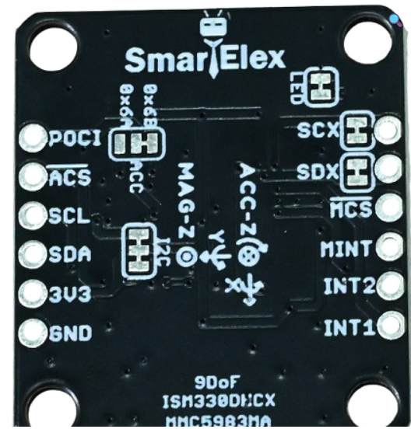
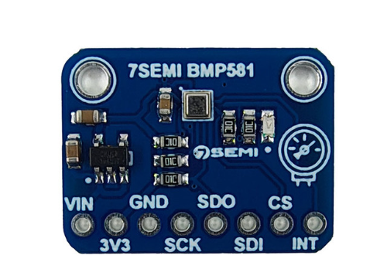
Name | Ports | Func | Name | Ports | Func | Name | Ports | Func | Name | Ports | Func
SDMMC1_D0 | PC8 | MicoSD | DCMI_D0 | PC6 | DCMI | UART5_TX | PA0 | Debug/Conf | SPI2_SCK | PB10 | ACC, GYRO
SDMMC1_D1 | PC9 |  | DCMI_D1 | PC7 |  | UART5_RX | PA1 |  | SPI2_MOSI | PB15
SDMMC1_D2 | PC10 |  | DCMI_D2 | PE0 |  |  |  |  | SPI2_MISO | PB14
SDMMC1_D3 | PC11 |  | DCMI_D3 | PE1 |  | UART4_TX | PB13 | Radio | SPI2_CS1 | PD8
SDMMC1_CK | PC12 |  | DCMI_D4 | PE4 |  | UART4_RX | PB12
SDMMC1_CMD | PD2 |  | DCMI_D5 | PD3 |  |  |  |  | SPI6_CS1 | PA2 | Mag
 |  |  | DCMI_D6 | PE5 |  | UART7_RX | PE7 | GPS | SPI6_SCK | PA5
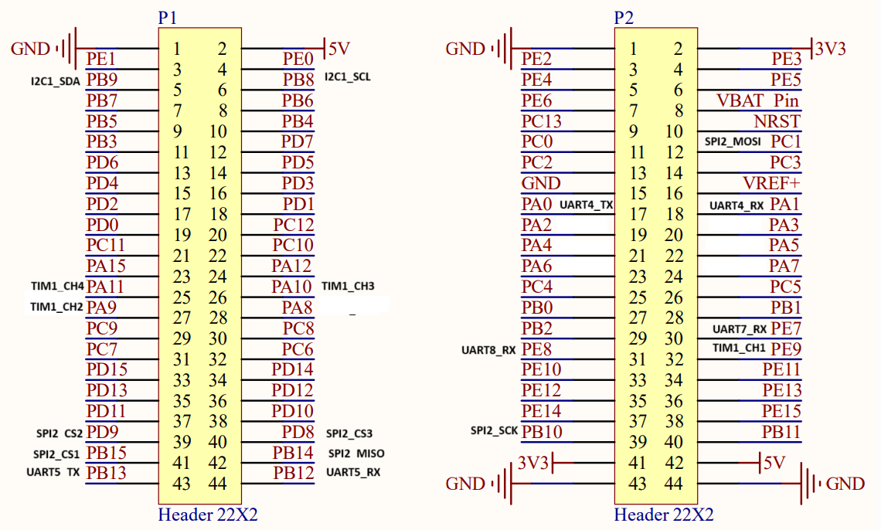
QSPI_BK1_IO3 | PD11 | QSPI/Flash | DCMI_D7 | PE6 |  | UART7_TX | PE8 |  | SPI6_MISO | PA6
QSPI_BK1_IO2 | PD12 |  | DCMI_VSYNC | PB7 |  |  |  |  | SPI6_MOSI | PA7
QSPI_BK1_IO1 | PE2 |  | DCMI_HSYNC | PA4 |  | LED | PE3 | Indicator1
QSPI_BK1_IO0 | PD13 |  | DCMI_PIXCLK | PA6 |  | LED | PE4 | Indicator2 | SPI4 _MOSI | PE14 | Baro
QSPI_CLK | PB2 |  | RCC_MCO_1 | PA8 |  | LED | PE5 | Indicator3 | SPI4 _MISO | PE13
QSPI_BK1_NCS | PB6 |  | I2C1_SCL | PB8 |  |  |  |  | SPI4 _SCK | PE12
 |  |  | I2C1_SDA | PB9 |  |  |  |  | SPI4 _CS1 | PE15
SPIx_MISO | PB4 | SPIx/Flash |  |  |  | I2C1_SCL | PB8 | I2C/LiDAR
SPIx_MOSI | PD7 |  | TIM1_CH2 | PA9 | PWM | I2C1_SDA | PB9 |  | SPI1 _MOSI | PD7 | Oflow/Flash
SPIx_CLK | PB3 |  | TIM1_CH1 | PE9 |  |  |  |  | SPI1 _MISO | PB4
SPIx_CS | PD6 |  | TIM1_CH3 | PA10 |  | ANALOG_IN | PB0 | VBAT | SPI1 _SCK | PB3
 |  |  | TIM1_CH4 | PA11 |  |  |  |  | SPI1 _CS1 | PB5
LCD_SDA | PE14 | TFT LCD | TIM8 | Reserved
LCD_WR_RS | PE13 |  | TIM2 | None | SystikTimer
LCD_SCL | PE12 |  | TIM23 | None | DeltaTimer | ESC-HK3B305 60A 4 in 1 ESC |  |  | DMA | Stream | Purpose
LCD_CS | PE11 |  | TIM5 | None | Scheduler |  |  |  | DMA1 | STREAM_0 , STREAM_1 | SPI4
LCD_LED | PE10 |  | TIM24 | None | GPTimer1(AGT) |  |  |  | DMA1 | STREAM_2 , STREAM_3 | UART5
LCD_RESET | SYS_RESET |  | TIM4 | None | GPTimer2(Mag) |  |  |  | DMA1 | STREAM_4 , STREAM_5 | UART7
 |  |  | TIM3 | None | GPTimer3(Baro) |  |  |  | DMA1 | STREAM_6 , STREAM_7 | SPI2
 |  |  | TIM6(Basic) | NONE | GPTimer4(Spare) |  |  |  | DMA2 | STREAM_0 , STREAM_1 | UART4
 |  |  | TIM7(Basic) | NONE | GPTimer5(Spare) |  |  |  | DMA2 | STREAM_2 , STREAM_3 | I2C1
 |  |  |  |  |  |  |  |  | DMA2 | STREAM_4, STREAM_5 | SPI3
 |  |  |  |  |  |  |  |  | DMA2 | STREAM_7, STREAM_6, STREAM_5, STREAM_4 | TIM1/ PWM ( Unused )
 |  |  |  |  |  |  |  |  | BDMA | CHANNEL_0, CHANNEL_1 | SPI6

Alt-PID tuning guide
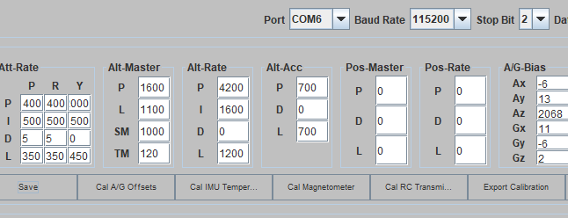
Loop | Gain | Purpose | If Too High | If Too Low | Base Value ( X 1000)- Bit Sluggish | Base Value -2 ( X 1000)-More Snappy
Alt-Master | P | Position: Maps the distance error (cm) to a target velocity. | Jittery height; drone "fights" every tiny barometer drift. | "Floaty" feeling; drone drifts significantly from the target height. | 1500 | 2000
Alt-Master | L (Limit) | Speed Cap: The maximum vertical speed the drone is allowed to travel. | Drone may rocket up too fast when correcting a large error. | Drone feels "stuck" or moves extremely slowly to its target. | 900 | 1200
Alt-Rate | P | Velocity Stiffness: How hard it tries to maintain vertical speed. | Ground Dancing; harsh motor "clicks" and vibrations. | Sluggish; drone feels heavy and takes too long to stop moving. | 3500 | 4200
Alt-Rate | I | Hover Memory: Learns the thrust needed to stay level (gravity compensation). | "Hunting" (slow, rhythmic bobbing up and down). | "Sinking" after a climb; drone won't hold its altitude. | 1400 | 1400
Alt-Rate | L (Limit) | Acceleration Cap: How much "extra" thrust the rate loop can request. | Violent jumps on the ground; risk of fly-away if sensors fail. | Drone cannot stop a fast descent; feels "weak" or "mushy." | 900 | 1100
Alt-Acc | P | Force Reaction: Reacts to wind and instant gravity changes. | High-frequency noise; motors run hot; "chirping" sounds. | Soft/vague hover; drone gets pushed around easily by wind. | 450 | 450
Alt-Acc | L (Limit) | Motor Ceiling: The maximum raw command sent to the mixer from this loop. | Instant, violent motor "punches" that can break props or flip the drone. | The drone "gives up" during high-load maneuvers; fails to hold hover. | 700 | 700
 |  |  |  |  |  | KP 0.125f KI 0.001f

