BOM
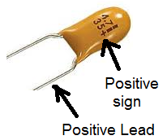
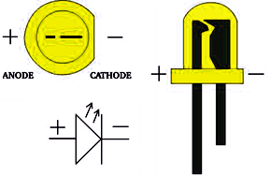
Bill Of Materials for ThermocoupleAmp1

Category | Quantity | References | Value | Description
Capacitors | 1 | C1 | 0.068u | Green Radial Mylar Cap
Capacitors | 2 | C2-C3 | 0.1u | Blue Radial MLCC Cap
Capacitors | 1 | C4 | 10u | Yellow Tant Cap - Polarity Sensitive *
Resistors | 1 | R1 | 255k 1% | Red-Grn-Grn-Oran
Resistors | 1 | R2 | 1K 1% | Brn-Blk-Blk-Brn
Resistors | 1 | R3 | 1K 5% | Brn-Blk-Red
ICs | 1 | U1 | LTC1049-LTK001 | Optional to use w/ socket (included)
ICs | 1 | U2 | LT1025 | Optional to use w/ socket (included)
Diodes | 1 | LED1 | LED-5MM | Clear LED, Polarity Sensitive **
Connectors | 1 | J1 | TBLOCK-M6 | 6 Pin Term Block - Mount with openings towards edge
Connectors | 1 | J2 | TBLOCK-M2 | 2 Pin Term Block - Mount with openings towards edge
Connectors | 1 | J3 | EEBLOXX-3PIN | Mount on Top Side PCB

* Tant Cap Polarity |  |  |  | ** LED Polarity

