BOM
Bill Of Materials for Instrumentation1

Category | Quantity | References | Value
Capacitors | 2 | C1-C2 | 0.1u | Yellow radial capacitors
Capacitors | 2 | C3-C4 | 10u | Yellow Tant Cap - Polarity Sensitive *
Capacitors | 1 | C5 | 1uF | Yellow Tant Cap - Polarity Sensitive *
Capacitors | 2 | C6-C7 |  | As needed for RFI, See app note.
Resistors | 2 | R1-R2 | 4.99K 1%
Integrated Circuits | 1 | U1 | AD8230
Diodes | 2 | D1-D2 | BAV199
Diodes | 1 | LED1 | LED-BLUE-5MM
Connectors | 3 | J1-J3 | TBLOCK-M2
Connectors | 1 | J4 | EEBLOXX-3PIN
Miscellaneous | 2 | RX1-RX2 | See Table
Miscellaneous | 4 | T1-T3,T5 | Mill Max Terminal

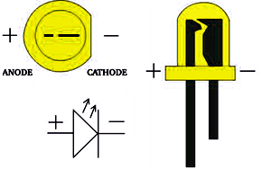

GAIN = 2(1+RX1/RX2)
GAIN | RX1 | RX2 | Actual Gain
2 | 0 | none | 2
10 | 8.06K | 2K | 10
50 | 12.1K | 499 | 50.5
100 | 9.76K | 200 | 99.6
200 | 10K | 100 | 202
500 | 49.9K | 200 | 501
1000 | 100K | 200 | 1002

