CS
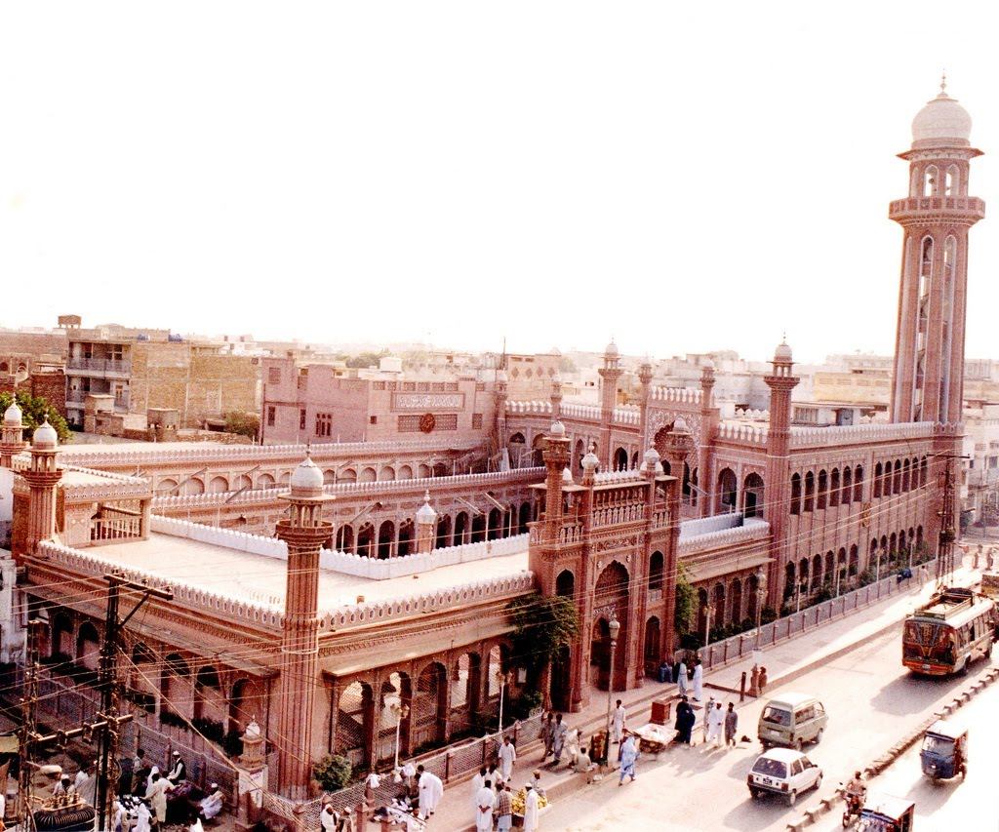
 | Monday [CS] Ver 3 (Updated)
 | 8:00 - 9:30 | 9:30 - 11:00 | 11:00 - 12:30 | 12:30 - 1:45 | ZOHAR PRAYER BREAK | 2:05 - 3:30 | 3:30 - 5:00
Khyber Lab |  |  |  | CL307 - Computer Networks Lab - CS15B Muhammad Siddique | zohar prayer break | CL307 - Computer Networks Lab - CS15B Muhammad Siddique
H. Abdi Lab |  | CL101 - Introduction to Computing Lab - CS17B Kaleem Nawaz Khan
Room VI | CS101 - Introduction to Computing - CS17D Muhammad Nauman |  | CS101 - Introduction to Computing - CS17C Muhammad Nauman | MT115 - Calculus - II - CS-R Imtiaz Bacha |  | MT206 - Probability & Statistics - CS15A Mubashir Qayyum
Room VIII | CS307 - Computer Networks - CS15A Mohammad Tehseen Khan | MG223 - Fundamentals of Management - CS16A Obaidullah Khan | CS531 - Machine Learning - CS14A Usman Habib | CS401 - Artificial Intelligence - CS-R Shoaib Muhammad Khan |  | MT104 - Linear Algebra - CS16A Hamid Khan | SS101 - English Language - CS17D Gulrukh Raees
Room IX | CS422 - Human Computer Interaction - CS14B Muhammad Taimoor Khan | CS307 - Computer Networks - CS15B Mohammad Tehseen Khan | CS309 - Object Oriented Analysis & Design - CS15A Muhammad Taimoor Khan | EE182 - Basic Electronics - CS17A Muhammad Waqas |  | CS507 - Theory of Programming Languages - MSCS Shakir ullah shah | MT104 - Linear Algebra - CS16B Hamid Khan
Room X | MG316 - Project Management - CS14A Zeb Khan |  | CS201 - Data Structures - CS16A Fazl-e-Basit | SS111 - Islamic & Religious Studies - CS17B Mufti Nadeem Ahmad |  | SS111 - Islamic & Religious Studies - CS17A Mufti Nadeem Ahmad
Room XI | EE182 - Basic Electronics - CS17B Muhammad Waqas |  | SS101 - English Language - CS17A Gulrulkh Raees
Room XII | CS211 - Discrete Structures - CS16A Nouman Azam |  |  |  |  |  | EE502 - Advanced Computer Architecture - MSCS Muhammad Amin
CALL LAB | SL101 - English Language Lab - CS17C Sonia Sakhawat Hussain
 | Tuesday [CS] Ver 3 (Updated)
 | 8:00 - 9:30 | 9:30 - 11:00 | 11:00 - 12:30 | 12:30 - 1:45 | ZOHAR PRAYER BREAK | 2:05 - 3:30 | 3:30 - 5:00
Khyber Lab |  |  | CL101 - Introduction to Computing Lab - CS17A Kaleem Nawaz Khan |  | zohar prayer break
H. Abdi Lab | CL307 - Computer Networks Lab - CS15A Muhammad Siddique |  |  |  |  | EL213 - Comp. Organization & Assembly Lang. Lab - CS16A Muhammad Yousaf
Room VI |  | MT101 - Calculus - I - CS17B M.Tariq Rahim | SS101 - English Language - CS17B Gulrulkh Raees |  |  | MT101 - Calculus - I - CS17A M.Tariq Rahim
Room VIII | CS101 - Introduction to Computing - CS17A Muhammad Nauman | SS101 - English Language - CS17A Gulrulkh Raees | CS301 - Theory of Automata - CS15A Shakir Ullah Shah | MT115 - Calculus - II - CS-R Imtiaz Bacha |  | CS508 - Bio-Informatic s - PHD(CS) Hafeez Ur Rehman | CS307 - Computer Networks - CS15A Mohammad Tehseen Khan
Room IX | CS211 - Discrete Structures - CS16A Nouman Azam | CS531 - Machine Learning - CS14A Usman Habib | CS460 - Introduction to Bioinformatics - CS14A Hafeez Ur Rehman | SS111 - Islamic & Religious Studies - CS17D Hafiz Abid ur Rehman |  | MT206 - Probability & Statistics - CS15B Mubashir Qayyum
Room X |  | CS201 - Data Structures - CS16A Fazl-e-Basit | CS211 - Discrete Structures - CS16B Nouman Azam | CS429 - Data Mining - CS15A Shoaib Muhammad Khan |  | CS319 - Applied Programming - MSCS Fazl-e-Basit | CS505 - Advanced Operating Systems - MSCS Fazl-e-Basit
Room XI |  |  | EE182 - Basic Electronics - CS17C Muhammad Waqas | MT101 - Calculus - I - CS17C Yousaf Khurshid |  |  | EE204 - Computer Architecture - CS14B Muhammad Amin
Room XII |  |  |  |  |  | SS101 - English Language - CS17C Gulrulkh Raees | CS636 - Rough Sets With Applications - PHD(CS) Nouman Azam
CALL LAB |  | SL101 - English Language Lab - CS17D Sonia Sakhawat Hussain
 | Wednesday [CS] Ver 3 (Updated)
 | 8:00 - 9:30 | 9:30 - 11:00 | 11:00 - 12:30 | 12:30 - 1:45 | ZOHAR PRAYER BREAK | 2:05 - 3:30 | 3:30 - 5:00
Khyber Lab | CL101 - Introduction to Computing Lab - CS17C Kaleem Nawaz Khan |  |  |  | zohar prayer break
H. Abdi Lab |  | CL103 - Computer Programming Lab - CS-R Muhammad Yousaf
Room VI | CS101 - Introduction to Computing - CS17D Muhammad Nauman |  |  | MT101 - Calculus - I - CS17C Yousaf Khurshid |  | SS111 - Islamic & Religious Studies - CS17A Mufti Nadeem Ahmad | CS429 - Data Mining - CS15B Shoaib Muhammad Khan
Room VIII | CS103 - Computer Programming - CS-R Shoaib Muhammad Khan |  | CS401 - Artificial Intelligence - CS-R Shoaib Muhammad Khan | CS101 - Introduction to Computing - CS17B Muhammad Nauman |  | MG223 - Fundamentals of Management - CS16B Obaidullah Khan | SS111 - Islamic & Religious Studies - CS17D Hafiz Abid ur Rehman
Room IX |  |  | MT206 - Probability & Statistics - CS15B Mubashir Qayyum |  |  | CS629 - Network and Graph Theory - PHD(CS) Omar Usman | CS629 - Network and Graph Theory - PHD(CS) Omar Usman
Room X |  | CS429 - Data Mining - CS15A Shoaib Muhammad Khan |  | CS211 - Discrete Structures - CS16B Nouman Azam |  | CS319 - Applied Programming - MSCS Fazl-e-Basit
Room XI | EE182 - Basic Electronics - CS17B Muhammad Waqas |  |  |  |  | EE182 - Basic Electronics - CS17D Muhammad Waqas
Room XII | EE213 - Comp. Organization & Assembly Lang. - CS16A Mohammad Tehseen Khan |  |  | CS460 - Introduction to Bioinformatics - CS14A Hafeez Ur Rehman |  | EE204 - Computer Architecture - CS14B Muhammad Amin
CALL LAB | SL101 - English Language Lab - CS17A Safiyya Ihsan
 | Thursday [CS] Ver 3 (Updated)
 | 8:00 - 9:30 | 9:30 - 11:00 | 11:00 - 12:30 | 12:30 - 1:45 | ZOHAR PRAYER BREAK | 2:05 - 3:30 | 3:30 - 5:00
Khyber Lab |  |  |  |  | zohar prayer break | MG316 - Project Management - CS14B Yourid
H. Abdi Lab | CL309 - Object Oriented Analysis & Design Lab - CS15A Waqas Ali
Room VI | MT101 - Calculus - I - CS17A M.Tariq Rahim | CS101 - Introduction to Computing - CS17A Muhammad Nauman |  | MT101 - Calculus - I - CS17B M.Tariq Rahim |  | SS101 - English Language - CS17D Gulrukh Raees | CS429 - Data Mining - CS15B Shoaib Muhammad Khan
Room VIII |  | SS101 - English Language - CS17C Gulrulkh Raees | SS101 - English Language - CS17B Gulrulkh Raees | MT104 - Linear Algebra - CS16A Hamid Khan |  | MT206 - Probability & Statistics - CS15A Mubashir Qayyum
Room IX |  | CS103 - Computer Programming - CS-R Omar Usman | EE182 - Basic Electronics - CS17D Muhammad Waqas |  |  | EE182 - Basic Electronics - CS17A Muhammad Waqas | CS507 - Theory of Programming Languages - MSCS Shakir ullah shah
Room X |  | EE204 - Computer Architecture - CS14A Muhammad Amin |  | EE402 - Digital Image Processing - CS15A Hafeez Ur Rehman |  | CS505 - Advanced Operating Systems - MSCS Fazl-e-Basit
Room XI | MT101 - Calculus - I - CS17D Yousaf Khurshid |  | CS307 - Computer Networks - CS15B Mohammad Tehseen Khan | MG223 - Fundamentals of Management - CS16B Obaidullah Khan |  | SS111 - Islamic & Religious Studies - CS17B Mufti Nadeem Ahmad
Room XII | CS422 - Human Computer Interaction - CS14A Muhammad Taimoor Khan |  |  | SS111 - Islamic & Religious Studies - CS17C Mufti Nadeem Ahmad |  | CS636 - Rough Sets With Applications - PHD(CS) Nouman Azam | CS622 - Advanced Machine Learning - PHD(CS) Usman Habib
CALL LAB | SL101 - English Language Lab - CS17B Safiyya Ihsan
 | Friday [CS] Ver 3 (Updated)
 | 8:00 - 9:30 | 9:30 - 11:00 | 11:00 - 12:30 | Jumma Prayers |  | 2:05 - 3:30 | 3:30 - 5:00
Khyber Lab
H. Abdi Lab | CL101 - Introduction to Computing Lab - CS17D Muhammad Yousaf
Room VI | EE204 - Computer Architecture - CS14A Muhammad Amin | CS301 - Theory of Automata - CS15A Shakir Ullah Shah | EE402 - Digital Image Processing - CS15A Hafeez Ur Rehman |  |  | MG316 - Project Management - CS14A Zeb Khan | EE213 - Comp. Organization & Assembly Lang. - CS16A Mohammad Tehseen Khan
Room VIII | CS101 - Introduction to Computing - CS17B Muhammad Nauman |  | CS101 - Introduction to Computing - CS17C Muhammad Nauman |  |  | SS111 - Islamic & Religious Studies - CS17C Mufti Nadeem Ahmad
Room IX | EE182 - Basic Electronics - CS17C Muhammad Waqas | MG223 - Fundamentals of Management - CS16A Obaidullah Khan |  |  |  | CS622 - Advanced Machine Learning - PHD(CS) Usman Habib
Room X | CS309 - Object Oriented Analysis & Design - CS15A Muhammad Taimoor Khan |  |  |  |  |  | CS508 - Bio-Informatic s - PHD(CS) Hafeez Ur Rehman
Room XI |  | CS422 - Human Computer Interaction - CS14B Muhammad Taimoor Khan |  |  |  | MG316 - Project Management - CS14B Yourid | MT101 - Calculus - I - CS17D Yousaf Khurshid
Room XII |  |  | MT104 - Linear Algebra - CS16B Hamid Khan |  |  | EE502 - Advanced Computer Architecture - MSCS Muhammad Amin | CS422 - Human Computer Interaction - CS14A Muhammad Taimoor Khan
CALL LAB

