Sheet1
 | RAM | Memory | Power Supply | Case
 | Name | Name | Name | Name
 | Type | Capacity | Type | Dimensions
 | Speed | Type | Wattage | Price
Processor | Module | NVME | Length | Link
Name | Price | Price | Price
Socket | Link | Link | Link
Core |  |  |  |  | Component
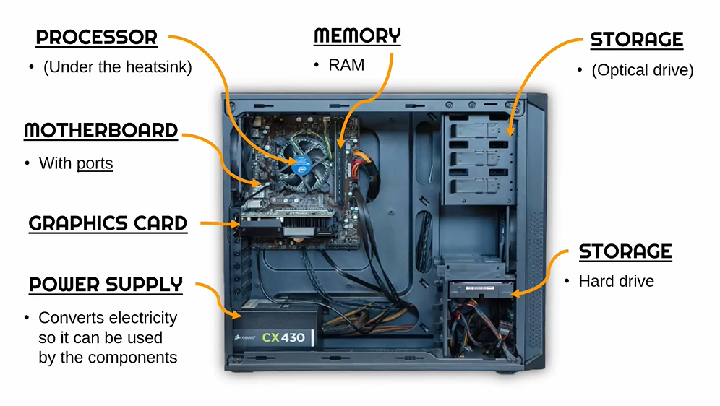
Clock |  |  |  |  | Processor
Boost |  |  |  |  | Motherboard
Thread |  |  |  |  | Graphic card
Price |  |  |  |  | RAM
Link |  |  |  |  | Memory
 |  |  |  |  | Power Supply
Motherboard |  |  |  |  | Case
Name
Socket
Max Memory
Memory Slot
Memory type
PCIe
USB2.0
USB 3.2
Price
Link

Graphic card
Name
Memory
Memory Type
Core clock
Interface
Cooling
Price
Link

