Overview
Source |  | RAM |  | Memory |  | Power Supply |  | Case
Max price |  | Name | Corsair - CMW32GX4M2Z3600C18 | Name | Kingston - SNV2S/1000G | Name | MSI - MAG A650BN | Name | Corsair - ATX Mid Tower
 |  | Type | DDR4 | Capcity | 1 TB | Type | ATX | Dimension | 453 mm x 230 mm x 466 mm
 |  | Speed | 3600 | Type | SSD | Wattage | 650W | Price | 137
Processor |  | Module | 2 x 16GB | NVME | Yes | Length | 140 mm | Link
Name | Ryzen 5 5500 | Price | $59.00 | Price |  | Price
Socket | AM4 | Link |  | Link |  | Link
Core | 6 |  |  |  |  |  |  |  | Component | Change
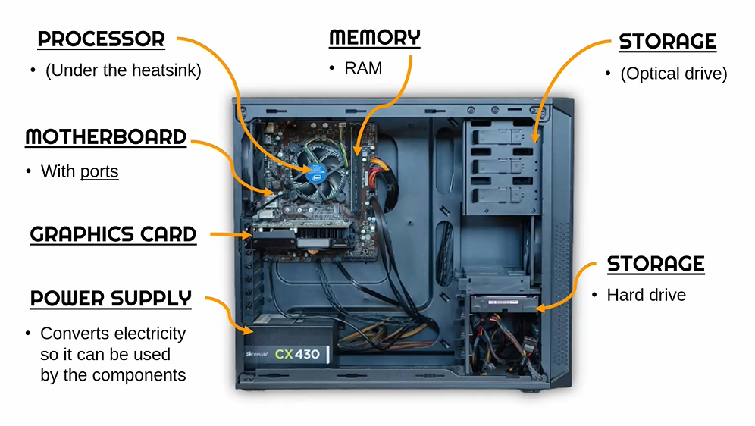
Clock | 3.6 GHz |  |  |  |  |  |  |  | Processor | Yes
Boost | 4.2 GHz |  |  |  |  |  |  |  | Motherboard | Yes
Thread | 12 |  |  |  |  |  |  |  | Graphic card | Yes
Price | 90 |  |  |  |  |  |  |  | RAM | Yes
Link |  |  |  |  |  |  |  |  | Memory | Yes
 |  |  |  |  |  |  |  |  | Power Supply | Yes
Motherboard |  |  |  |  |  |  |  |  | Case | Yes
Name | MSI A520M A-Pro
Socket | AM4
Max memory | 64
Memory slot | 2
Memory type | DDR4
PCIe | 16
USB 2.0 Headers | 2
USB 3.2 Gen 1 Headers | 1
Price
Link

Graphic card
Name | AMD - Radeon RX 7600
Memory | 8 GB
Memory Type | GDDR6
Core Clock | 1729 Mhz
Interface | PCIe x16
Cooling | 2 Fans
Price
Link

