SW Connection Diagram
HW INPUTS
SOFTWARE

INPUT FILTER, SCALING, DIAG
OUTPUT LAYER
ANALOG
mA_LEFT
Filter
HW OUTPUTS

mA_RIGHT
Filter
MotorControl LEFT
with ZeroCrossing
MOTOR LEFT

SPEED POT
POT to PotScale (failsafe to SLOW)
DRIVE: ERROR CONTROLLER (PID)
with RateLimit Protection
MOTOR RIGHT

JOYSTICKS
joyProcessing
Filter, Diag, Initialize & Center (failsafe to Center)
ONBOARD
Polar (AR) to Mix mixL/mixR
and
Scale
Target Speed LEFT
(modified by downrate if applicable)
Filter
UI_Select
(or blend?)
with "healthcheck" protection
Failsafe to NONE (OFF)
Cartesian (XY) to Polar Coordinates (AR)
Filter
TETHER
Filter
BRAKING: TBD

Filter

COM
RF REMOTE
MotorControl RIGHT
with ZeroCrossing

BLUETOOTH
DRIVE: ERROR CONTROLLER (PID)
with RateLimit Protection

DIGITAL
ONBOARD
BUTTON
Target Speed RIGHT

TETHER
BUTTON

BRAKING: TBD
JOY SELECT

joyProcessing
General:
Scale Inputs to Operational SW "standard"
Filter incoming signals from noise to protect Operational SW
Determine Health of each signal (protect for faulty input: noise and/or disconnect)
Special Cases can be handled in custom Input layer
 | This may include specific logic and/or processing to obtain desired control
 | ex.: Roch Unit with Wobble switch on OccX and ParentOverride on OccY inputs to determine which input(s) and how to use for "Occupant Mode"

Funtion: | inputs: | Actions | Returns:

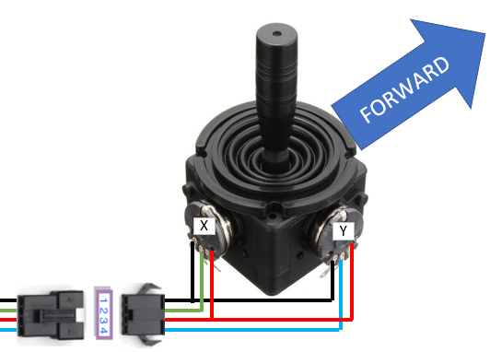
FIGURE 1: XY Joystick Configuration
No Special Case
Declarations:
Process Analog 2-Axis Joystick (convert XY to AR)
// "Convert 2Axis channel (XY) to Angle/Radius (AR) and
Calculate & Report Signal Health"
Entry: Health == 0; Set default Center(s)
During:
Determine if out of range (and reduce health)
Determine if noise (and reduce Health)
Increment Health if no noise or out of range
Filter incoming signals
Calculate "Center" from filtered X&Y when close to center and not moving
Calculate deltaX&Y relative to Center
Calc Angle and Radius from deltaX&Y
NOTES:
Do not pass AR if learn hasn't occured (ie learncount<TBD)
Reset learn count to 0 if Health goes bad
STANDARD: X: (-) LEFT (+) RIGHT; Y: (-) REVERSE (+) FORWARD
1, 2, 3 and 4 Switch configurations can also use this input processing method if configured in resistive ladder shown in Figure 2
No Special Case

Single or Double Occupant Button/Switch
(Forward or Forward+Backward) + Tether Steering
// "Give Occupant direct ability to create motion AND determine Forard/Backward, while giving steering ability to parent/guardian. Allow full parental override upon request"
Entry:
During:
IF Parent Override Button
THEN Occupant X&Y according to Tether (Left/Right but not forward/back)
ELSE Set Occupant X according to Occupant & Y according to Tether
NOTES:
Health is based on Tether as exit condition, Bad health from Occupant results in TBD (currently just goes to radius =0).
Requires Buttons to be wired as in Figure 2 AND Dedicated Parent Override button

Process Wobble Switch with Tether Steering
ROCH UNIT (ONE-OFF unit to use JoyOcc X&Y inputs for switches)
// "Give Occupant direct ability to create motion, while giving steering ability to parent/guardian. Allow full parental override upon request"
Entry:
During:
IF Parent Override == true
THEN Set Occupant Angle & Radius according to Tether
ELSE Set Occupant Radius according to Occupant but Angle according to Tether
NOTES:
Health is based on Tether as exit condition, Bad health from Occupant results in TBD (currently just goes to radius =0).
Requires Wobble switch wired to OccX and Parent Override wired to OccY

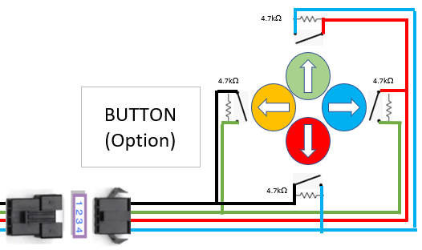
FIGURE 2: Button Configuration
Any button may be use in any combination as long as all resistors are placed
(ex. ALL (as shown), Forward Only, Forward & Back Only, Forward, Left & Right Only)

 |  |  |  | `

UI_Select
General:
Select which input method to use based on swicth inputs and input health. Manage debounces to ensure no unintended motion and provide smooth transitions between inputs
Funtion: | inputs: | Actions | Returns:

OFF
// "Shut down all movement"
Entry:
Smoothly and quickly ramp radius down to 0
During: monitor status of requested UImode

Fault on activeUI OR change in modeReq
No fault on requested mode AND input from requested mode is debounced "at Zero"

Declarations:
Public

ACTIVE
// "Send Angle and Radius according to Mode"
Entry: modeReq_prev = modeReq
9 ROCH UNIT
Single Occupant Button/Switch (Forward) + Tether Steering
// "Give Occupant direct ability to create motion, while giving steering ability to parent/guardian. Allow full parental override upon request"
This mode uses Occupant X for Wobble Switch and Occupant Y for Parent Override
Entry:
During:
IF Parent Override Button THEN Radius & Angle according to Tether ELSE Set Radius according to Occupant & Angle according to Tether
NOTES:
1) If Parent joystick close to center, determining direction is unreliable, so set angle to "forward" (0 deg)
2) Health is based on Tether as exit condition, Bad health from Occupant results in TBD (currently just goes to radius =0).
Joysticks
 | Onboard
 | Tether
0 (Occupant)
// "send Angle & Radius"
Entry: set connection to requested input mode
During: set AR to whichever UI joystick is selected IF health is good and no new request (aka modeReq vs modeReq_prev)
Buttons & switches
 | Joy Select (Main) on backpack
 | Tether Button/Parent Override (5th wire on tether joystick)
 | Occupant Forward

1 (Tether)
// "send Angle & Radius"
Entry: set connection to requested input mode
During: set AR to whichever UI joystick is selected IF health is good and no new request (aka modeReq vs modeReq_prev)

2 (OTHER)
// "send Angle & Radius"
Entry: set connection to requested input mode
During: set AR to whichever UI joystick is selected IF health is good and no new request (aka modeReq vs modeReq_prev)

Double Occupant Button/Switch (Forward+Backward) + Tether Steering
// "Give Occupant direct ability to create motion AND determine Forard/Backward, while giving steering ability to parent/guardian. Allow full parental override upon request"
This Mode requires dedicated Parent Override
Entry:
During:
IF Parent Override Button THEN Radius & Angle according to Tether (Left/Right but not forward/back) ELSE Set Radius according to Occupant & Angle according to Tether
NOTES:
1) If Parent joystick close to center, determining direction is unreliable, so set angle to "forward" (0 deg)
2) Health is based on Tether as exit condition, Bad health from Occupant results in TBD (currently just goes to radius =0).

 |  |  |  | `

Polar to Mix
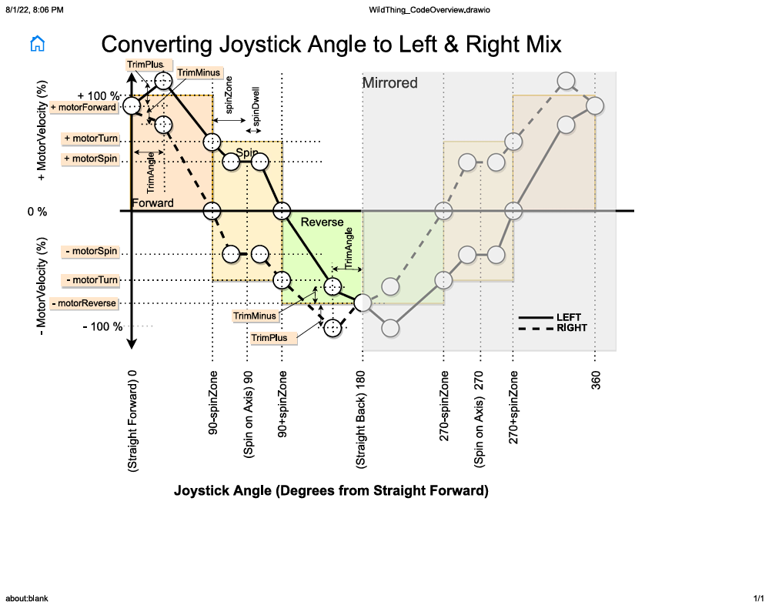
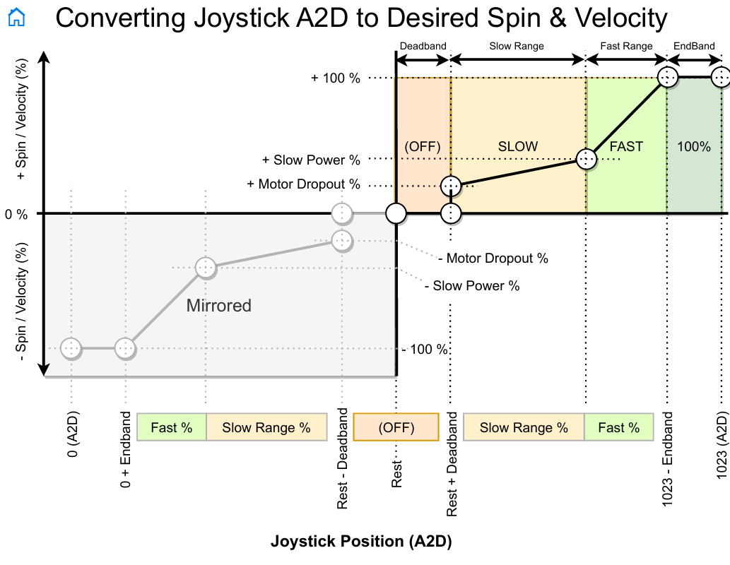
Radius

Radius

MotorControl
BRAKE
BRAKE
STOP
DRIVE
DRIVE
Direction Pos
Direction Neg
Current+
Current-
STOP
// "Ramp up the Brake to MaxBrake and Hold for a debounced time unless driving in the same direction again"
Entry: PID=0; Brake=0;
DirPrev = Dir; PrevMotorState =MotorState; MotorState =Stop;
During: BRAKE = Ramp Up to MaxBrake
Funtion: | inputs: | Actions | Returns:
Run | Target (speed); Actual (speed); | Calculate % to drive or brake motor based on Target and Actual | Status {Stop, Active} Mode {Drive, Brake} Pct (%)
Reset | n/a | Restart Function at STOP | n/a
Enable | enum_Feature {brake4overspeed, rateLimit}, True/False | enable/disable function | n/a
isDebounced(
Target == O OR in the opposite direction
)
Set | enum_Var {BrakeTime, rateLimInc, rateLimDec, errorTol}, value | set desired variable to desired value | n/a
Target !=0
AND(
DirPrev ==Dir OR
isDebounced(MaxBrake isReached)
)
SetPID | Kp, Ki, Kd, iForget

Declarations:
Public
ACTIVE
// "PID Error Controlled on Speed OR Braking if overspeed"
Entry: Dir =Sign(VelReq);

DRIVE
// "Drive with PID (Error Controlled on Speed)"
Entry: Reset PID;
Calc current(and speed) (with TBD %DC for TBD time);
PrevMotorState =MotorState; MotorState =Drive;
During:
PID on Error (Target-Actual) (rate Limited); //Direction depends on Dir
Brake -=BrakeDecel; // decrement brake each loop - Limited to 0

Actual > Target +Tol
Elapsed time >=BrakeTime

BRAKE
// "Increase Brake until VelReq achieved, Apply Brake @TBD% for TBDTime"
Entry: PID =0;
PrevMotorState =MotorState; MotorState =Brake;
Brake +=BrakeAccel; // inc brake at each entry Limited to BrakeMax
During:
Set Brake at TBD & hold for BrakeTime

