Amino Acids
# | Amino Acid | Name | Chirality | SMILES | Molecule
1 | H | L-Histidine | L | N[C@@H](CC=1NC=NC1)C(=O)O
2 | h | D-Histidine | D | N[C@H](CC=1NC=NC1)C(=O)O
3 | R | L-Arginine | L | N[C@@H](CCCNC(N)=N)C(=O)O
4 | r | D-Arginine | D | N[C@H](CCCNC(N)=N)C(=O)O
5 | K | L-Lysine | L | N[C@@H](CCCCN)C(=O)O
6 | k | D-Lysine | D | N[C@H](CCCCN)C(=O)O
7 | I | L-Isoleucine | L | N[C@H]([C@@H](C)(CC))C(=O)O
8 | i | D-Isoleucine | D | N[C@@H]([C@H](C)(CC))C(=O)O
9 | F | L-Phenylalanine | L | N[C@@H](Cc1ccccc1)C(=O)O
10 | f | D-Phenylalanine | D | N[C@H](Cc1ccccc1)C(=O)O
11 | L | L-Leucine | L | N[C@@H](CC(C)C)C(=O)O
12 | l | D-Leucine | D | N[C@H](CC(C)C)C(=O)O
13 | W | L-Tryptophan | L | N[C@H](Cc1c[nH]c2ccccc12)C(=O)O
14 | w | D-Tryptophan | D | N[C@@H](Cc1c[nH]c2ccccc12)C(=O)O
15 | A | L-Alanine | L | N[C@@H](C)C(=O)O
16 | a | D-Alanine | D | N[C@H](C)C(=O)O
17 | M | L-Methionine | L | N[C@@H](CCSC)C(=O)O
18 | m | D-Methionine | D | N[C@H](CCSC)C(=O)O
19 | P | L-Proline | L | N1CCC[C@H]1C(=O)O
20 | p | D-Proline | D | N1CCC[C@@H]1C(=O)O
21 | C | L-Cysteine | L | N[C@H](CS)C(=O)O
22 | c | D-Cysteine | D | N[C@@H](CS)C(=O)O
23 | N | L-Asparagine | L | NC(=O)C[C@H](N)C(=O)O
24 | n | D-Asparagine | D | NC(=O)C[C@@H](N)C(=O)O
25 | V | L-Valine | L | N[C@H](C(C)C)C(=O)O
26 | v | D-Valine | D | N[C@@H](C(C)C)C(=O)O
27 | G | Glycine | L | NCC(=O)O
28 | S | L-Serine | L | N[C@H](CO)C(=O)O
29 | s | D-Serine | D | N[C@@H](CO)C(=O)O
30 | Q | L-Glutamine | L | N[C@@H](CCC(=O)N)C(=O)O
31 | q | D-Glutamine | D | N[C@H](CCC(=O)N)C(=O)O
32 | Y | L-Tyrosine | L | N[C@@H](Cc1ccc(O)cc1)C(=O)O
33 | y | D-Tyrosine | D | N[C@H](Cc1ccc(O)cc1)C(=O)O
34 | D | L-Aspartic Acid | L | N[C@@H](CC(=O)O)C(=O)O
35 | d | D-Aspartic Acid | D | N[C@H](CC(=O)O)C(=O)O
36 | E | L-Glutamic Acid | L | N[C@@H](CCC(=O)O)C(=O)O
37 | e | D-Glutamic Acid | D | N[C@H](CCC(=O)O)C(=O)O
38 | T | L-Threonine | L | N[C@@H]([C@@H](O)C)C(=O)O
39 | t | D-Threonine | D | N[C@H]([C@H](O)C)C(=O)O
40 | {h-S} | L-homoserine | L | N[C@@H](C(CO))C(=O)O
41 | {h-s} | D-homoserine | D | N[C@H](C(CO))C(=O)O
42 | {(N-me)-A} | N-Methyl-L-Alanine | L | N(C)[C@@H](C)C(=O)O
43 | {(N-me)-a} | N-Methyl-D-Alanine | D | N(C)[C@H](C)C(=O)O
44 | {acm-C} | S-(Acetamidomethyl)-L-cysteine | L | N[C@@H](CS(CNC(=O)C))C(=O)O
45 | {acm-c} | S-(Acetamidomethyl)-D-cysteine | D | N[C@H](CS(CNC(=O)C))C(=O)O
46 | {me-Y} | O-Methyl-L-tyrosine | L | N[C@@H](Cc1ccc(OC)cc1)C(=O)O
47 | {me-y} | O-Methyl-D-tyrosine | D | N[C@H](Cc1ccc(OC)cc1)C(=O)O
48 | {dime-Y} | 2,6-Dimethyl-L-tyrosine | L | N[C@@H](Cc1c(C)cc(O)cc(C)1)C(=O)O
49 | {dime-y} | 2,6-Dimethyl-D-tyrosine | D | N[C@H](Cc1c(C)cc(O)cc(C)1)C(=O)O
50 | {PEG4} | PEG4 |  | (CCOCCOCCOCCOC(=O)O)
51 | {PEG2} | PEG2 |  | (CCOCCOC(=O)O)
52 | {PEG4[CH2]} | PEG4(CH2) |  | (CCOCCOCCOCCOCC(=O)O)
53 | {PEG2[CH2]} | PEG2(CH2) |  | (CCOCCOCC(=O)O)
54 | {PEG4[CH2CH2]} | PEG4(CH2CH2) |  | (CCOCCOCCOCCOCCC(=O)O)
55 | {PEG2[CH2CH2]} | PEG2(CH2CH2) |  | (CCOCCOCCC(=O)O)
56 | {PEG2[CH2CH2]N3} | {PEG2[CH2CH2]N3} |  | (CCOCCOCC[N]=[N+]=[N-])
57 | {I-PEG2[CH2]} | L-Ile-PEG4(CH2CH2) | L | N[C@H]([C@H](C)(CC))C(=O)O(CCOCCOCC(=O)O)
58 | {i-PEG2[CH2]} | D-Ile-PEG4(CH2CH2) | D | N[C@@H]([C@H](C)(CC))C(=O)O(CCOCCOCC(=O)O)
59 | {i-PEG4[CH2CH2]} | D-Ile-PEG4(CH2CH2) | D | N[C@@H]([C@H](C)(CC))C(=O)O(CCOCCOCCOCCOCCC(=O)O)
60 | {i-PEG2[CH2CH2]} | D-Ile-PEG2(CH2CH2) | D | N[C@@H]([C@H](C)(CC))C(=O)O(CCOCCOCCC(=O)O)
61 | {i-PEG2[CH2CH2]N3} | D-Ile-{PEG2[CH2CH2]N3} | D | N[C@@H]([C@H](C)(CC))C(=O)O(CCOCCOCC[N]=[N+]=[N-])
62 | {I-PEG4[CH2CH2]} | L-Ile-PEG4(CH2CH2) | L | N[C@H]([C@H](C)(CC))C(=O)O(CCOCCOCCOCCOCCC(=O)O)
63 | {I-PEG2[CH2CH2]} | L-Ile-PEG2(CH2CH2) | L | N[C@H]([C@H](C)(CC))C(=O)O(CCOCCOCCC(=O)O)
64 | {I-PEG2[CH2CH2]N3} | L-Ile-{PEG2[CH2CH2]N3} | L | N[C@H]([C@H](C)(CC))C(=O)O(CCOCCOCC[N]=[N+]=[N-])
65 | {me-T} | N-Methyl-L-Threonine​ | L | N(C)[C@H]([C@H](O)C)C(=O)O
66 | {me-t} | N-Methyl-D-Threonine​ | D | N(C)[C@@H]([C@H](O)C)C(=O)O
67 | {d-Abu} | Gamma-Aminobutyric Acid | D | NCCCC(=O)O
68 | {allo-T} | L-Allothreonine | L | N[C@@H]([C@H](O)C)C(=O)O
69 | {allo-t} | D-Allothreonine | D | N[C@H]([C@@H](O)C)C(=O)O
70 | {nap-A} | 3-(2-Naphthyl)-L-alanine | L | N[C@@H](C(C1=CC2=CC=CC=C2C=C1))C(=O)O
71 | {nap-a} | 3-(2-Naphthyl)-D-alanine | D | N[C@H](C(C1=CC2=CC=CC=C2C=C1))C(=O)O
72 | {biotin} | Biotin |  | S1C[C@@H]2NC(=O)N[C@@H]2[C@@H]1CCCCC(=O)O
73 | {k-biotin} | Biotin-D-Lysine | D | N[C@H](CCCCNC(=O)CCCC[C@@H]1[C@@H]2NC(=O)N[C@@H]2CS1)C(=O)O
74 | {biotin-r} | Biotin-D-Arginine | D | N(C(=O)CCCC[C@H]1[C@H]2NC(=O)N[C@H]2CS1)[C@H](CCCNC(N)=N)C(=O)O
75 | {(biotin-Ahx)-r} | Biotin-ahx-D-Arg | D | N(C(=O)CCCCCNC(=O)CCCC[C@H]1[C@H]2NC(=O)N[C@H]2CS1)[C@H](CCCNC(N)=N)C(=O)O
76 | {k-(4-Bba)} | 4-Bromobenzylamine-Lys | D | N[C@H](CCCCNCC=1C=CC(Br)=CC1)C(=O)O
77 | {(4-Bba)-r} | 4-Bromobenzylamine-Arg | D | N(CC=1C=CC(Br)=CC1)[C@H](CCCNC(N)=N)C(=O)O
78 | {F-(4-N3)} | 4-Azido-L-Phe | L | N[C@@H](Cc1ccc([N]=[N+]=[N-])cc1)C(=O)O
79 | {f-(4-N3)} | 4-Azido-D-Phe | D | N[C@H](Cc1ccc([N]=[N+]=[N-])cc1)C(=O)O
80 | {a-N3} | Azido-D-Ala | D | N[C@H](C([N]=[N+]=[N-]))C(=O)O
81 | {d-pentanoic(N3)} | D-azido pentanoic acid | D | N[C@@H](CCCN(=[N+]=[N-]))C(=O)O
82 | {r-NO2} | Nitro-D-Arg | D | N[C@H](CCCNC(=N)N([N+](=O)[O-]))C(=O)O
83 | {ac} | Acetylation |  | (C(=O)C)
84 | {k-ac} | N-Acetyl-D-Lys | D | N[C@H](CCCCN(C(=O)C))C(=O)O
85 | {d-Cit} | D-Citrulline | D | N[C@@H](CCCNC(N)=O)C(=O)O
86 | {h-p} | D-homoPro | D | N1CCC[C@@H]1CC(=O)O
87 | {h-R} | L-homoArg | L | N[C@@H](CCCCN=C(N)N)C(=O)O | 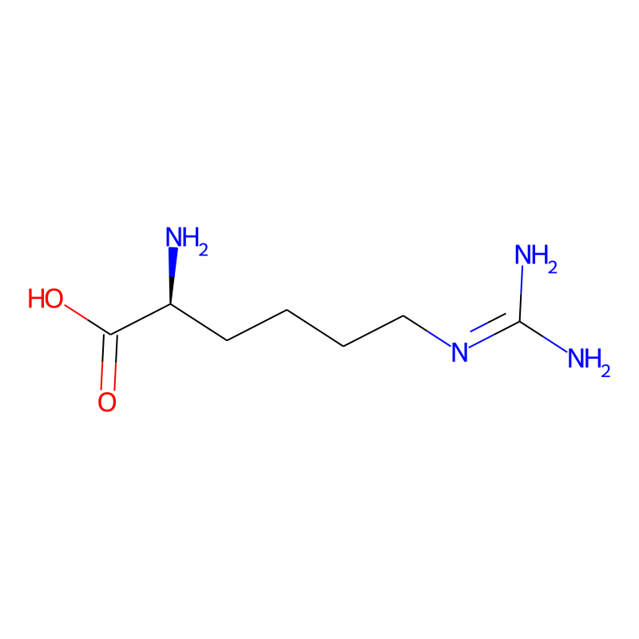
88 | {h-r} | D-homoArg | D | N[C@H](CCCCN=C(N)N)C(=O)O | 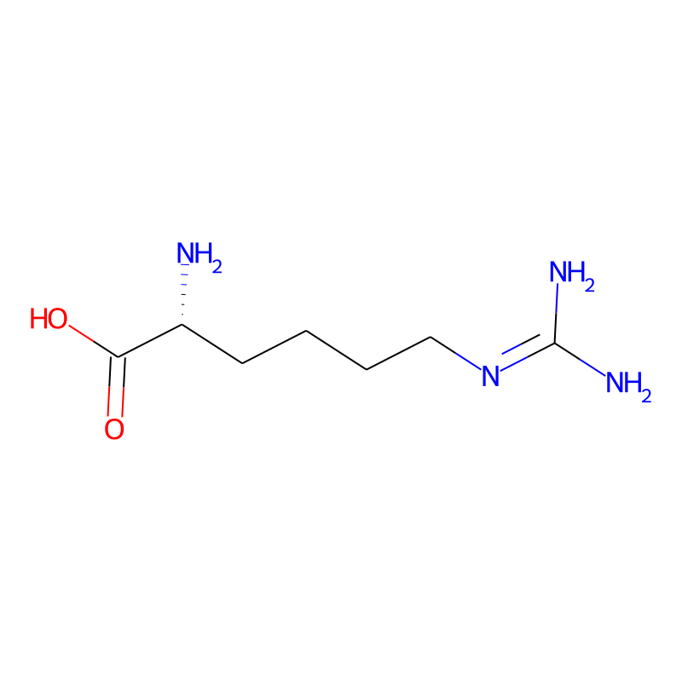
89 | {nor-r} | D-NorArg | D | N[C@H](CCNC(N)=N)C(=O)O
90 | {photo-L} | L-Photo-Leu | L | N[C@@H](CC(C)1N=N1)C(=O)O
91 | {photo-l} | D-Photo-Leu | D | N[C@H](CC(C)1N=N1)C(=O)O
92 | {photo-M} | D-Photo-Met | L | N[C@@H](CCC(C)1N=N1)C(=O)O
93 | {Pra} | L-Propargylglycine | L | N(CC#C)C(=O)O
94 | {FITC-Ahx} | Fluorescein isothiocyanate + 6-aminohexanoic acid spacer | L | N(C(=S)N(C1=CC=C(C2=C1C(=O)OC23C4=C(C=C(C=C4)O)OC5=C3C=CC(=C5)O)))CCCCCC(=O)O
95 | {am} | Amidiation |  | N
96 | {p-carboxyl-F} | L-Para-Carboxyl-Phe | L | N[C@@H](CC1C=CC(C(=O)O)=CC=1)C(=O)O | 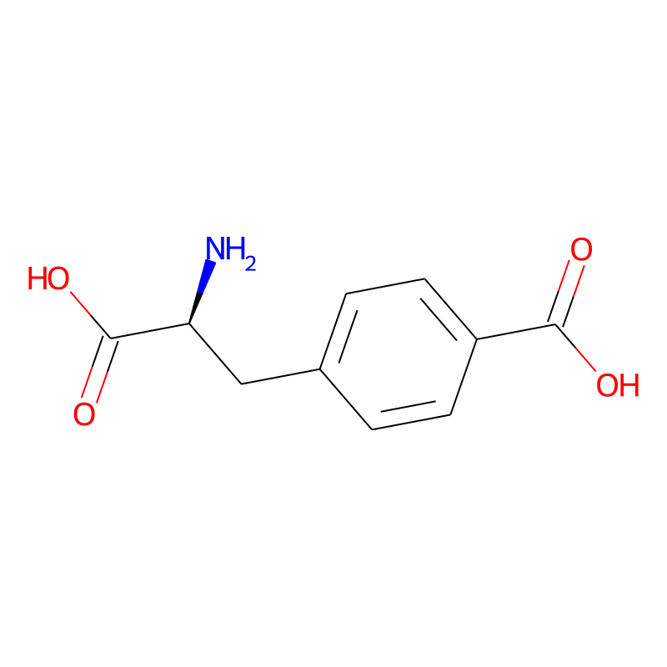
97 | {p-carboxyl-f} | D-Para-Carboxyl-Phe | D | N[C@H](CC1C=CC(C(=O)O)=CC=1)C(=O)O | 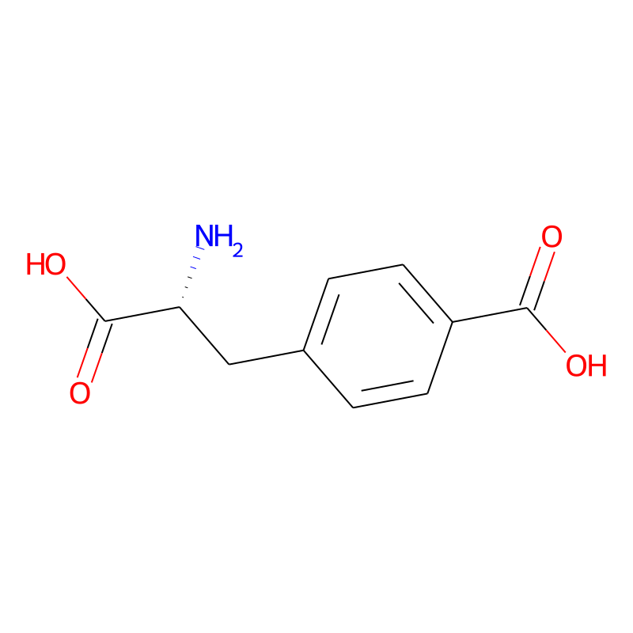
98 | {me-F} | L-Para-Methyl-Phe | L | N[C@@H](CC1C=CC(C)=CC=1)C(=O)O | 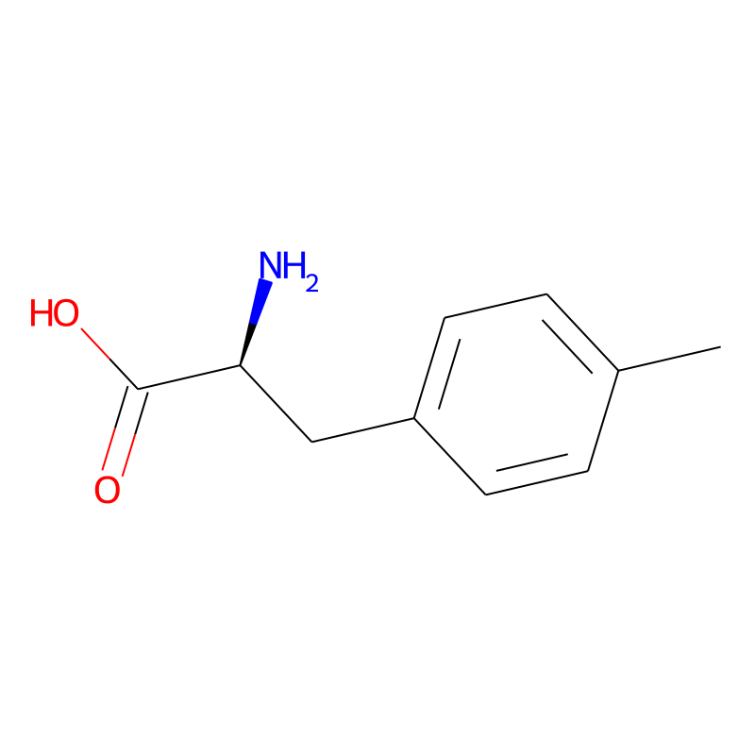
99 | {me-f} | L-Para-Methyl-Phe | D | N[C@H](CC1C=CC(C)=CC=1)C(=O)O | 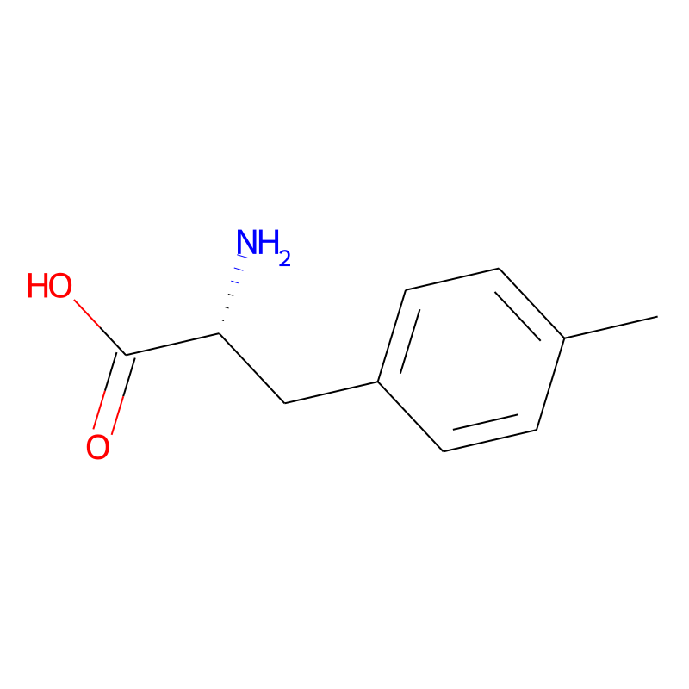
100
101
102
103
104
105

