Database
# | Type | Class | Notation | Name | Chirality | SMILES | CAS | Molecule | Note
1 | Amino Acid | Natural | H | L-Histidine | L | N[C@@H](CC=1NC=NC1)C(=O)O
2 | Amino Acid | Non-Natural | h | D-Histidine | D | N[C@H](CC=1NC=NC1)C(=O)O
3 | Amino Acid | Natural | R | L-Arginine | L | N[C@@H](CCCNC(N)=N)C(=O)O
4 | Amino Acid | Non-Natural | r | D-Arginine | D | N[C@H](CCCNC(N)=N)C(=O)O
5 | Amino Acid | Natural | K | L-Lysine | L | N[C@@H](CCCCN)C(=O)O
6 | Amino Acid | Non-Natural | k | D-Lysine | D | N[C@H](CCCCN)C(=O)O
7 | Amino Acid | Natural | I | L-Isoleucine | L | N[C@H]([C@@H](C)(CC))C(=O)O
8 | Amino Acid | Non-Natural | i | D-Isoleucine | D | N[C@@H]([C@H](C)(CC))C(=O)O
9 | Amino Acid | Natural | F | L-Phenylalanine | L | N[C@@H](Cc1ccccc1)C(=O)O
10 | Amino Acid | Non-Natural | f | D-Phenylalanine | D | N[C@H](Cc1ccccc1)C(=O)O
11 | Amino Acid | Natural | L | L-Leucine | L | N[C@@H](CC(C)C)C(=O)O
12 | Amino Acid | Non-Natural | l | D-Leucine | D | N[C@H](CC(C)C)C(=O)O
13 | Amino Acid | Natural | W | L-Tryptophan | L | N[C@H](Cc1c[nH]c2ccccc12)C(=O)O
14 | Amino Acid | Non-Natural | w | D-Tryptophan | D | N[C@@H](Cc1c[nH]c2ccccc12)C(=O)O
15 | Amino Acid | Natural | A | L-Alanine | L | N[C@@H](C)C(=O)O
16 | Amino Acid | Non-Natural | a | D-Alanine | D | N[C@H](C)C(=O)O
17 | Amino Acid | Natural | M | L-Methionine | L | N[C@@H](CCSC)C(=O)O
18 | Amino Acid | Non-Natural | m | D-Methionine | D | N[C@H](CCSC)C(=O)O
19 | Amino Acid | Natural | P | L-Proline | L | N1CCC[C@H]1C(=O)O
20 | Amino Acid | Non-Natural | p | D-Proline | D | N1CCC[C@@H]1C(=O)O
21 | Amino Acid | Natural | C | L-Cysteine | L | N[C@H](CS)C(=O)O
22 | Amino Acid | Non-Natural | c | D-Cysteine | D | N[C@@H](CS)C(=O)O
23 | Amino Acid | Natural | N | L-Asparagine | L | NC(=O)C[C@H](N)C(=O)O
24 | Amino Acid | Non-Natural | n | D-Asparagine | D | NC(=O)C[C@@H](N)C(=O)O
25 | Amino Acid | Natural | V | L-Valine | L | N[C@H](C(C)C)C(=O)O
26 | Amino Acid | Non-Natural | v | D-Valine | D | N[C@@H](C(C)C)C(=O)O
27 | Amino Acid | Natural | G | Glycine | L | NCC(=O)O
28 | Amino Acid | Natural | S | L-Serine | L | N[C@H](CO)C(=O)O
29 | Amino Acid | Non-Natural | s | D-Serine | D | N[C@@H](CO)C(=O)O
30 | Amino Acid | Natural | Q | L-Glutamine | L | N[C@@H](CCC(=O)N)C(=O)O
31 | Amino Acid | Non-Natural | q | D-Glutamine | D | N[C@H](CCC(=O)N)C(=O)O
32 | Amino Acid | Natural | Y | L-Tyrosine | L | N[C@@H](Cc1ccc(O)cc1)C(=O)O
33 | Amino Acid | Non-Natural | y | D-Tyrosine | D | N[C@H](Cc1ccc(O)cc1)C(=O)O
34 | Amino Acid | Natural | D | L-Aspartic Acid | L | N[C@@H](CC(=O)O)C(=O)O
35 | Amino Acid | Non-Natural | d | D-Aspartic Acid | D | N[C@H](CC(=O)O)C(=O)O
36 | Amino Acid | Natural | E | L-Glutamic Acid | L | N[C@@H](CCC(=O)O)C(=O)O
37 | Amino Acid | Non-Natural | e | D-Glutamic Acid | D | N[C@H](CCC(=O)O)C(=O)O
38 | Amino Acid | Natural | T | L-Threonine | L | N[C@@H]([C@@H](O)C)C(=O)O
39 | Amino Acid | Non-Natural | t | D-Threonine | D | N[C@H]([C@H](O)C)C(=O)O
40 | Amino Acid | Non-Natural | {h-S} | L-homoserine | L | N[C@@H](C(CO))C(=O)O
41 | Amino Acid | Non-Natural | {h-s} | D-homoserine | D | N[C@H](C(CO))C(=O)O
42 | Amino Acid | Non-Natural | {(N-me)-A} | N-Methyl-L-Alanine | L | N(C)[C@@H](C)C(=O)O
43 | Amino Acid | Non-Natural | {(N-me)-a} | N-Methyl-D-Alanine | D | N(C)[C@H](C)C(=O)O
44 | Amino Acid | Non-Natural | {acm-C} | S-(Acetamidomethyl)-L-cysteine | L | N[C@@H](CS(CNC(=O)C))C(=O)O
45 | Amino Acid | Non-Natural | {acm-c} | S-(Acetamidomethyl)-D-cysteine | D | N[C@H](CS(CNC(=O)C))C(=O)O
46 | Amino Acid | Non-Natural | {me-Y} | O-Methyl-L-tyrosine | L | N[C@@H](Cc1ccc(OC)cc1)C(=O)O
47 | Amino Acid | Non-Natural | {me-y} | O-Methyl-D-tyrosine | D | N[C@H](Cc1ccc(OC)cc1)C(=O)O
48 | Amino Acid | Non-Natural | {dime-Y} | 2,6-Dimethyl-L-tyrosine | L | N[C@@H](Cc1c(C)cc(O)cc(C)1)C(=O)O
49 | Amino Acid | Non-Natural | {dime-y} | 2,6-Dimethyl-D-tyrosine | D | N[C@H](Cc1c(C)cc(O)cc(C)1)C(=O)O
50 | Chemical Modification |  | {PEG4} | PEG4 |  | (CCOCCOCCOCCOC(=O)O)
51 | Chemical Modification |  | {PEG2} | PEG2 |  | (CCOCCOC(=O)O)
52 | Chemical Modification |  | {PEG4[CH2]} | PEG4(CH2) |  | (CCOCCOCCOCCOCC(=O)O)
53 | Chemical Modification |  | {PEG2[CH2]} | PEG2(CH2) |  | (CCOCCOCC(=O)O)
54 | Chemical Modification |  | {PEG4[CH2CH2]} | PEG4(CH2CH2) |  | (CCOCCOCCOCCOCCC(=O)O)
55 | Chemical Modification |  | {PEG2[CH2CH2]} | PEG2(CH2CH2) |  | (CCOCCOCCC(=O)O)
56 | Chemical Modification |  | {PEG2[CH2CH2]N3} | {PEG2[CH2CH2]N3} |  | (CCOCCOCC[N]=[N+]=[N-])
57 | Amino Acid | Non-Natural | {I-PEG2[CH2]} | L-Ile-PEG4(CH2CH2) | L | N[C@H]([C@H](C)(CC))C(=O)O(CCOCCOCC(=O)O) |  |  | This amino acid has a modification at the C-terminus, so it can only be placed at the end of the sequence
58 | Amino Acid | Non-Natural | {i-PEG2[CH2]} | D-Ile-PEG4(CH2CH2) | D | N[C@@H]([C@H](C)(CC))C(=O)O(CCOCCOCC(=O)O) |  |  | This amino acid has a modification at the C-terminus, so it can only be placed at the end of the sequence
59 | Amino Acid | Non-Natural | {i-PEG4[CH2CH2]} | D-Ile-PEG4(CH2CH2) | D | N[C@@H]([C@H](C)(CC))C(=O)O(CCOCCOCCOCCOCCC(=O)O) |  |  | This amino acid has a modification at the C-terminus, so it can only be placed at the end of the sequence
60 | Amino Acid | Non-Natural | {i-PEG2[CH2CH2]} | D-Ile-PEG2(CH2CH2) | D | N[C@@H]([C@H](C)(CC))C(=O)O(CCOCCOCCC(=O)O) |  |  | This amino acid has a modification at the C-terminus, so it can only be placed at the end of the sequence
61 | Amino Acid | Non-Natural | {i-PEG2[CH2CH2]N3} | D-Ile-{PEG2[CH2CH2]N3} | D | N[C@@H]([C@H](C)(CC))C(=O)O(CCOCCOCC[N]=[N+]=[N-]) |  |  | This amino acid has a modification at the C-terminus, so it can only be placed at the end of the sequence
62 | Amino Acid | Non-Natural | {I-PEG4[CH2CH2]} | L-Ile-PEG4(CH2CH2) | L | N[C@H]([C@H](C)(CC))C(=O)O(CCOCCOCCOCCOCCC(=O)O) |  |  | This amino acid has a modification at the C-terminus, so it can only be placed at the end of the sequence
63 | Amino Acid | Non-Natural | {I-PEG2[CH2CH2]} | L-Ile-PEG2(CH2CH2) | L | N[C@H]([C@H](C)(CC))C(=O)O(CCOCCOCCC(=O)O) |  |  | This amino acid has a modification at the C-terminus, so it can only be placed at the end of the sequence
64 | Amino Acid | Non-Natural | {I-PEG2[CH2CH2]N3} | L-Ile-{PEG2[CH2CH2]N3} | L | N[C@H]([C@H](C)(CC))C(=O)O(CCOCCOCC[N]=[N+]=[N-]) |  |  | This amino acid has a modification at the C-terminus, so it can only be placed at the end of the sequence
65 | Amino Acid | Non-Natural | {me-T} | N-Methyl-L-Threonine​ | L | N(C)[C@H]([C@H](O)C)C(=O)O
66 | Amino Acid | Non-Natural | {me-t} | N-Methyl-D-Threonine​ | D | N(C)[C@@H]([C@H](O)C)C(=O)O
67 | Amino Acid | Non-Natural | {d-Abu} | Gamma-Aminobutyric Acid | D | NCCCC(=O)O
68 | Amino Acid | Non-Natural | {allo-T} | L-Allothreonine | L | N[C@@H]([C@H](O)C)C(=O)O
69 | Amino Acid | Non-Natural | {allo-t} | D-Allothreonine | D | N[C@H]([C@@H](O)C)C(=O)O
70 | Amino Acid | Non-Natural | {nap-A} | 3-(2-Naphthyl)-L-alanine | L | N[C@@H](C(C1=CC2=CC=CC=C2C=C1))C(=O)O
71 | Amino Acid | Non-Natural | {nap-a} | 3-(2-Naphthyl)-D-alanine | D | N[C@H](C(C1=CC2=CC=CC=C2C=C1))C(=O)O
72 | Amino Acid | Non-Natural | {k-biotin} | Biotin-D-Lysine | D | N[C@H](CCCCNC(=O)CCCC[C@@H]1[C@@H]2NC(=O)N[C@@H]2CS1)C(=O)O
73 | Amino Acid | Non-Natural | {biotin-r} | Biotin-D-Arginine | D | N(C(=O)CCCC[C@H]1[C@H]2NC(=O)N[C@H]2CS1)[C@H](CCCNC(N)=N)C(=O)O |  |  | This amino acid has a modification at the N-terminus, so it can only be placed at the beginning of the sequence
74 | Amino Acid | Non-Natural | {(biotin-Ahx)-r} | Biotin-ahx-D-Arg | D | N(C(=O)CCCCCNC(=O)CCCC[C@H]1[C@H]2NC(=O)N[C@H]2CS1)[C@H](CCCNC(N)=N)C(=O)O |  |  | This amino acid has a modification at the N-terminus, so it can only be placed at the beginning of the sequence
75 | Amino Acid | Non-Natural | {k-(4-Bba)} | 4-Benzoylbenzoic acid-D-Lys | D | N[C@H](CCCCNC(=O)C1=CC=C(C(=O)C2=CC=CC=C2)C=C1)C(=O)O
76 | Amino Acid | Non-Natural | {(4-Bba)-r} | 4-Benzoylbenzoic acid-D-Arg | D | N(C(=O)C1C=CC(C(=O)C2=CC=CC=C2)=CC=1)[C@H](CCCNC(N)=N)C(=O)O |  |  | This amino acid has a modification at the N-terminus, so it can only be placed at the beginning of the sequence
77 | Amino Acid | Non-Natural | {F-(4-N3)} | 4-Azido-L-Phe | L | N[C@@H](Cc1ccc([N]=[N+]=[N-])cc1)C(=O)O
78 | Amino Acid | Non-Natural | {f-(4-N3)} | 4-Azido-D-Phe | D | N[C@H](Cc1ccc([N]=[N+]=[N-])cc1)C(=O)O
79 | Amino Acid | Non-Natural | {a-N3} | Azido-D-Ala | D | N[C@H](C([N]=[N+]=[N-]))C(=O)O
80 | Amino Acid | Non-Natural | {d-pentanoic(N3)} | D-azido pentanoic acid | D | N[C@@H](CCCN(=[N+]=[N-]))C(=O)O
81 | Amino Acid | Non-Natural | {r-NO2} | Nitro-D-Arg | D | N[C@H](CCCNC(=N)N([N+](=O)[O-]))C(=O)O
82 | Chemical Modification |  | {ac} | Acetylation |  | (C(=O)C)
83 | Amino Acid | Non-Natural | {k-ac} | N-Acetyl-D-Lys | D | N[C@H](CCCCN(C(=O)C))C(=O)O
84 | Amino Acid | Non-Natural | {d-Cit} | D-Citrulline | D | N[C@@H](CCCNC(N)=O)C(=O)O
85 | Amino Acid | Non-Natural | {h-p} | D-homoPro | D | N1CCC[C@@H]1CC(=O)O
86 | Amino Acid | Non-Natural | {h-R} | L-homoArg | L | N[C@@H](CCCCNC(=N)N)C(=O)O
87 | Amino Acid | Non-Natural | {h-r} | D-homoArg | D | N[C@H](CCCCNC(=N)N)C(=O)O
88 | Amino Acid | Non-Natural | {nor-r} | D-NorArg | D | N[C@H](CCNC(N)=N)C(=O)O
89 | Amino Acid | Non-Natural | {photo-L} | L-Photo-Leu | L | N[C@@H](CC(C)1N=N1)C(=O)O
90 | Amino Acid | Non-Natural | {photo-l} | D-Photo-Leu | D | N[C@H](CC(C)1N=N1)C(=O)O
91 | Amino Acid | Non-Natural | {photo-M} | D-Photo-Met | L | N[C@@H](CCC(C)1N=N1)C(=O)O
92 | Amino Acid | Non-Natural | {Pra} | L-Propargylglycine | L | N(CC#C)C(=O)O
93 | Amino Acid | Non-Natural | {FITC-Ahx} | Fluorescein isothiocyanate + 6-aminohexanoic acid spacer | L | N(C(=S)N(C1=CC=C(C2=C1C(=O)OC23C4=C(C=C(C=C4)O)OC5=C3C=CC(=C5)O)))CCCCCC(=O)O |  |  | The code processes this amino acid considering the isomer Fluorescein 5-isothiocyanate, along with a 6-aminohexanoic acid spacer
94 | Chemical Modification |  | {am} | Amidiation |  | N
95 | Amino Acid | Non-Natural | {p-carboxyl-F} | L-Para-Carboxyl-Phe | L | N[C@@H](CC1C=CC(C(=O)O)=CC=1)C(=O)O
96 | Amino Acid | Non-Natural | {p-carboxyl-f} | D-Para-Carboxyl-Phe | D | N[C@H](CC1C=CC(C(=O)O)=CC=1)C(=O)O
97 | Amino Acid | Non-Natural | {me-F} | 4-Methyl-L-phenylalanine | L | N[C@@H](CC1C=CC(C)=CC=1)C(=O)O
98 | Amino Acid | Non-Natural | {me-f} | 4-Methyl-D-phenylalanine | D | N[C@H](CC1C=CC(C)=CC=1)C(=O)O
99 | Amino Acid | Non-Natural | {Ally-G} | D-Allylglycine | D | N[C@H](CC=C)C(=O)O |  | 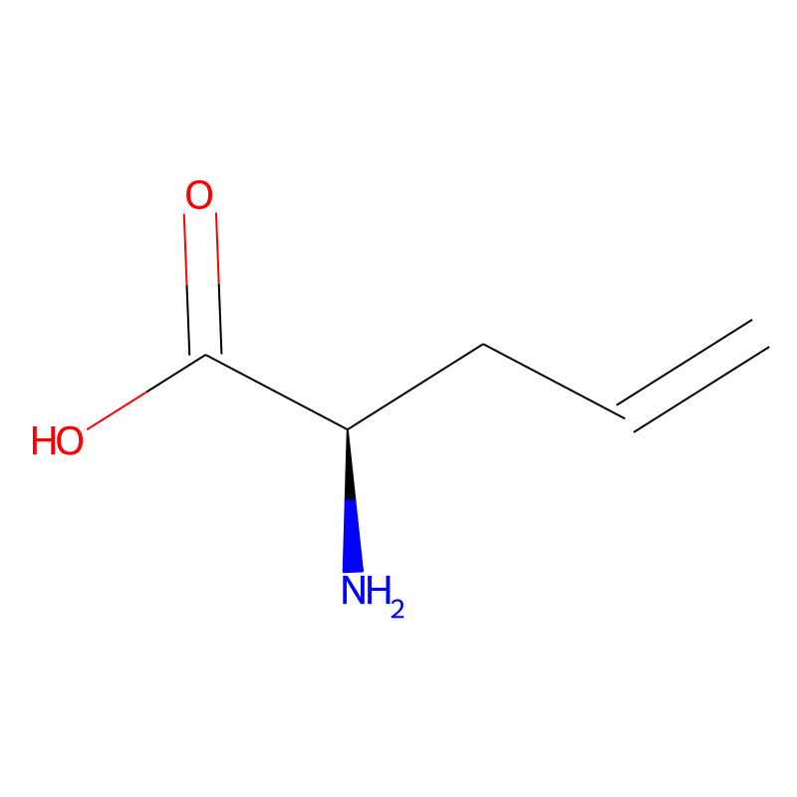
100 | Amino Acid | Non-Natural | {Dip-a} | 3,3-Diphenyl-D-Alanine | D | N[C@H](C(C1C=CC=CC=1)(C1C=CC=CC=1))C(=O)O |  | 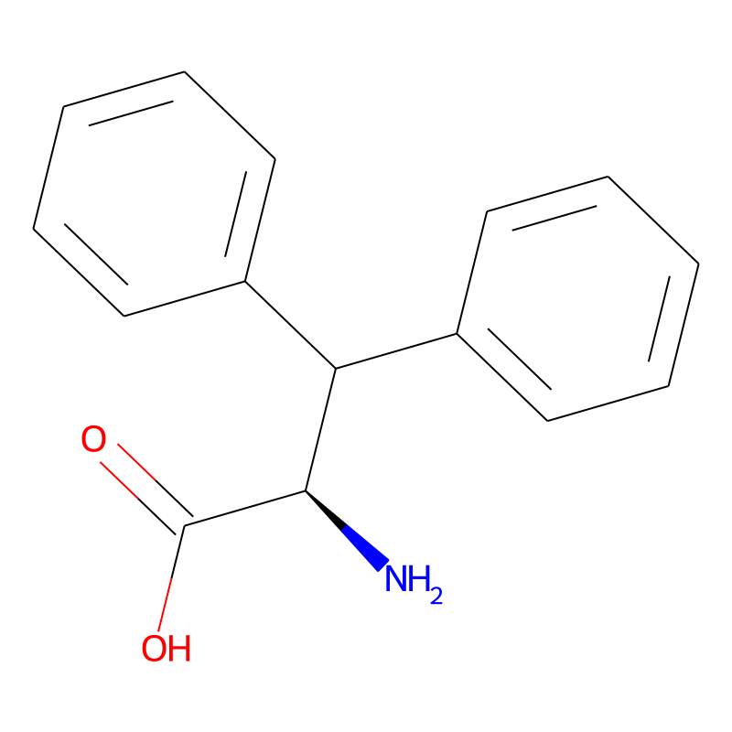
101 | Amino Acid | Non-Natural | {3-me-f} | 3-Methyl-D-Phenylalanine | D | N[C@H](CC1C=CC=C(C)C=1)C(=O)O |  | 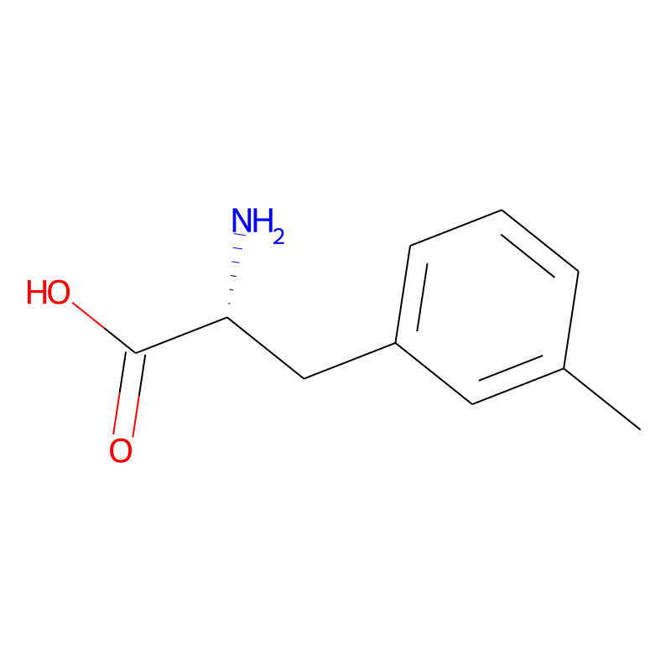
102 | Amino Acid | Non-Natural | {Dip-a} | 3-(4-Biphenyl)-D-Alanine | D | N[C@H](CC1C=CC(C2C=CC=CC=2)=CC=1)C(=O)O |  | 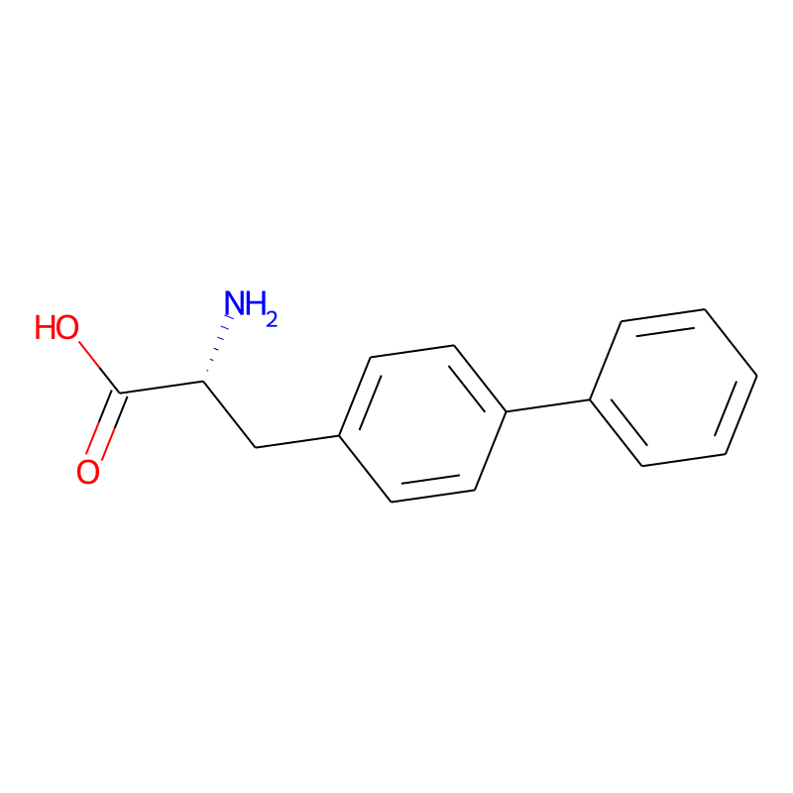
103 | Amino Acid | Non-Natural | {4-tert-butyl-p} | 4-(Tert-Butyl)-D-Phenylalanine | D | N[C@H](CC1C=CC(C(C)(C)(C))=CC=1)C(=O)O |  | 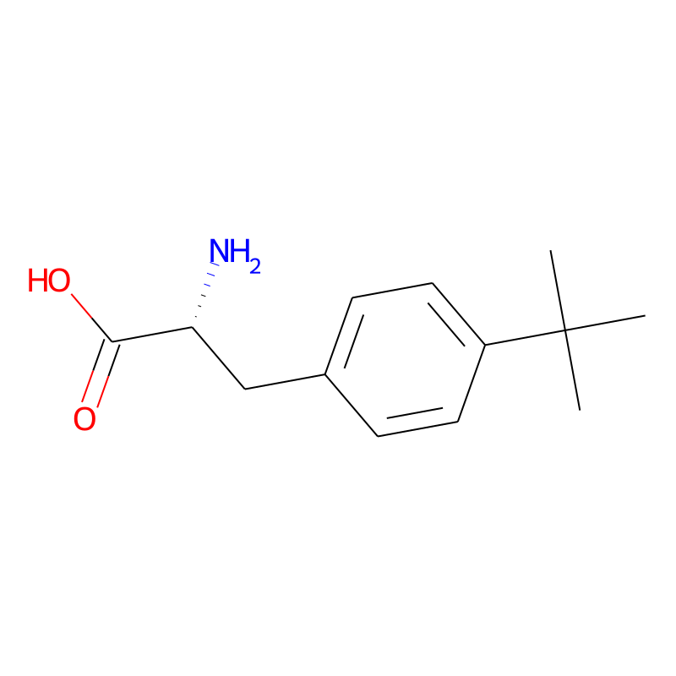
104 | Amino Acid | Non-Natural | {α-me-l} | α-Methyl-D-Leucine | D | NC(C)(CC(C)C)C(=O)O |  | 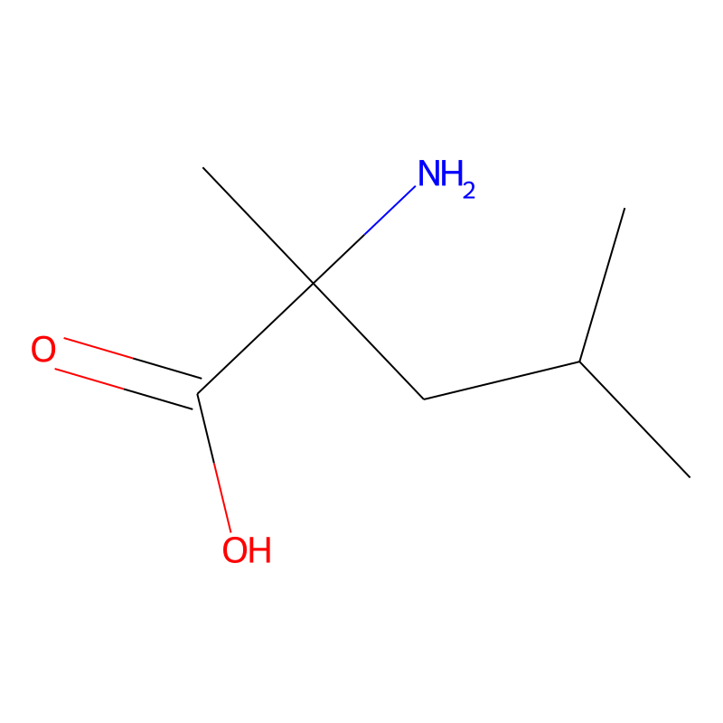
105
106
107
108
109
110
111
112
113

