Prediksi Hasil
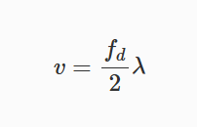
 |  |  |  | fd | ?
 | Jarak |  |  | fb | ? |  |  |  |  |  | Kecepatan
 |  |  |  | λ | 0.1 | m
 |  |  |  | c | 300000000 | m/s
 |  |  |  | µ | 30000000000 | Hz/s | 30000 | Hz/µs
 |  |  |  | TC | 0.0016666666667 | s | 1667 | µs
 |  |  |  | B | 50000000 | Hz

d0 | 3 | 6 | 9 | 12 | 15 |  |  |  | v | 3 | 6 | 9 | 12 | 15
fb | 0.0006 | 0.0012 | 0.0018 | 0.0024 | 0.003 |  |  |  | fd | 60 | 120 | 180 | 240 | 300

d0 | 3 | 6 | 9 | 12 | 15
fb | 0.0006 | 0.0012 | 0.0018 | 0.0024 | 0.003

