Readme
MUST READ!! Project name and PRODUCT_NAME length limitations: Please change your project name length and PRODUCT_NAME length to be under 18 characters before your mass productions. - AOSP limited the total ro.build.fingerprint to be under 92 characters, so the project name and PRODUCT_NAME should be under 18 characters, or it will cause CTS fails. - Most of APPs limited PRODUCT_NAME to be under 18 characters, so your project name and PRODUCT_NAME should be under 18 characters, or it may cause unexpected system crashes. - Example: PRODUCT_NAME is in device/$(Your_Company)/full_$(project_name).mk. Please change PRODUCT_NAME and $(project_name) to be under 18 characters. ※MD branch LR12A 版本的特性 相較於先前的 LR9,LR11,LR12 版本, LR12A 開始 MOLY/SIXTH 會合在一包code給出 About Git setting please refer to "Git info" sheet Build Environment Information please refer to "Build Environment Info." sheet AP_MD Mapping Info please refer to "AP_MD project mapping table" sheet ALPS Label Information please refer to"Label Info." sheet Steps for building project 1) build modem image: please refer to "Build_Configure_Modem" Related sheet 2) copy modem image to alps/vendor/mediatek/proprietary/modem/${modem} 3) open alps/device/${company}/${project}/ProjectConfig.mk 4) set CUSTOM_MODEM=${modem} | 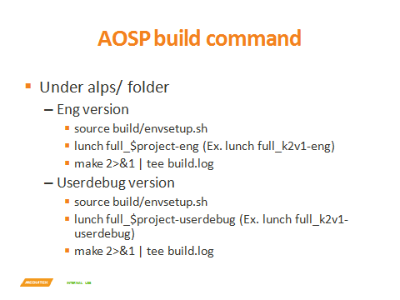 Steps for building project 5) Run Split or AOSP build command to build target project. Steps for building & configuring modems please refer to "Build_Configure_Modem" sheet Switchable Related Configs If “License default on setting” contains features that are not authorized by you, please switch them OFF according to configurations in Switchable_license sheet. please refer to "Switchable_Features" sheet please refer to "Switchable_license" sheet please refer to "Switchable_om" sheet please refer to "Switchable_cnop" sheet please refer to "Switchable_wwop" sheet please refer to "Switchable(config-ref)" sheet please refer to "Feature_matrix" sheet Duplicate a new project from MTK project in local codebase 1. After sync codebase was done. 2. Run project clone tool in root path of codebase. 3. Command line please refer “vendor/mediatek/proprietary/scripts/project_clone/readme.txt”.

