Sheet1
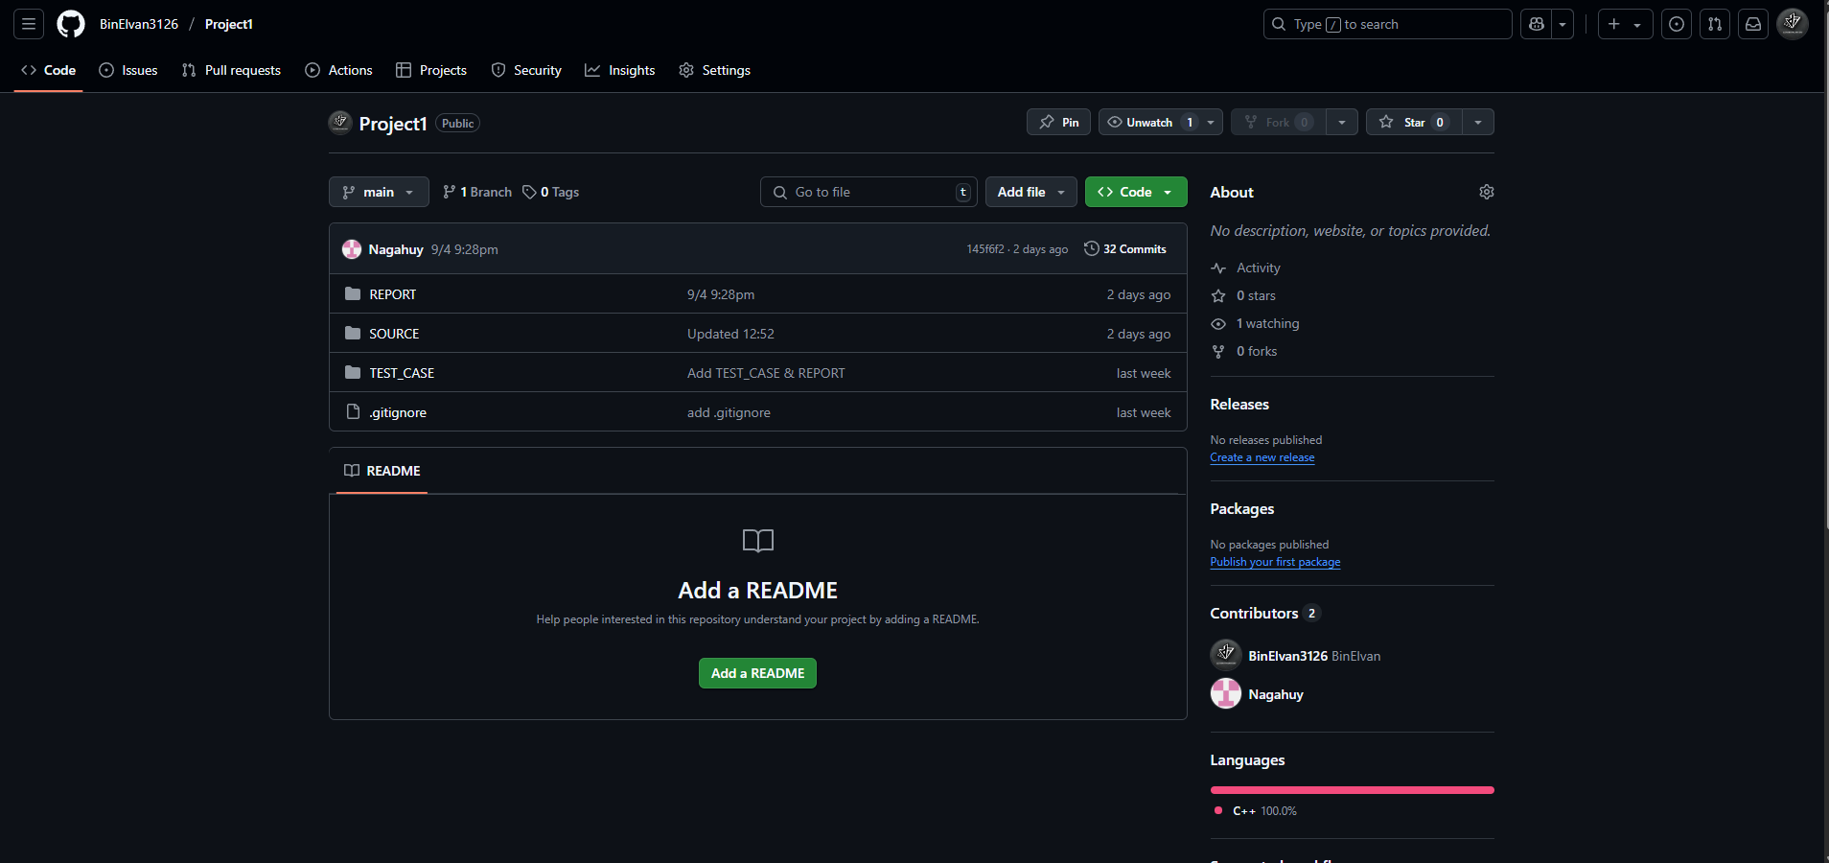
LÊ VĂN THÀNH ĐẠT - 24120036 | TRƯƠNG ĐÌNH NHẬT HUY - 24120064

Bubble sort | Radix sort
Counting sort | Quick sort
Heap sort | Flash sort
Insertion sort | Shaker sort
Merge sort | Build read file, write file
Slection sort | Build test case
Shell sort | Complete main function
Build arguments in main | Build header file
Analyzing time complexity | Analyzing data size & comparisons
Testing (16 cases) (Chi tiết nằm ở REPORT/Charts.xlsx)
Build charts & Report file

Our workspace
https://github.com/BinElvan3126/Project1

