3month
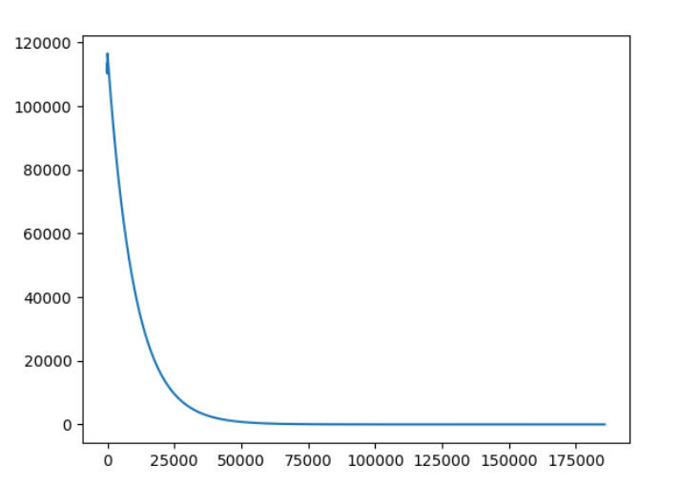
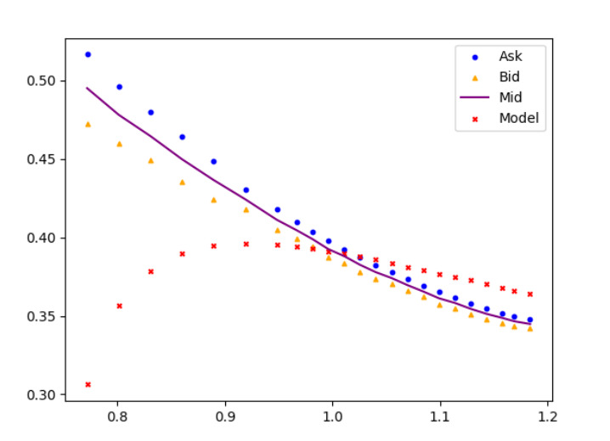
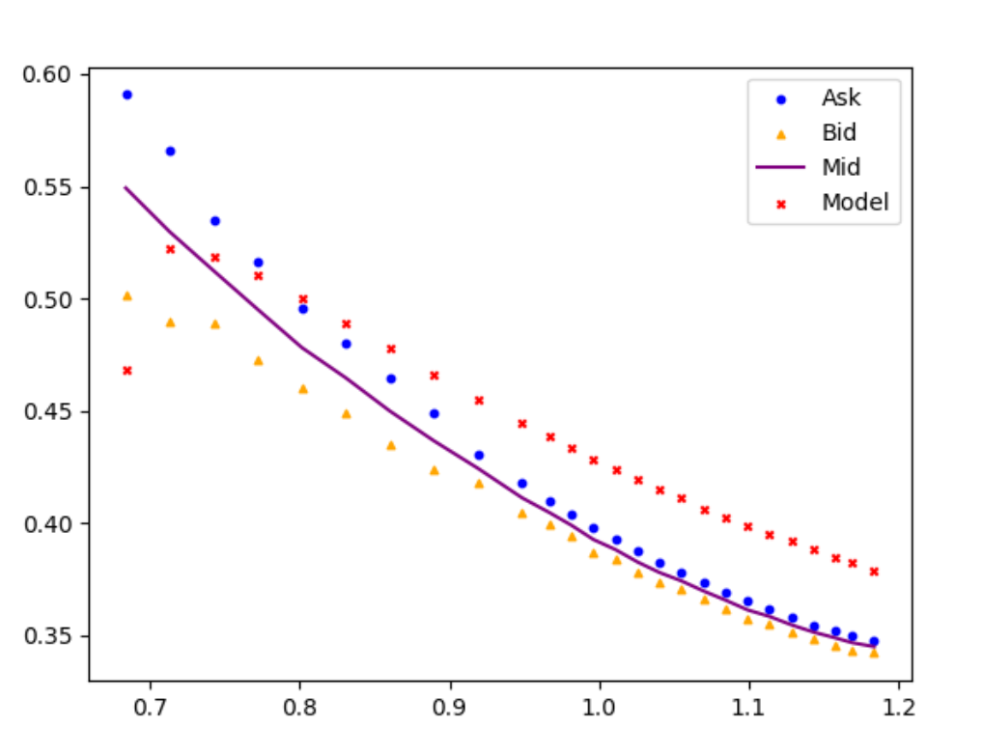
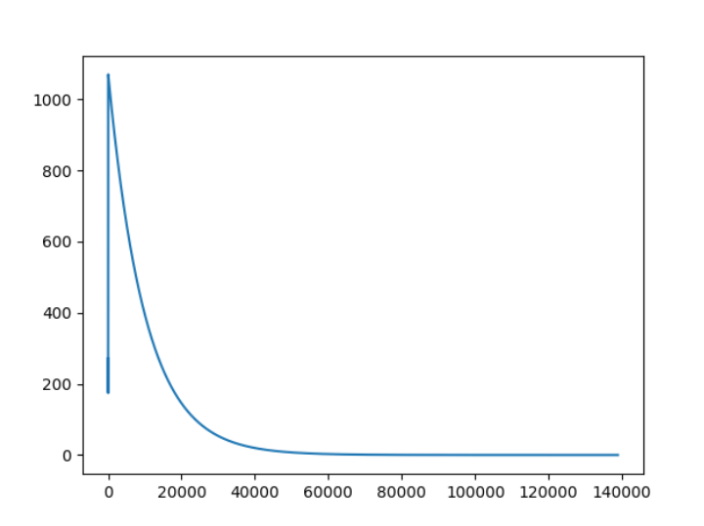
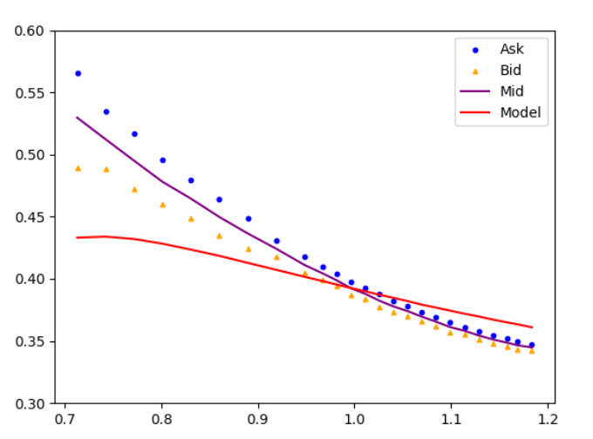
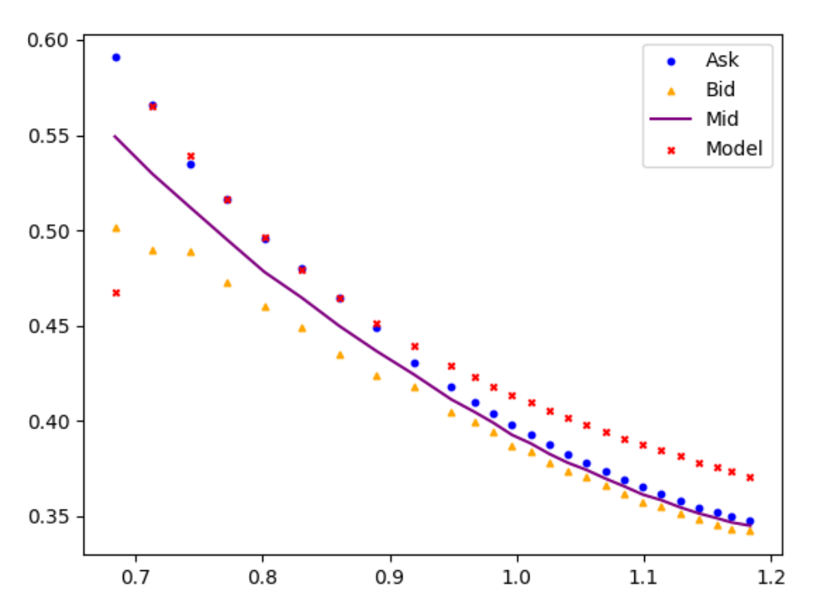
 | u | h | 100000 G | 0.001 Iter Times | Time | V
0 | 0 | 0 |  |  |  | 0
1 | -9.74E-07 | 8.44E-09 | 4.87E-02 | 138851 |  | V.xlsx
2 | -0.01803351 | -4.57E-05 | 5.308939739 | 185768 | 4197.8795822 | V2.xlsx
3 | -0.07662472 | -8.80E-05

