Defect Report-CaseStudy
Defect ID | Defect Description | Steps to Reproduce | Priority | Severity | Status | Created By | Assigned To | Screenshot
1 | Date Picker - Manual URL Manipulation Allows Past Dates | 1. Launch www.google.com 2. 1. Open MakeMyTrip Flight Search. 3. Search for flights using a valid future departure date. 4. After the results page loads, edit the URL. 5. Change the depDate parameter to a past date (e.g., 01/06/2026). 6. Press Enter to reload the page. | High | Critical | New | Binit Kumar Singh | Raghavendra BN | 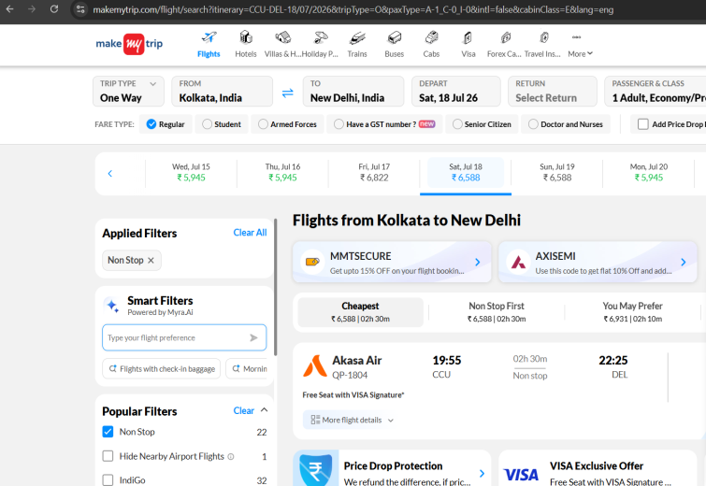
2 | Website layout breaks on mobile view | 1.Launch www.google.com 2. Open makemytrip.com on a mobile browser. 3. Navigate to the Flights or Hotels page. 4. Scroll through the page and interact with different sections. 5. Observe the layout on smaller screen sizes. | Low | Minor | New | Binit Kumar Singh | Raghavendra BN | 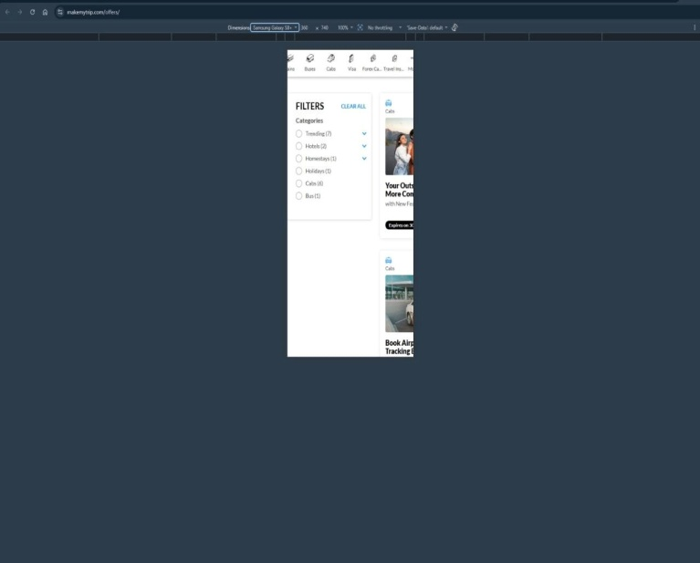
3 | Price displayed on hotel listing page does not match checkout price | 1. Launch www.google.com 2. Search for naukri.com 3. Click on Register option 4. Enter valid user details 5. Enter mobile number but do not enter OTP 6. Skip verification and continue 7. Observe profile creation | High | Major | New | Binit Kumar Singh | Raghavendra BN | 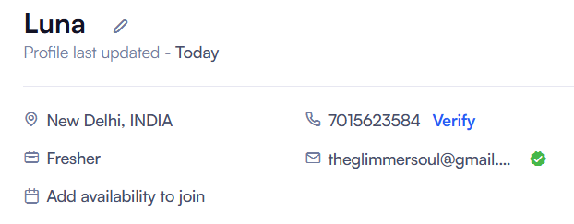 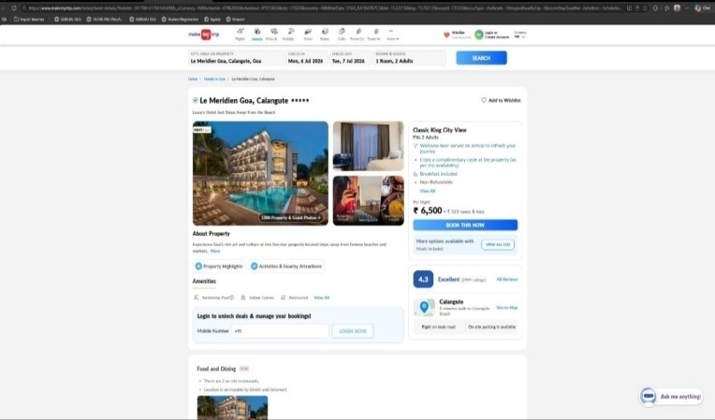
4 | OTP is sent for an invalid email address | 1. Launch www.google.com 2.Open MakeMyTrip. 3. Open MakeMyTrip. 4.Click Login/Create Account. 5.Enter an invalid email address. 6.Click Continue. | High | Major | New | Binit Kumar Singh | Raghavendra BN |  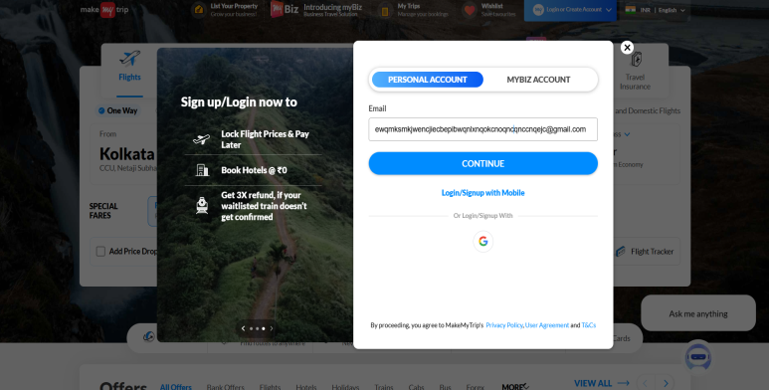
5 | Browser Back button does not navigate back from Hotel Details page | 1. Launch www.google.com 2.Open MakeMyTrip. 3. Search for hotels in any city. 4. Select any hotel from the search results. 5. Once the hotel details page opens, click the browser Back button. 6. Observe the navigation. | High | Major | New | Binit Kumar Singh | Raghavendra BN | 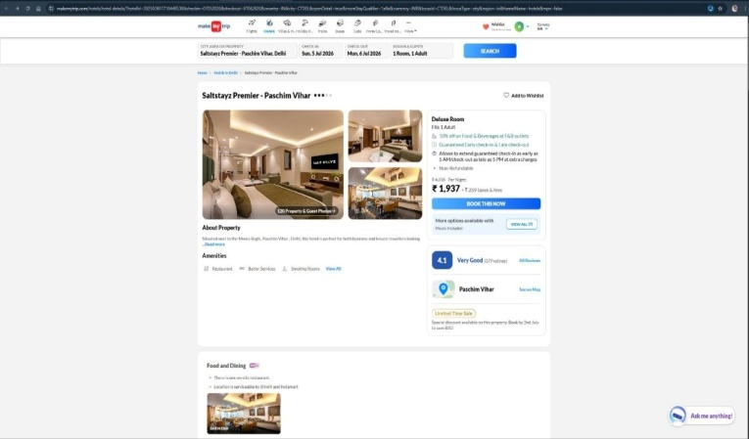

GUI Testing
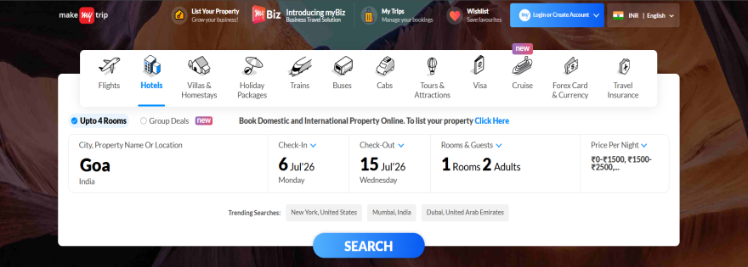
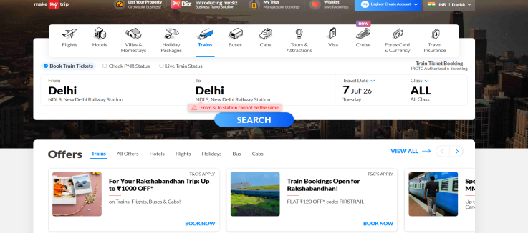
SR.No | GUI Description | Actual Value | Expected Value | Status/Remarks | Screenshots
1 | Testing the size, position, width, height of the elements. | All UI elements are displayed with proper size and position | UI elements should have proper size, width, height and alignment | Passed
2 | Testing of the error messages that are getting displayed. | Appropriate error messages are displayed for invalid inputs | Error messages should be clear, meaningful and properly aligned | Passed
3 | Testing the different sections of the screen. | Home page sections are displayed correctly | All sections should be visible without overlapping | 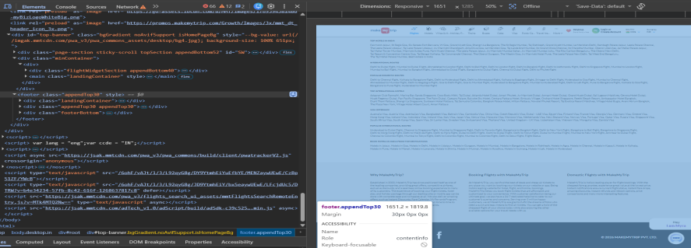 Passed
4 | Testing of the font whether it is readable or not. | Font is clear and readable | Font should be readable and consistent throughout the application | Passed
5 | Testing of the screen in different resolutions with the help of zooming in and zooming out. | UI remains aligned at different zoom levels | Screen should remain responsive without layout breaking | Passed | 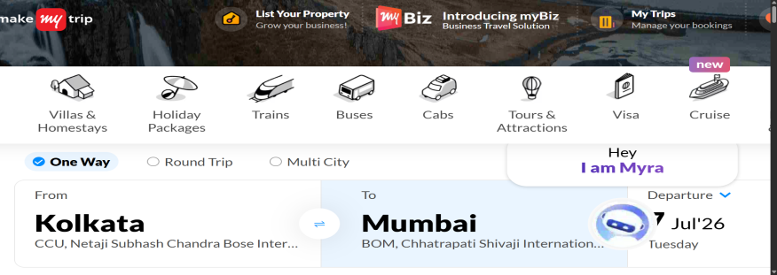
6 | Testing the alignment of the texts and other elements like icons, buttons, etc. are in proper place or not. | Text, icons and buttons are properly aligned | All UI elements should be properly aligned | Passed | 
7 | Testing the colors of the fonts. | Font colors are consistent and readable | Font colors should follow application standards |  Passed
8 | Testing whether the image has good clarity or not. | Images and banners are clear | Images should not be blurred or distorted | Passed | 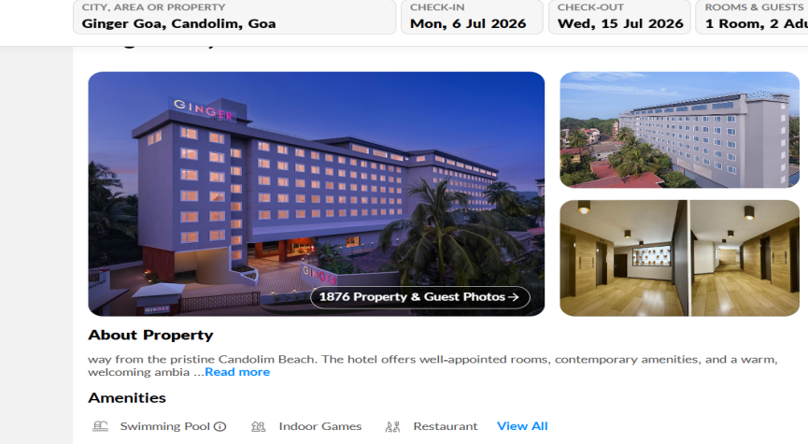
9 | Testing of the scrollbars according to the size of the page if any. | Scroll bar works properly wherever available | Scroll bar should function smoothly according to page size | Passed | 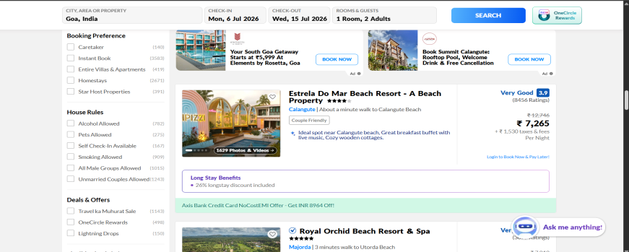
10 | Testing of the spelling. | No spelling mistakes observed | UI text should be grammatically correct and error-free | Passed | 

