Ex2
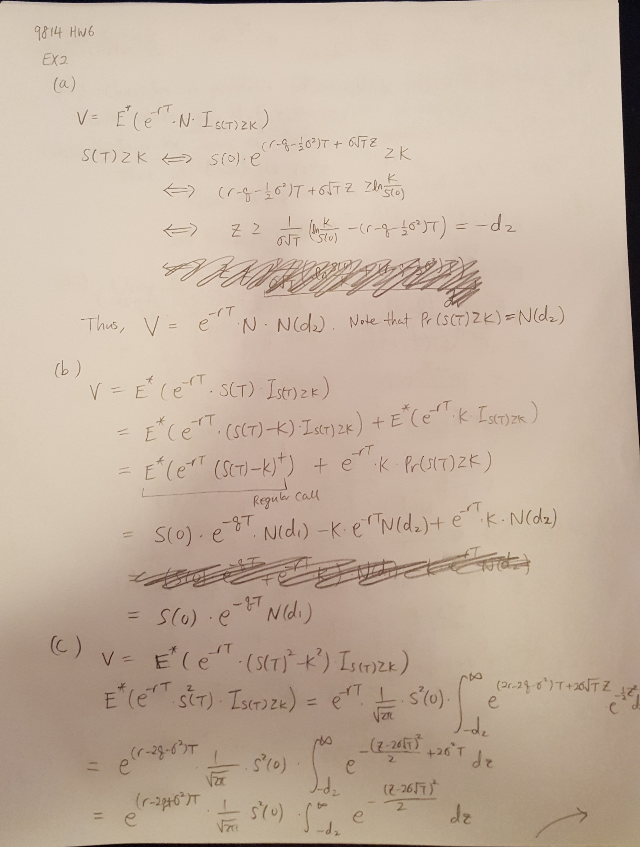

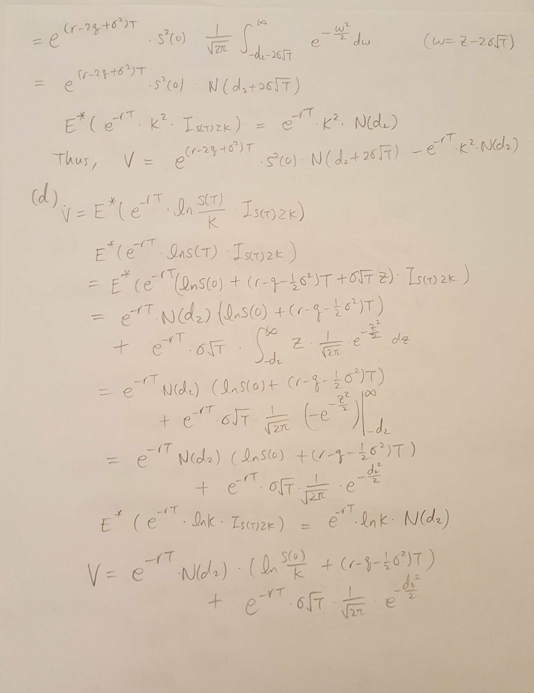

Ex6
Graph the payoff VT of the portfolio below versus the terminal spot price ST. All options have the same expiry:

S(t) | long 1 share | short a put with strike 30 | long 2 puts with strike 40 | long 2 calls with strike 35 | short 4 calls with strike 50 | Portfolio
0 | 0 | -30 | 80 | 0 | 0 | 50
30 | 30 | 0 | 20 | 0 | 0 | 50
35 | 35 | 0 | 10 | 0 | 0 | 45
40 | 40 | 0 | 0 | 10 | 0 | 50
45 | 45 | 0 | 0 | 20 | 0 | 65
50 | 50 | 0 | 0 | 30 | 0 | 80
80 | 80 | 0 | 0 | 90 | -120 | 50
100 | 100 | 0 | 0 | 130 | -200 | 30
130 | 130 | 0 | 0 | 190 | -320 | 0

Portfolio value as a function of the underlying asset price S
Portfolio

Ex7
You decide to create a portfolio that will provide a piecewise linear payoff in 3 months. To do this, you will use the following instruments:
(1) risk-free zero-coupon bonds with maturity 3 months
(2) the asset
(3) European call options on the asset with expiry 3 months
These assets can be traded in any desired quantity, long or short, including non-integer quantities, and calls can be traded at all strikes, including non-integer strikes.

V(S)
(a)
S(T) | V(T) | Graph:
0 | 100
20 | 80
40 | 180
60 | 0
80 | -10
100 | 40

We will contruct the portfolio using only cash and calls.
S=0, |  |  | a constant value 100 is attributed to a cash position.
0<S<20, V=100-S. |  |  | Short one share of stock.
20<S<40, V=5S-20=6(S-20) + (100-S) |  |  | Long 6 calls struck at 20
40<S<60, V=-9S+540 = -14(S-40) + (5S-20) |  |  | Short 14 calls struck at 40
60<S<80, V=-0.5S+30=8.5(S-60) + (-9S+540) |  |  | Long 8.5 calls struck at 60
80<S<100, V=2.5S-210=3(S-80) + (-0.5S+30) |  |  | Long 3 calls struck at 80.

(b )
In general, | define the slopes k(i) = [V(i+1)-V(i)]/[S(i+1)-S(i)]
Construct the portfolio:
Long k(1) calls struck at S(1); short if it is negative
Long k(2)-k(1) calls struck at S(2); short if it is negative
Long k(3)-k(2) calls struck at S(3); short if it is negative
…
So on and so forth.

At the end, the portfolio can be replicated by: Sum[change of slopes]X[Price of Call]

Ex8
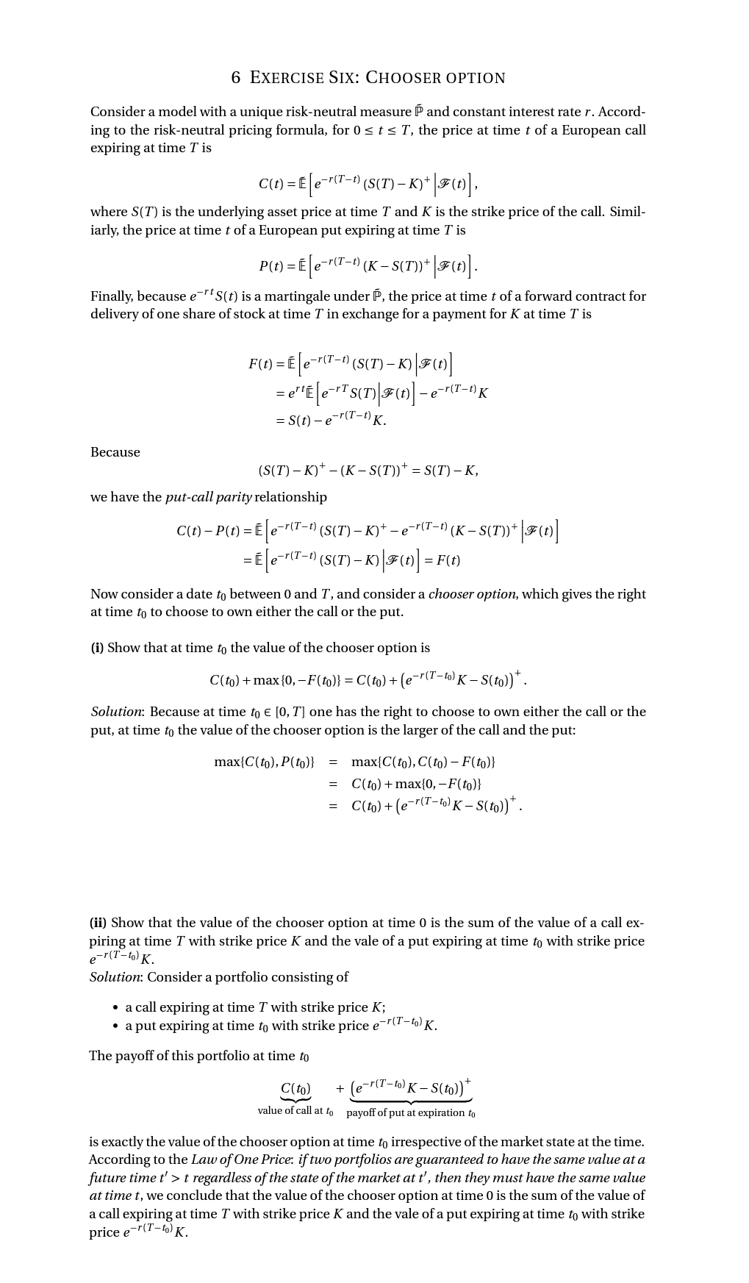
A chooser option is a European option with expiry T and strike K and choice time t < T.
At t, the owner of the option must choose the payoff the option will have— either a vanilla call or put payoff with strike K.
For the purposes of this problem, we consider a chooser option on a non-dividend-paying with spot price S(0) at a time asset when the continuously compounded interest rate r is constant to all maturities.
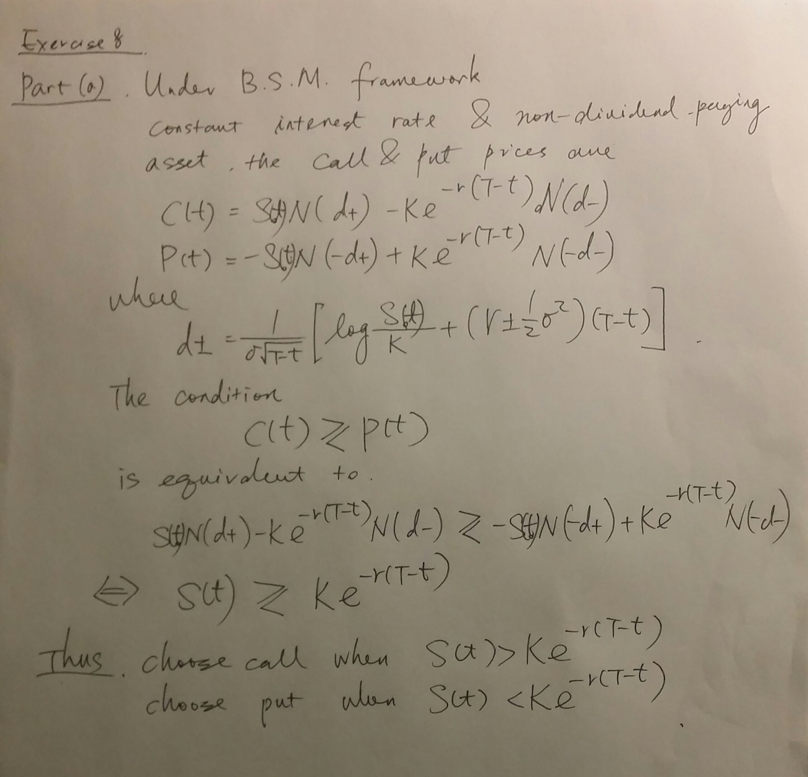

(b) This part of the problem is already done in MTH9831. See below.

